Sheet1
Item | Part Number | Thumbnail | BOM Structure | Unit QTY | QTY | Stock Number | Description | REV
1 | Tapa_Superior |  | Normal | Each | 1
2 | tapa_trasera | 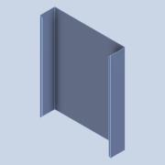 | Normal | Each | 1
3 | Divisor | 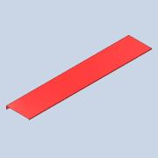 | Normal | Each | 2
4 | Acoplador_de_Cuentas |  | Normal | Each | 7
6 | TapaDown | 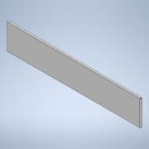 | Normal | Each | 1
7 | TapaUp | 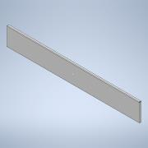 | Normal | Each | 1
8 | Tapa inferior | 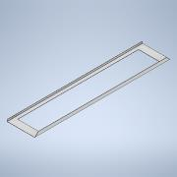 | Normal | Each | 1
9 | TapaCentral | 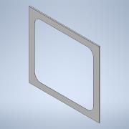 | Normal | Each | 1
10 | Caucho | 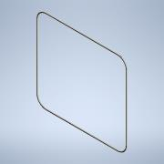 | Normal | Each | 1

