Sheet1
Item | Part Number | Thumbnail | BOM Structure | Unit QTY | QTY | Estimated Cost | Stock Number | Description | REV
1 | Tanque5000 | 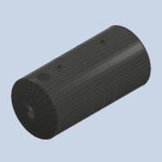 | Normal | Each | 1 | $ 100,00
2 | Brida_cuello_tapa | 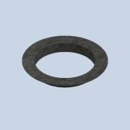 | Normal | Each | 1 | $ 30,00
3 | Tapa1 | 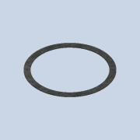 | Normal | Each | 1 | $ 10,00
4 | Tapa2 | 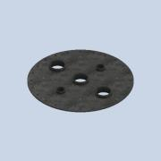 | Normal | Each | 1 | $ 30,00

