Sheet1
Item | Part Number | Thumbnail | BOM Structure | Unit QTY | QTY | Estimated Cost | Stock Number | Description | REV
1 | Tapa_Superior |  | Normal | Each | 1 | $20,000
2 | tapa_trasera | 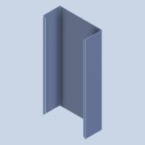 | Normal | Each | 1 | $45,000
3 | Divisor | 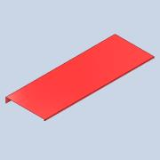 | Normal | Each | 2 | $15,000
4 | Acoplador_de_Cuentas | 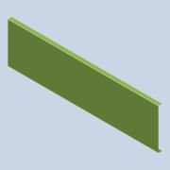 | Normal | Each | 6 | $12,000
6 | TapaDown | 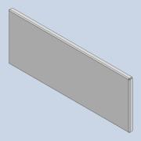 | Normal | Each | 1
7 | TapaUp | 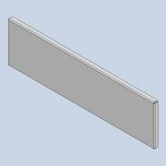 | Normal | Each | 1
8 | Tapa inferior | 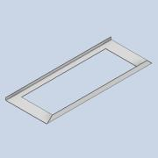 | Normal | Each | 1
9 | TapaCentral | 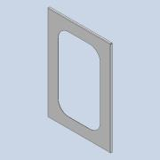 | Normal | Each | 1
10 | Caucho | 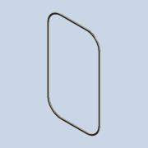 | Normal | Each | 1
11 | PLatico |  | Normal | Each | 1
 |  |  |  |  | Materiales: | $ 167,000.00
 |  |  |  |  | Mano de obra | $ 41,750.00
 |  |  |  |  | Total: | $ 208,750.00

