Sheet1
Item | Part Number | Thumbnail | BOM Structure | Unit QTY | QTY | Stock Number | Costo Área Superficial | REV |  | Total
1 | Tanque5000 | 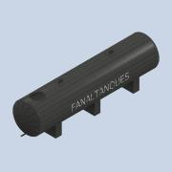 | Normal | Each | 1 |  | 0.0059583333333 |  |  | 0
2 | Brida_cuello_tapa | 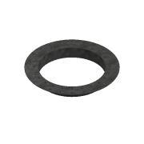 | Normal | Each | 1 |  | 0.0059583333333 |  |  | 0
3 | Tapa1 | 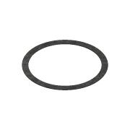 | Normal | Each | 1 |  | 0.0059583333333 |  |  | 0
4 | Tapa2 | 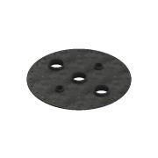 | Normal | Each | 1 |  | 0.0059583333333 |  |  | 0
5 | ANSI B18.22.1 - 1/2 - wide - Type A |  | Purchased | Each | 48 |  | Plain Washer (Inch )Type A and B
6 | IFI 111 - 1/2-13 UNC x 1,25 | 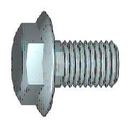 | Purchased | Each | 48 |  | Hex Flange Screw - Regular Thread - Inch
7 | AS 2465 - 1/2 UNC | 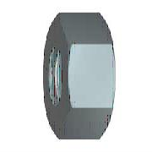 | Purchased | Each | 48 |  | Unified hexagon bolts, screws and nuts (UNC and UNF threads
8 | ASTM F436 - 1/2, CW |  | Purchased | Each | 48 |  | Washer A
 |  |  |  |  |  |  |  |  | Materiales | $-
 |  |  |  |  |  |  |  |  | Mano de obra | $-
 |  |  |  |  |  |  |  |  | Total | $-

