Fig S1
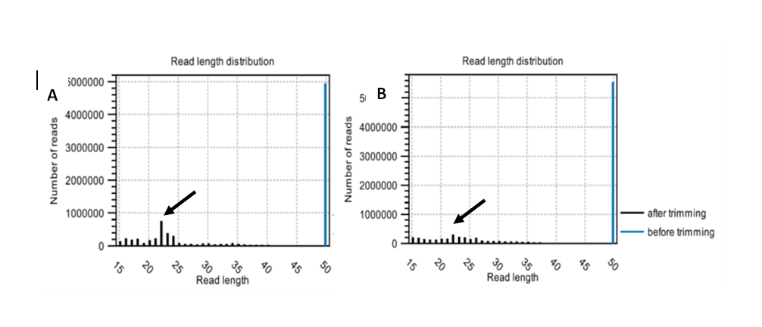

Figure S1: Figure above showed the length distribution of miRNAs reads. parental (A) and spheroid (B) cells.
Arrows showing the average size of the reads are 23 nucleotides in size in both MCF-7 parental and spheroid cells.

