Manned Landers
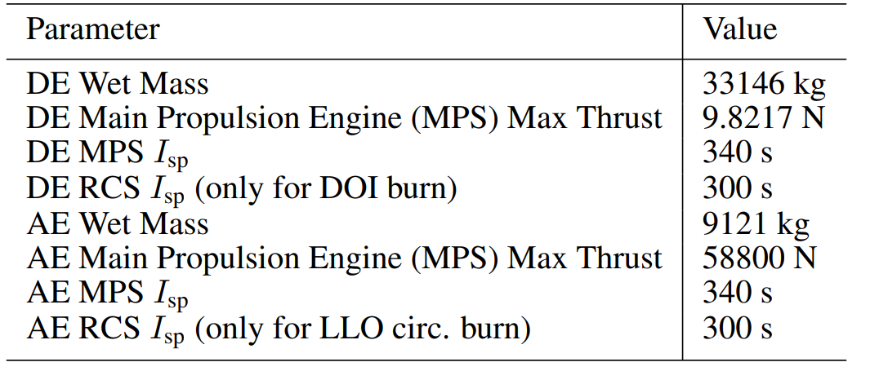
Lander names | mass | dry mass | landed | payload | propellent | inert | avionics | power | environment | structural | propulsion | power cons | descent thrust | ascent thrust | descent stage | descent stage dry mass | ascent stage | ascent stage dry mass | descent stage propelent | ascent stage propellent | other mass
Apollo 11 | 15103 | 4479 | 6855 | 4821 | 10624 | 2034 | 192.8 | 641.9 | 461.9 | 1064 | 517 | 4000 | 80068 | 23130.9 | 10282 | 2034 | 4821 | 2445 | 8248 | 2376
Apollo 12 | 15065 | 4214 | 6853 | 4819 | 10851 | 2034 | 192.4 | 640.3 | 460.7 | 1061.3 | 749.3 |  | 80068 | 23130.9 | 10246 | 2034 | 4819 | 2180 | 8212 | 2639
Apollo 13 | 14916 | 4226 | 6598 | 4489 | 10690 | 2109 | 190.5 | 633.9 | 456.2 | 1050.8 | 741.9 |  | 80068 | 23130.9 | 10427 | 2109 | 4489 | 2117 | 8318 | 2372
Apollo 14 | 14916 | 4284 | 6834 | 4700 | 10750 | 2134 | 190.5 | 633.9 | 456.2 | 1050.8 | 741.9 |  | 80068 | 23130.9 | 10334 | 2134 | 4700 | 2150 | 8200 | 2550
Apollo 15 | 16447 | 5113 | 7667 | 4795 | 11019 | 2872 | 210 | 699 | 503 | 925 | 818 |  | 80068 | 23130.9 | 11652 | 2872 | 4795 | 2241 | 8527 | 2492 | 680
Apollo 16 | 16447 | 5113 | 7667 | 4795 | 11019 | 2872 | 210 | 699 | 503 | 925 | 818 |  | 80068 | 23130.9 | 11652 | 2872 | 4795 | 2241 | 8527 | 2492 | 680
Apollo 17 | 16447 | 5113 | 7667 | 4795 | 11019 | 2872 | 210 | 699 | 503 | 925 | 818 |  | 80068 | 23130.9 | 11652 | 2872 | 4795 | 2241 | 8527 | 2492 | 680
9205-FLO-1 Crew | 93038 | 29403 | 48796 | 31384 | 62458 | 10678 | 729 | 1915 | 1322 | 4317 | 6491 |  | 266800 |  |  |  | 31384
8801-EE-1 Crew | 48218 | 15823 | 15823 | 6000 | 32395 | 9823 | 898 | 478 | 2017 | 1681 | 822 |  | 177929 | 177929 |  |  | 6000
9508-HLR-1 Crew | 5038.6 | 1673.7 | 1673.7 | 473 | 3223.8 | 1200.7 | 120.1 | 125.7 | 56 | 404 | 252.5 |  | 14679 | 14679
0507-ESAS-A Crew | 45862 | 15425 | 20271 | 14135 | 29820 | 11264 | 454 | 468 | 1177 | 2138 | 3255 |  | 266800 | 44500 | 35054 | 9463 | 10808 | 5962 | 25105 | 4715
0507-ESAS-B Crew | 81911 | 26912 | 51994 | 10790 | 54360 | 23813 | 875 | 1299 | 2189 | 6452 | 4840 |  | 200100 | 140192 | 39791 | 9874 | 31330 | 6618 | 29769 | 24508
Optimal NRHO Lander | 42267 | 14140 | 18983 |  | 28392 |  |  |  |  |  |  |  | 98217 | 58800 | 33146 | 9862 | 9121 | 4278 | 23284 | 4843.7

