Sheet1 (2)
 | Slow Dynamic: 1 | Slow Dynamic 2: | Slow Dynamic 3: | Slow Dynamic 4:
150x2 | 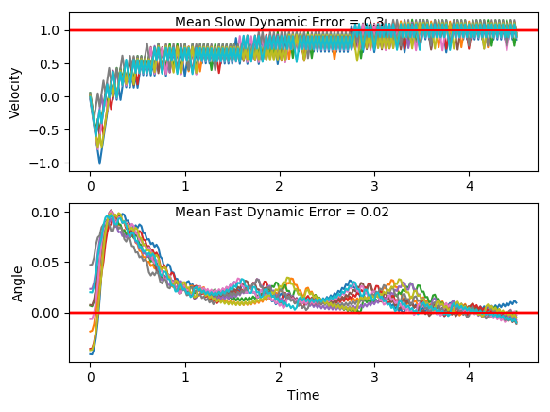 | 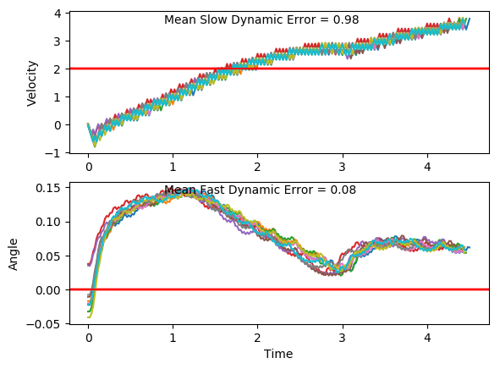 | 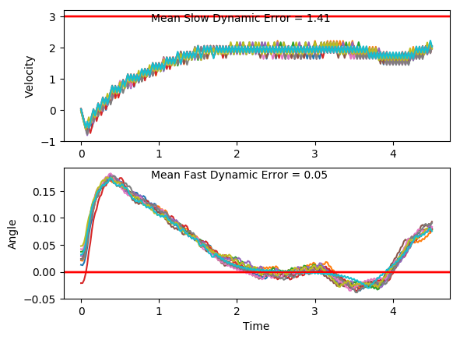
100x2 | 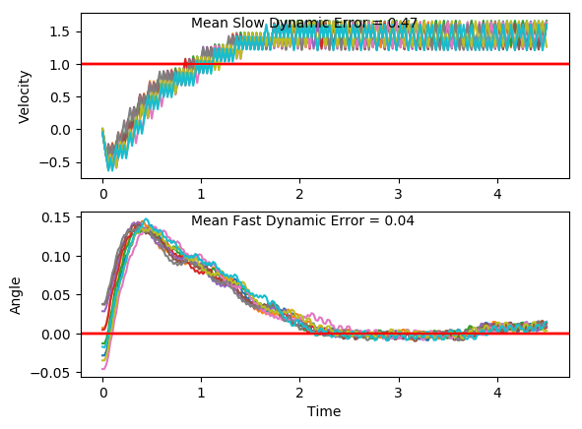 | 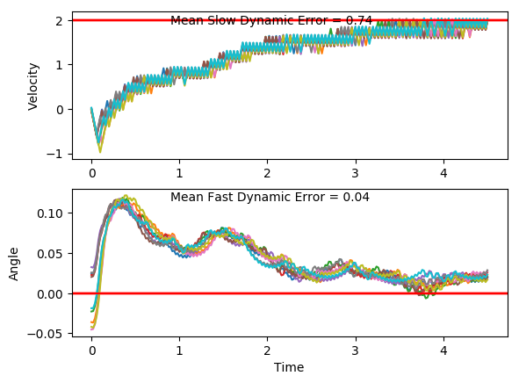 | 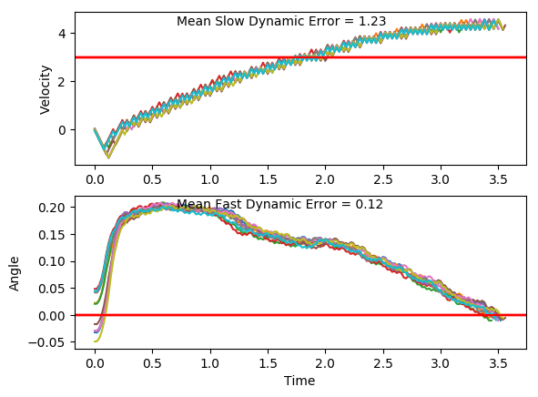 | 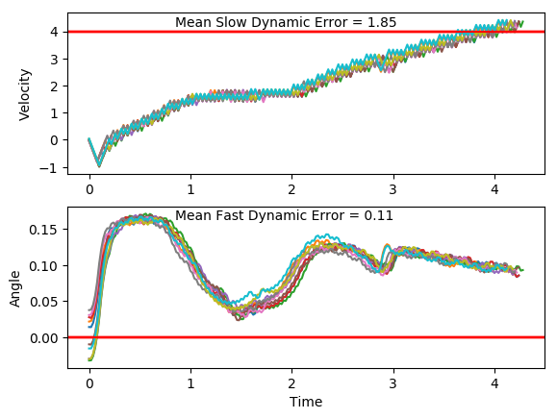
70x2 | 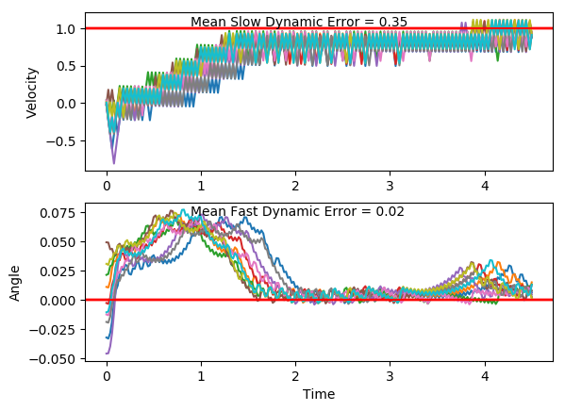 | 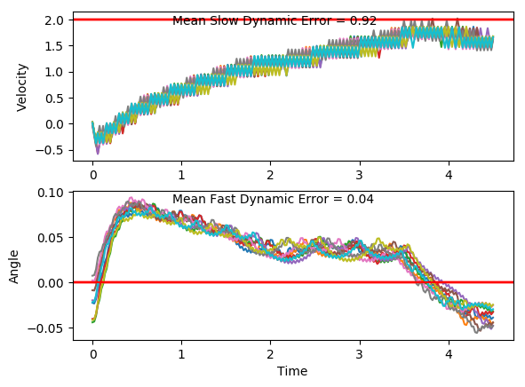 | 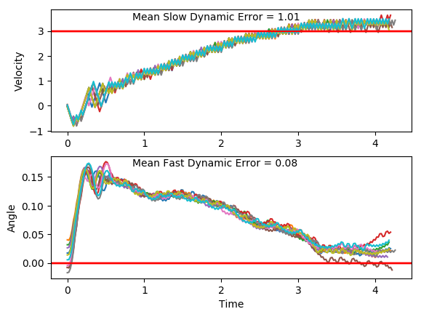 | 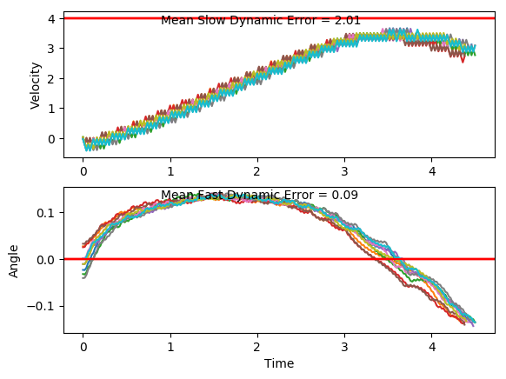
50x2 | 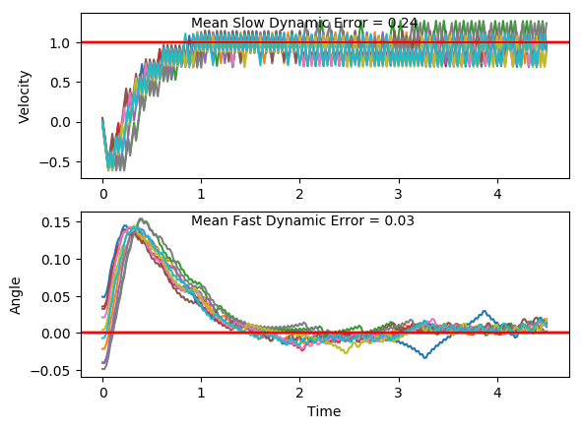 | 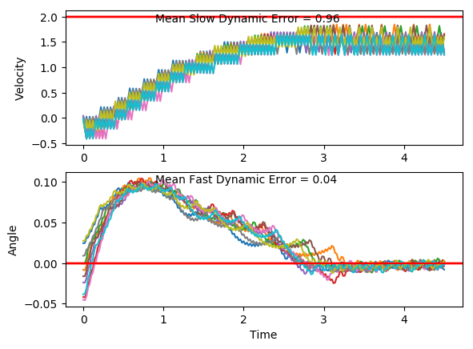 | 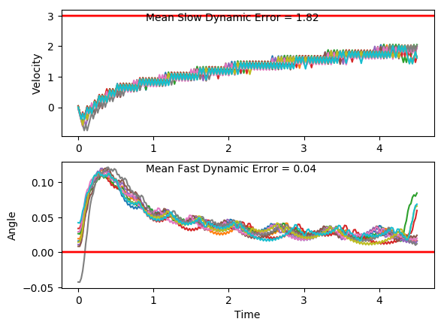 | 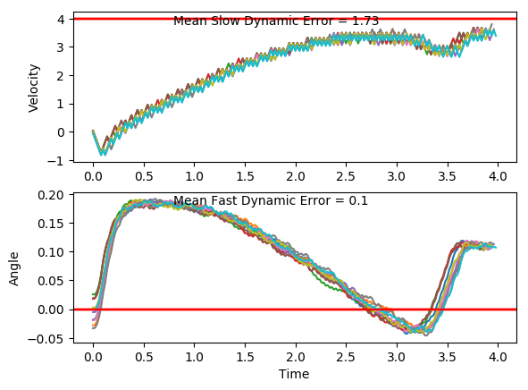
30x2 | 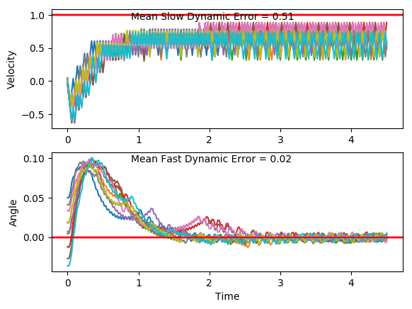 | 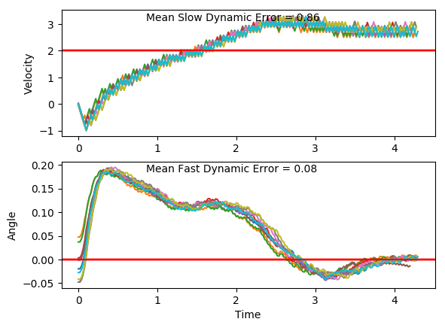 | 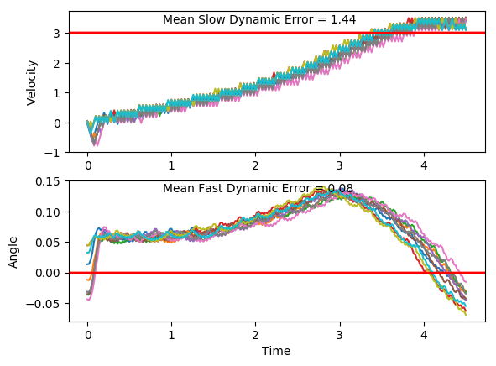 | 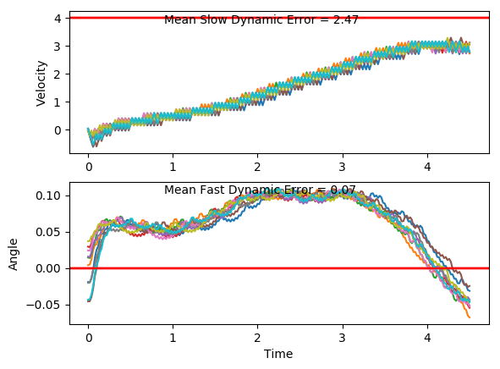
Classic Controller

Depth DQN
Probability of Learning | Link 1 Mass: 1 | Link 1 Mass: 2 | Link 1 Mass: 3 | Average | Rise Time | Link 1 Mass: 1 | Link 1 Mass: 2 | Link 1 Mass: 3 | Average | Median Peak Value | 1 | 2 | 3 | Average
110x3 | 0 | 0 | 0 |  | 110x3 |  |  |  |  | 18x18 | 0.98120386558 | 0.99099757063 | 0.99572607228
90x3 | 0 | 0 | 0 |  | 90x3 |  |  |  |  | 16x16 | 0.97657355803 | 0.98717321555 | 0.99264941033
70x3 | 0 | 0 | 0 |  | 70x3 |  |  |  |  | 14x14 | 0.98043700754 | 0.9904195549 | 0.9974687309
50x3 | 0 | 0 | 0 |  | 50x3 |  |  |  |  | 12x12 | 0.97735532151 | 0.9884415446 | 0.99349957585
30x3 | 0 | 0 | 0 |  | 30x3 |  |  |  |  | 9x9 | 0.99861874295 | 0.98877392125 | 0.99015530073
 | Average
Depth DQN Probability of Success
Rise Time
 | 110x3 | 90x3 | 70x3 | 50x3 | 30x3
[1
2
3]
110x3
90x3
70x3
50x3
30x3

Square DQN
Probability of Learning | Link 1 Mass: 1 | Link 1 Mass: 2 | Link 1 Mass: 3 | Average | Rise Time | Link 1 Mass: 1 | Link 1 Mass: 2 | Link 1 Mass: 3 | Average | Median Peak Value | 1 | 2 | 3 | Average
110x3 | 0 | 0 | 0 |  | 110x3 |  |  |  |  | 18x18 | 0.98120386558 | 0.99099757063 | 0.99572607228
90x3 | 0 | 0 | 0 |  | 90x3 |  |  |  |  | 16x16 | 0.97657355803 | 0.98717321555 | 0.99264941033
70x3 | 0 | 0 | 0 |  | 70x3 |  |  |  |  | 14x14 | 0.98043700754 | 0.9904195549 | 0.9974687309
50x3 | 0 | 0 | 0 |  | 50x3 |  |  |  |  | 12x12 | 0.97735532151 | 0.9884415446 | 0.99349957585
30x3 | 0 | 0 | 0 |  | 30x3 |  |  |  |  | 9x9 | 0.99861874295 | 0.98877392125 | 0.99015530073
 | Average
Square DQN Probability of Success
Rise Time
 | 110x3 | 90x3 | 70x3 | 50x3 | 30x3
[1
2
3]
110x3
90x3
70x3
50x3
30x3

Breadth DQN
Probability of Learning | Link 1 Mass: 1 | Link 1 Mass: 2 | Link 1 Mass: 3 | Average | Rise Time | Link 1 Mass: 1 | Link 1 Mass: 2 | Link 1 Mass: 3 | Average | Median Peak Value | 1 | 2 | 3 | Average
110x3 | 0.9 | 0.5 | 0 | 0.46666666667 | 110x3 | 1.7733 | 1.972 |  | 1.87265 | 110x3 | -0.8418 | 0.087306298556 | 0.98095370368 | 0.075486667411
90x3 | 0.4 | 0.7 | 1 | 0.7 | 90x3 | 5.275 | 2.1742857143 | 1.952 | 3.1337619048 | 90x3 | -0.4697 | -0.82647843285 | -0.88023581675 | -0.72547141653
70x3 | 0 | 0 | 0 | 0 | 70x3 | 2.026 |  |  | 2.026 | 70x3 | 0.97474232441 | 0.99881600212 | 0.99831784437 | 0.9906253903
50x3 | 0 | 0.8 | 1 | 0.6 | 50x3 |  | 2.46 | 2.288 | 2.374 | 50x3 | 0.99858456939 | -0.84514207942 | -0.88974118653 | -0.24543289885
30x3 | 1 | 0.9 | 1 | 0.96666666667 | 30x3 | 2.254 | 1.8244444444 | 1.674 | 1.9174814815 | 30x3 | -0.83493346649 | -0.83595411819 | -0.86214406722 | -0.84434388396

Breadth DQN Probability of Success
Rise Time
 | 110x3 | 90x3 | 70x3 | 50x3 | 30x3
[1 | 1.7733 | 5.275 | 2.026 |  | 2.254
2 | 1.972 | 2.1742857143 |  | 2.46 | 1.8244444444
3] |  | 1.952 |  | 2.288 | 1.674
 |  | 3.1337619048 | 2.026 | 2.374 | 1.9174814815

DQN Training

Training Time | size | Slow Dynamic: 1 | Slow Dynamic 2: | Slow Dynamic 3:
110x3 | 330 | 230 | 400 | 400
90x3 | 270 | 400 | 260 | 400
70x3 | 210 | 400 | 400 | 400
50x3 | 150 | 330 | 400 | 400
30x3 | 90 | 90 | 130 | 90
average

