Sheet1 (2)
 | Slow Dynamic: 1 | Slow Dynamic 2: | Slow Dynamic 3: | Slow Dynamic 4:
150x2 | 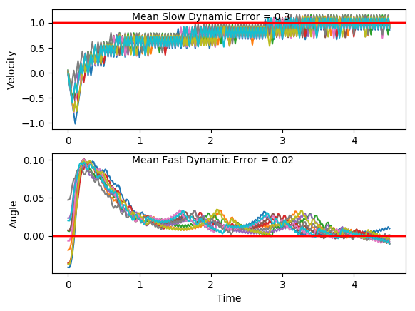 | 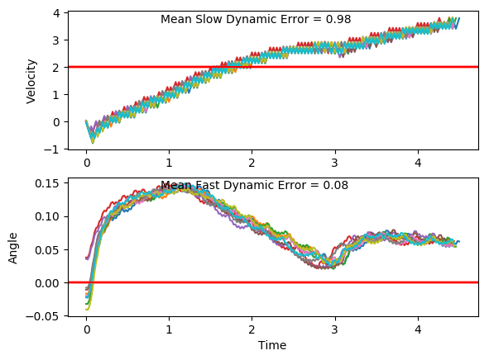 | 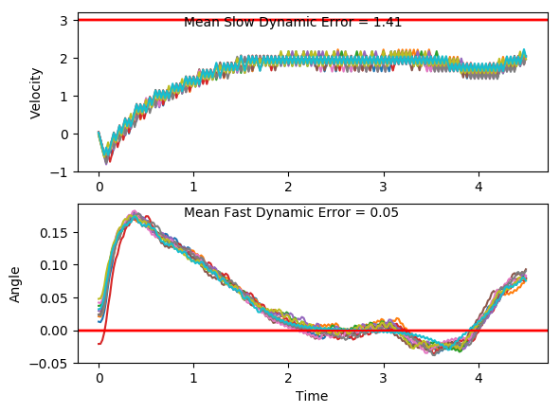
100x2 | 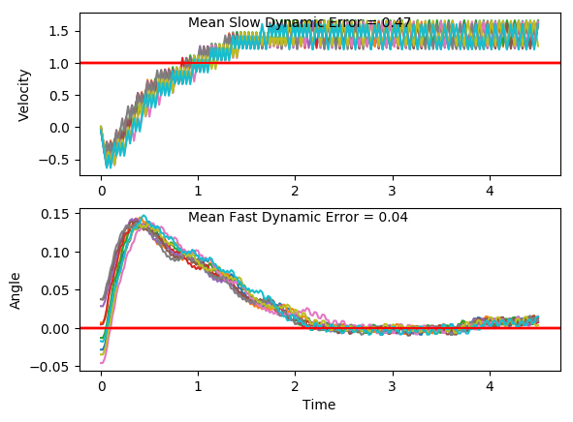 | 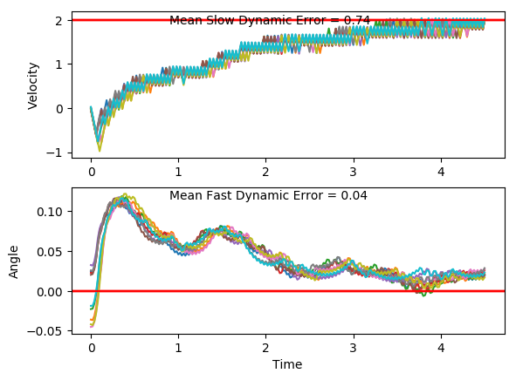 | 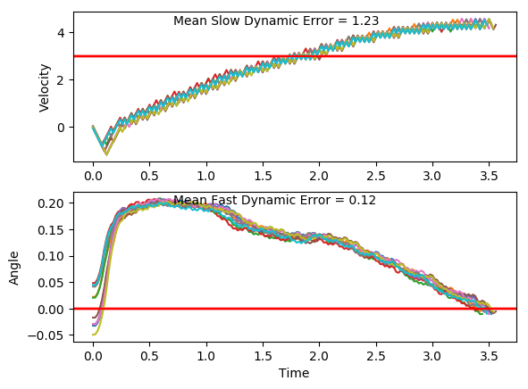 | 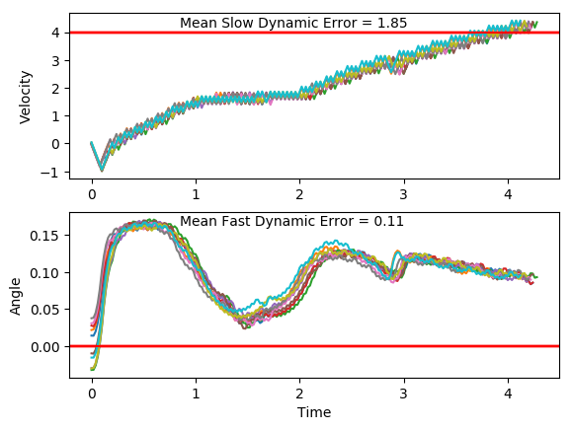
70x2 | 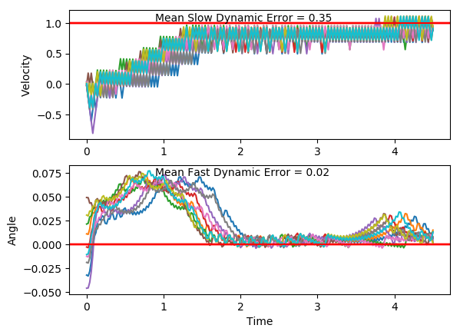 | 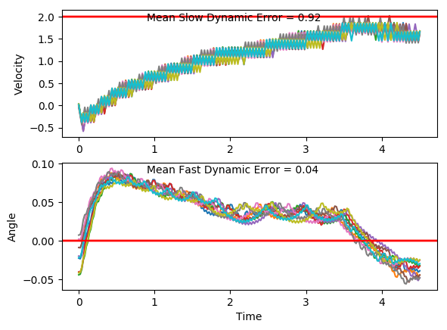 | 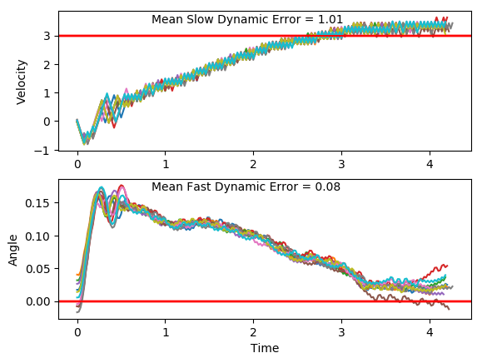 | 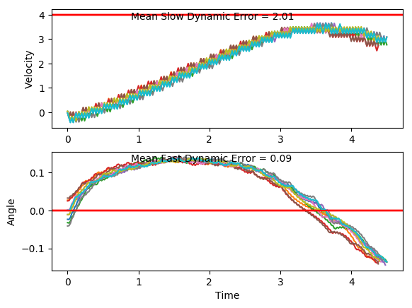
50x2 | 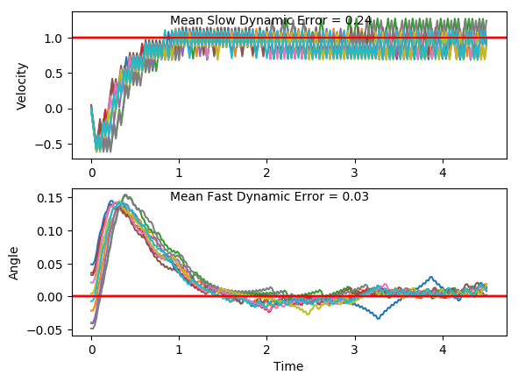 | 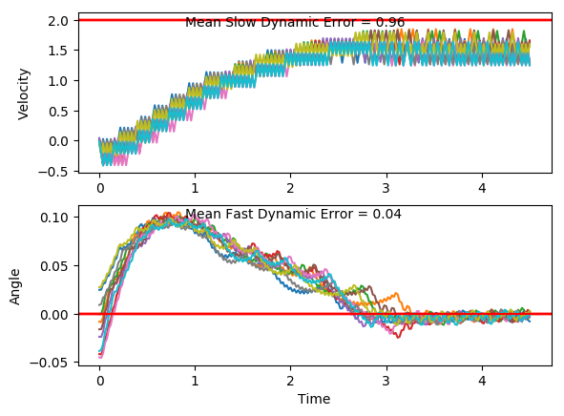 | 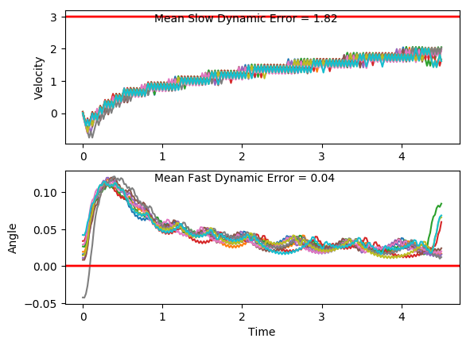 | 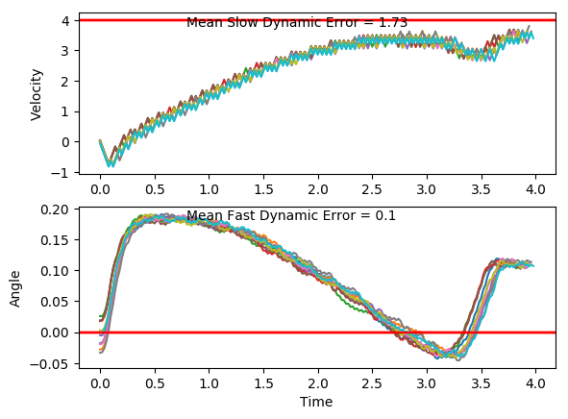
30x2 | 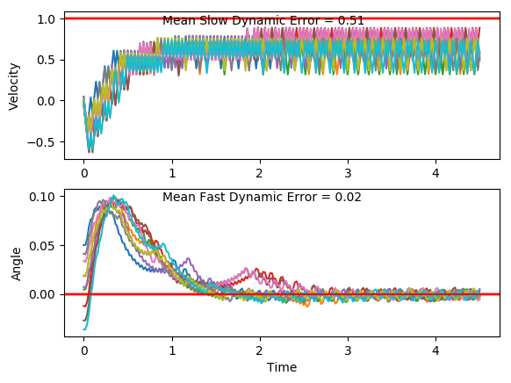 | 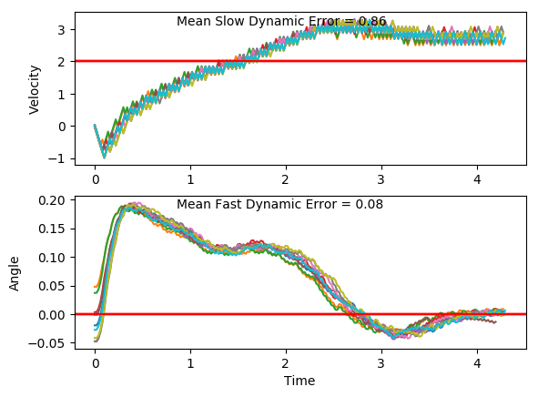 | 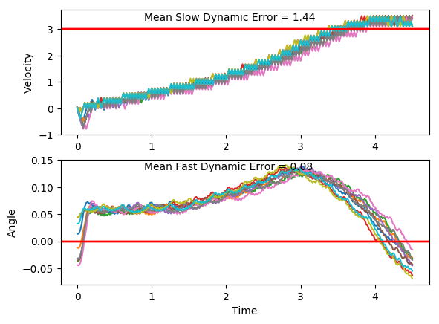 | 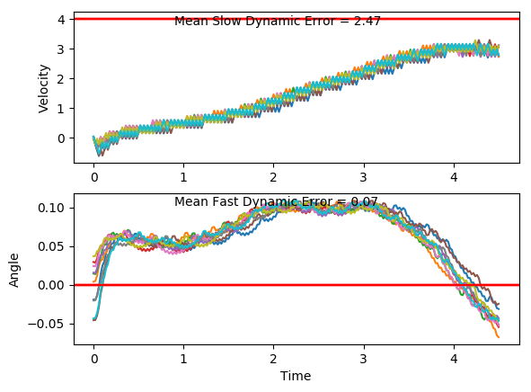
Classic Controller

Breadth DQN
Slow Dynamic Error
Fast Dynamic Error
 | 110x2 | 70x2 | 50x2 | 30x2 | Classic Controller
Fast Error | 0 | 0 | 0 | 0 | 0
Slow Dynamic: 1 | 0.04 | 0.02 | 0.03 | 0.02 | 0.019
Slow Dynamic 2: | 0.04 | 0.06 | 0.04 | 0.08 | 0.027
Slow Dynamic 3: |  | 0.08 | 0.08 | 0.13 | 0.036
Slow Dynamic 4: | 0.11 | 0.08 | 0.1 | 0.07 | 0.049
Steady State Error
 | 110x2 | 70x2 | 50x2 | 30x2 | Classic Controller
Slow Dynamic: 1 | 0.388 | 0.179 | 0.13165 | 0.3897 | 0.3442
Slow Dynamic 2: | 0.21 | 0.1776 | 0.5 | 0.269 | 0.3065599
Slow Dynamic 3: |  | 0.239 | 2.016 | 0.8176 | 0.365
Slow Dynamic 4: | 0.234 |  | 0.517798 | 1.07 | 0.364
Rise Time
 | 110x2 | 70x2 | 50x2 | 30x2 | Classic Controller
Fast Error | 0 | 0 | 0 | 0 | 0
Slow Dynamic: 1 | 0.822 | 1.9 | 0.69 |  | 3.42
Slow Dynamic 2: | 2.884 | 1.15 | 2.9 | 1.62 | 5.4
Slow Dynamic 3: |  | 2.14 |  | 1.784 | 5.94
Slow Dynamic 4: | 3.4 |  | 3.596 |  | 6.56
Error Vs. DQN Size
Slow Error | Slow Dynamic: 1 | Slow Dynamic 2: | Slow Dynamic 3: | Slow Dynamic 4: |  | Fast Error | Slow Dynamic: 1 | Slow Dynamic 2: | Slow Dynamic 3: | Slow Dynamic 4:
110x2 | 0.47 | 0.74 | 1.23 | 1.85 |  | 110x2 | 0.04 | 0.04 |  | 0.11
70x2 | 0.35 | 0.46 | 1.01 | 1.95 |  | 70x2 | 0.02 | 0.06 | 0.08 | 0.08
50x2 | 0.24 | 0.96 | 1.62 | 1.73 |  | 50x2 | 0.03 | 0.04 | 0.08 | 0.1
30x2 | 0.51 | 0.66 | 1.34 | 2.47 |  | 30x2 | 0.02 | 0.08 | 0.13 | 0.07
Classic Controller | 0.042 | 0.991 | 1.724 | 2.56 |  | Classic Controller | 0.019 | 0.027 | 0.036 | 0.049

ssError | Slow Dynamic: 1 | Slow Dynamic 2: | Slow Dynamic 3: | Slow Dynamic 4: |  | Rise Time | Slow Dynamic: 1 | Slow Dynamic 2: | Slow Dynamic 3: | Slow Dynamic 4:
110x2 | 0.388 | 0.21 |  | 0.234 |  | 110x2 | 0.822 | 2.884 |  | 3.4
70x2 | 0.179 | 0.1776 | 0.239 |  |  | 70x2 | 1.9 | 1.15 | 2.14
50x2 | 0.13165 | 0.5 | 2.016 | 0.517798 |  | 50x2 | 0.69 | 2.9 |  | 3.596
30x2 | 0.3897 | 0.269 | 0.8176 | 1.07 |  | 30x2 |  | 1.62 | 1.784
Classic Controller | 0.3442 | 0.3065599 | 0.365 | 0.364 |  | Classic Controller | 3.42 | 5.4 | 5.94 | 6.56

Slow Dynamic Error
 | 110x3 | 90x3 | 70x3 | 50x3 | 30x3 | Classic Controller
Slow Dynamic: 1 | 0.35 | 0.43 | 0.313 | 0.614 | 0.255 | 0.042
Slow Dynamic 2: | 1.25 | 0.67 | 0.54 | 1.04 |  | 0.991
Slow Dynamic 3: | 1.37 | 1.29 |  | 1.28 | 1.98 | 1.724
Slow Dynamic 4: | 1.71 | 1.86 | 2.38 | 2.17 | 2.74 | 2.56
Fast Dynamic Error
 | 110x3 | 90x3 | 70x3 | 50x3 | 30x3 | Classic Controller
Slow Dynamic: 1 | 0.03 | 0.04 | 0.033 | 0.011 | 0.028 | 0.019
Slow Dynamic 2: | 0.03 | 0.06 | 0.05 | 0.15 |  | 0.027
Slow Dynamic 3: | 0.06 | 0.1 |  | 0.11 | 0.09 | 0.036
Slow Dynamic 4: | 0.16 | 0.09 | 0.08 | 0.08 | 0.04 | 0.049
Steady State Error
 | 110x3 | 90x3 | 70x3 | 50x3 | 30x3 | Classic Controller
Slow Dynamic: 1 | 0.1479 | 0.5338 | 0.21728 | 0.59917 | 0.1243 | 0.3442
Slow Dynamic 2: | 1.964 | 1.06 | 0.1207 | 0.1854 | 2.7838 | 0.3065599
Slow Dynamic 3: | 0.922 | 0.17527 |  | 0.1438 | 0.1867 | 0.365
Slow Dynamic 4: | 1.08679 | 2.188 |  | 3.1323 | 3.6422 | 0.364
Rise Time
 | 110x3 | 90x3 | 70x3 | 50x3 | 30x3 | Classic Controller
Fast Error | 0 | 0 | 0 | 0 | 0 | 0
Slow Dynamic: 1 | 1.506 | 0.732 | 0.592 |  | 0.634 | 3.42
Slow Dynamic 2: | 0 | 1.96 | 1.58 | 2.139 |  | 5.4
Slow Dynamic 3: | 0 | 2.044 |  | 2.198 | 2.814 | 5.94
Slow Dynamic 4: | 1.436 |  |  |  |  | 6.56
Slow Dynamic Error Vs. DQN Size
 | Slow Dynamic: 1 | Slow Dynamic 2: | Slow Dynamic 3: | Slow Dynamic 4:
110x3 | 0.35 | 1.25 | 1.37 | 1.71
90x3 | 0.43 | 0.67 | 1.29 | 1.86
70x3 | 0.313 | 0.54 |  | 2.38
50x3 | 0.614 | 1.04 | 1.28 | 2.17
30x3 | 0.255 |  | 1.98 | 2.74
Classic Controller | 0.042 | 0.991 | 1.724 | 2.56
Slow | Slow Dynamic: 1 | Slow Dynamic 2: | Slow Dynamic 3: | Slow Dynamic 4: |  | Fast | Slow Dynamic: 1 | Slow Dynamic 2: | Slow Dynamic 3: | Slow Dynamic 4:
110x3 | 0.35 | 1.25 | 1.37 | 1.71 |  | 110x3 | 0.03 | 0.03 | 0.06 | 0.16
90x3 | 0.43 | 0.67 | 1.29 | 1.86 |  | 90x3 | 0.04 | 0.06 | 0.1 | 0.09
70x3 | 0.313 | 0.54 |  | 2.38 |  | 70x3 | 0.033 | 0.05 |  | 0.08
50x3 | 0.614 | 1.04 | 1.28 | 2.17 |  | 50x3 | 0.011 | 0.15 | 0.11 | 0.08
30x3 | 0.255 |  | 1.98 | 2.74 |  | 30x3 | 0.028 |  | 0.09 | 0.04
Classic Controller | 0.042 | 0.991 | 1.724 | 2.56 |  | Classic Controller | 0.019 | 0.027 | 0.036 | 0.049

ssError | Slow Dynamic: 1 | Slow Dynamic 2: | Slow Dynamic 3: | Slow Dynamic 4: |  | rise time | Slow Dynamic: 1 | Slow Dynamic 2: | Slow Dynamic 3: | Slow Dynamic 4:
110x3 | 0.1479 | 1.964 | 0.922 | 1.08679 |  | 110x3 | 1.506 | NA | NA | 1.436
90x3 | 0.5338 | 1.06 | 0.17527 | 2.188 |  | 90x3 | 0.732 | 1.96 | 2.044
70x3 | 0.21728 | 0.1207 |  |  |  | 70x3 | 0.592 | 1.58
50x3 | 0.59917 | 0.1854 | 0.1438 | 3.1323 |  | 50x3 |  | 2.139 | 2.198
30x3 | 0.1243 | 2.7838 | 0.1867 | 3.6422 |  | 30x3 | 0.634 |  | 2.814
Classic Controller | 0.3442 | 0.3065599 | 0.365 | 0.364 |  | Classic Controller | 3.42 | 5.4 | 5.94 | 6.56

DQN Training

Training Time | Size | Slow Dynamic: 1 | Slow Dynamic 2: | Slow Dynamic 3: | Slow Dynamic 4:
110x3 | 330 | 70 | 102 | 156 | 400
90x3 | 270 | 72 | 92 | 85 | 283
70x3 | 210 | 138 | 108 | 84 | 400
50x3 | 150 | 85 | 240 | 100 | 75
30x3 | 90 | 118 | 108 | 114 | 400
average |  | 96.6 | 130 | 107.8 | 311.6

Square DQN
Slow Dynamic Error
Fast Dynamic Error
Steady State Error
Rise Time
Slow Dynamic Error Vs. DQN Size
Slow Error | Slow Dynamic: 1 | Slow Dynamic 2: | Slow Dynamic: 3 | Slow Dynamic 4: |  | Fast Error | Slow Dynamic: 1 | Slow Dynamic 2: | Slow Dynamic: 3 | Slow Dynamic 4:
18x18 | 5.193 | 5.052 | 10.142 | 1.436 |  | 18x18 | 2.015 | 1.261 | 2.993 | 0.121
16x16 | 10.134 | 8.962 | 10.134 | 8.83 |  | 16x16 | 5.301 | 1.816 | 5.301 | 13.151
14x14 | 0.671 | 10.931 | 10.134 | 9.422 |  | 14x14 | 0.012 | 3.024 | 5.301 | 5.092
12x12 | 11.882 | 10.987 | 7.258 | 9.432 |  | 12x12 | 2.908 | 3.996 | 2.081 | 2.852
9x9 | 0.25 | 6.203 | 3.31 | 9.394 |  | 9x9 | 0.024 | 2.101 | 0.012 | 2.948
Classic Controller | 0.042 | 0.991 | 1.724 | 2.56 |  | Classic Controller | 0.019 | 0.027 | 0.036 | 0.049

ssError | Slow Dynamic: 1 | Slow Dynamic 2: | Slow Dynamic: 3 | Slow Dynamic 4: |  | Rise Time | Slow Dynamic: 1 | Slow Dynamic 2: | Slow Dynamic: 3 | Slow Dynamic 4:
18x18 | 9.372 | NA | 11 | 0.881 |  | 18x18 | NA | NA | 0.282 | 1.476
16x16 | 12.17 | 10.3755 | 11.017 | 10.937 |  | 16x16 | 0.1 | 0.564 | 0.284 | 1.106
14x14 | 0.6355 | 11.61 | NA | 8.13 |  | 14x14 | na | 0.198 | NA | 0.388
12x12 | 12.169 | 11.637 | 11.368 | 10.47 |  | 12x12 | 0.1 | 0.2 | NA | 0.39
9x9 | 0.1164 | 10.365 | 3.318 | 10.4937 |  | 9x9 | 1.146 | NA | NA | 0.396
Classic Controller | 0.3442 | 0.3065599 | 0.365 | 0.364 |  | Classic Controller | 3.42 | 5.4 | 5.94 | 6.56

 |  |  |  |  | plot average reward for teach run… show that those aren't solved.

Depth DQN
Slow Dynamic Error
Fast Error
Steady State Error
Rise Time
Slow Dynamic Error Vs. DQN Size
Slow Error | Slow Dynamic: 1 | Slow Dynamic 2: | Slow Dynamic 3: | Slow Dynamic 4: | Fast Error | Slow Dynamic: 1 | Slow Dynamic 2: | Slow Dynamic 3: | Slow Dynamic 4:
3X110 | 11.846 | 10.951 | 10.186 | 9.37 | 3X110 | 5.607 | 10.951 | 5.8 | 5.606
3x90 | 11.883 | 10.931 | 10.105 | 8.22 | 3x90 | 5.882 | 3.352 | 5.534 | 2.071
3x70 | 11.896 | 10.924 | 10.187 | 9.248 | 3x70 | 5.865 | 2.982 | 3.454 | 2.863
3x50 | 10.14 | 10.986 | 10.14 | 9.414 | 3x50 | 5.172 | 2.885 | 5.712 | 5.875
3x30 | 11.865 | 11.009 | 10.13 | 9.421 | 3x30 | 5.847 | 5.762 | 5.595 | 5.444
Classic Controller | 0.042 | 0.991 | 1.724 | 2.56 | Classic Controller | 0.019 | 0.027 | 0.036 | 0.049

ssError | Slow Dynamic: 1 | Slow Dynamic 2: | Slow Dynamic 3: | Slow Dynamic 4: | Rise Time | Slow Dynamic: 1 | Slow Dynamic 2: | Slow Dynamic 3: | Slow Dynamic 4:
3X110 | 12.186 | 11.62025 | 11.004147 | 10.484 | 3X110 | 0.1 | 0.196 | 0.284 | 0.388
3x90 | 12.177 | 11.62 | 11.0074 | 12.378 | 3x90 | 0.1 | 0.196 | 0.282 | NA
3x70 | 12.178 | 11.60948 | 11.02282 | 10.4691 | 3x70 | 0.1 | 0.2 | 0.284 | 0.386
3x50 | 12.195 | 11.619 | 11 | 10.47 | 3x50 | 0.1 | 0.2 | 0.284 | 0.386
3x30 | 12.18 | 11.6299 | 11.00958 | 10.482 | 3x30 | 0.1 | 0.2 | 0.284 | 0.386
Classic Controller | 0.3442 | 0.3065599 | 0.365 | 0.364 | Classic Controller | 3.42 | 5.4 | 5.94 | 6.56

