Recommendation
SOFI Technologies Valuation Summary

Metric |  | Value
Recommendation |  | Buy
Implied Share Price |  | $18.67
Current Share Price |  | $16.30
Upside Potential |  | 14.51%
WACC |  | 9%
Terminal Growth Rate |  | 2.50%

INVESTMENT THESIS

• Strong projected revenue growth driven by continued expansion in lending, deposits, and consumer financial products.
• Rapid customer deposit growth improves funding and helps long-term loan growth
• Improving margins and profitability may support further upside in the company's valuation

KEY FORECAST DRIVERS

Key Driver | 2026E | 2027E | 2028E | 2029E
Revenue Growth | 20% | 18% | 16% | 14%
Adjusted EBITDA Margin | 31% | 32% | 33% | 34%
Loan Growth | 25% | 22% | 18% | 15%
Deposit Growth | 30% | 25% | 20% | 18%

VALUATION COMMENTARY

Using a discounted cash flow valuation with a 9.0% WACC and 2.5% terminal growth rate,
the model estimates an implied share price of $18.67, representing approximately 14.5%
upside from the current market price of $16.30.

This valuation is supported by by projected growth in revenue, deposits, and profitability
over the forecast period.

RISKS SECTION

Key Risks
• Increased credit losses may reduce future earnings and margins.
• Slower loan or deposit growth could reduce projected revenue expansion.
• Macroeconomic weakness or interest rate fluctuations may negatvely affect consumer lending activity.
• Regulatory changes may impact future growth and profitability.

SENSITIVITY TABLE

Sensitivity of implied share price to WACC and terminal growth assumptions
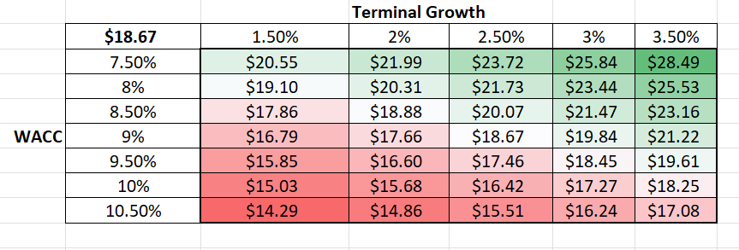

RECOMMENDATION

Based on projected revenue growth, expanding profitability, and DCF analysis,
SOFI appears moderately undervalued compared to its current market price. The
model supports a Moderate Buy reccomendation, while recognizing risks related to
credit performance and macroeconomic conditions.

