Unit Assembly
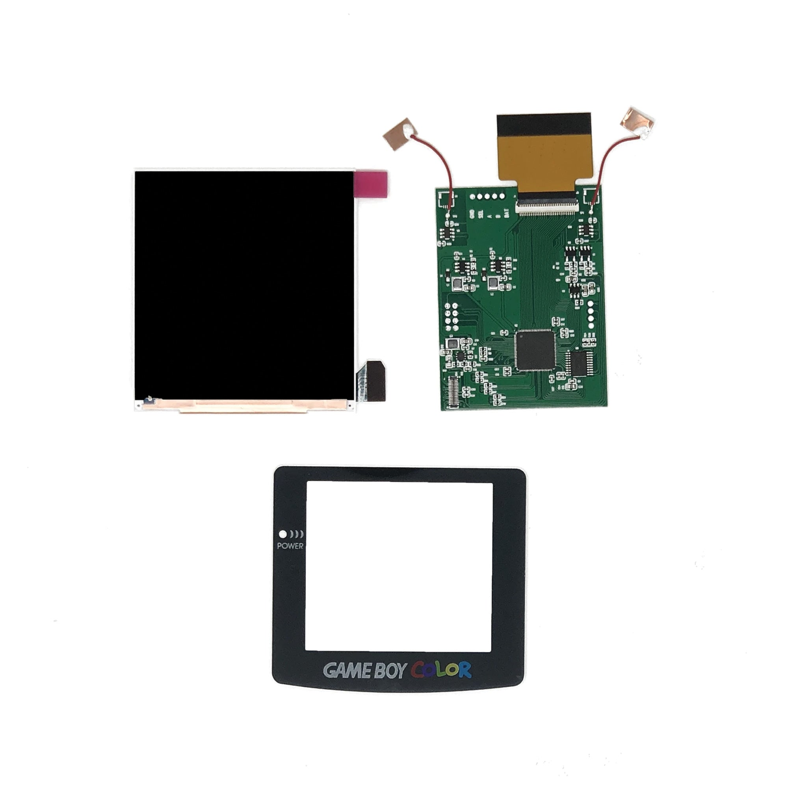
Component | Comment | Example (use code CODYWICK13 or JACKV at checkout for 10% off at RGRS!)
Main PCB | Obviously, you'll need the PCB I sent you, fully assembled. The second sheet will have a full list of electronic components you need to populate it.
Shell | Get the Funnyplaying "IPS Ready" ones if you don't want to trim the shell | https://retrogamerepairshop.com/collections/gbp-lenses/products/funnyplaying-game-boy-pocket-q5-ips-ready-shell-housing-no-cut
Buttons | Funnyplaying models are generally OEM-like (IMO), but you can also use OEM ones | https://retrogamerepairshop.com/collections/gbp-buttons-1
Membranes | Don’t forget the membranes! You will need them even if you install tactile switches | https://retrogamerepairshop.com/collections/gbp-buttons-1/products/game-boy-pocket-high-quality-conductive-pads
Lens | Make sure you get an "IPS Lens" as the viewing area is larger than the OEM one | https://retrogamerepairshop.com/collections/gbp-lenses-1
Screen | You *NEED* this type of screen - the Q5 IPS with OSD. It goes by many names, the maker is Hispeedido (you cannot use the lens or any shell included in this kit). Image below the links: | https://retrogamerepairshop.com/collections/gbc-displays/products/game-boy-color-q5-ips-backlight-with-osd?variant=37646279213228 https://www.aliexpress.us/item/3256804561453158.html https://handheldlegend.com/products/game-boy-color-ips-lcd-q5-hispeedido

