AD8314 Input Match
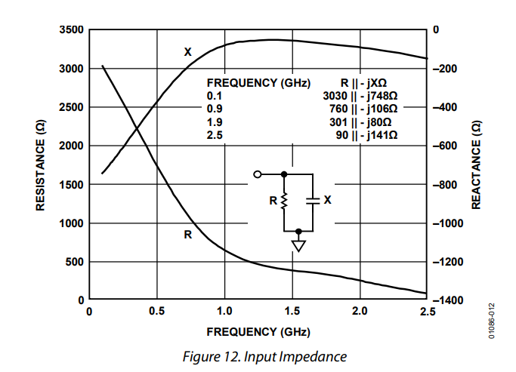
Parameter | Value | Units | Note
Bandpass Filter
R_s | 52.3 | Ohms | Source impedance, from AD8314 datasheet (in parallel with AD8314 input, should yield 50 Ohms).
R_bp,L | 760 | Ohms | Resistance of AD8314 input at resonant frequency.
X_bp,L | -106 | j*Ohms | Reactance of AD8314 input at resonant frequency.
Z_bp_L | 767.35650124 | Ohms | Magnitude of bandpass filter load impedance (same as input impedance of AS8314 at bandpass filter resonant frequency).
f_r,bp,center | 1090 | MHz
w_r,bp,center | 6848.6719848 | Mrad/s
Low Frequency
f_r,bp,lf | 1075 | MHz
w_r,bp,lf | 6754.4242052 | Mrad/s
L_bp,lf | 6.8 | nH | Bandpass filter inductor value.
C_bp,lf | 3.2234016366 | pF
C_bp,lf,bot | 20 | pF | Bottom capacitor value for tapped input of low frequency side of coupled resonator bandpass filter.
C_bp,lf_top | 3.8427356568 | pF | Top capacitor value for tapped input of low frequency side of coupled resonator bandpass filter.
Coupling
R_bp,sp | 2013.41285 | Ohms | R_s' of coupled resonator equivalent circuit. Must be > Z_bp_L, preferably by a good amount.
X_bp,lf | -45.298019211 | j*Ohms | Reactance of bandpass filter low frequency resoinator's equivalent capacitor.
X_bp,lf,tot | -31.735974214 | j*Ohms
R_bp,lf,tot | 551.73674053 | Ohms
Q | 17.385215176 |  | Loaded Q of a single resonator in the bandpass filter. R is dominated by R_L. Q = X / R for reactance in prallel with resistance.
C_bp,coupling | 0.1854105114 | pF | Value of coupling capacitor connecting low frequency and high frequency resonators in bandpass filter.
L_bp,hf | 10 | nH

