Hysteresis Comparator
Symbol | Value | Units | Note
Non-Inverting Comparator with Hysteresis
V_TLH | 3 | V | Trigger voltage from low to high. | From MCP6543 Datasheet
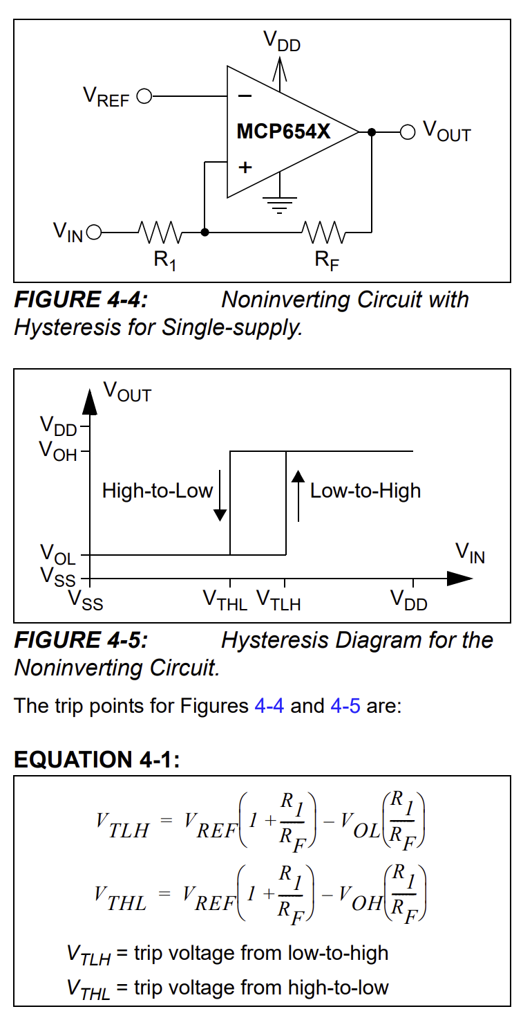
V_THL | 2 | V | Trigger voltage from high to low.
R_1 | 10 | kOhms | Input resistance.
V_OH | 5 | V | Output voltage in high state.
R_F | 50 | kOhms
V_REF | 2.50 | V
V_TLH_CHECK | 3 | V
V_THL_CHECK | 2 | V

Inverting Comparator with Hysteresis
V_TLH | 2 | V
T_THL | 3 | V
R_1 | 10 | kOhms
V_OH | 5 | V
R_F | 40 | kOhms
V_REF | 2.5 | V
V_TLH_CHECK | 2
V_THL_CHECK | 3

