Bigass LED Calculations
Parameter | Value | Unit | Note
5050 LED Module
V_f,LED | 2 | V | Typical forward voltage of LED module.
I_f,LED,channel | 40 | mA | Typical forward current of single channel on LED module with V_f = V_f,LED.
I_f,LED | 120 | mA

Current Limiting Resistor
I_CLR | 120 | mA
V_CLR | 0.5 | V
R_CLR | 4.2 | Ohms
P_CLR,max | 0.1 | W
P_CLR | 0.06 | W | Cross-check power dissipated to make sure It’s within the limit.

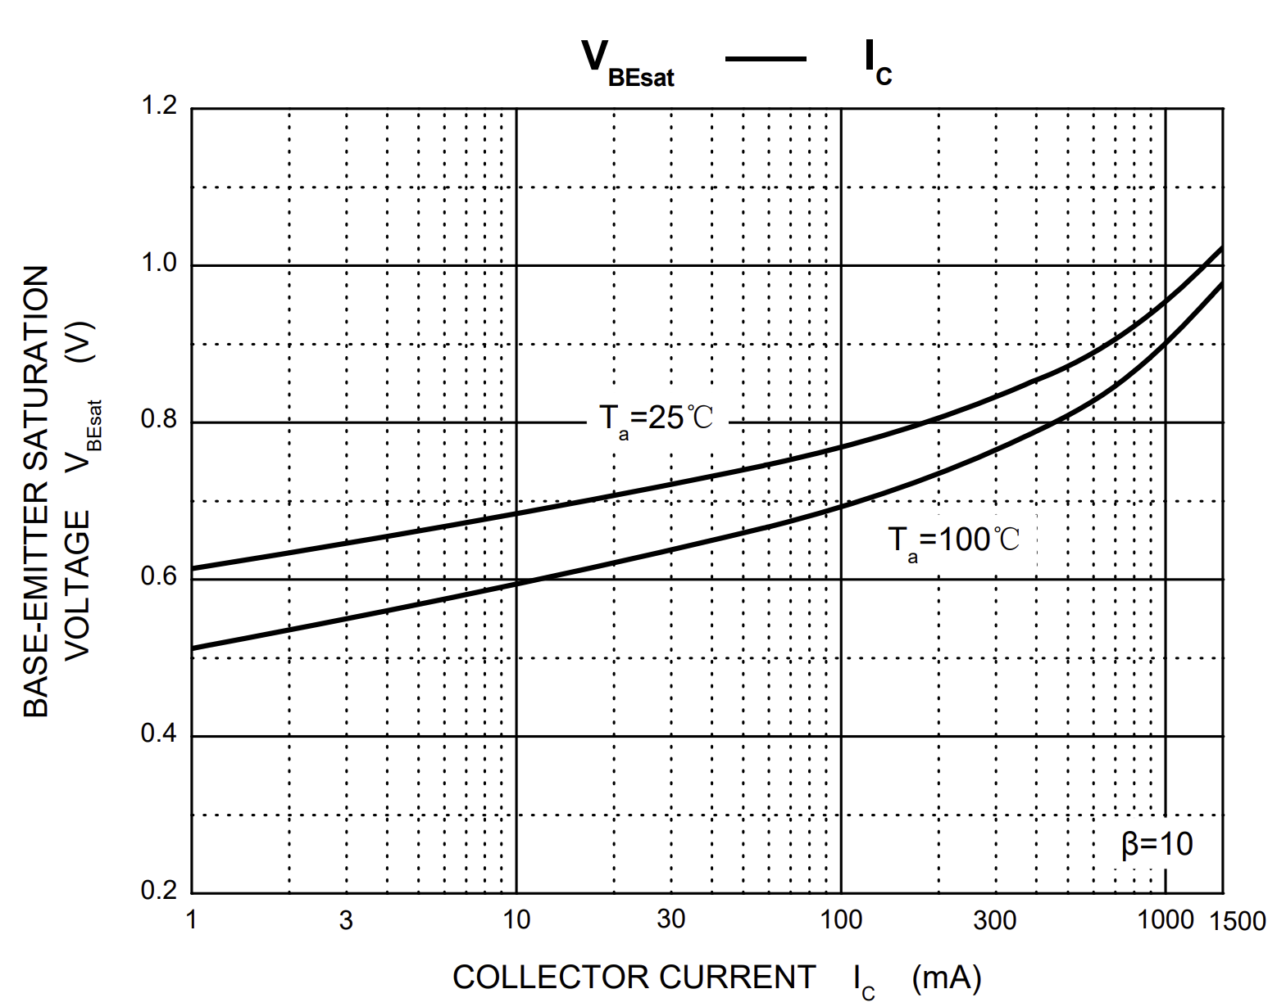
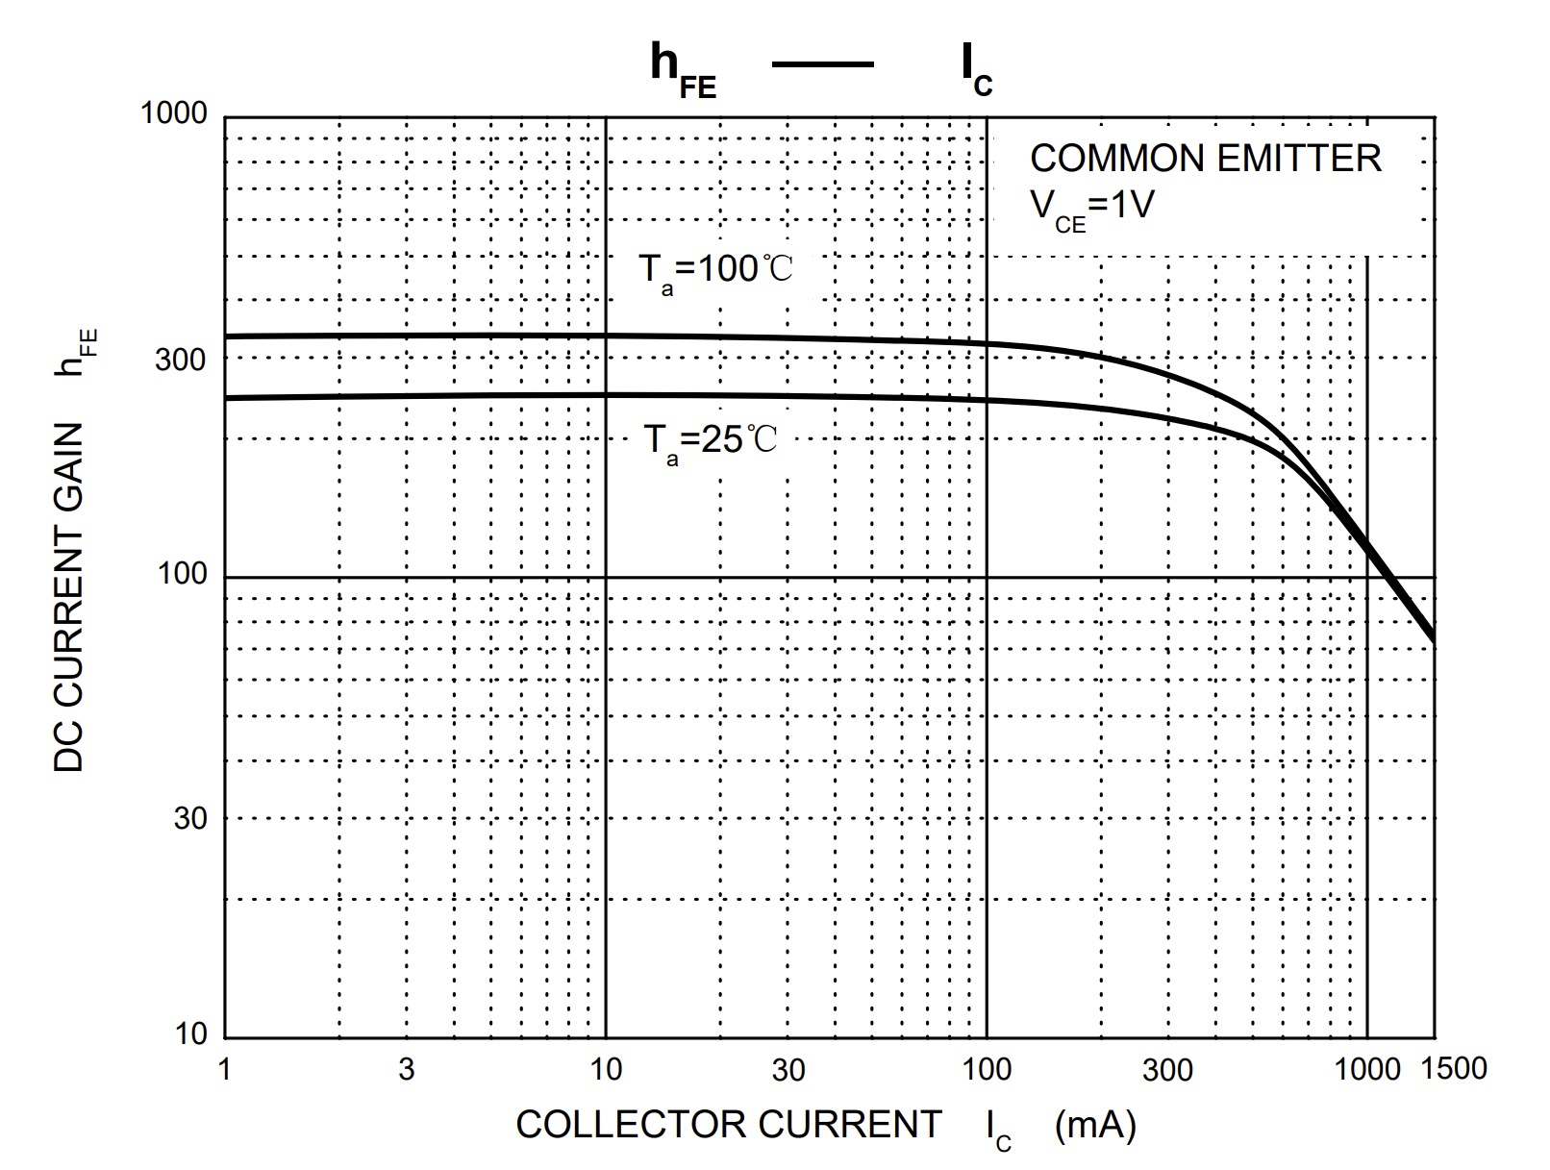
NPN Transistor |  |  | https://datasheet.lcsc.com/lcsc/2303221100_Jiangsu-Changjing-Electronics-Technology-Co---Ltd--SS8050_C2150.pdf
I_c | 360 | mA | Collector current from all LED strings.
V_be,sat | 0.8 | V | Base-emitter voltage at I_c. Taken conservatively from datasheet for higher junction temperature.
h_fe | 200 |  | DC Current Gain at I_c.
I_b | 1.8 | mA
V_drive | 3.3 | V | Drive voltage used for speccing base resistor.
R_b | 1.39 | kOhms

Radar Calibration
Parameter | Value | Value | Value | Value | Unit | Note
f | 10.525 | 10.525 | 10.525 | 10.525 | GHz
lambda | 28.503562945 | 28.503562945 | 28.503562945 | 28.503562945 | mm | Wavelength.
V | 1 | 5 | 35 | 95 | mph |  | https://wx.erau.edu/faculty/mullerb/Wx365/Doppler_formulas/doppler_formulas.pdf
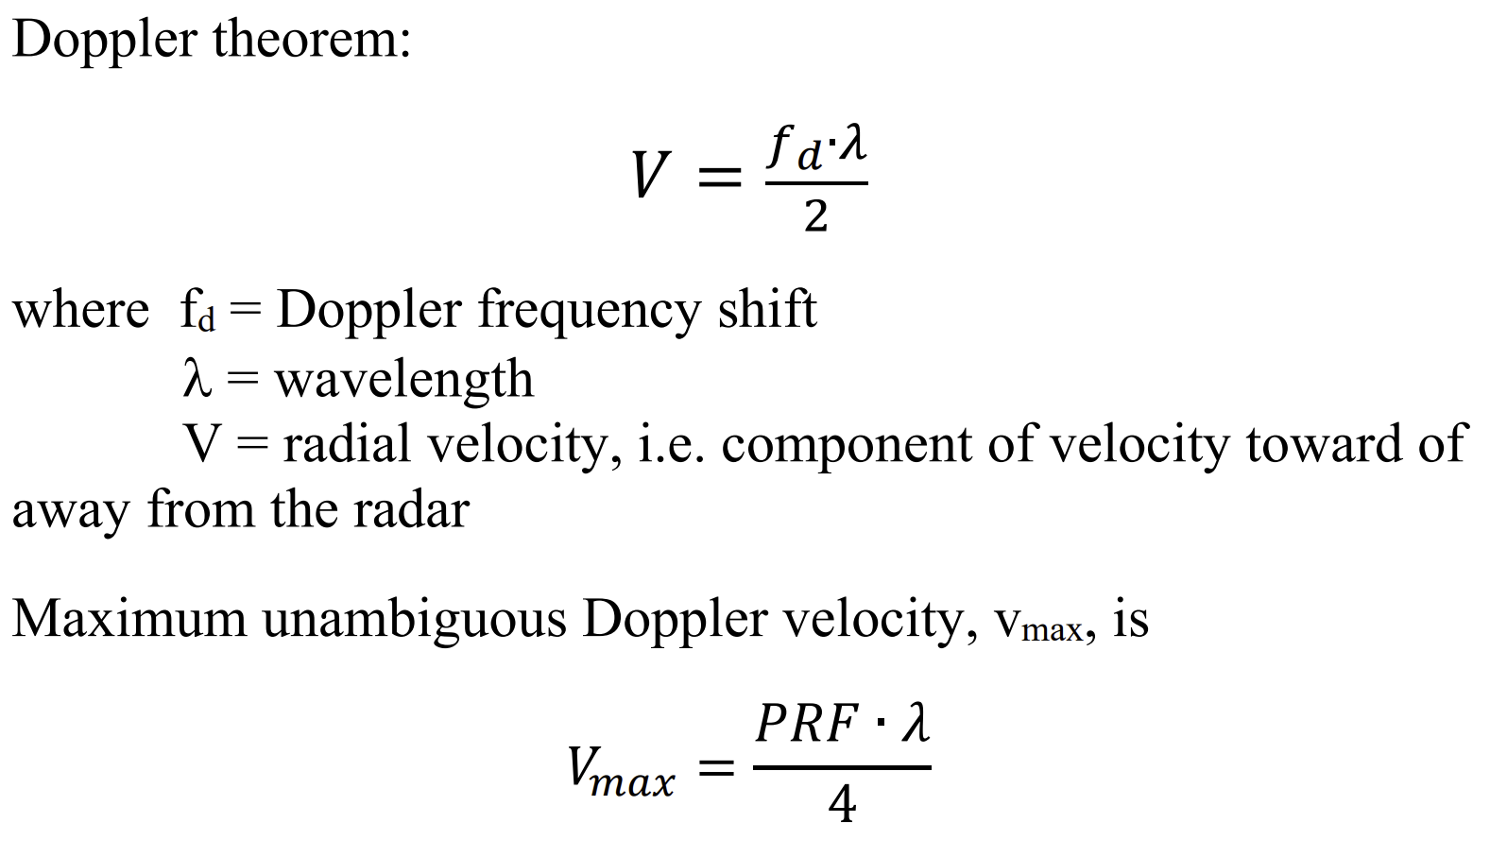
V | 0.44704 | 2.2352 | 15.6464 | 42.4688 | m/s
f_d | 31.367306667 | 156.83653333 | 1097.8557333 | 2979.8941333 | Hz | Doppler shift frequency.

