Impedance Control
F.Cu |  | Layers
PINK | 50R CPWG referenced to In1.Cu. | F.Cu | Signal + GND
 |  | In1.Cu | GND
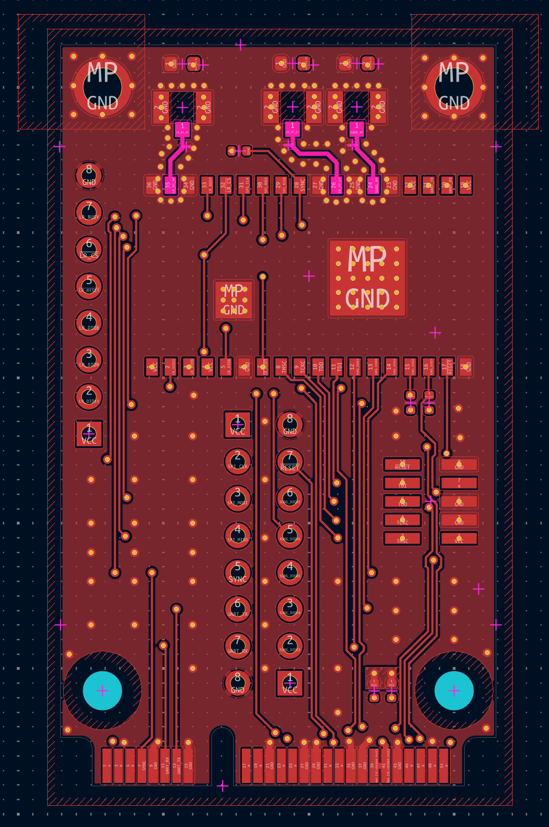
 |  | In2.Cu | Power
 |  | B.Cu | Signal + GND

