Sheet2
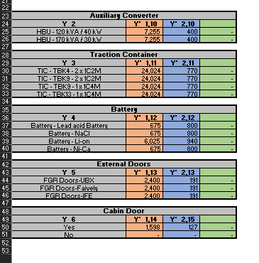
Auxiliary_converter | Auxiliary_converter_upstream | Auxiliary_converter_mass | Traction_container | Traction_container_upstream | Traction_container_mass | Battery | Battery_upstream | Battery_mass | External_doors | External_doors_upstream | External_doors_mass | Cabin_door | Cabin_door_upstream | Cabin_door_mass
SIAPS_120kVA_40kW | 7,255 | 400 | 1x1C4M_C2G_TBK9 | 24,024 | 770 | 70Ah_NBG1MCN | 675 | 800 | UBX_Siemens | 2,400 | 191 | Yes | 1,598 | 127
SIAPS_170kVA_30kW | 7,255 | 400 | 1x1C4M_S3T_TBK13 | 24,024 | 770 | 100Ah_MalaysiaKVMRT | 675 | 800 | Faiveley | 2,400 | 191 | No | 0 | 0
UBX_TD | 7,255 | 400 | 2x1C2M_C2GDuo_TBK9 | 24,024 | 770 | 155Ah_BangkokBL | 675 | 800 | IFE | 2,400 | 191
 |  |  | 2x1C2M_S3TDuo_TBK4 | 24,024 | 770 | 253Ah_LiAux | 6,025 | 940
 |  |  | UBX_TIC_Siemens | 24,024 | 770 | UBX_170Ah | 675 | 800

