Multinomial
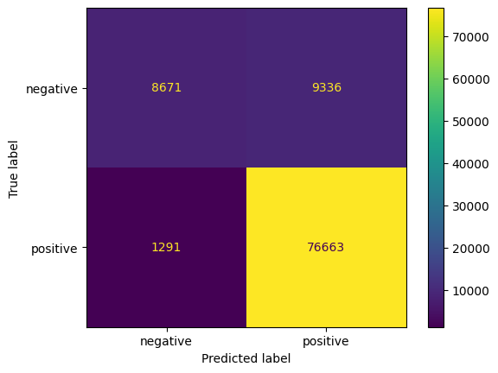
Undersampling, vijf | Undersampling, twee
Accuracy 0.794923076923077 RMSE 0.82869220415711 MEA 0.3218846153846154 Recall 0.4434096300946176 F1 0.4158368050394558 | Accuracy 0.8912692307692308 Recall 0.8645944174570128 F1 0.7624311323157266
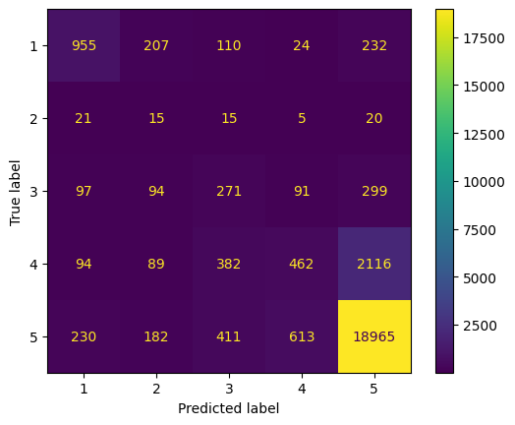
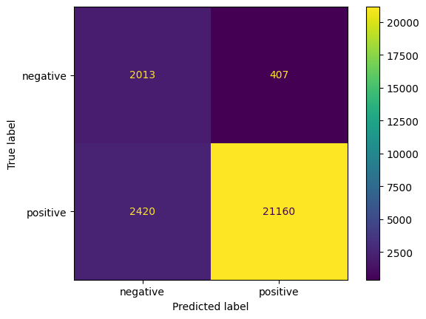

Alles, vijf | Alles, twee
Accuracy 0.7312059887077333 RMSE 1.0976377951322547 MEA 0.4891835310537334 Recall 0.331854005380709 F1 0.33910032581909244 | Accuracy 0.8892570940277821 Recall 0.7324869549017676 F1 0.7776131317641458

Logistic
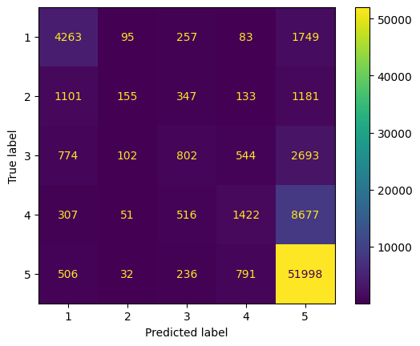
Undersampling, vijf | Undersampling, twee
Accuracy 0.7875384615384615 RMSE 0.8436185795087183 MEA 0.33392307692307693 Recall 0.44314211857015745 F1 0.4146595695183793 | Accuracy 0.8888461538461538 Recall 0.8615103904528021 F1 0.7628318989871199

Alles, vijf | Alles, twee
Accuracy 0.7197063369397217 RMSE 1.1676868040616217 MEA 0.5322714522869082 Recall 0.3080459347411958 F1 0.3115073072759943 | Accuracy 0.8983846153846153 Recall 0.8738999668078238 F1 0.7787167037770081

Alles, vijf, maar met duizend features
Accuracy 0.7440208082217852 RMSE 1.0027937881687337 MEA 0.43506946647211825 Recall 0.39558428203709417 F1 0.40543828284623534

