Blad1
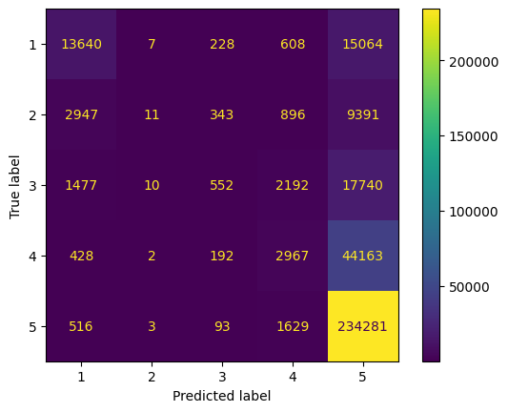
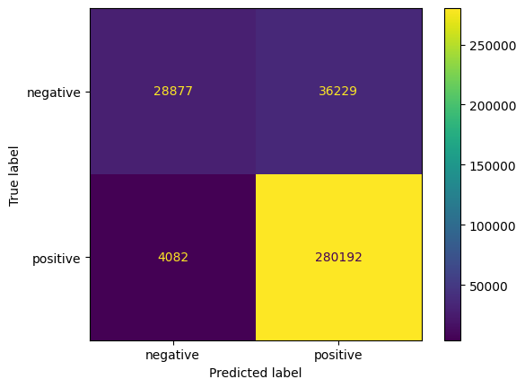
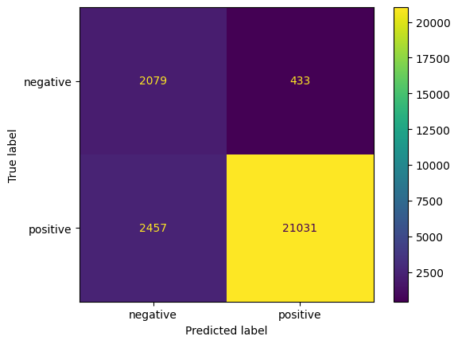
Undersampling, vijf | Undersampling, twee
Accuracy 0.7875384615384615 RMSE 0.8436185795087183 MEA 0.33392307692307693 Recall 0.44314211857015745 F1 0.4146595695183793 | Accuracy 0.8888461538461538 Recall 0.8615103904528021 F1 0.7628318989871199
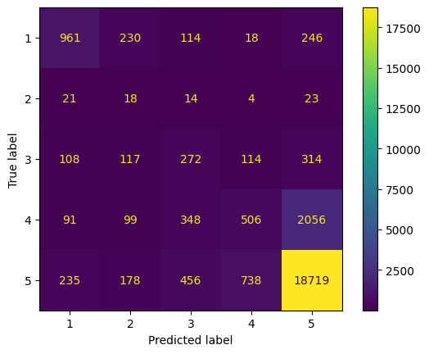

Alles, vijf | Alles, twee
Accuracy 0.7197063369397217 RMSE 1.1676868040616217 MEA 0.5322714522869082 Recall 0.3080459347411958 F1 0.3115073072759943 | Accuracy 0.8846213292117465 Recall 0.7145894221501582 F1 0.7609143212202321

