Multinomial
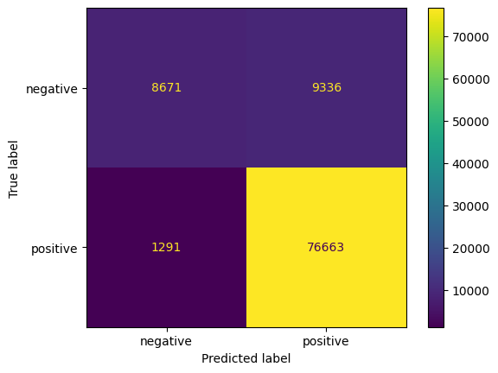
Undersampling, vijf | Undersampling, twee
Accuracy 0.794923076923077 RMSE 0.82869220415711 MEA 0.3218846153846154 Recall 0.4434096300946176 F1 0.4158368050394558 | Accuracy 0.8912692307692308 Recall 0.8645944174570128 F1 0.7624311323157266
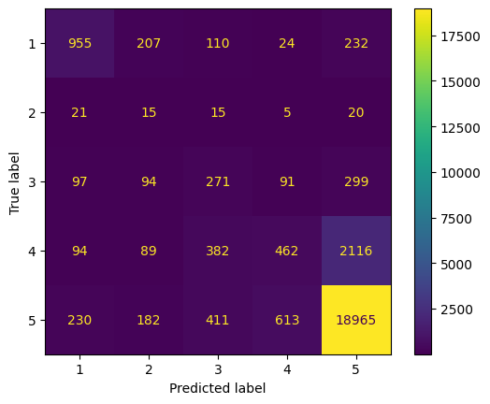
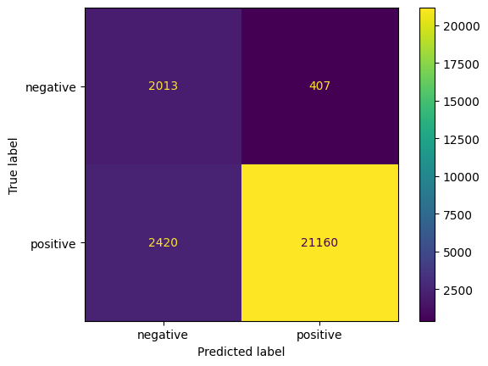

Alles, vijf | Alles, twee
Accuracy 0.7312059887077333 RMSE 1.0976377951322547 MEA 0.4891835310537334 Recall 0.331854005380709 F1 0.33910032581909244 | Accuracy 0.8892570940277821 Recall 0.7324869549017676 F1 0.7776131317641458

