Blad1
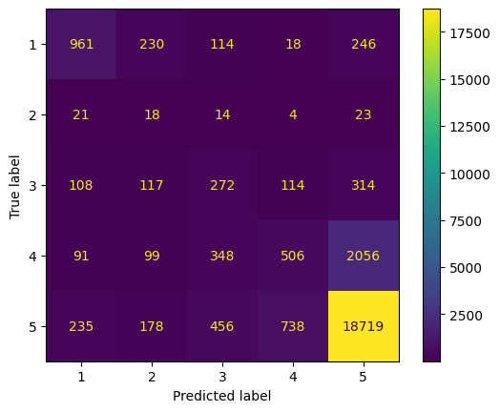

Undersampling, vijf
Accuracy 0.7875384615384615 RMSE 0.8436185795087183 MEA 0.33392307692307693 Recall 0.44314211857015745 F1 0.4146595695183793

