Database Schema
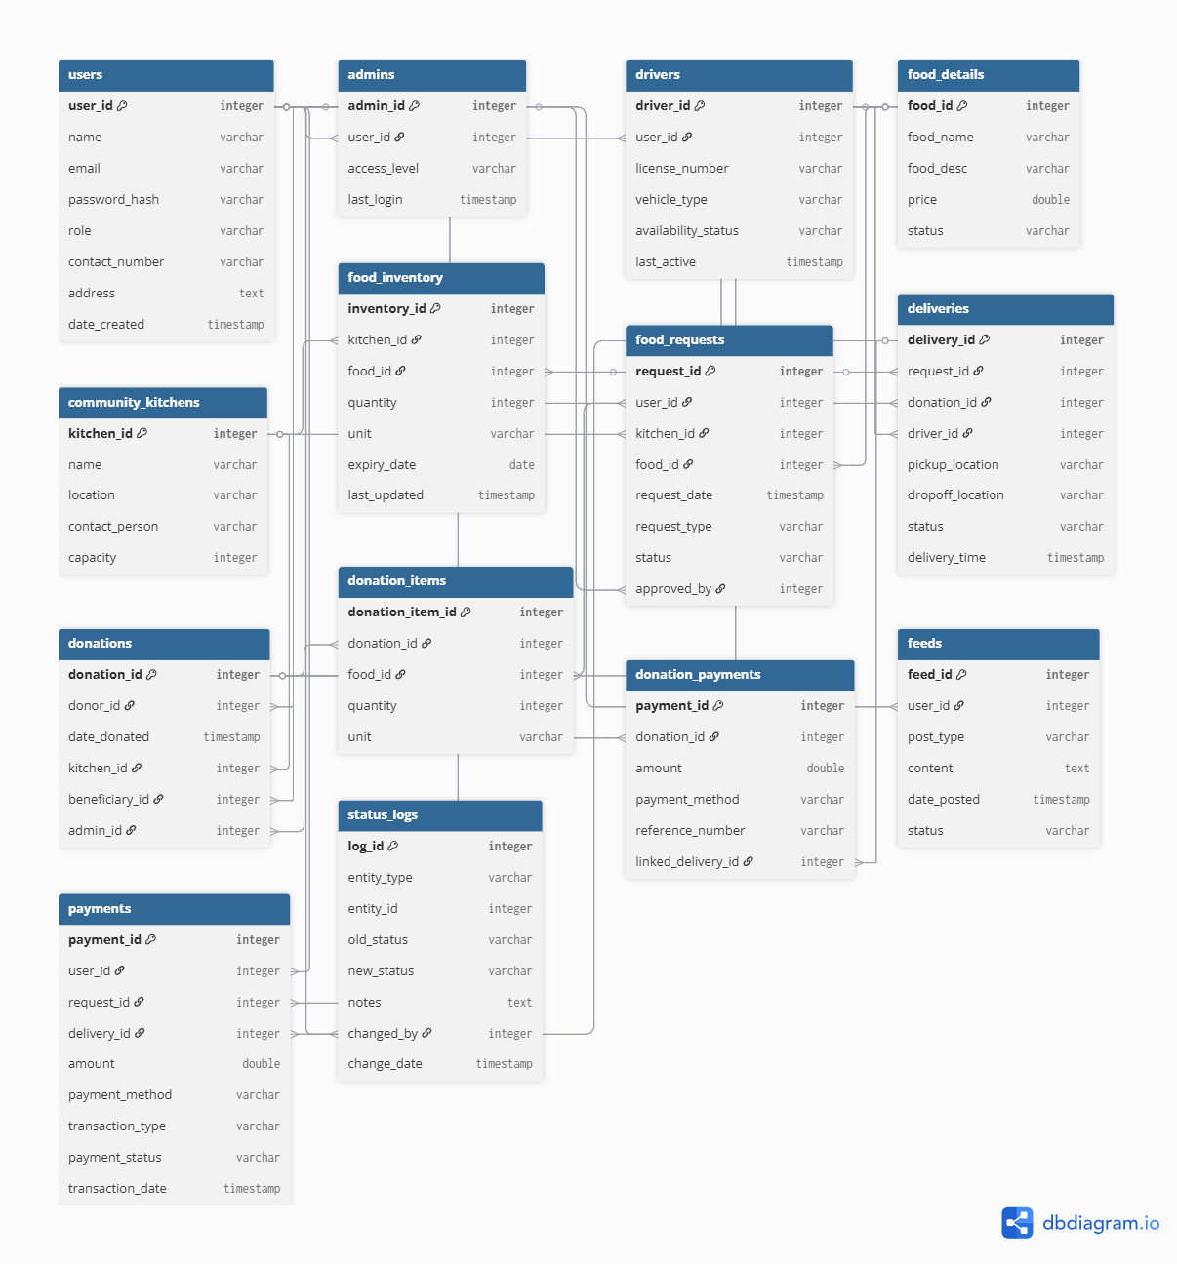
 | Fields | Fields | Fields | Fields
Database Table | user | admins | drivers | community_kitchens
 | user_id | admin_id | driver_id | kitchen_id
 | name | user_id | user_id | name
 | email | access_level | licensed_number | location
 | password_hash | last_login | vechicle_type | contact_person
 | role |  | availability_status | capacity
 | contact_number |  | last_active
 | address
 | date_created

Table Name
Primary Key
Foreign Key
Fields

