sheet1
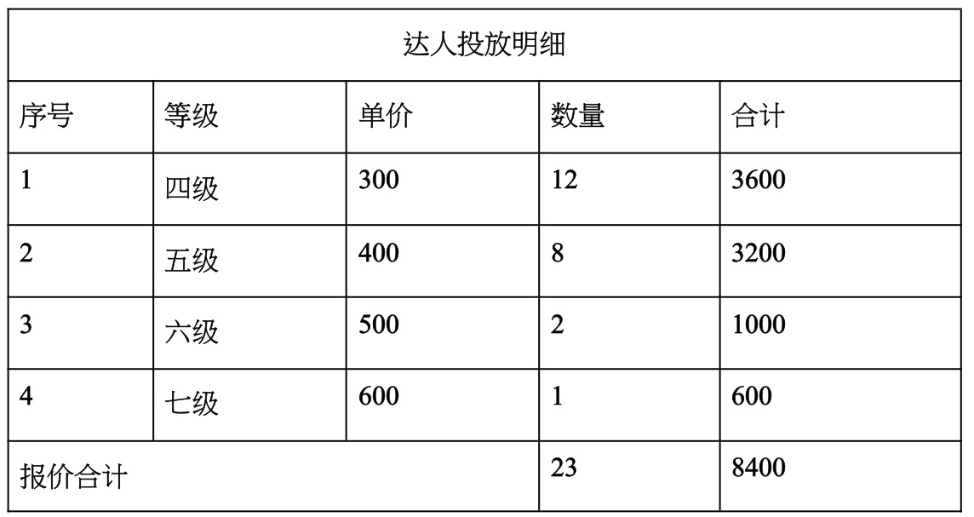
序号 | 抖音昵称 | 粉丝数 | 达人等级 | 个人主页链接 | 近30天带货数据截图 | 任务金
1 | 薇薇安的探店日记 | 1.5w | Lv.4 | https://v.douyin.com/iyUr7L77/ 0@2.com :0pm | 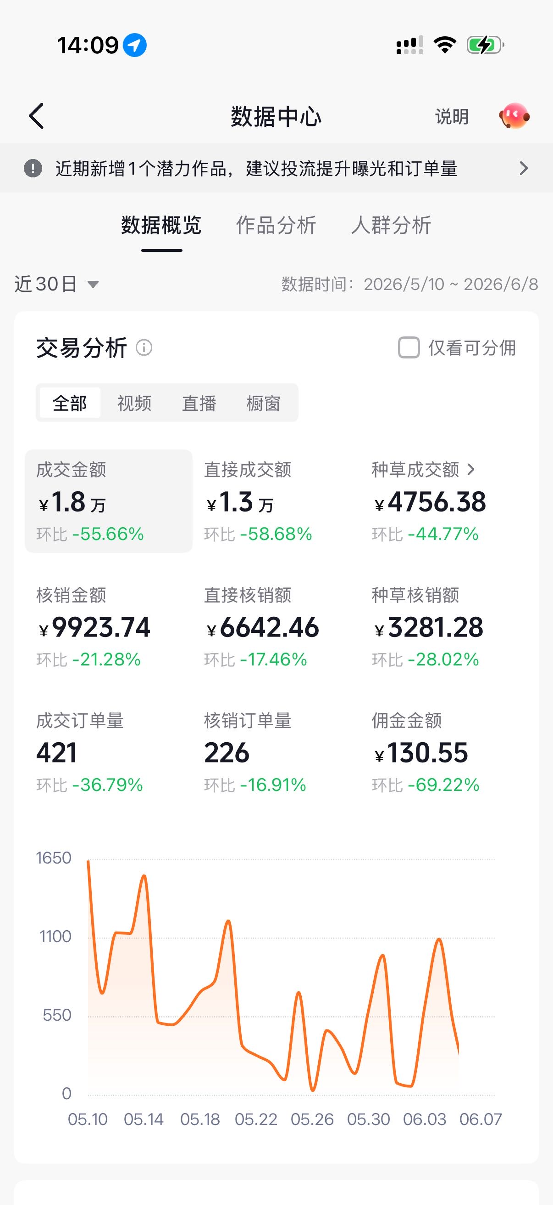 | 120
2 | 吃乐亿点点 | 1.4w | Lv.4 | https://v.douyin.com/OpXP08WGl3c/ 3@2.com :8pm | 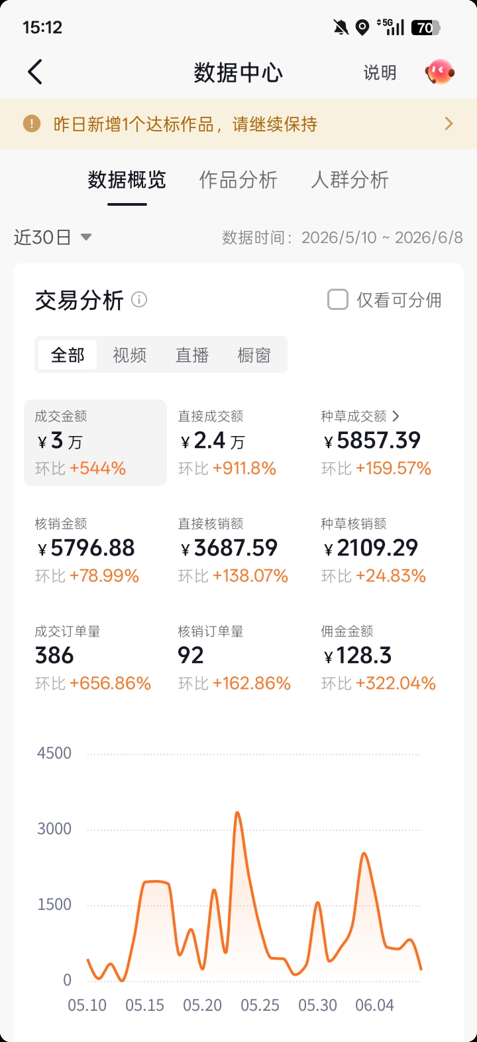 | 120
3 | 樱仔不回家 | 1.4w | Lv.4 | https://v.douyin.com/wkScAaVwtjM/ 3@9.com :9pm | 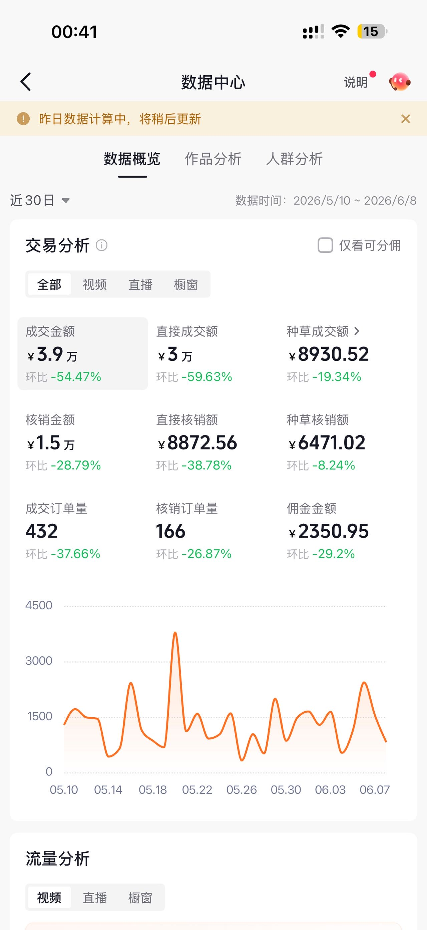 | 120
4 | 玲宝逛魔都 | 12.5w | Lv.4 | https://v.douyin.com/iUvTKgnr/ 7@8.com :3pm | 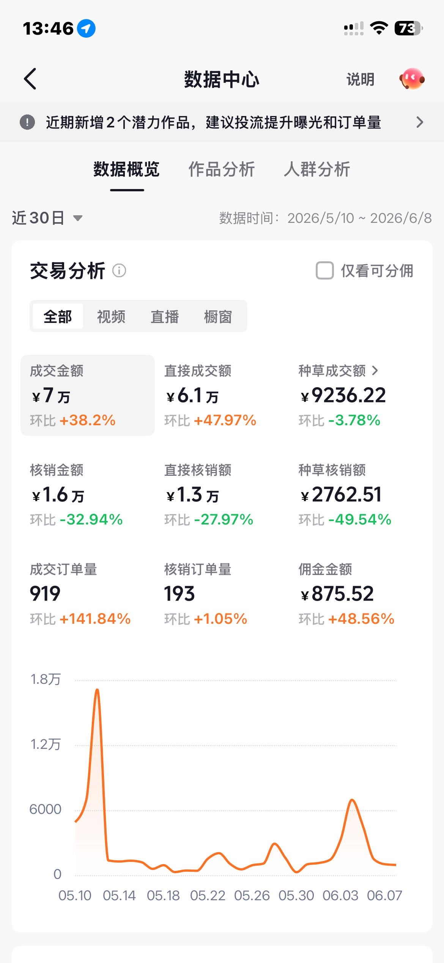 | 120
5 | 穿越君 | 1.8w | Lv.4 | https://v.douyin.com/APqqx8LgVY0/ 3@4.com :0pm | 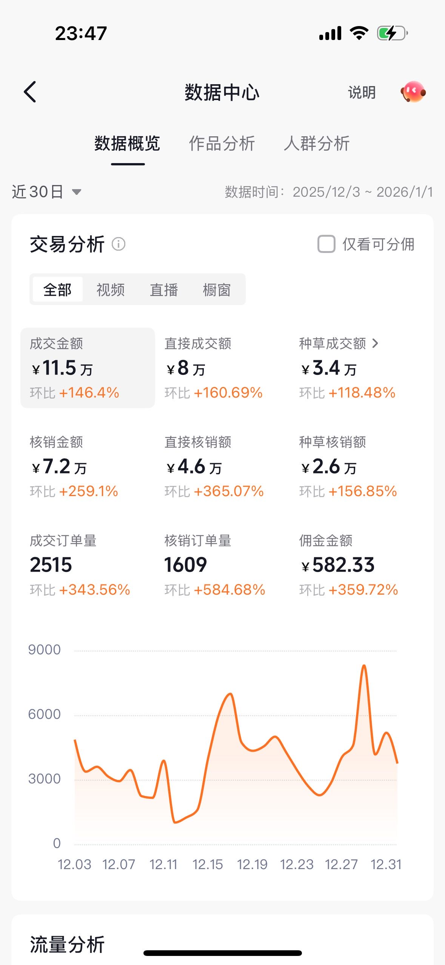 | 120
6 | 冰糖雪李 | 2.2w | Lv.4 | https://v.douyin.com/Rk_18DrgnUc/ 4@9.com :5pm | 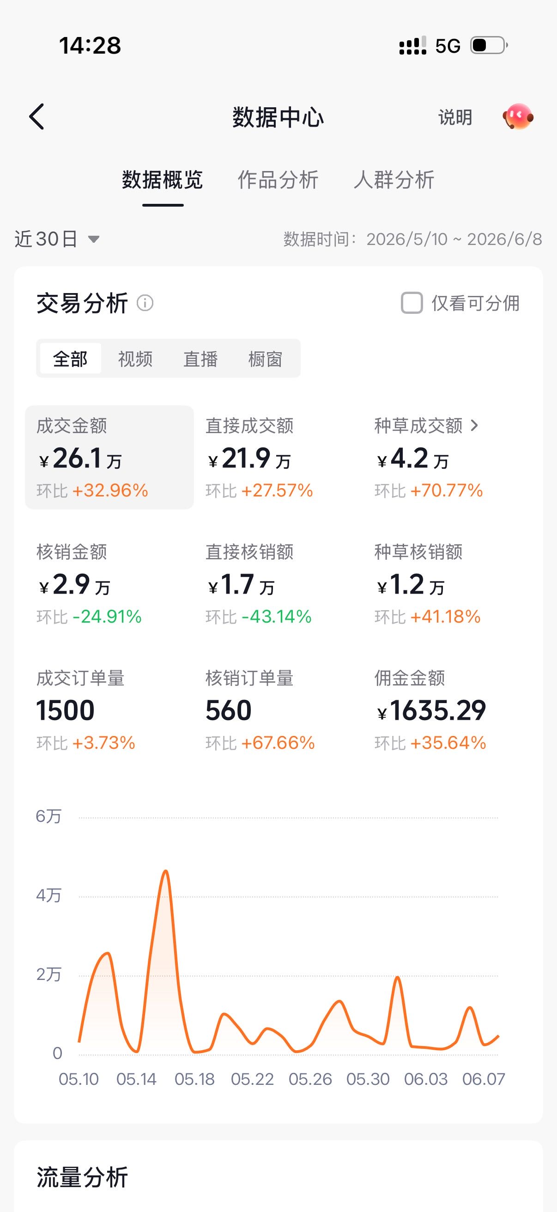 | 120
7 | 明沪其食 | 3.6w | Lv.4 | https://v.douyin.com/ghcuq225xLY/ | 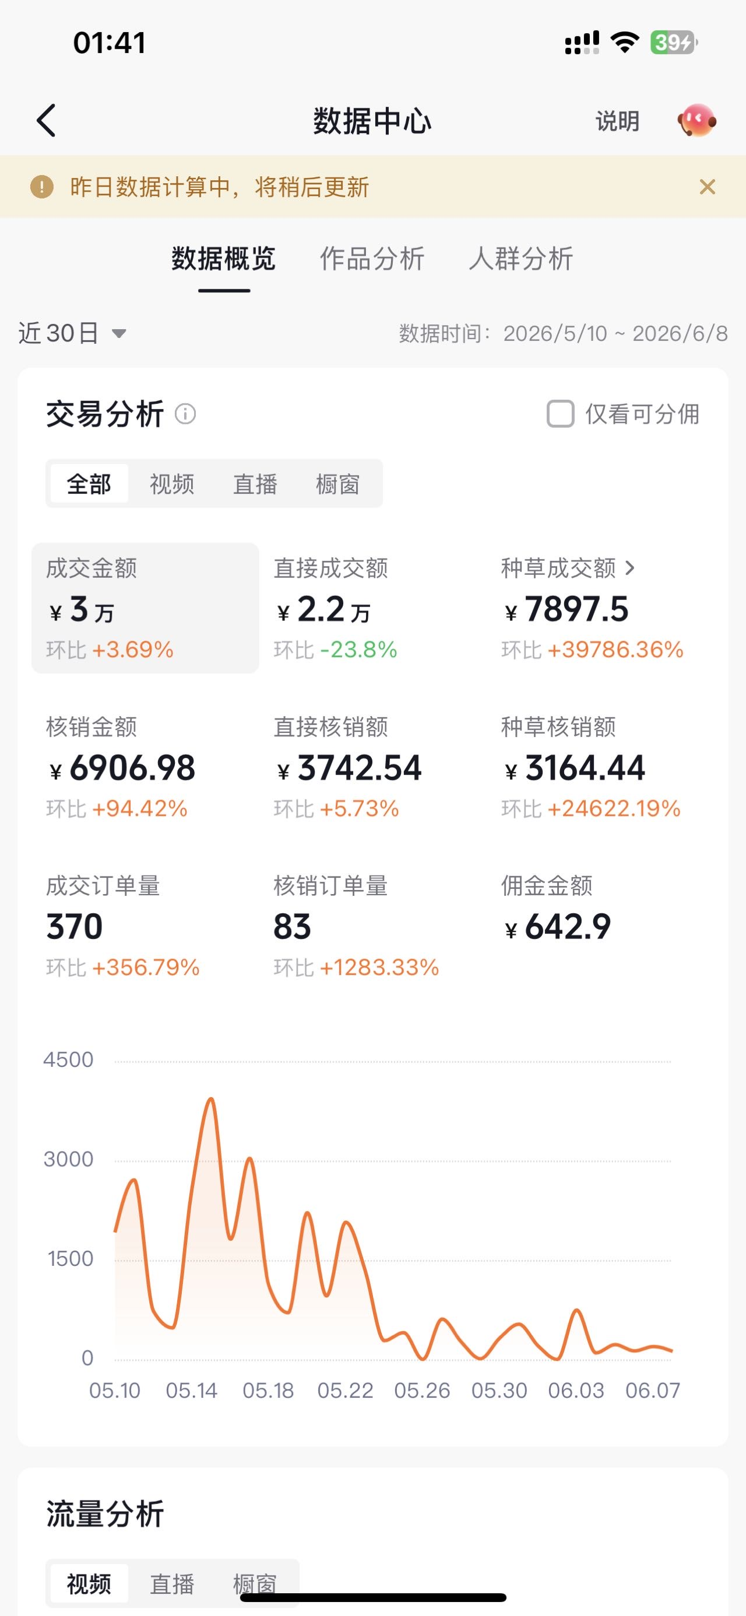 | 120
8 | 我爱吃青椒 | 1.7w | Lv.4 | https://v.douyin.com/i5mHGd1r/ | 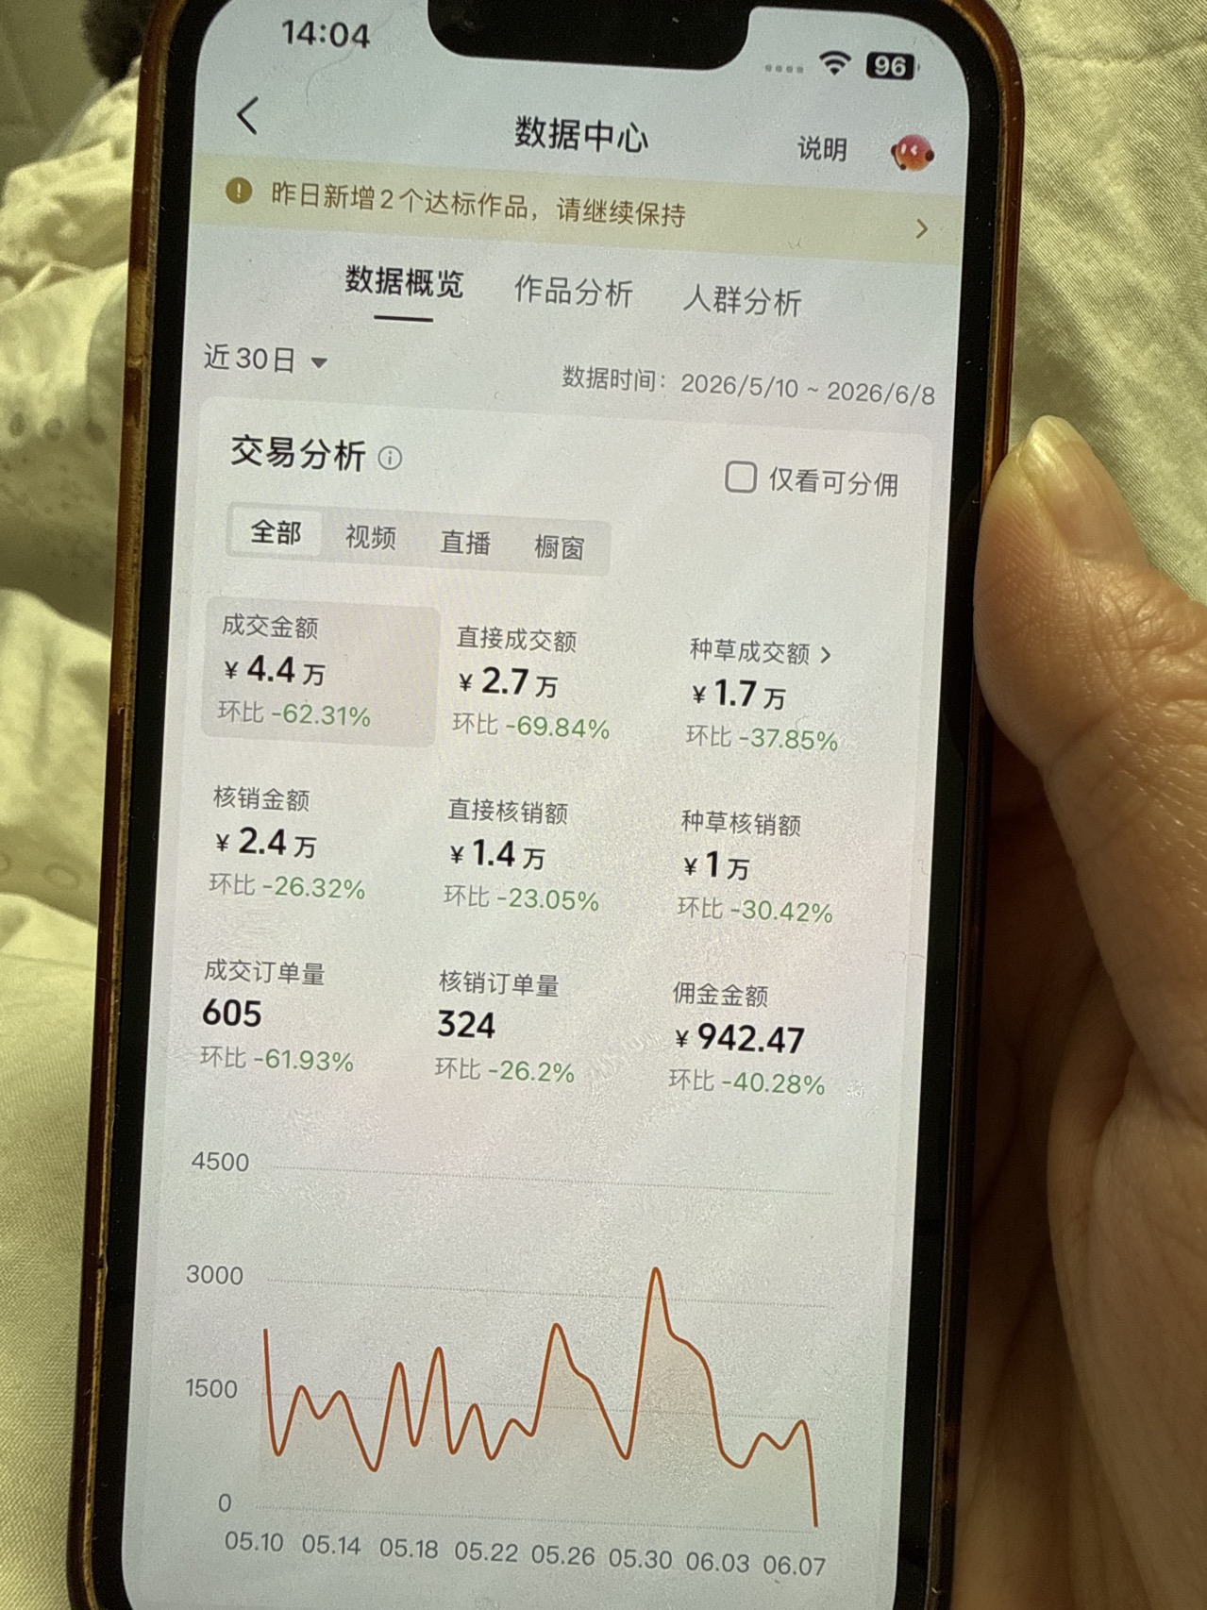 | 120
9 | 混在人堆中 | 2.1w | Lv.4 | https://v.douyin.com/BX4jR6V | 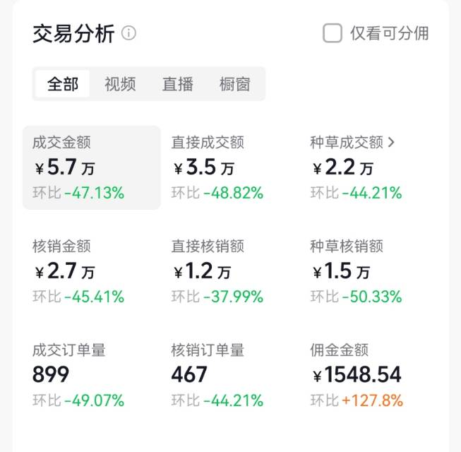 | 120
10 | 沪上阿丁 | 1.2w | Lv.4 | https://v.douyin.com/IzLurig2ZIs/ 4@4.com :0pm | 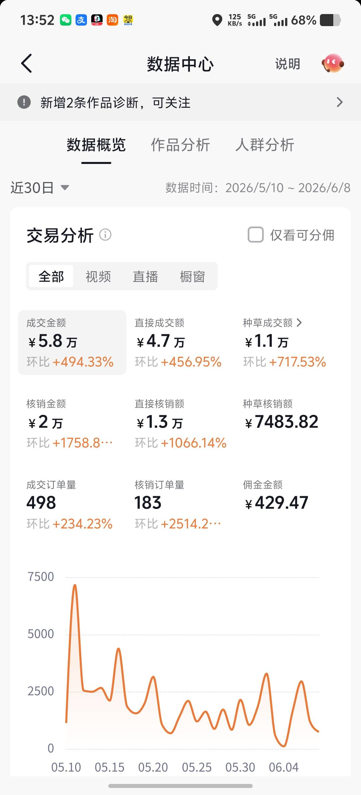 | 120
11 | 吃货小张 | 1.3w | Lv.4 | https://v.douyin.com/E1-4gPr3jFM/ 2@7.com :0pm | 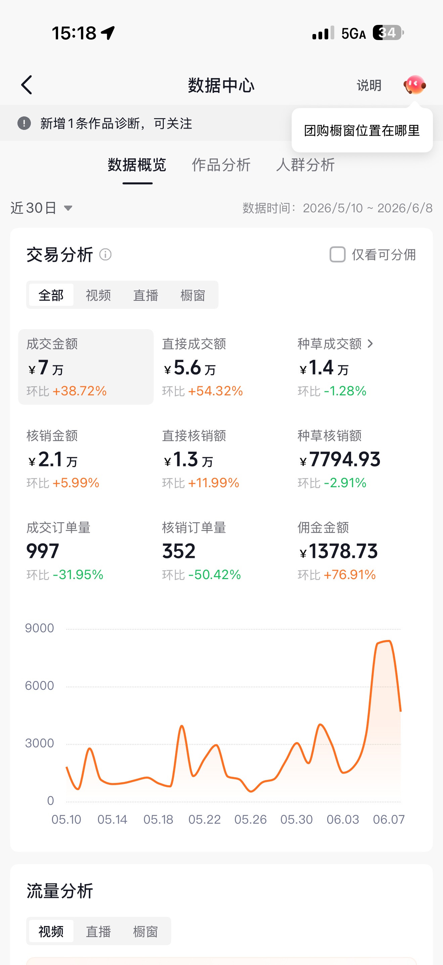 | 120
12 | 大胖日记 | 2w | Lv.4 | https://v.douyin.com/7ArZWcz45q0/ 5@8.com :1pm | 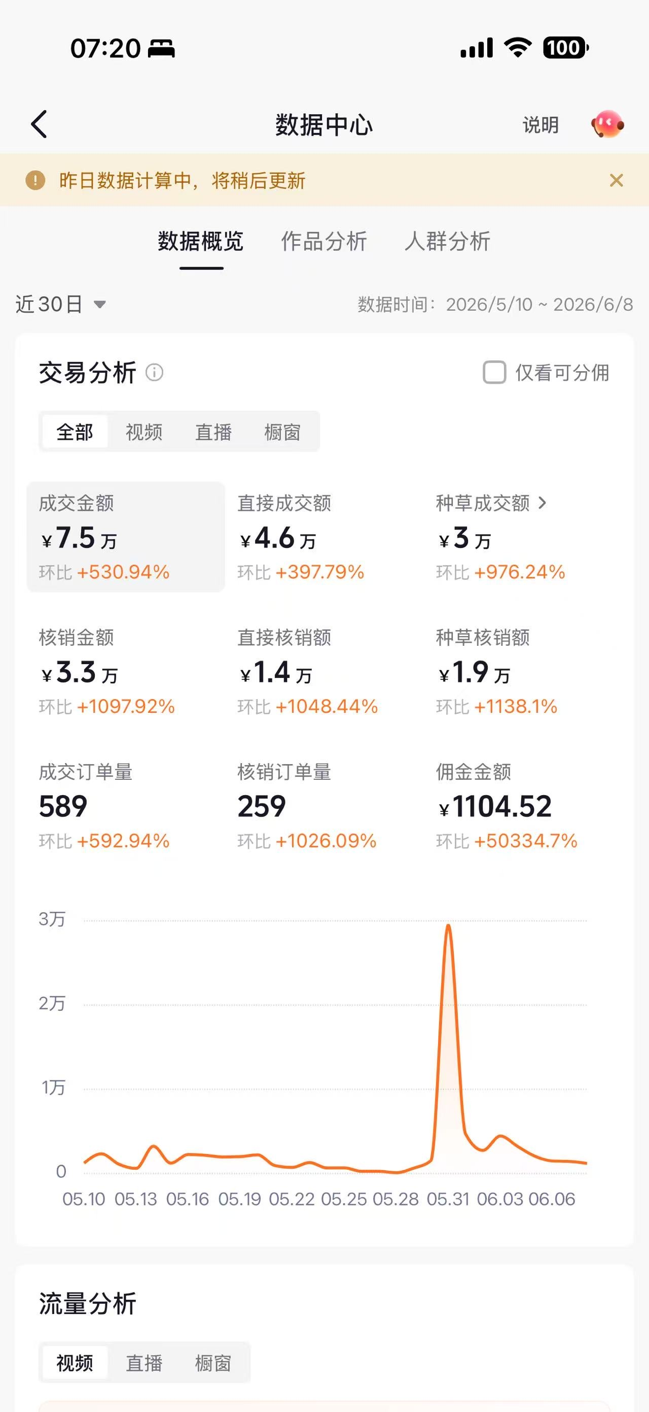 | 120
13 | 叁月 | 10.5w | Lv.5 | https://v.douyin.com/g5qHyMjKFVo/ 8@1.com :7pm | 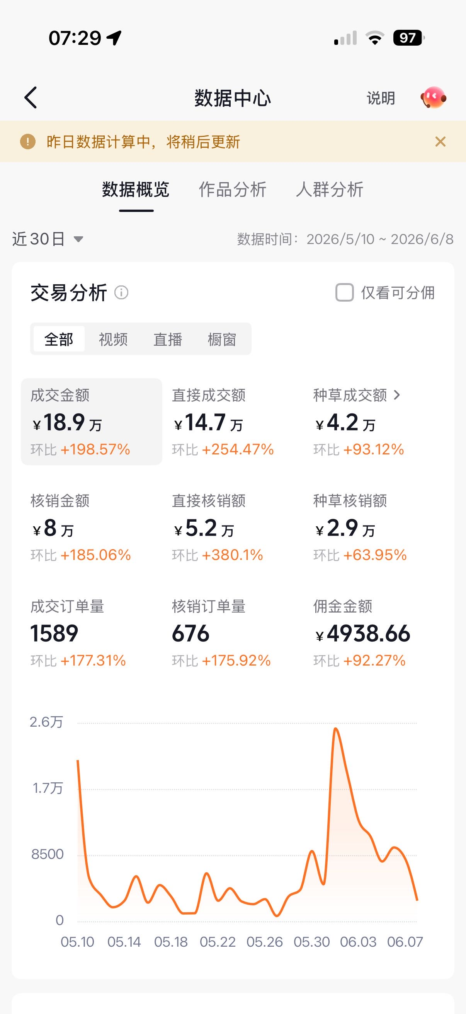 | 150
14 | 小元吃不吃 | 2.3w | Lv.5 | https://v.douyin.com/i5MWAYnU/ 0@5.com :1pm | 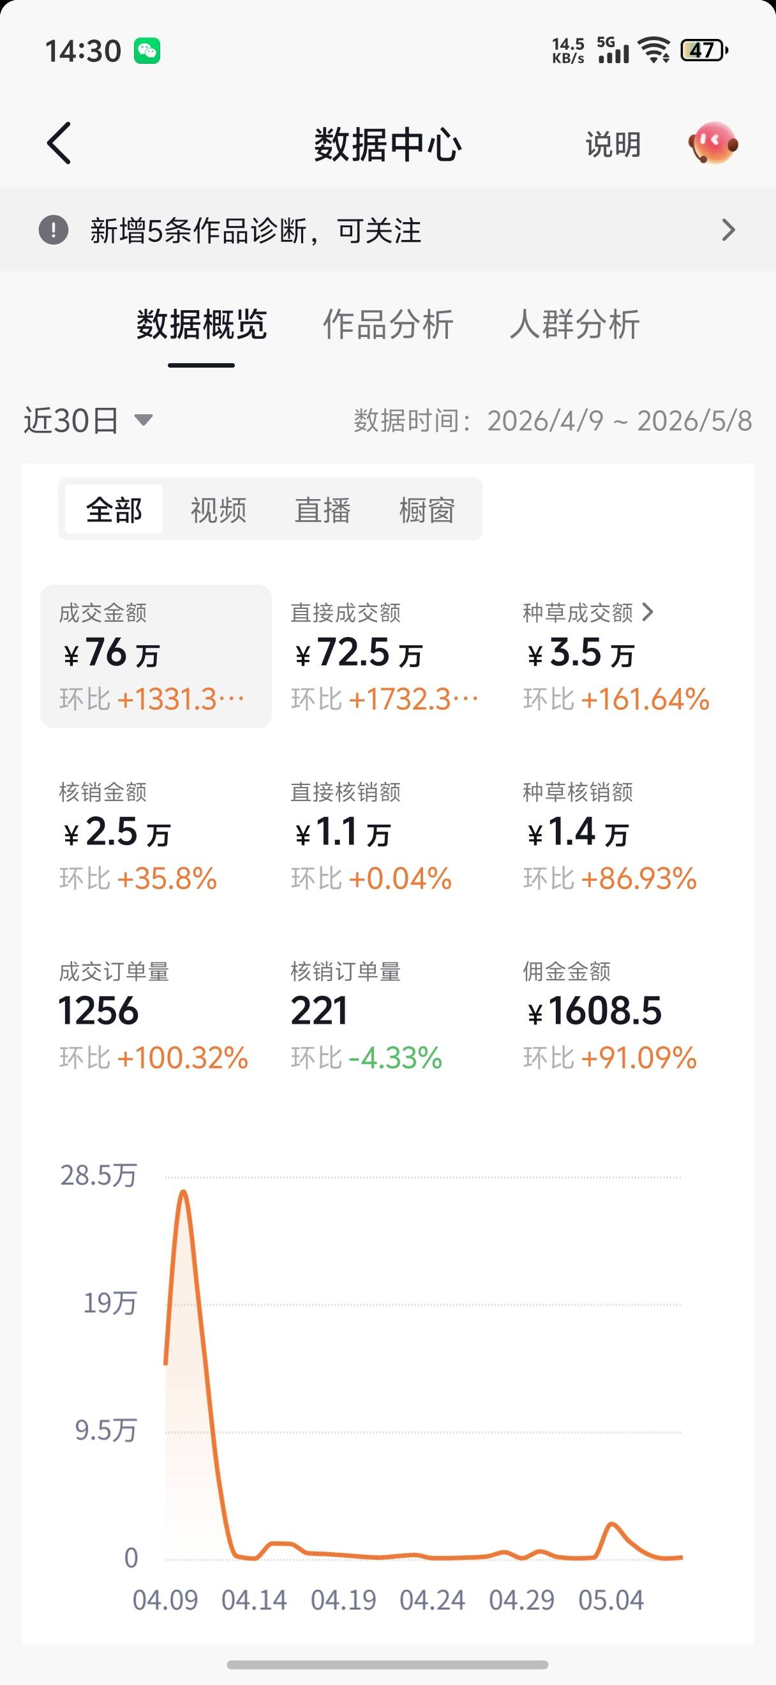 | 150
15 | 小气球 | 14.4w | Lv.5 | https://v.douyin.com/ycHXNHINpfg/ 8@4.com :2pm | 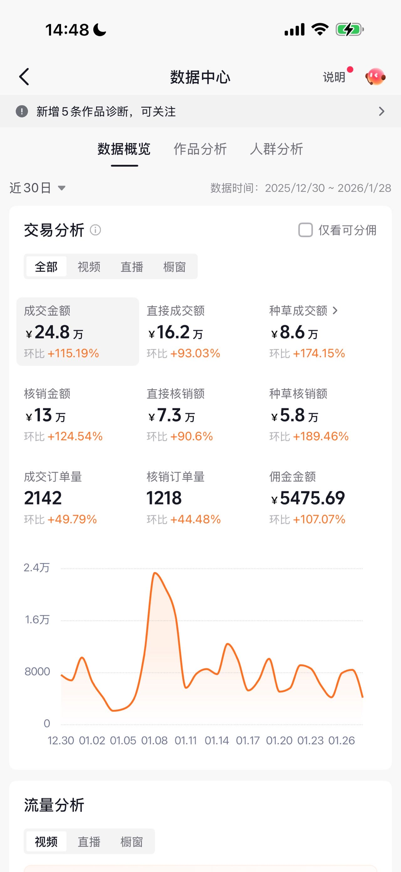 | 150
16 | 怡怡食饱饱 | 8.3w | Lv.5 | https://v.douyin.com/7O-JTRtFhl0/@3.com :5pm | 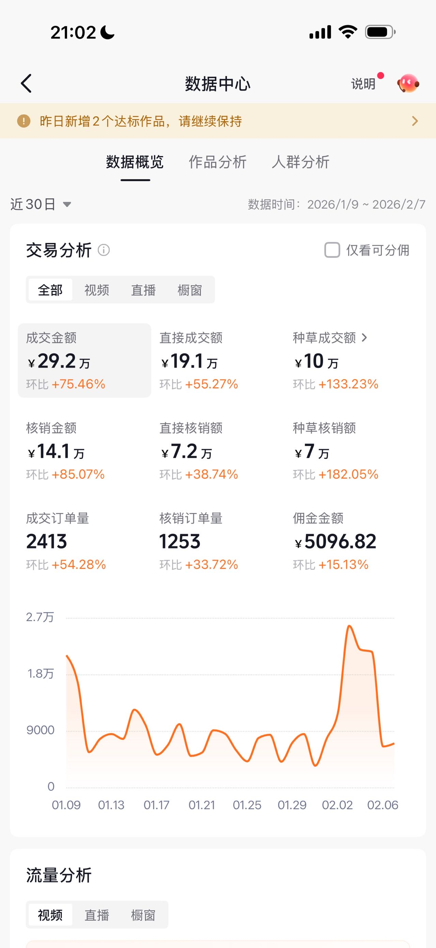 | 150
17 | 乔安娜 | 12w | Lv.5 | https://v.douyin.com/AsYJisK-HV8/ | 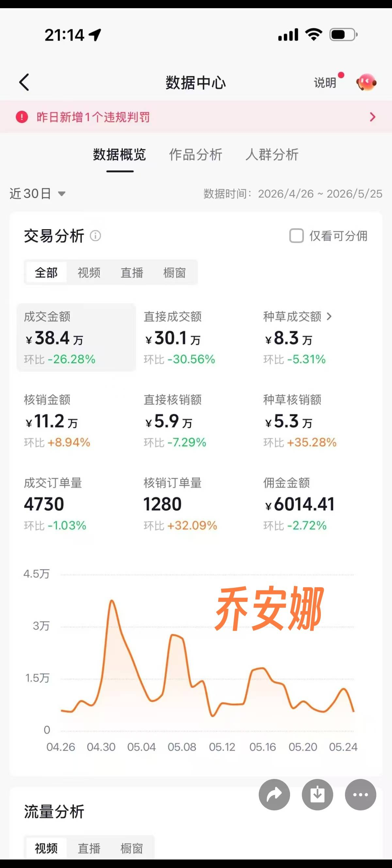 | 150
18 | 赵姐姐 | 3.9w | Lv.5 | https://v.douyin.com/JF92hvZOB2Q/ 1@2.com :8pm | 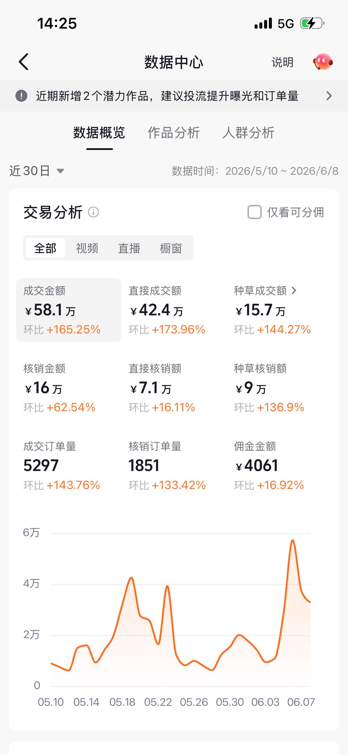 | 150
19 | 城城大魔女 | 26.8w | Lv.5 | https://v.douyin.com/zuNb1StgQ7o/ 7@5.com :2pm | 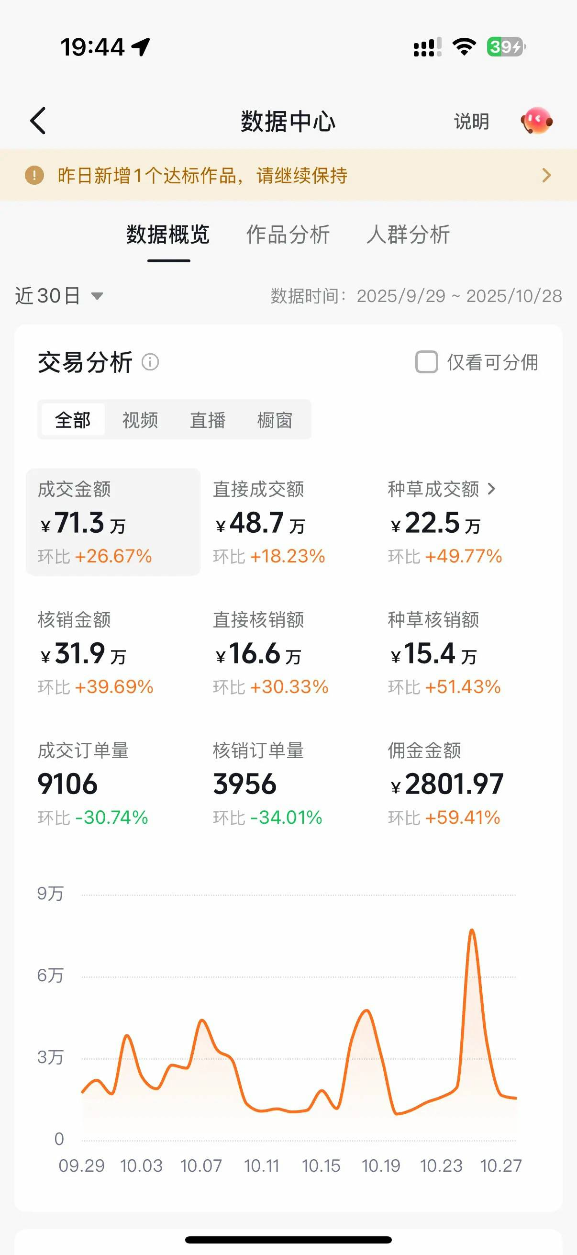 | 150
20 | 甜甜不甜 | 6.9w | Lv.5 | https://v.douyin.com/D09qQfHfwkM/ | 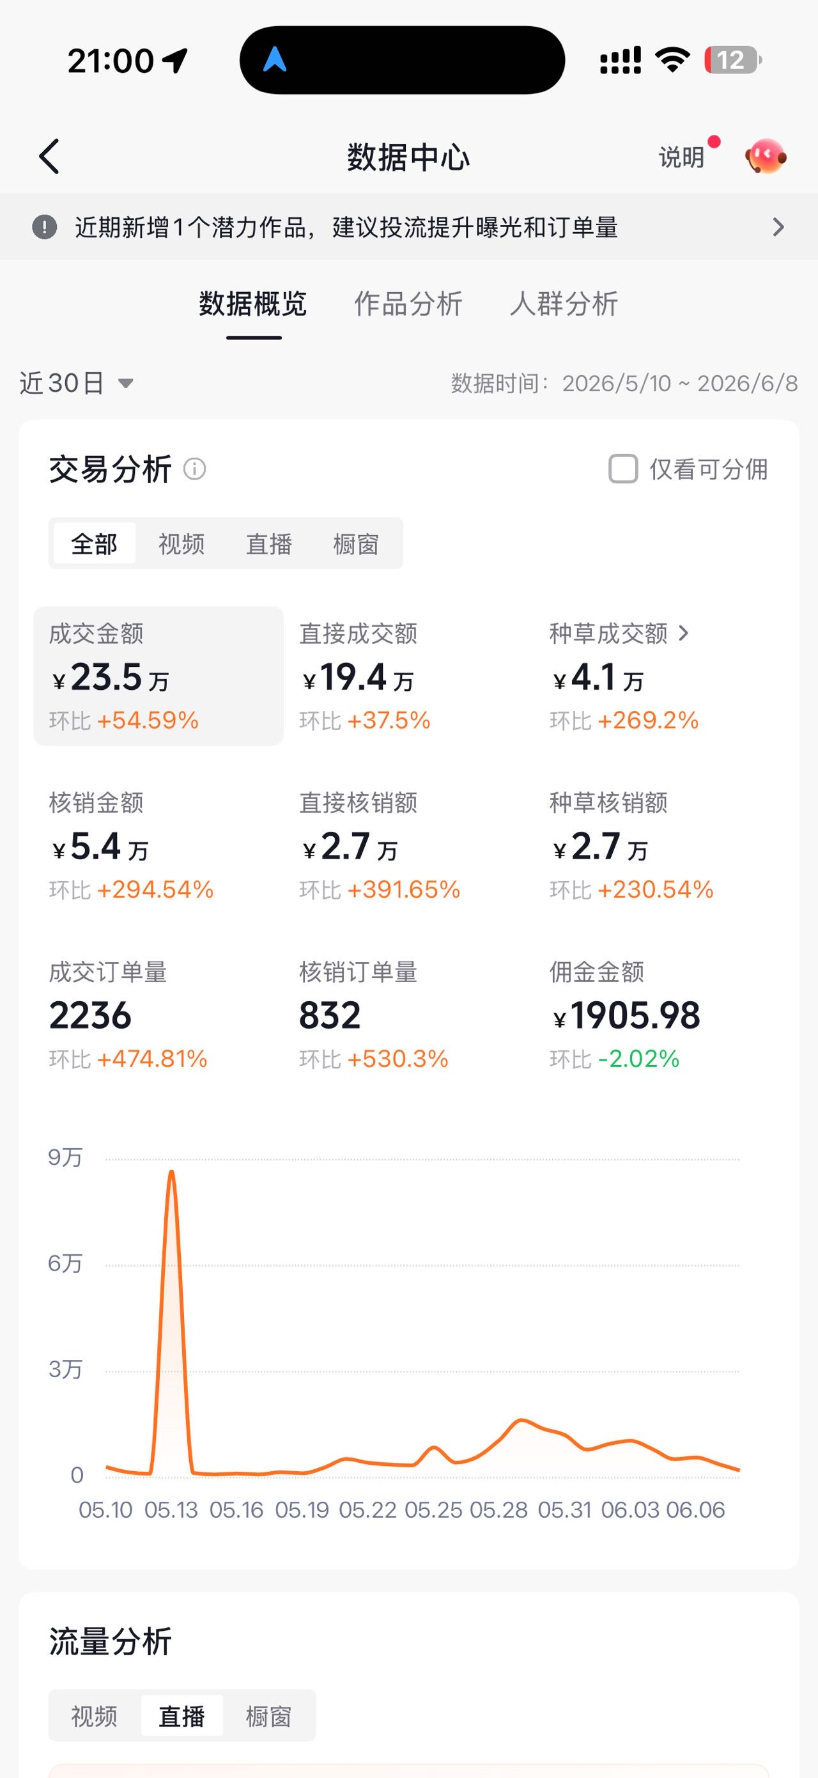 | 150
21 | 潇潇探魔都 | 10.2w | Lv.6 | https://v.douyin.com/nSJhtg27OUw/ 8@4.com :2pm | 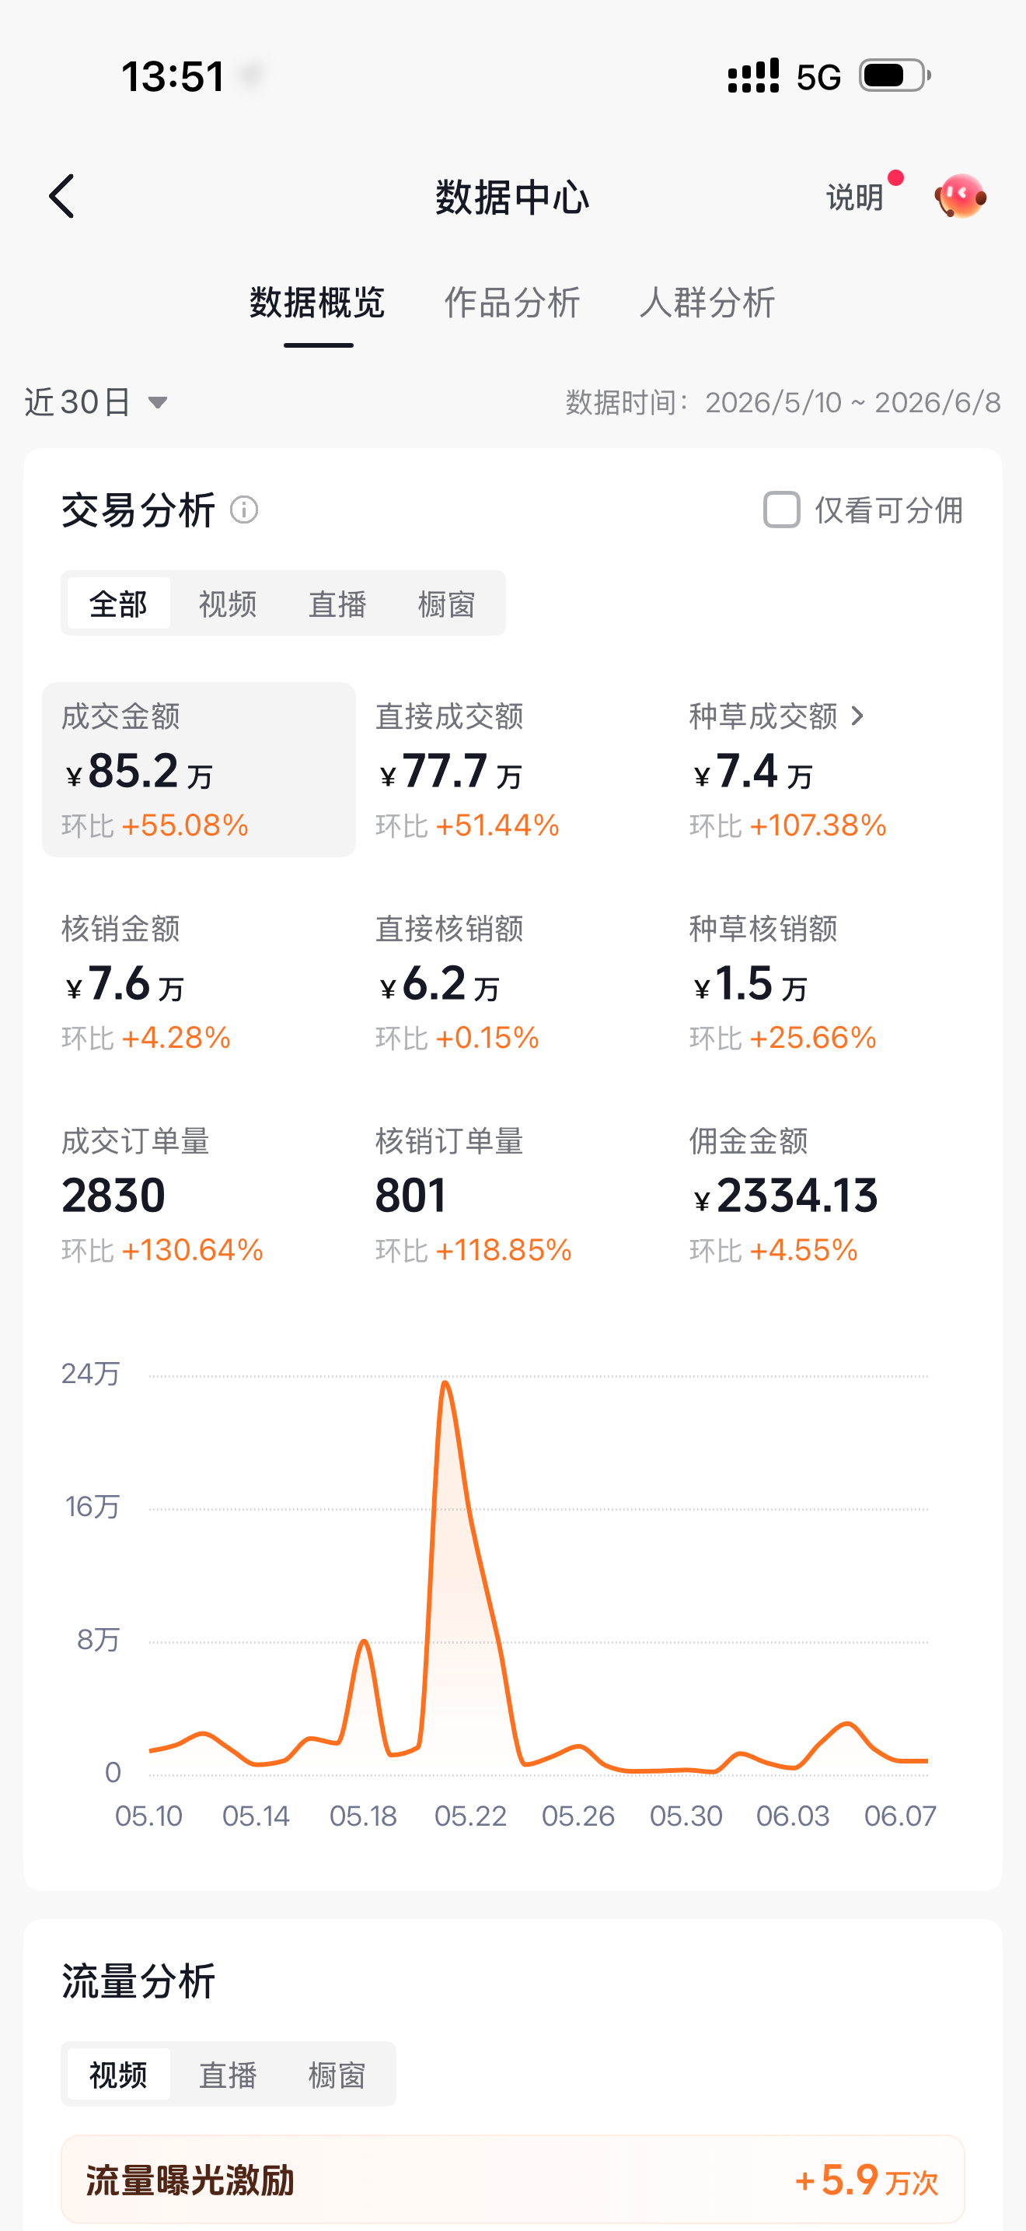 | 150
22 | 大桔就是大吉 | 1.4w | Lv.6 | https://v.douyin.com/GGtkpNVBpRk/ 0@8.com :1pm | 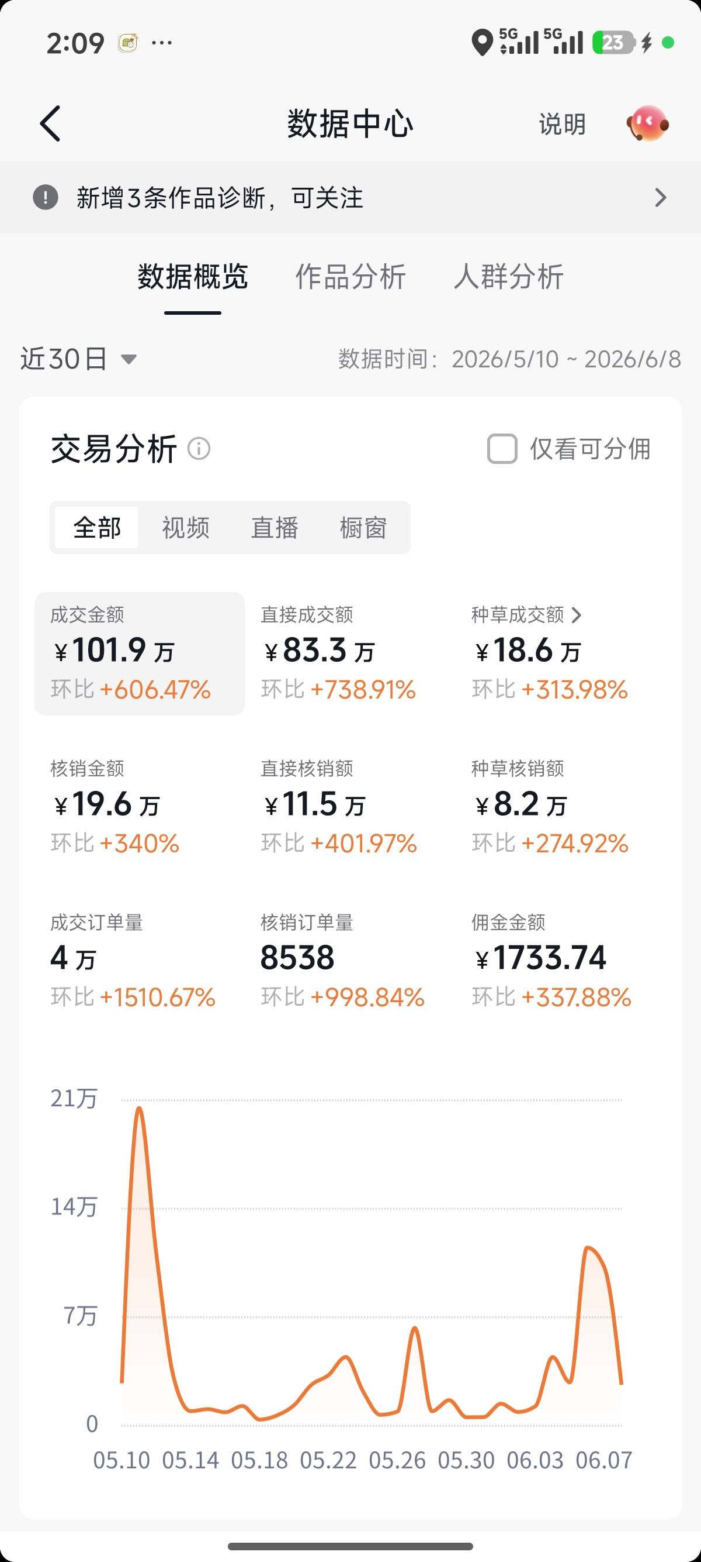 | 150
23 | 珍宝珠珠 | 21w | Lv.7 | https://v.douyin.com/NsUlyCgG84g/ | 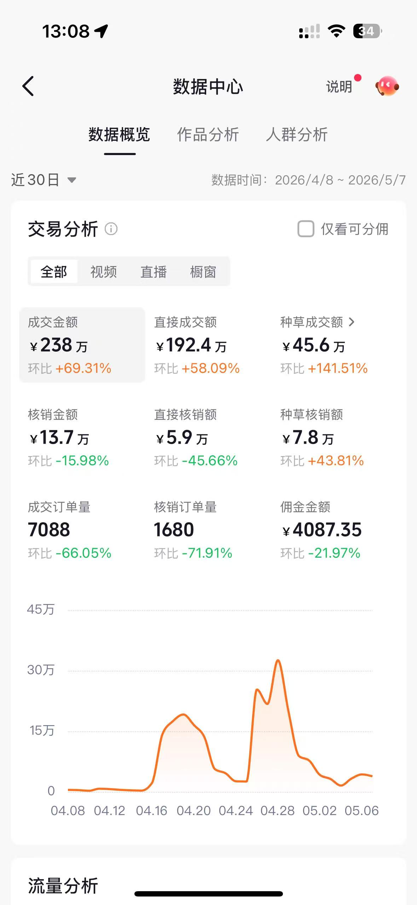 | 1200
合计 |  |  |  |  |  | 4140

