Inv H1 2018
COUNTRY:
PROVINCE/REGION:
HOSPITAL:

No. | Product |  | Balance (Start) | Total Units Received | Total Units Released | Balance (End) | Units Returned
1 | Performa Glucose Test Strip (50's/bottle) |  | -8 | 50 | 19 | -8 | 0
2 | Performa Lancet Sofclix (200's) |  | 15 | 5 | 5 | 7 | 0
3 | Performa Lancet Fastclix (24's) |  | 8 | 0 | 2 | 10 | 0

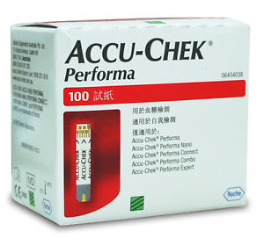
PERFORMA GLUCOSE TEST STRIP (50's/bottle)
No. | Date | Balance (Start) | Units Received | Received From | Units Released | Released To | Balance (End) | Units Returned | Returned By
1 | 1-Jan-2018 | 16 | 0 | Carry forward 2017 | 0 | NA | 16
2 | 31-Jan-2018 | 16 | 0 | NA | 42 | Jan'18 | -26
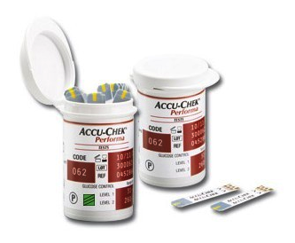
3 | 1-Feb-2018 | -26 | 47 | A4D | 0 | NA | 21
4 | 28-Feb-2018 | 21 | 0 | NA | 18 | Feb'18 | 3
5 | 31-Mar-2018 | 3 | 0 | NA | 15 | Mar'18 | -12
6 | 1-Apr-2018 | -12 | 40 | A4D | 0 | NA | 28
7 | 30-Apr-2018 | 28 | 0 | NA | 20 | Apr'18 | 8
8 | 31-May-2018 | 8 | 0 | NA | 20 | May'18 | -12
 | 20-Jun-2018 | STOCK AUDIT |  |  |  |  | 21
9 | 30-Jun-2018 | 21 | 0 | NA | 29 | Jun'18 | -8
10 | 1-Jul-2018 | -8 | 50 | A4D | 0 | NA | 42
11 | 31-Jul-2018 | 42 | 0 | NA | 19 | Jul'18 | 23 |  |  | 1 box contains 2 bottles of 50's strips
12 | 31-Aug-2018 | 23 | 0 | NA | 31 | Aug'18 | -8
 |  | -8 | 50 |  | 19 |  | -8 | 0

ACCU-CHEK PERFORMA LANCET SOFTCLIX (200's)
No. | Date | Balance (Start) | Units Received | Received From | Units Released | Released To | Balance (End) | Units Returned | Returned By
1 | 1-Jan-2018 | 15 | 0 | Carry forward 2017 | 0 | NA | 15
2 | 8-Jan-2018 | 15 | 0 | NA | 1 | Jan'18 | 14
3 | 6-Feb-2018 | 14 | 0 | NA | 1 | Feb'18 | 13
4 | 23-May-2018 | 13 | 0 | NA | 1 | May'18 | 12
 | 26-Jun-2018 | STOCK AUDIT |  |  |  |  | 4
5 | 1-Jul-2018 | 4 | 5 | A4D | 0 | NA | 9
6 | 31-Jul-2018 | 9 | 0 | NA | 1 | Jul'18 | 8
7 | 31-Aug-2018 | 8 | 0 | NA | 1 | Aug'18 | 7
 |  | 15 | 5 |  | 5 |  | 7 | 0

ACCU-CHEK PERFORMA LANCET FASTCLIX (24's)
No. | Date | Balance (Start) | Units Received | Received From | Units Released | Released To | Balance (End) | Units Returned | Returned By
1 | 1-Jan-2018 | 8 | 0 | Carry forward 2018 | 0 | NA | 8
2 | 29-Jan-2018 | 8 | 0 | NA | 2 | Jan'18 | 6
 | 26-Jun-2018 | STOCK AUDIT |  |  |  |  | 10
 |  | 8 | 0 |  | 2 |  | 10 | 0

