Cover sheet
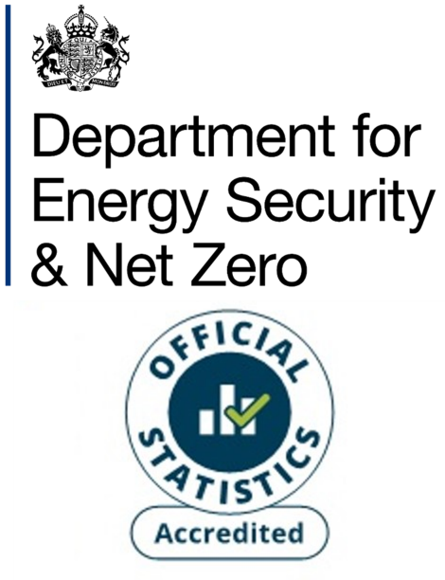
Energy consumption: England and Wales Headline Tables
National Energy Efficiency Data-Framework (NEED)
This workbook presents Accredited Official Statistics on annual domestic gas and electricity consumption in England and Wales, by property and household characteristics, for the years 2005 to 2023. Both mean and median consumption estimates are provided.
The gas years from 2018 onwards are mid-May to mid-May. For example, the gas year 2023 refers to the period mid-May 2023 to mid-May 2024.
The earlier gas years are as follows:
- Prior to 2014: same October – September period as 2014 and 2015
- 2014: October 2013 – September 2014
- 2015: October 2014 – September 2015
- 2016: mid-July 2016 – mid-July 2017
- 2017: mid-June 2017 – mid-June 2018
The electricity years used cover the period February to January. For example, the electricity year 2023 refers to the period February 2023 to January 2024.
Contents
This cover sheet is followed by a table of contents and notes page providing additional information/ clarification for the subsequent data tables.
Revisions
These estimates have been revised back to 2020 using a new processing system. The reasons for the revisions were:
- to provide the estimates on an unrounded basis, allowing users to calculate accurate percentage changes between years and percentage differences between groups
- to remove minor inconsistencies between successive years, in how these estimates were produced
Publication dates
Publication date: 26 June 2025
Next update: June 2026
Methodology
The Valuation Office Agency (VOA) Council Tax Database is used as the population of all domestic properties in England and Wales. Meter level gas/ electricity consumption as well as other data on property/ household characteristics is matched to these properties. Only properties to which gas/ electricity meters were successfully matched are included in this analysis.
For gas, only properties with an annual gas consumption in the range of 100 kWh to 50,000 kWh are included for the given year. For electricity the permitted range is 100 kWh to 25,000 kWh. Additionally, households with consumption values imputed from previous years have been excluded. Properties with missing information for certain key attributes are also excluded.
More information on how these statistics are calculated can be found in:
NEED methodology note
Units and no data
Gas and electricity consumption values are provided in kWh.
[no data] indicates that there was no data or that the result was suppressed to prevent disclosure.
Domestic NEED publication data and documents
Statistical releases (including data sources and methodology)
Consumption data tables
Impact of measures data tables
Property level domestic consumption data
Contact details
Responsible statistician: Paulina Baig
energyefficiency.stats@energysecurity.gov.uk
newsdesk@energysecurity.gov.uk

