Cover sheet
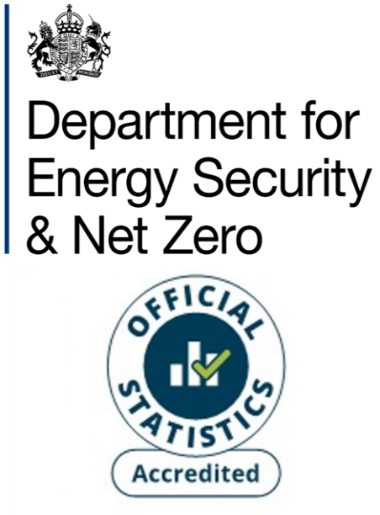
Energy consumption: Scotland Headline Tables
National Energy Efficiency Data-Framework (NEED)
This workbook presents Accredited Official Statistics on domestic gas and electricity consumption in Scotland, by property and household characteristics, for the years 2011 to 2023. Both means and medians are provided.
The gas years from 2018 onwards are mid-May to mid-May. For example, the gas year 2023 refers to the period mid-May 2023 to mid-May 2024.
The earlier gas years are as follows:
- Prior to 2014: same October – September period as 2014 and 2015
- 2014: October 2013 – September 2014
- 2015: October 2014 – September 2015
- 2016: mid-July 2016 – mid-July 2017
- 2017: mid-June 2017 – mid-June 2018
The electricity years used cover the period February to January. For example, the electricity year 2023 refers to the period February 2023 to January 2024.
Contents
This cover sheet is followed by a table of contents and notes page providing additional information/ clarification for the subsequent data tables.
Revisions
Previously Scottish Assessors Association (SAA) data was used to provide the population frame for all domestic properties in Scotland to use as the basis of the consumption estimates. However, this data was last updated in 2014 which meant that domestic properties built in Scotland since 2014 were being excluded from our analysis.
Last year, an alternative dataset was used to represent domestic properties in Scotland, AddressBase (Ordnance Survey’s database of all addresses in Great Britain), with all ‘Domestic dwelling’ addresses taken from this dataset. This version of NEED was used for the 2022 estimates for Scotland and the same version was used to re-produce the estimates for the years 2018 – 2021 (with only the consumption data differing between years).
This year, making use of a new processing system built to compile the NEED dataset and resulting consumption estimates, previous versions of NEED were reproduced based on this new methodology for Scotland, and so different versions of NEED have been used for successive years’ consumption estimates, resulting in revised estimates back to 2018 (with revisions generally lower than 5%).
Publication dates
Publication date: 26 June 2025
Next update: June 2026
Methodology
Ordnance Survey (OS) data is used as the population of all domestic properties in Scotland. Meter level gas/ electricity consumption as well as other data on property/ household characteristics is matched to these properties. Only properties to which gas/ electricity meters were successfully matched are included in this analysis.
For gas, only properties with an annual gas consumption in the range of 100 kWh to 50,000 kWh are included for the given year. For electricity the permitted range is 100 kWh to 25,000 kWh. Additionally, households with consumption values imputed from previous years have been excluded. The lower number of dwellings for gas in 2012, 2013 and 2016 is due to a higher number of meters with imputed consumption for those years. Properties with missing information for certain key attributes are also excluded.
More information on how these statistics are calculated can be found in:
NEED methodology note
Units
Mean and median consumption values are provided in kWh. Consumption values up to year 2017 are rounded to the nearest 100 kWh and are provided unrounded from 2018 onwards.
Sample sizes up to 2017 have been rounded to the nearest 10 and are provided unrounded from 2018 onwards.
[no data] indicates that there was no data or that the result was suppressed to prevent disclosure.
Domestic NEED publication data and documents
Statistical releases (including data sources and methodology)
Consumption data tables
Impact of measures data tables
Property level domestic consumption data
Contact details
Responsible statistician: Paulina Baig
energyefficiency.stats@energysecurity.gov.uk
newsdesk@energysecurity.gov.uk

