n=10,4par
Seq: RaceHorses_416x240_30
File: RaceHorses_encoderOutput_Level1.bin
YUV: RaceHorses_416x240_30_Coded_Level1.yuv
n (encoder number of bits): 10

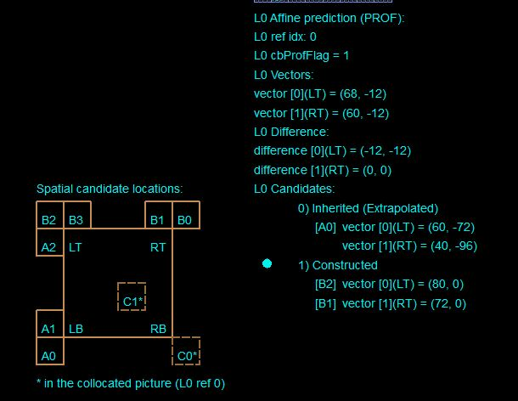
ESEMPIO 1
n=10
Block (128,160)
 | POC =1 | Size: 32x32

 | Group 0 | x [h] | y [v]
1 | A2 | 71 | 1
2 | B2 | 79 | 1
3 | B3 | 73 | 6
 | Group 1
1 | B1 | 73 | -2
2 | B0 | 84 | 4
 | Group 2
1 | A1 | 71 | 1
2 | A0 | 57 | -24

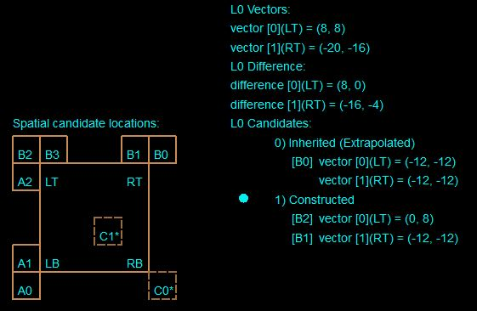
ESEMPIO 2
n=10
Block (306,64)
 | POC =5 | Size: 16x16

 | Group 0 | x [h] | y [v]
1 | A2 | 1 | 9
2 | B2 | 1 | 9
3 | B3 | 14 | -15
 | Group 1
1 | B1 | -11 | -11
2 | B0 | -12 | -11
 | Group 2
1 | A1 | 1 | 9
2 | A0 | 1 | 9

n=8,4par
Seq: RaceHorses_416x240_30
File: RaceHorses_encoderOutput_8bit.bin
YUV: RaceHorses_416x240_30_Coded_8bit.yuv
n (encoder number of bits): 8

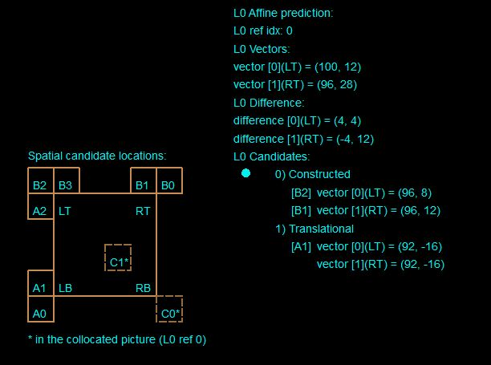
ESEMPIO 3
n=8
Block (208,160)
 | POC =4 | Size: 32x32

 | Group 0 | x [h] | y [v]
1 | A2 | 96 | 9
2 | B2 | 96 | 9
3 | B3 | 98 | 14
 | Group 1
1 | B1 | 98 | 14
2 | B0 | 98 | 14
 | Group 2
1 | A1 | 92 | -16
2 | A0 | 95 | -11

 | VQ comply?
 | OK

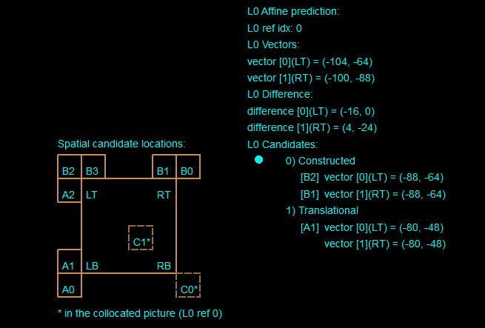
ESEMPIO 4
n=8
Block (256,64)
 | POC =4 | Size: 16x32

 | Group 0 | x [h] | y [v]
1 | A2 | -80 | -48
2 | B2 | -88 | -64
3 | B3 | -88 | -64
 | Group 1
1 | B1 | -88 | -64
2 | B0 | -88 | -64
 | Group 2
1 | A1 | -80 | -48
2 | A0 | -66 | -42

 | VQ comply?
 | OK

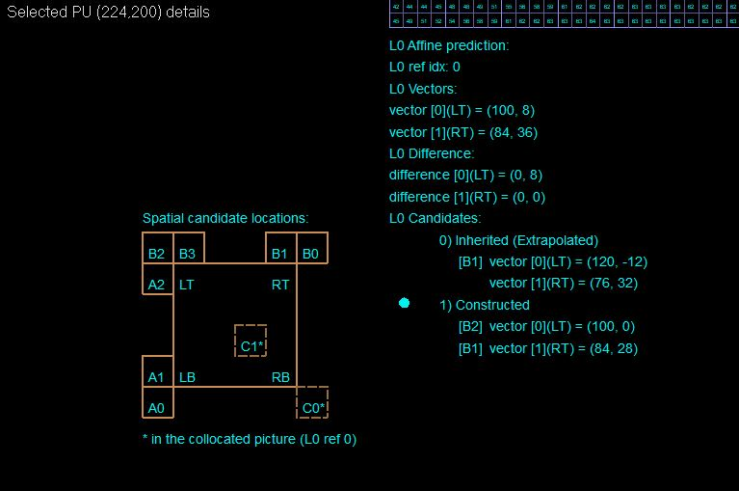
ESEMPIO 19
n=8
Block (224,200)
 | POC =2 | Size: 32(w)x16
 | Ref_POC=1

 | Group 0 | x [h] | y [v]
1 | A2 | 97 | -2
2 | B2 | 99 | -2
3 | B3 | 99 | 0
 | Group 1
1 | B1 | 83 | 29
2 | B0 | 81 | 39
 | Group 2
1 | A1 | 116 | 11
2 | A0 | 116 | 11

 | Matlab Costructed candidates
 | Group 0 | x [h] | y [v]
3 | B3 | 99 | 0
 | Group 1
1 | B1 | 83 | 29

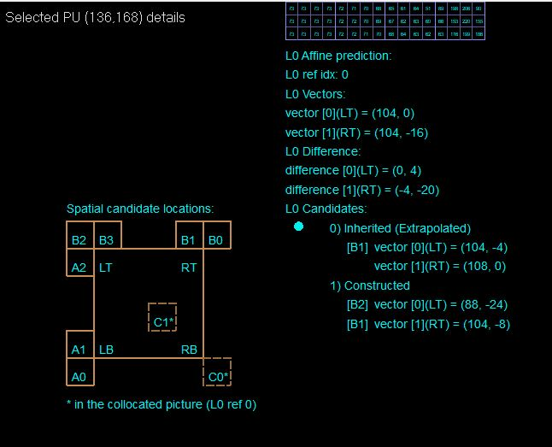
ESEMPIO 28
n=8
Block (136,168)
 | POC =5 | Size: 16x16
 | Ref_POC=4

 | Group 0 | x [h] | y [v]
1 | A2 | 88 | -24
2 | B2 | 88 | -24
3 | B3 | 102 | -12
 | Group 1
1 | B1 | 103 | -9
2 | B0 | 112 | 16
 | Group 2
1 | A1 | 88 | -24
2 | A0 | 88 | -24

 | Matlab Costructed candidates
 | Group 0 | x [h] | y [v]
3 | B3 | 102 | -12
 | Group 1
1 | B1 | 103 | -9

n=8,6par
Seq: RaceHorses_416x240_30
File: RaceHorses_encoderOutput_8bit.bin
YUV: RaceHorses_416x240_30_Coded_8bit.yuv
n (encoder number of bits): 8
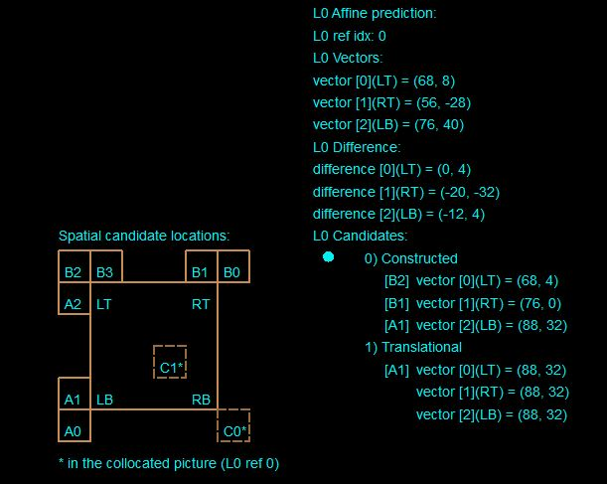
SIX PARAMETER MODEL

ESEMPIO 7
n=8
Block (96,192)
 | Cur_POC =1 | Size: 32x32
 | Ref_POC=0

 | Group 0 | x [h] | y [v]
1 | A2 | 68 | -26
2 | B2 | 68 | 6
3 | B3 | 75 | 1
 | Group 1
1 | B1 | 75 | 1
2 | B0 | 64 | -16
 | Group 2
1 | A1 | 88 | 32
2 | A0 | 96 | 32

 | Matlab Costructed candidates
 | Matlab è d'accordo con VQ Analyzer

 |  |  |  | VQ comply?
 |  |  |  | OK

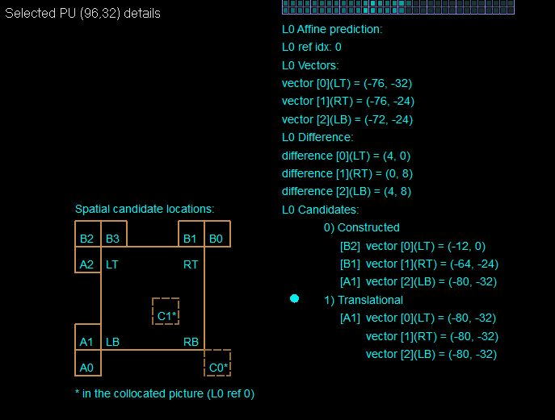
ESEMPIO 17
n=8
Block (96,32)
 | Cur_POC =1 | Size: 32x32
 | Ref_POC=0

 | Group 0 | x [h] | y [v]
1 | A2 | -72 | -24
2 | B2 | -12 | 0
3 | B3 | -64 | -24
 | Group 1
1 | B1 | -64 | -24
2 | B0 | -64 | -24
 | Group 2
1 | A1 | -80 | -32
2 | A0 | -72 | -24

 | Matlab Costructed candidates
 | Group 0 | x [h] | y [v]
1 | A2 | -72 | -24
 | Group 1
1 | B1 | -64 | -24
 | Group 2
2 | A0 | -72 | -24

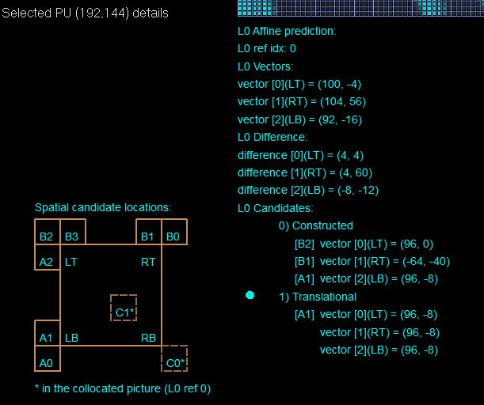
ESEMPIO 27
n=8
Block (192,144)
 | Cur_POC =3 | Size: 64x32
 | Ref_POC=2

 | Group 0 | x [h] | y [v]
1 | A2 | 97 | -1
2 | B2 | 97 | -1
3 | B3 | 97 | 15
 | Group 1
1 | B1 | -64 | -40
2 | B0 | -96 | -32
 | Group 2
1 | A1 | 98 | -7
2 | A0 | 98 | -7

 | Matlab Costructed candidates
 | Group 0 | x [h] | y [v]
3 | B3 | 97 | 15
 | Group 1
1 | B1 | -64 | -40
 | Group 2
1 | A1 | 98 | -7

VQ_n=8,4par
Seq: VQ_sample_432x240
File: sample.vvc
YUV: VQ_sample_432x240.yuv (original)/VQ_sample_432x240_Coded_8bit.yuv
n (encoder number of bits): 8

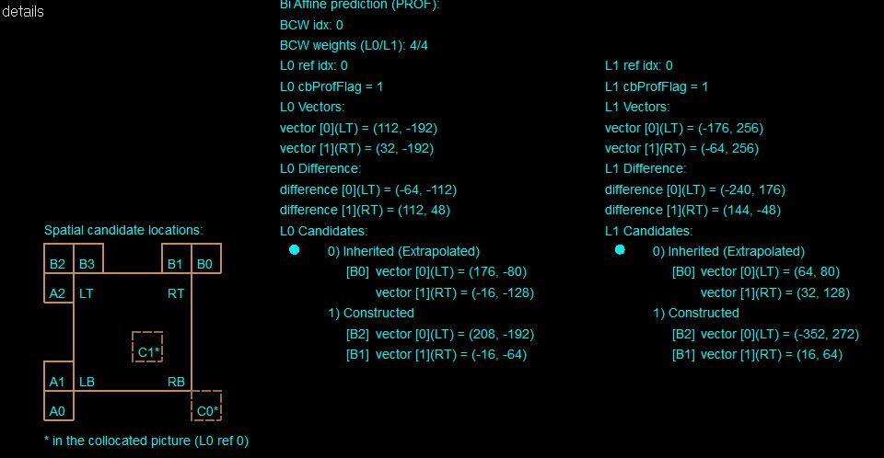
ESEMPIO 5
n=8
Block (192,160)
 | Cur_POC =3 | Size: 32x32
 | Ref_POC=2

 | Group 0 | x [h] | y [v]
1 | A2 | 208 | -192
2 | B2 | 208 | -192
3 | B3 | 216 | -192
 | Group 1
1 | B1 | -48 | -100
2 | B0 | -28 | -125
 | Group 2
1 | A1 | 208 | -256
2 | A0 | 108 | -267

 | Matlab Costructed candidates |  |  |  | VQ comply?
 | Group 0 | x [h] | y [v] |  | 1
1 | A2 | 208 | -192
 | Group 1
2 | B0 | -28 | -125

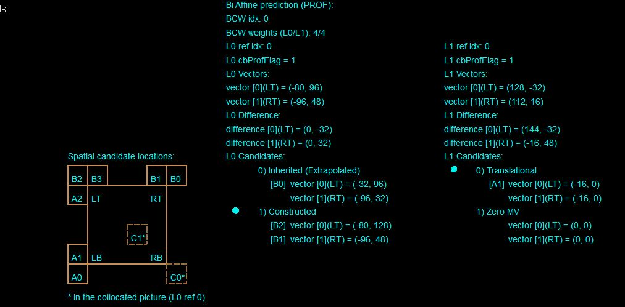
ESEMPIO 6
n=8
Block (192,96)
 | Cur_POC =28 | Size: 16x32
 | Ref_POC=24

 | Group 0 | x [h] | y [v]
1 | A2 | -56 | 88
2 | B2 | -88 | 128
3 | B3 | -80 | 80
 | Group 1
1 | B1 | -96 | 48
2 | B0 | -112 | 32
 | Group 2
1 | A1 | 16 | 0
2 | A0 | 0 | 0

 | Matlab Costructed candidates
 | Group 0 | x [h] | y [v]
1 | A2 | -56 | 88
 | Group 1
1 | B1 | -96 | 48
 |  |  |  |  | VQ Comply?
 |  |  |  |  | 0

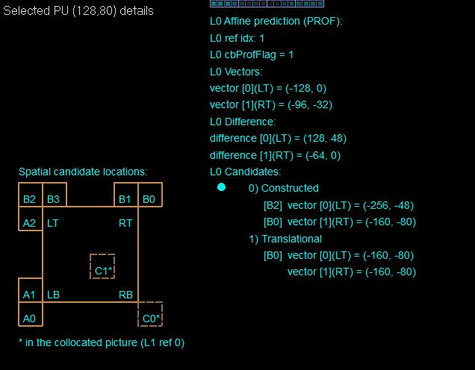
ESEMPIO 15
n=8
Block (128,80)
 | Cur_POC =2 | Size: 16(w)x32(h)
 | Ref_POC=4 (L0 ref idx:1)

 | Group 0 | x [h] | y [v]
1 | A2 | -256 | -48
2 | B2 | -256 | -48
3 | B3 | UA | UA | (L0 ref idx:0)
 | Group 1
1 | B1 | UA | UA | (L0 ref idx:0)
2 | B0 | -160 | -80
 | Group 2
1 | A1 | UA | UA | (L0 ref idx:0)
2 | A0 | UA | UA

 | Matlab Costructed candidates
 | Niente da costruire

VQ_n=8,6par
Seq: VQ_sample_432x240
File: sample.vvc
YUV: VQ_sample_432x240.yuv (original)/VQ_sample_432x240_Coded_8bit.yuv
n (encoder number of bits): 8
SIX PARAMETER MODEL

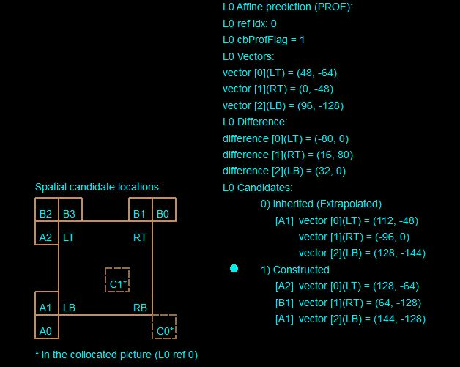
ESEMPIO 8
n=8
Block (160,128)
 | Cur_POC =12 | Size: 32x16
 | Ref_POC=8

 | Group 0 | x [h] | y [v]
1 | A2 | 127 | -63
2 | B2 | UA | UA
3 | B3 | UA | UA
 | Group 1
1 | B1 | 64 | -128
2 | B0 | UA | UA
 | Group 2
1 | A1 | 139 | -135
2 | A0 | 137 | -127

 | Matlab Costructed candidates
 | Group 0 | x [h] | y [v]
1 | A2 | 127 | -63
 | Group 1
1 | B1 | 64 | -128
 | Group 2
2 | A0 | 137 | -127 | VQ comply?
 |  |  |  | 0

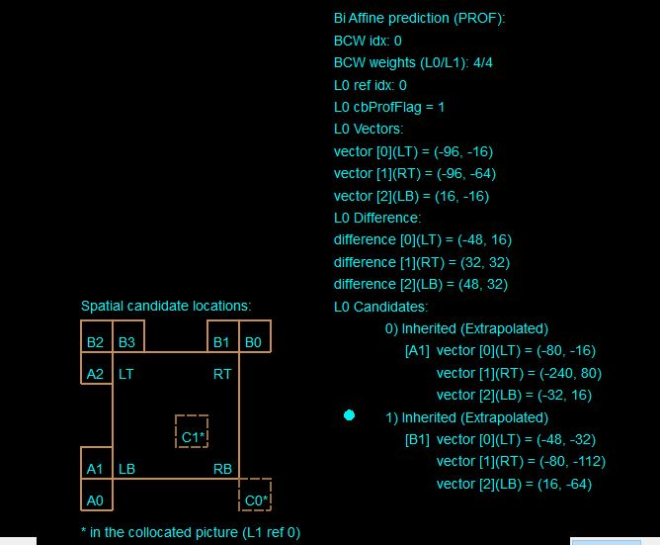
ESEMPIO 9
n=8
Block (208,96)
 | Cur_POC =34 | Size: 32x32
 | Ref_POC=32

 | Group 0 | x [h] | y [v]
1 | A2 | -64 | 0
2 | B2 | -80 | 0
3 | B3 | -63 | 35
 | Group 1
1 | B1 | -91 | -105
2 | B0 | -86 | -34
 | Group 2
1 | A1 | -34 | 8
2 | A0 | 29 | -24

 | Matlab Costructed candidates
 | Group 0 | x [h] | y [v]
1 | A2 | -64 | 0
 | Group 1
1 | B1 | -91 | -105
 | Group 2
2 | A0 | 29 | -24

 |  |  |  | VQ comply?
 |  |  |  | 1

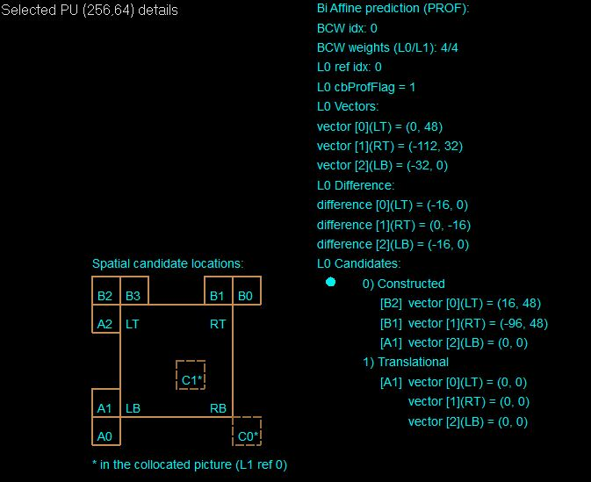
ESEMPIO 14
n=8
Block (256,64)
 | Cur_POC =1 | Size: 64 (w)x32(h)
 | Ref_POC=0

 | Group 0 | x [h] | y [v]
1 | A2 | -2 | 32
2 | B2 | 12 | 44
3 | B3 | -5 | 42
 | Group 1
1 | B1 | -90 | 46
2 | B0 | 192 | -64
 | Group 2
1 | A1 | -5 | -6
2 | A0 | -35 | -2

 | Matlab Costructed candidates
 | Group 0 | x [h] | y [v]
3 | B3 | -5 | 42
 | Group 1
1 | B1 | -90 | 46
 | Group 2
1 | A1 | -5 | -6

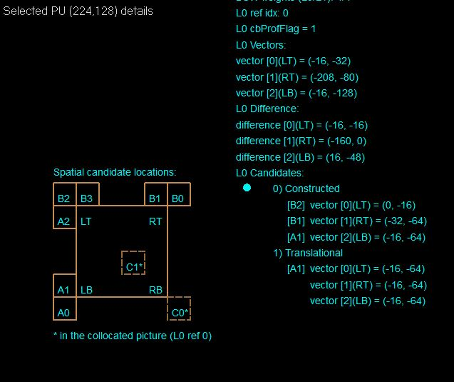
ESEMPIO 22
n=8
Block (224,128)
 | Cur_POC =3 | Size: 32x32
 | Ref_POC=2

 | Group 0 | x [h] | y [v]
1 | A2 | 16 | -36
2 | B2 | -3 | -21
3 | B3 | -16 | -4
 | Group 1
1 | B1 | -37 | -64
2 | B0 | -21 | -64
 | Group 2
1 | A1 | -16 | -68
2 | A0 | 37 | -197

 | Matlab Costructed candidates
 | Group 0 | x [h] | y [v]
2 | B2 | -3 | -21
 | Group 1
1 | B1 | -37 | -64
 | Group 2
1 | A1 | -16 | -68

Basket_n=8,6par
Seq: BasketballPass_416x240_50
File: BasketballPass_416x240_50.yuv
Coded YUV: BasketballPass_416x240_50_Coded_8bit.yuv
n (encoder number of bits): 8
SIX PARAMETER MODEL

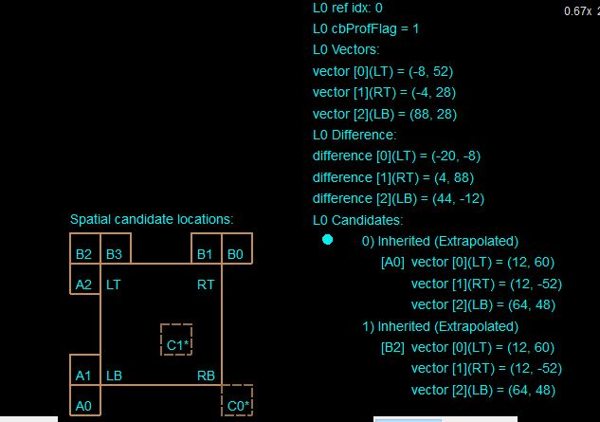
 | ESEMPIO 10 (INCOSISTENTE, NON C'E' NULLA DA SCEGLIERE)
 | n=8
 | Block (224,104)
 |  | Cur_POC =49 | Size: 16x16
 |  | Ref_POC=48

 |  | Group 0 | x [h] | y [v]
 | 1 | A2 | 20 | 73
 | 2 | B2 | 7 | 77
 | 3 | B3 | 32 | 80
 |  | Group 1
 | 1 | B1 | 32 | 80
 | 2 | B0 | 39 | -20
 |  | Group 2
 | 1 | A1 | 59 | 63
 | 2 | A0 | 72 | 59

 |  | Matlab Costructed candidates
 |  | Group 0 | x [h] | y [v]
 | 3 | B3 | 32 | 80
 |  | Group 1
 | 1 | B1 | 32 | 80
 |  | Group 2
 | 1 | A1 | 59 | 63

 |  |  |  |  | VQ comply?
 |  |  |  |  | INCONSISTENTE

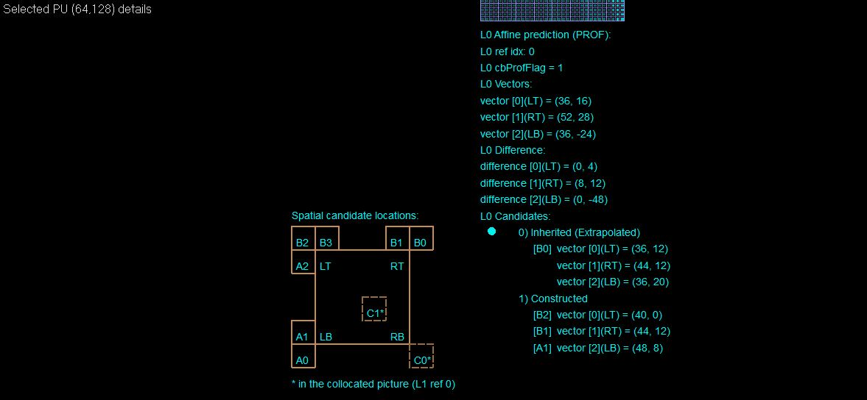
 | ESEMPIO 11
 | n=8
 | Block (64,128)
 |  | Cur_POC =1 | Size: 32x32
 |  | Ref_POC=0

 |  | Group 0 | x [h] | y [v]
 | 1 | A2 | 39 | 8
 | 2 | B2 | 39 | 0
 | 3 | B3 | 33 | 12
 |  | Group 1
 | 1 | B1 | 44 | 12
 | 2 | B0 | 45 | 12
 |  | Group 2
 | 1 | A1 | 47 | 8
 | 2 | A0 | 47 | 8

 |  | Matlab Costructed candidates
 |  | Group 0 | x [h] | y [v]
 | 1 | A2 | 39 | 8
 |  | Group 1
 | 1 | B1 | 44 | 12
 |  | Group 2
 | 1 | A1 | 47 | 8 | VQ comply?
 |  |  |  |  | 0

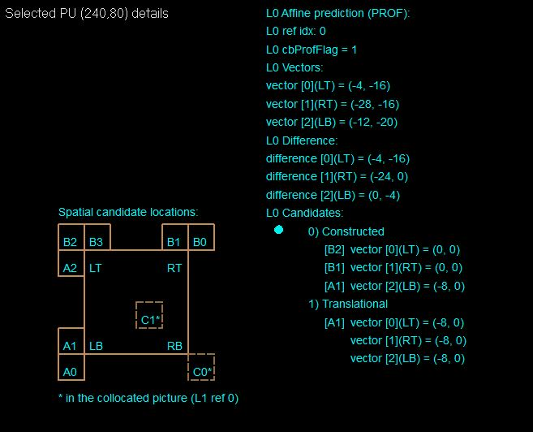
 | ESEMPIO 21
 | n=8
 | Block (240,80)
 |  | Cur_POC =7 | Size: 16(w)x32
 |  | Ref_POC=6

 |  | Group 0 | x [h] | y [v]
 | 1 | A2 | 0 | 0
 | 2 | B2 | 0 | 0
 | 3 | B3 | 0 | 0
 |  | Group 1
 | 1 | B1 | 0 | 0
 | 2 | B0 | 11 | -7
 |  | Group 2
 | 1 | A1 | -10 | 0
 | 2 | A0 | 0 | 0

 |  | Matlab Costructed candidates
 |  | Group 0 | x [h] | y [v]
 | 1 | A2 | 0 | 0
 |  | Group 1
 | 1 | B1 | 0 | 0
 |  | Group 2
 | 2 | A0 | 0 | 0

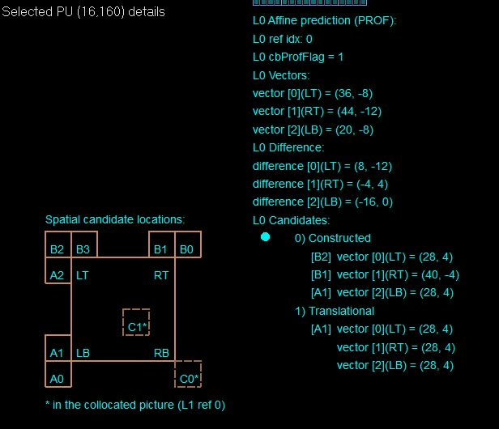
 | ESEMPIO 25
 | n=8
 | Block (16,160)
 |  | Cur_POC =25 | Size: 16(w)x32
 |  | Ref_POC=24

 |  | Group 0 | x [h] | y [v]
 | 1 | A2 | 28 | 4
 | 2 | B2 | 28 | 4
 | 3 | B3 | 40 | -6
 |  | Group 1
 | 1 | B1 | 40 | -6
 | 2 | B0 | 34 | -8
 |  | Group 2
 | 1 | A1 | 28 | 4
 | 2 | A0 | 15 | -9

 |  | Matlab Costructed candidates
 |  | Group 0 | x [h] | y [v]
 | 3 | B3 | 40 | -6
 |  | Group 1
 | 1 | B1 | 40 | -6
 |  | Group 2
 | 1 | A1 | 28 | 4

 |  |  |  |  |  | *Se vai a vedere proprio il blocco è appilcata la stima con modellazione geometrica (Merge GEO). In un caso del genere ho scelto di prendere il MV indicato in "Selection Info" anziché quello indicato da B0 in sé. (Questo fa s' che la costruzione del blocco sia VTM-Compliant)

Basket_n=8,4par
Seq: BasketballPass_416x240_50
File: BasketballPass_416x240_50.yuv
Coded YUV: BasketballPass_416x240_50_Coded_8bit.yuv
n (encoder number of bits): 8
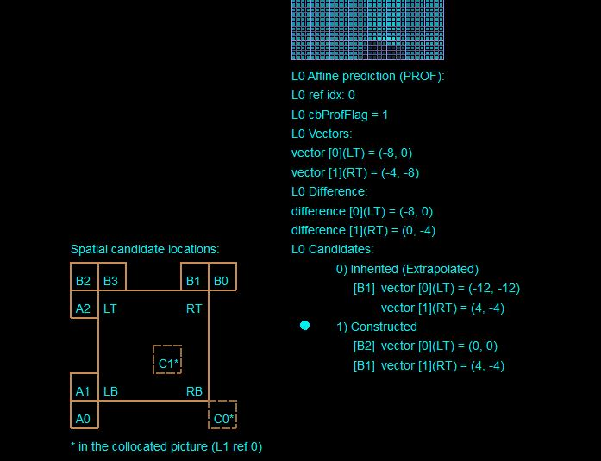
FOUR PARAMETER MODEL

 | ESEMPIO 13
 | n=8
 | Block (256,160)
 |  | Cur_POC =1 | Size: 32x32
 |  | Ref_POC=0

 |  | Group 0 | x [h] | y [v]
 | 1 | A2 | 0 | 0
 | 2 | B2 | 0 | 0
 | 3 | B3 | -10 | -11
 |  | Group 1
 | 1 | B1 | 4 | -4
 | 2 | B0 | 4 | 4
 |  | Group 2
 | 1 | A1 | 0 | 0
 | 2 | A0 | 0 | 0

 |  | Matlab Costructed candidates
 |  | Group 0 | x [h] | y [v]
 | 1 | A2 | 0 | 0
 |  | Group 1
 | 1 | B1 | 4 | -4
 |  | Group 2
 | 1 | A1 | 0 | 0

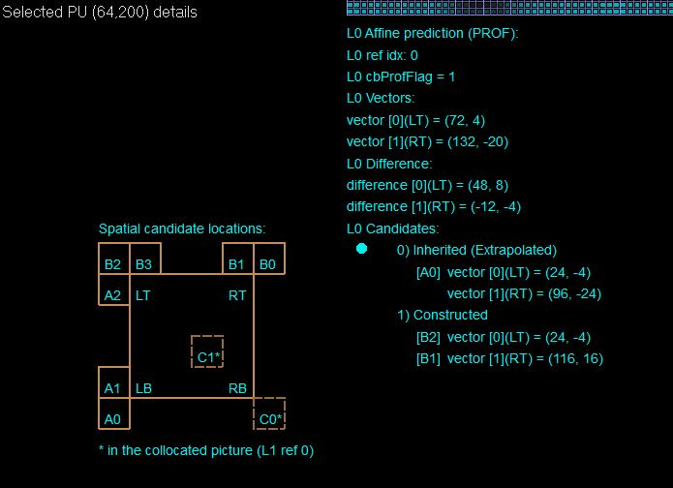
 | ESEMPIO 20
 | n=8
 | Block (64,200)
 |  | Cur_POC =5 | Size: 64(w)x16
 |  | Ref_POC=4

 |  | Group 0 | x [h] | y [v]
 | 1 | A2 | 24 | -4
 | 2 | B2 | 24 | -4
 | 3 | B3 | 24 | -4
 |  | Group 1
 | 1 | B1 | 118 | 17
 | 2 | B0 | 0 | 0
 |  | Group 2
 | 1 | A1 | 22 | -3
 | 2 | A0 | 22 | -3

 |  | Matlab Costructed candidates
 |  | Group 0 | x [h] | y [v]
 | 1 | A2 | 24 | -4
 |  | Group 1
 | 2 | B0 | 0 | 0

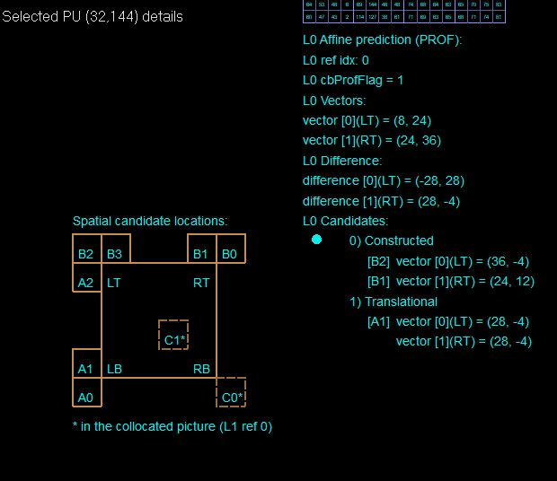
 | ESEMPIO 26
 | n=8
 | Block (32,144)
 |  | Cur_POC =29 | Size: 16(w)x16
 |  | Ref_POC=28

 |  | Group 0 | x [h] | y [v]
 | 1 | A2 | 37 | -6
 | 2 | B2 | 37 | -6
 | 3 | B3 | 23 | 12
 |  | Group 1
 | 1 | B1 | 23 | 12
 | 2 | B0 | 25 | -6
 |  | Group 2
 | 1 | A1 | 29 | -6
 | 2 | A0 | 15 | -9

 |  | Matlab Costructed candidates
 |  | Group 0 | x [h] | y [v]
 | 2 | B2 | 37 | -6
 |  | Group 1
 | 1 | B1 | 23 | 12

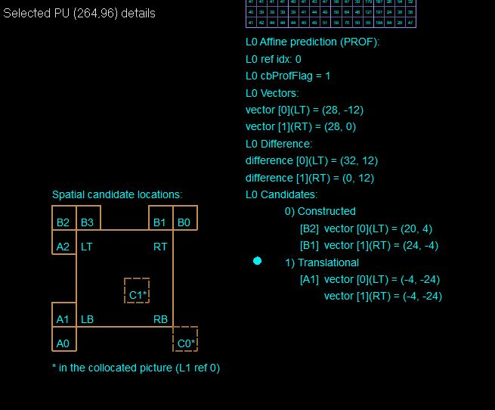
 | ESEMPIO 29
 | n=8
 | Block (264,96)
 |  | Cur_POC =38 | Size: 16x16
 |  | Ref_POC=37

 |  | Group 0 | x [h] | y [v]
 | 1 | A2 | -4 | -24
 | 2 | B2 | 21 | 5
 | 3 | B3 | 21 | 5
 |  | Group 1
 | 1 | B1 | 25 | -3
 | 2 | B0 | 32 | 56
 |  | Group 2
 | 1 | A1 | -4 | -24
 | 2 | A0 | 0 | 0

 |  | Matlab Costructed candidates
 |  | Group 0 | x [h] | y [v]
 | 1 | A2 | -4 | -24
 |  | Group 1
 | 1 | B1 | 25 | -3

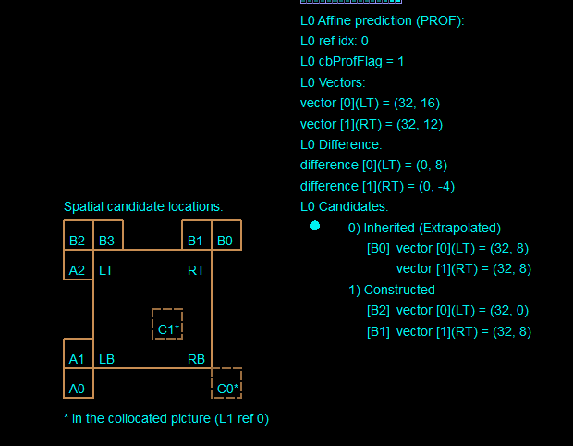
 | ESEMPIO 31
 | n=8
 | Block (64,64)
 |  | Cur_POC =4 | Size: 16(w)x64
 |  | Ref_POC=3

 |  | Group 0 | x [h] | y [v]
 | 1 | A2 | 32 | 8
 | 2 | B2 | 32 | 0
 | 3 | B3 | 32 | 8
 |  | Group 1
 | 1 | B1 | 32 | 8
 | 2 | B0 | 32 | 8
 |  | Group 2
 | 1 | A1 | 32 | 8
 | 2 | A0 | 32 | 8

 |  | Matlab Costructed candidates
 |  | Group 0 | x [h] | y [v]
 | 1 | A2 | 32 | 8
 |  | Group 1
 | 1 | B1 | 32 | 8

