n=10,4par
Seq: RaceHorses_416x240_30
File: RaceHorses_encoderOutput_Level1.bin
YUV: RaceHorses_416x240_30_Coded_Level1.yuv
n (encoder number of bits): 10

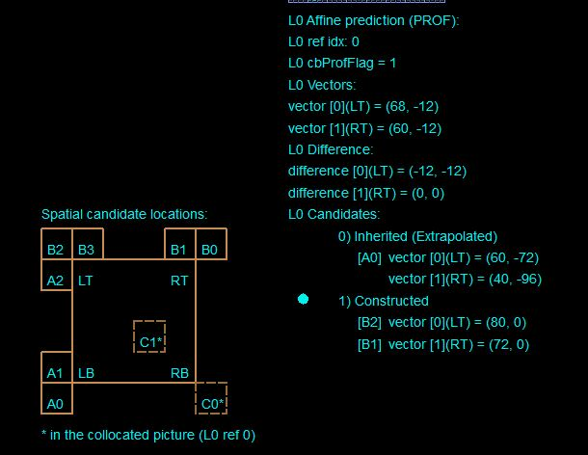
ESEMPIO 1
n=10
Block (128,160)
 | POC =1 | Size: 32x32

 | Group 0 | x [h] | y [v]
1 | A2 | 71 | 1
2 | B2 | 79 | 1
3 | B3 | 73 | 6
 | Group 1
1 | B1 | 73 | -2
2 | B0 | 84 | 4
 | Group 2
1 | A1 | 71 | 1
2 | A0 | 57 | -24

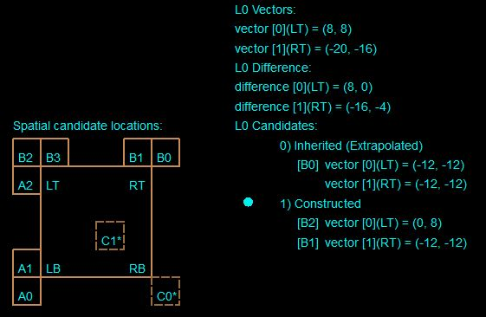
ESEMPIO 2
n=10
Block (306,64)
 | POC =5 | Size: 16x16

 | Group 0 | x [h] | y [v]
1 | A2 | 1 | 9
2 | B2 | 1 | 9
3 | B3 | 14 | -15
 | Group 1
1 | B1 | -11 | -11
2 | B0 | -12 | -11
 | Group 2
1 | A1 | 1 | 9
2 | A0 | 1 | 9

n=8,4par
Seq: RaceHorses_416x240_30
File: RaceHorses_encoderOutput_8bit.bin
YUV: RaceHorses_416x240_30_Coded_8bit.yuv
n (encoder number of bits): 8

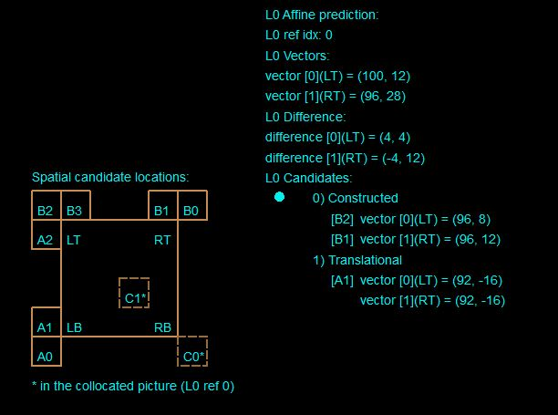
ESEMPIO 3
n=8
Block (208,160)
 | POC =4 | Size: 32x32

 | Group 0 | x [h] | y [v]
1 | A2 | 96 | 9
2 | B2 | 96 | 9
3 | B3 | 98 | 14
 | Group 1
1 | B1 | 98 | 14
2 | B0 | 98 | 14
 | Group 2
1 | A1 | 92 | -16
2 | A0 | 95 | -11

 | VQ comply?
 | OK

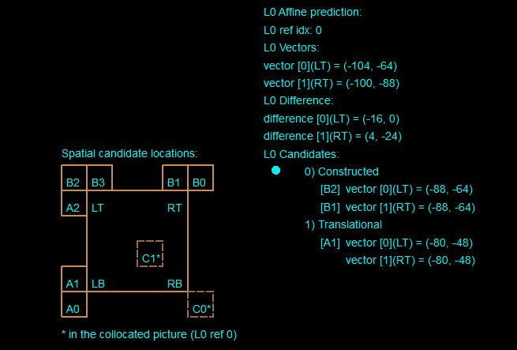
ESEMPIO 4
n=8
Block (256,64)
 | POC =4 | Size: 16x32

 | Group 0 | x [h] | y [v]
1 | A2 | -80 | -48
2 | B2 | -88 | -64
3 | B3 | -88 | -64
 | Group 1
1 | B1 | -88 | -64
2 | B0 | -88 | -64
 | Group 2
1 | A1 | -80 | -48
2 | A0 | -66 | -42

 | VQ comply?
 | OK

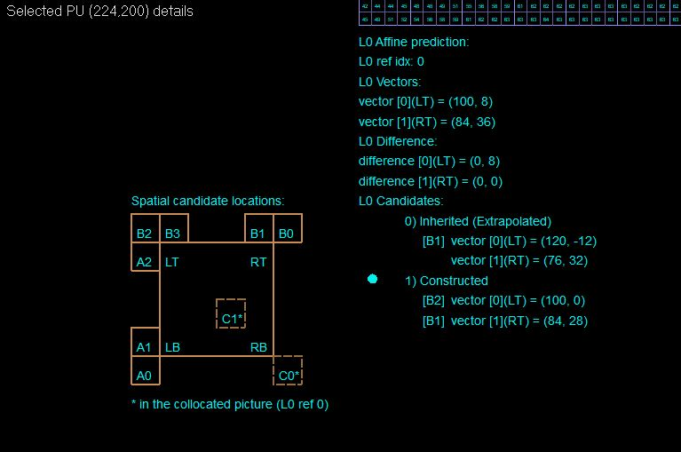
ESEMPIO 19
n=8
Block (224,200)
 | POC =2 | Size: 32(w)x16
 | Ref_POC=1

 | Group 0 | x [h] | y [v]
1 | A2 | 97 | -2
2 | B2 | 99 | -2
3 | B3 | 99 | 0
 | Group 1
1 | B1 | 83 | 29
2 | B0 | 81 | 39
 | Group 2
1 | A1 | 116 | 11
2 | A0 | 116 | 11

 | Matlab Costructed candidates
 | Group 0 | x [h] | y [v]
3 | B3 | 99 | 0
 | Group 1
1 | B1 | 83 | 29

n=8,6par
Seq: RaceHorses_416x240_30
File: RaceHorses_encoderOutput_8bit.bin
YUV: RaceHorses_416x240_30_Coded_8bit.yuv
n (encoder number of bits): 8
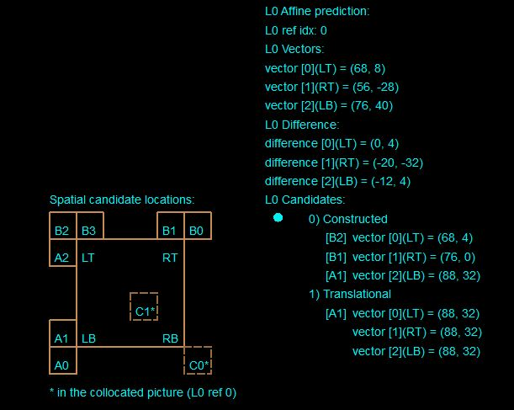
SIX PARAMETER MODEL

ESEMPIO 7
n=8
Block (96,192)
 | Cur_POC =1 | Size: 32x32
 | Ref_POC=0

 | Group 0 | x [h] | y [v]
1 | A2 | 68 | -26
2 | B2 | 68 | 6
3 | B3 | 75 | 1
 | Group 1
1 | B1 | 75 | 1
2 | B0 | 64 | -16
 | Group 2
1 | A1 | 88 | 32
2 | A0 | 96 | 32

 | Matlab Costructed candidates
 | Matlab è d'accordo con VQ Analyzer

 |  |  |  | VQ comply?
 |  |  |  | OK

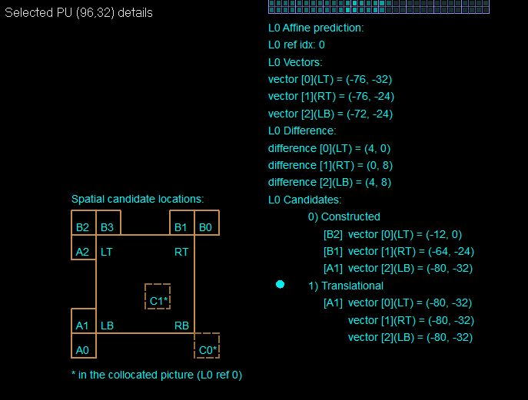
ESEMPIO 17
n=8
Block (96,32)
 | Cur_POC =1 | Size: 32x32
 | Ref_POC=0

 | Group 0 | x [h] | y [v]
1 | A2 | -72 | -24
2 | B2 | -12 | 0
3 | B3 | -64 | -24
 | Group 1
1 | B1 | -64 | -24
2 | B0 | -64 | -24
 | Group 2
1 | A1 | -80 | -32
2 | A0 | -72 | -24

 | Matlab Costructed candidates
 | Group 0 | x [h] | y [v]
1 | A2 | -72 | -24
 | Group 1
1 | B1 | -64 | -24
 | Group 2
2 | A0 | -72 | -24

VQ_n=8,4par
Seq: VQ_sample_432x240
File: sample.vvc
YUV: VQ_sample_432x240.yuv (original)/VQ_sample_432x240_Coded_8bit.yuv
n (encoder number of bits): 8

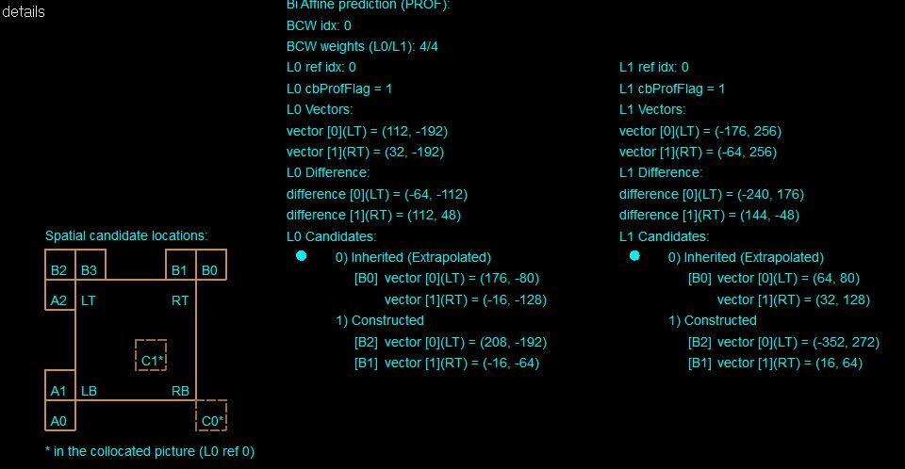
ESEMPIO 5
n=8
Block (192,160)
 | Cur_POC =3 | Size: 32x32
 | Ref_POC=2

 | Group 0 | x [h] | y [v]
1 | A2 | 208 | -192
2 | B2 | 208 | -192
3 | B3 | 216 | -192
 | Group 1
1 | B1 | -48 | -100
2 | B0 | -28 | -125
 | Group 2
1 | A1 | 208 | -256
2 | A0 | 108 | -267

 | Matlab Costructed candidates |  |  | VQ comply?
 | Group 0 | x [h] | y [v] | 1
1 | A2 | 208 | -192
 | Group 1
2 | B0 | -28 | -125

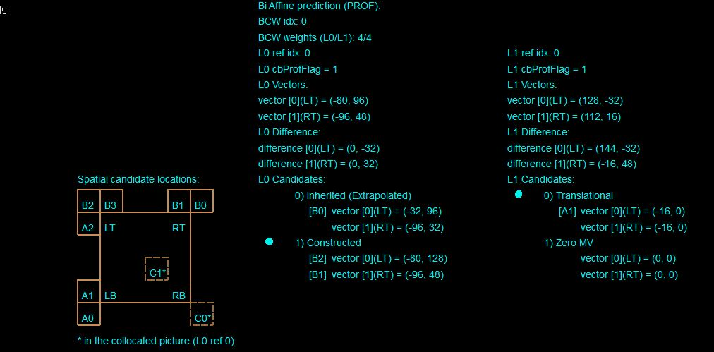
ESEMPIO 6
n=8
Block (192,96)
 | Cur_POC =28 | Size: 16x32
 | Ref_POC=24

 | Group 0 | x [h] | y [v]
1 | A2 | -56 | 88
2 | B2 | -88 | 128
3 | B3 | -80 | 80
 | Group 1
1 | B1 | -96 | 48
2 | B0 | -112 | 32
 | Group 2
1 | A1 | 16 | 0
2 | A0 | 0 | 0

 | Matlab Costructed candidates
 | Group 0 | x [h] | y [v]
1 | A2 | -56 | 88
 | Group 1
1 | B1 | -96 | 48
 |  |  |  | VQ Comply?
 |  |  |  | 0

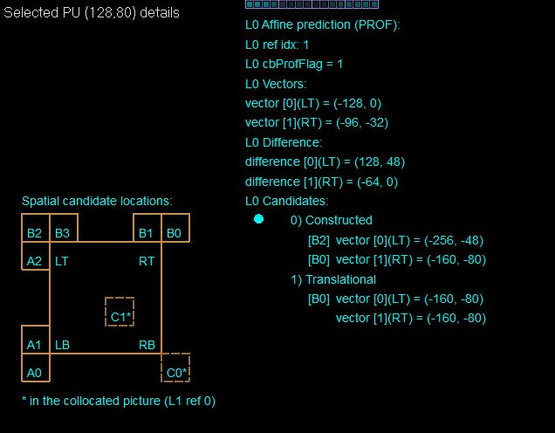
ESEMPIO 15
n=8
Block (128,80)
 | Cur_POC =2 | Size: 16(w)x32(h)
 | Ref_POC=0

 | Group 0 | x [h] | y [v]
1 | A2 | -256 | -48
2 | B2 | -256 | -48
3 | B3 | 128 | 64
 | Group 1
1 | B1 | 128 | 64
2 | B0 | -160 | -80
 | Group 2
1 | A1 | 145 | -52
2 | A0 | 139 | -62

 | Matlab Costructed candidates
 | Group 0 | x [h] | y [v]
3 | B3 | 128 | 64
 | Group 1
1 | B1 | 128 | 64

VQ_n=8,6par
Seq: VQ_sample_432x240
File: sample.vvc
YUV: VQ_sample_432x240.yuv (original)/VQ_sample_432x240_Coded_8bit.yuv
n (encoder number of bits): 8
SIX PARAMETER MODEL

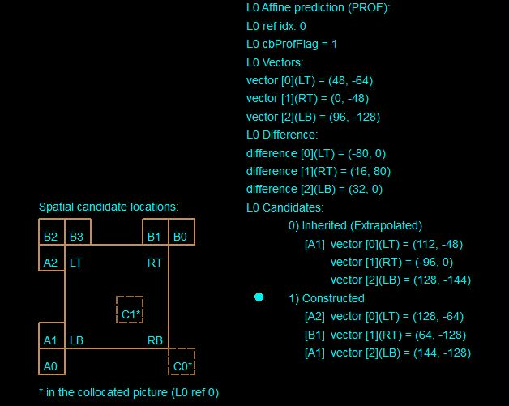
ESEMPIO 8
n=8
Block (160,128)
 | Cur_POC =12 | Size: 32x16
 | Ref_POC=8

 | Group 0 | x [h] | y [v]
1 | A2 | 127 | -63
2 | B2 | 0 | 0
3 | B3 | 0 | 0
 | Group 1
1 | B1 | 64 | -128
2 | B0 | 0 | 0
 | Group 2
1 | A1 | 139 | -135
2 | A0 | 137 | -127

 | Matlab Costructed candidates
 | Group 0 | x [h] | y [v]
1 | A2 | 127 | -63
 | Group 1
1 | B1 | 64 | -128
 | Group 2
2 | A0 | 137 | -127 | VQ comply?
 |  |  |  | 0

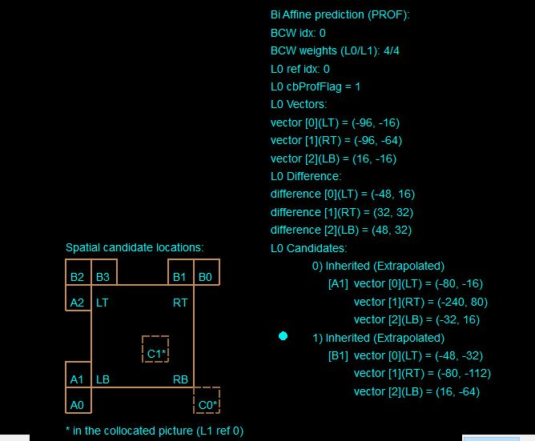
ESEMPIO 9
n=8
Block (208,96)
 | Cur_POC =34 | Size: 32x32
 | Ref_POC=32

 | Group 0 | x [h] | y [v]
1 | A2 | -64 | 0
2 | B2 | -80 | 0
3 | B3 | -63 | 35
 | Group 1
1 | B1 | -91 | -105
2 | B0 | -86 | -34
 | Group 2
1 | A1 | -34 | 8
2 | A0 | 29 | -24

 | Matlab Costructed candidates
 | Group 0 | x [h] | y [v]
1 | A2 | -64 | 0
 | Group 1
1 | B1 | -91 | -105
 | Group 2
2 | A0 | 29 | -24

 |  |  |  | VQ comply?
 |  |  |  | 1

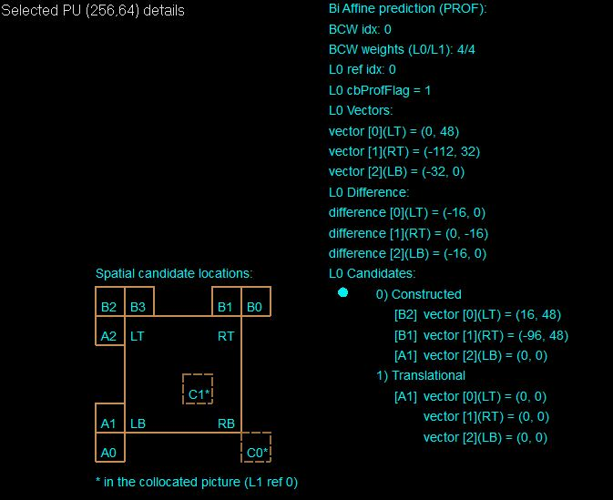
ESEMPIO 14
n=8
Block (256,64)
 | Cur_POC =1 | Size: 64 (w)x32(h)
 | Ref_POC=0

 | Group 0 | x [h] | y [v]
1 | A2 | -2 | 32
2 | B2 | 12 | 44
3 | B3 | -5 | 42
 | Group 1
1 | B1 | -90 | 46
2 | B0 | 192 | -64
 | Group 2
1 | A1 | -5 | -6
2 | A0 | -35 | -2

 | Matlab Costructed candidates
 | Group 0 | x [h] | y [v]
3 | B3 | -5 | 42
 | Group 1
1 | B1 | -90 | 46
 | Group 2
1 | A1 | -5 | -6

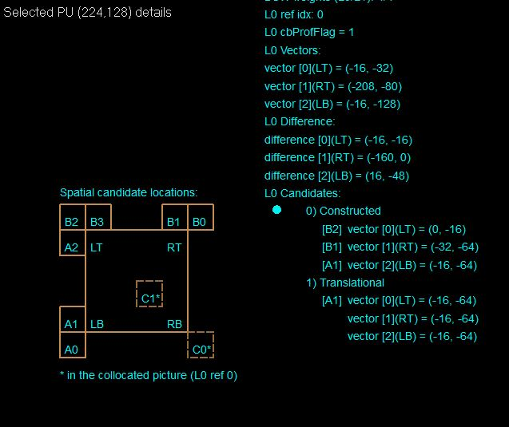
ESEMPIO 22
n=8
Block (224,128)
 | Cur_POC =3 | Size: 32x32
 | Ref_POC=2

 | Group 0 | x [h] | y [v]
1 | A2 | 16 | -36
2 | B2 | -3 | -21
3 | B3 | -16 | -4
 | Group 1
1 | B1 | -37 | -64
2 | B0 | -21 | -64
 | Group 2
1 | A1 | -16 | -68
2 | A0 | 37 | -197

 | Matlab Costructed candidates
 | Group 0 | x [h] | y [v]
2 | B2 | -3 | -21
 | Group 1
1 | B1 | -37 | -64
 | Group 2
1 | A1 | -16 | -68

Basket_n=8,6par
Seq: BasketballPass_416x240_50
File: BasketballPass_416x240_50.yuv
Coded YUV: BasketballPass_416x240_50_Coded_8bit.yuv
n (encoder number of bits): 8
SIX PARAMETER MODEL

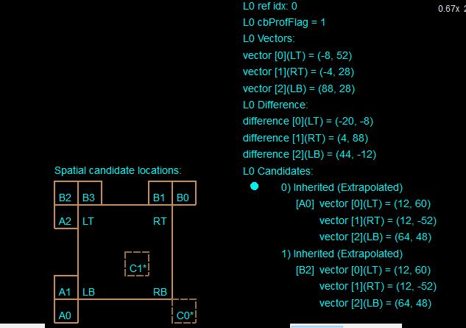
 | ESEMPIO 10 (INCOSISTENTE, NON C'E' NULLA DA SCEGLIERE)
 | n=8
 | Block (224,104)
 |  | Cur_POC =49 | Size: 16x16
 |  | Ref_POC=48

 |  | Group 0 | x [h] | y [v]
 | 1 | A2 | 20 | 73
 | 2 | B2 | 7 | 77
 | 3 | B3 | 32 | 80
 |  | Group 1
 | 1 | B1 | 32 | 80
 | 2 | B0 | 39 | -20
 |  | Group 2
 | 1 | A1 | 59 | 63
 | 2 | A0 | 72 | 59

 |  | Matlab Costructed candidates
 |  | Group 0 | x [h] | y [v]
 | 3 | B3 | 32 | 80
 |  | Group 1
 | 1 | B1 | 32 | 80
 |  | Group 2
 | 1 | A1 | 59 | 63

 |  |  |  |  | VQ comply?
 |  |  |  |  | INCONSISTENTE

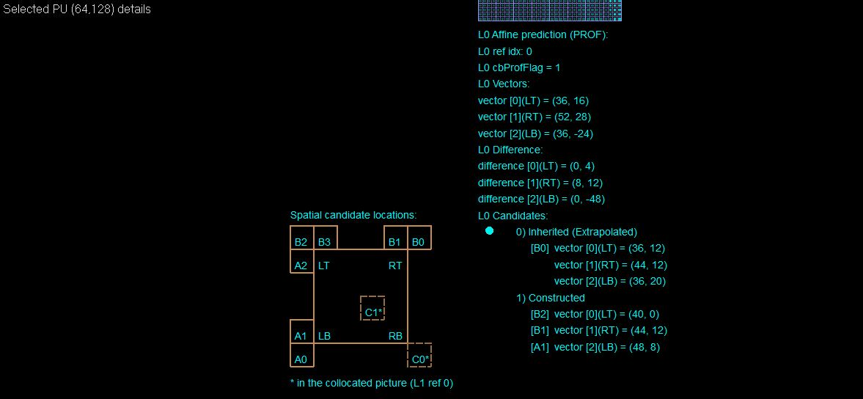
 | ESEMPIO 11
 | n=8
 | Block (64,128)
 |  | Cur_POC =1 | Size: 32x32
 |  | Ref_POC=0

 |  | Group 0 | x [h] | y [v]
 | 1 | A2 | 39 | 8
 | 2 | B2 | 39 | 0
 | 3 | B3 | 33 | 12
 |  | Group 1
 | 1 | B1 | 44 | 12
 | 2 | B0 | 45 | 12
 |  | Group 2
 | 1 | A1 | 47 | 8
 | 2 | A0 | 47 | 8

 |  | Matlab Costructed candidates
 |  | Group 0 | x [h] | y [v]
 | 1 | A2 | 39 | 8
 |  | Group 1
 | 1 | B1 | 44 | 12
 |  | Group 2
 | 1 | A1 | 47 | 8 | VQ comply?
 |  |  |  |  | 0

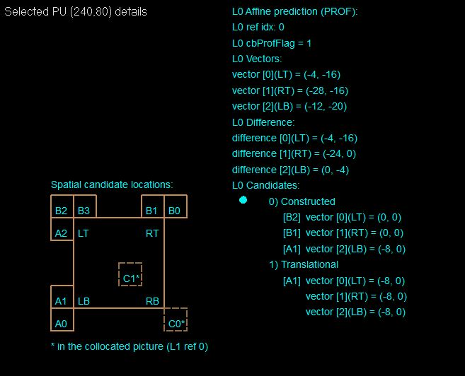
 | ESEMPIO 21
 | n=8
 | Block (240,80)
 |  | Cur_POC =7 | Size: 16(w)x32
 |  | Ref_POC=6

 |  | Group 0 | x [h] | y [v]
 | 1 | A2 | 0 | 0
 | 2 | B2 | 0 | 0
 | 3 | B3 | 0 | 0
 |  | Group 1
 | 1 | B1 | 0 | 0
 | 2 | B0 | 11 | -7
 |  | Group 2
 | 1 | A1 | -10 | 0
 | 2 | A0 | 0 | 0

 |  | Matlab Costructed candidates
 |  | Group 0 | x [h] | y [v]
 | 1 | A2 | 0 | 0
 |  | Group 1
 | 1 | B1 | 0 | 0
 |  | Group 2
 | 2 | A0 | 0 | 0

Basket_n=8,4par
Seq: BasketballPass_416x240_50
File: BasketballPass_416x240_50.yuv
Coded YUV: BasketballPass_416x240_50_Coded_8bit.yuv
n (encoder number of bits): 8
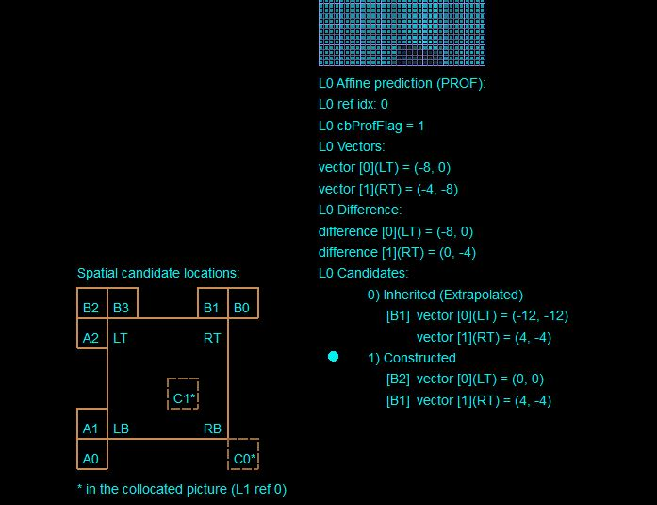
FOUR PARAMETER MODEL

 | ESEMPIO 13
 | n=8
 | Block (256,160)
 |  | Cur_POC =1 | Size: 32x32
 |  | Ref_POC=0

 |  | Group 0 | x [h] | y [v]
 | 1 | A2 | 0 | 0
 | 2 | B2 | 0 | 0
 | 3 | B3 | -10 | -11
 |  | Group 1
 | 1 | B1 | 4 | -4
 | 2 | B0 | 4 | 4
 |  | Group 2
 | 1 | A1 | 0 | 0
 | 2 | A0 | 0 | 0

 |  | Matlab Costructed candidates
 |  | Group 0 | x [h] | y [v]
 | 1 | A2 | 0 | 0
 |  | Group 1
 | 1 | B1 | 4 | -4
 |  | Group 2
 | 1 | A1 | 0 | 0

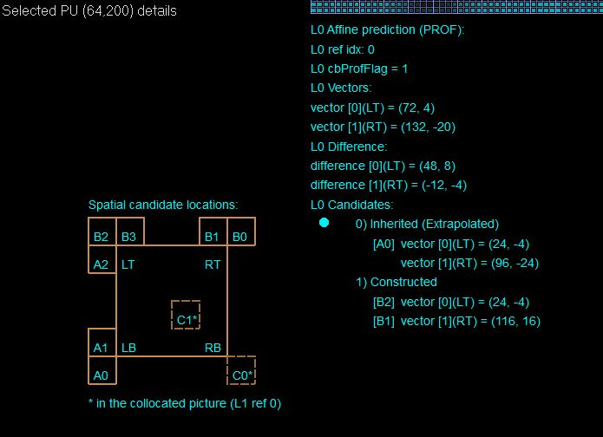
 | ESEMPIO 20
 | n=8
 | Block (64,200)
 |  | Cur_POC =5 | Size: 64(w)x16
 |  | Ref_POC=4

 |  | Group 0 | x [h] | y [v]
 | 1 | A2 | 24 | -4
 | 2 | B2 | 24 | -4
 | 3 | B3 | 24 | -4
 |  | Group 1
 | 1 | B1 | 118 | 17
 | 2 | B0 | 0 | 0
 |  | Group 2
 | 1 | A1 | 22 | -3
 | 2 | A0 | 22 | -3

 |  | Matlab Costructed candidates
 |  | Group 0 | x [h] | y [v]
 | 1 | A2 | 24 | -4
 |  | Group 1
 | 2 | B0 | 0 | 0

