Orbit
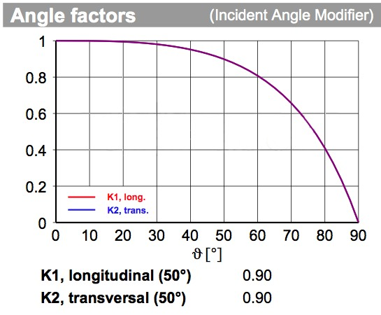
Coug Sat-1 Orbital Energy Budget
This sheet analyzes the energy in and out of the satellite per orbit
Total Energy | 2.91 Wh | Time in Sun | 1.1 hours | Time is based off a beta angle of 0°
Used Energy Sun | 2.14 Wh | Time in Eclipse | 0.4 hours | Worst case orbit relative to sun
Used Energy Eclipse | 0.71 Wh | Panel Qty | 1.40 Panels | 1 Face = 1 Panel
Remaining | 0.05 Wh | Panel Power | 2.1 W | 2 Faces = √2*0.9 = 1.27 Panels
 |  | EPS Efficiency | 90% | 3 Faces = √3*0.85 = 1.47 Panels

Load | Power Consumption | Duty cycle | Hours Per Orbit | Energy | Model | Mode
PMIC | 0.05 W | 100% | 1.50 hr | 0.075 Wh | STM32L476 @ 80 MHz
IHU | 0.05 W | 100% | 1.50 hr | 0.075 Wh | STM32L496 @ 80 MHz
RX | 0.48 W | 100% | 1.50 hr | 0.720 Wh
Beacon TX | 1.00 W | 13% | 0.20 hr | 0.200 Wh
High Speed TX | 4.00 W | 4% | 0.06 hr | 0.250 Wh
ADCS | 0.05 W | 100% | 1.50 hr | 0.075 Wh | STM32L476 @ 80 MHz
Magnetorquers | 0.10 W | 50% | 0.75 hr | 0.075 Wh | 2 Metal core + 1 Air core
IMU | 0.16 W | 100% | 1.50 hr | 0.244 Wh | BO055
GPS | 0.11 W | 100% | 1.50 hr | 0.163 Wh
SD Card | 0.26 W | 10% | 0.15 hr | 0.040 Wh | SwissBit S-46u
Heaters | 2.00 W | 17% | 0.25 hr | 0.500 Wh | The Sun is a good heater too
Camera Gound | 0.81 W | 5% | 0.08 hr | 0.061 Wh | OV5642
Phantom Loads | 0.25 W | 100% | 1.50 hr | 0.375 Wh | Sum of all tiny loads

