Laser
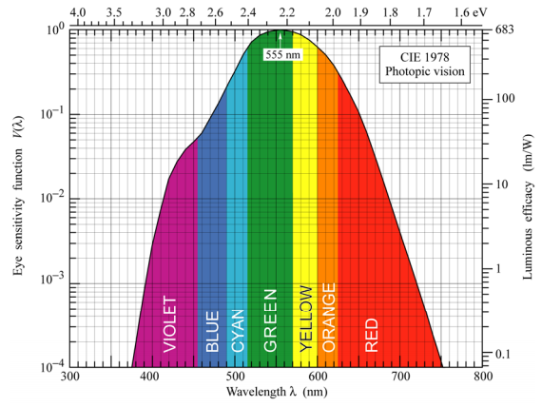
Laser
Laser based high speed communication and signaling

Transmitted Optical Power | 1000 mW | L808P1000MM | Object | Apparent Magnitude
Wavelength | 808 nm |  | Sun | -26.8
Lens Output Half Angle | 0.5 ° |  | Full Moon | -12.5
Altitude | 600 km |  | ISS | -5.9
Observation Angle | 30.0 ° |  | Venus | -3.82
Link Distance | 1075 km |  | Betelgeuse | 0.8
Spot Radius | 9.4 km |  | Polaris | 2.5
Spot Irradiance | 3.62E-9 Wm⁻² |  | M31 (Amdromeda) | 3.44
Filter Transmission | 98% | FBH810-10 | Naked Eye Urban | 4
Telescope Aperture Diameter | 300 mm |  | Naked Eye Limit | 6
Received Optical Power | 2.50E-10 W |  | Binocular Limit | 10
Photodiode sensitivity | 0.40 AW⁻¹ | FDS025
Dark Current | 1.0 pA | 1V
Night Current |  | To be tested
Day Current |  | To be tested
Laser Current | 101.2 pA
Signal to Noise Ratio (Night) | 20.1 dB
Signal to Noise Ratio (Day) | 20.1 dB
Bit Error Rate (RZ-OOK)(Night) | 5.7E-13
Bit Error Rate (RZ-OOK)(Day) | 5.7E-13
Packet Size | 1024 B
Bits per byte | 10 b | 10b/8b encoding
Bad Packet Rate (RZ-OOK)(Night) | 0.00%
Bad Packet Rate (RZ-OOK)(Day) | 0.00%
Human Luminous Efficacy | 68 lmW⁻¹ | See chart to right
Received Illuminance | 2.47E-7 lux
Apparent Magnitude | 2.3 | See list to right

