Orbit
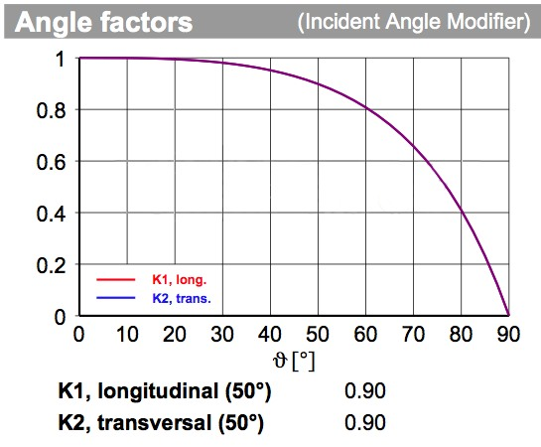
Coug Sat-1 Orbital Energy Budget
This sheet analyzes the energy in and out of the satellite per orbit
Total Energy | 9.19 Wh | Time in Sun | 1.1 hours | Time is based off a beta angle of 0°
Used Energy Sun | 3.14 Wh | Time in Eclipse | 0.4 hours | Worst case orbit relative to sun
Used Energy Eclipse | 1.05 Wh | Panel Qty | 4 Panels
Remaining | 5.00 Wh | Panel Power | 2.3 W
 |  | EPS Efficiency | 90%
 |  | Incident Angle Factor | 100% | See chart to left

Load | Power Consumption | Duty cycle | Hours Per Orbit | Energy | Model | Mode
PMIC | 0.04 W | 50% | 0.75 hr | 0.030 Wh | STM32L432 @ 80 MHz | RUN
 | 0.00 W | 50% | 0.75 hr | 0.000 Wh | STM32L432 @ 80 MHz | STOP 2
IHU | 0.05 W | 50% | 0.75 hr | 0.038 Wh | STM32L496 @ 80 MHz | RUN
 | 0.00 W | 50% | 0.75 hr | 0.000 Wh | STM32L496 @ 80 MHz | STOP 2
VHF Rx | 0.48 W | 100% | 1.50 hr | 0.720 Wh |  | Receiving
UHF TX | 4.00 W | 10% | 0.15 hr | 0.600 Wh |  | Transmit
ADCS | 0.05 W | 100% | 1.50 hr | 0.075 Wh | STM32L476 @ 80 MHz | RUN
 | 0.00 W | 0% |  |  | STM32L476 @ 80 MHz | STOP 2
Magnetorquers | 0.60 W | 100% | 1.50 hr | 0.900 Wh | 2 Metal core + 1 Air core
IMU | 0.04 W | 100% | 1.50 hr | 0.061 Wh | BO055
GPS | 0.10 W | 100% | 1.50 hr | 0.149 Wh | POXA1328-003 | Aquiring
Geiger Counter | 0.15 W
SD Card | 0.33 W | 50% | 0.75 hr | 0.248 Wh | SwissBit S-46u | Data Logging
Battery Heater | 1.00 W | 20% | 0.30 hr | 0.300 Wh | The Sun is a good heater too
Iridium Modem | 2.25 W |  |  |  | RockBLOCK 9603 - Each message has rough Lat/Long
Camera Gound | 0.81 W | 10% | 0.15 hr | 0.122 Wh | OV5642
Camera Telescope | 0.12 W | 10% | 0.15 hr | 0.018 Wh | OV7725
Camera Sun Sensor | 0.12 W | 100% | 1.50 hr | 0.180 Wh | OV7725
UV Sensor | 0.00 W | 10% | 0.15 hr | 0.000 Wh | VEML6075
Phantom Loads | 0.50 W | 100% | 1.50 hr | 0.750 Wh | Sum of all tiny loads

