Uplink
General Information
Transmiter at | Ground Station | Receiver at | CougSat-1
Orbit Altitude | 350 km | Elevation Angle | 30°
Slant Range | 652.4 km | Weather | Clear Sky
Antenna Type (TX) | Cross Yagi | Antenna Type(RX) | Dipole
Center Frequency | 145 MHz | Bandwidth | 10 kHz
Transmitter System (at Ground Station)
Power Output |  |  | 100 W | By Design: Value taken from i-Inspire 2
 |  |  | 20.0 dBW
Total Transmittion Line Losses |  |  | 3.4 dB | By Design: Value taken from i-Inspire 2
Antenna Gain |  |  | 18.9 dBi | By Design: Value taken from i-Inspire 2
Effective Isotropic Radiated Power |  |  | 35.5 dBW
Up Link Path
Free-Space Path Loss |  |  | 132.0 dB
Satellite Antenna Pointing Loss (10°) |  |  | 10.6 dB | Expiremental: Value taken from i-Inspire 2
Ground Station Antenna Pointing Loss (10°) |  |  | 2.7 dB | Expiremental: Value taken from i-Inspire 2
Stellite Transmission Line Losses |  |  | 0.5 dB | By Design: Value taken from i-Inspire 2
Atmospheric Loss (30°) |  |  | 0.4 dB
Ionospheric Loss |  |  | 0.4 dB | Continuously changing: Value taken from i-Inspire 2
Rain Loss |  |  | 0.0 dB
Total Loss |  |  | 146.6 dB
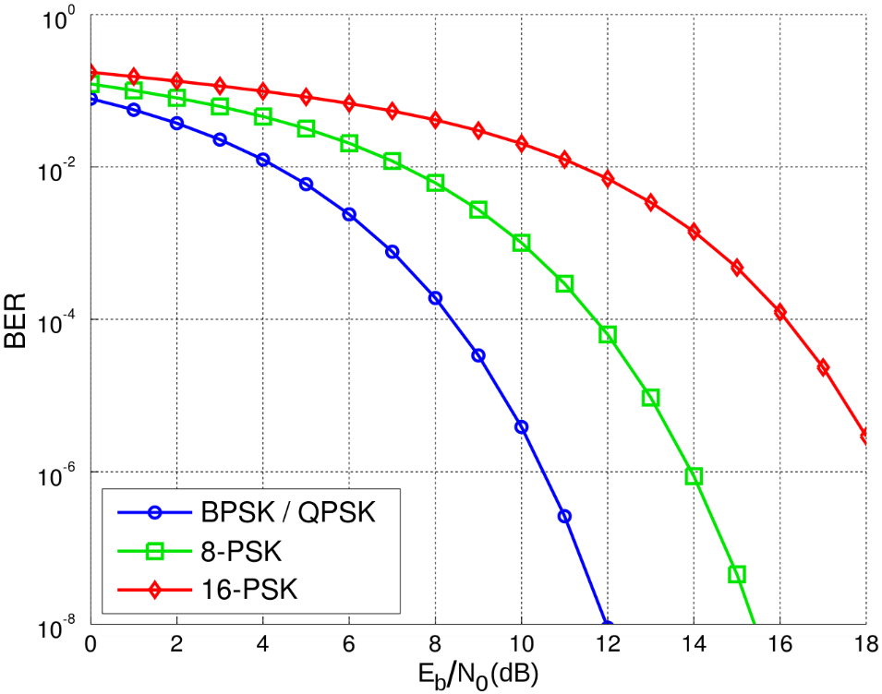
Receiver System (at CougSat-1)
Antenna Gain |  |  | 2.7 dBi | By Design: Value taken from i-Inspire 2
Effective Noise Temperature at Space (350km/Day) |  |  | 1345 K | Not Sure: Value taken from i-Inspire 2
Antenna gain-to-noise temperature (G/T) |  |  | -28.6 dB/K
Carrier-to-Noise Density Ratio (C/N) |  |  | 88.9 dBHz
Modulation Process
Shannon Limit (Theoretical Maximum Data -Rate) |  |  | 295.4 kbps
System desired Data Rate |  |  | 9.6 kbps
Demodulation Method Selected |  |  | FSK
System Allowed Bit-Error-Rate |  |  | 1.0E-05
Demodulator Implementation Loss |  |  | 2.0 dB | Expiremental: Value taken from i-Inspire 2
Link Performance
Resultant Eb/N₀ |  |  | 47.1 dB
Eb/N₀ based on Demodulation and Bit-Error-Rate (See chart to right) |  |  | 9.6 dB
System Link Margin (>0.0 dB for the link to work) |  |  | 37.5 dB

