Laser
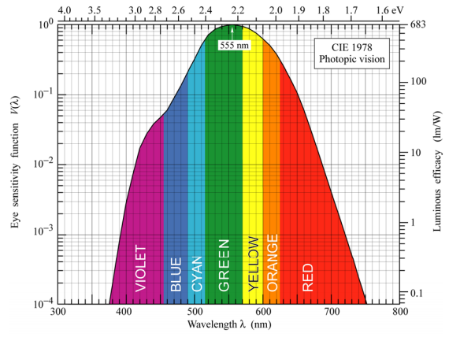
Laser
Laser based high speed communication and signaling

Transmitted Optical Power | 1000 mW | L808P1000MM | Object | Apparent Magnitude
Wavelength | 808 nm |  | Sun | -26.8
Lens Output Half Angle | 1.0 ° |  | Full Moon | -12.5
Altitude | 400 km |  | ISS | -5.9
Observation Angle | 30.0 ° |  | Venus | -3.82
Link Distance | 739 km |  | Betelgeuse | 0.8
Spot Radius | 12.9 km |  | Polaris | 2.5
Spot Irradiance | 1.91E-9 Wm⁻² |  | M31 (Amdromeda) | 3.44
Filter Transmission | 98% | FBH810-10 | Naked Eye Urban | 4
Telescope Aperture Diameter | 300 mm |  | Naked Eye Limit | 6
Received Optical Power | 1.32E-10 W |  | Binocular Limit | 10
Photodiode sensitivity | 0.40 AW⁻¹ | FDS025
Dark Current | 1.0 pA | 1V
Night Current |  | To be tested
Day Current |  | To be tested
Laser Current | 54.0 pA
Signal to Noise Ratio (Night) | 17.3 dB
Signal to Noise Ratio (Day) | 17.3 dB
Bit Error Rate (RZ-OOK)(Night) | 1.0E-7
Bit Error Rate (RZ-OOK)(Day) | 1.0E-7
Packet Size | 1000 B
Bad Packet Rate (RZ-OOK)(Night) | 0.08%
Bad Packet Rate (RZ-OOK)(Day) | 0.08%
Human Luminous Efficacy | 68 lmW⁻¹ | See chart to right
Received Illuminance | 1.31E-7 lux
Apparent Magnitude | 3.0 | See list to right

