Sheet1
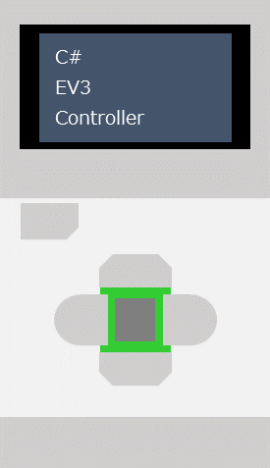
C#
EV3
Controller

