Experience definitions
Experience | Description | Simulator image | Parameters | Demo
1 | Using base parameters | courchesnea/simulator-gym:experiment | base
2 | Using synthetic tiles | courchesnea/simulator-gym:experiment | style: 'synthetic' | 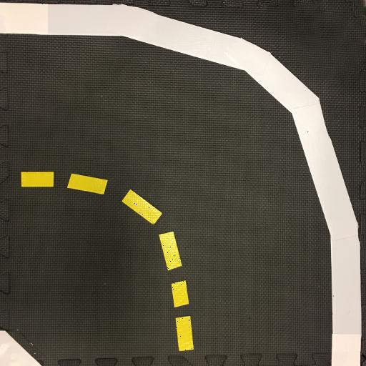 | 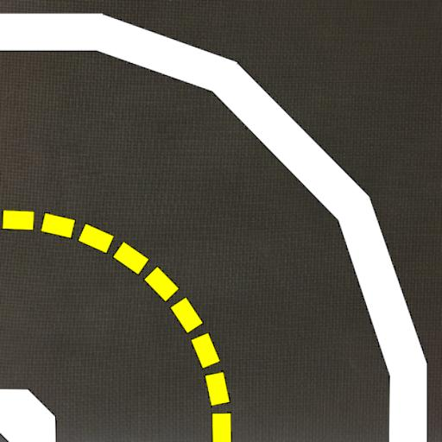
3 | Using trim=0.2 | courchesnea/simulator-gym:trim02 | trim: 0.2
4 | Using double delay | courchesnea/simulator-gym:delay30 | delay: 30ms
5 | Using double blur exposure time | courchesnea/simulator-gym:experiment | blur_time: 0.10

