Sheet1
 |  |  |  |  |  |  |  |  |  |  | Section details
 |  |  |  |  |  |  |  |  |  |  | 2341335 | iaim.patient_section_details
 |  |  |  |  |  |  |  |  |  |  | 2341335 | iaim.patient_section_forms
 |  |  |  |  |  |  |  |  |  |  | 547771 | iaim.patient_section_values

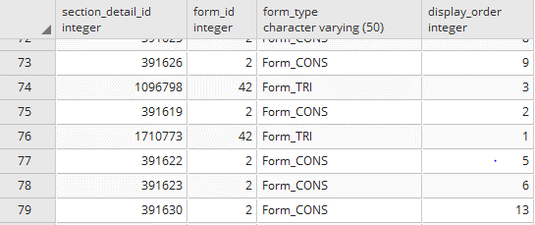

 |  |  |  |  |  |  |  |  |  |  | Section forms

 |  |  |  |  |  |  |  |  |  |  | Patient section values

Patient_section_details | section_item_id | item_type | section_detail_id | mr_no | patient_id | section_id | section_status | user_name | mod_time | generic_form_id
Patient_section_forms |  |  | section_detail_id | form_id |  |  |  |  | form_type | display_order
Patient_section_values | option_remarks | option_id | section_detail_id | field_id |  |  | date_time | user_name | mod_time
Section_field_options | option_value | option_id | old_option_id | field_id | value_code |  | phrase_category_id | pattern_id | status | display_order
Section_field_desc |  |  |  | field_id |  | section_id | phrase_category_id | pattern_id | status | display_order
Section_master |  |  | section_mandatory |  |  | section_id | section_title | allow_all_normal | status | linked_to

