Sheet1
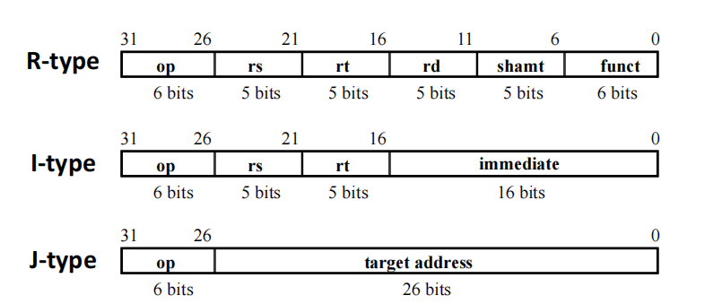
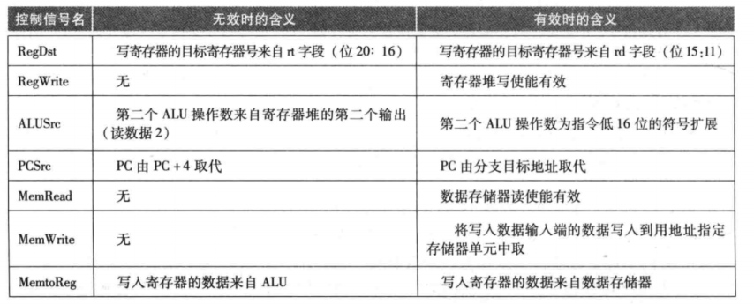
 |  | format | explain | op31-26 | 25-21 | 20-16 | 15-11 | 10-6 | funct5-0 | br_target | raddr1 | raddr2 | wen | waddr | wdata | alu_A | alu_B | aluop | address | memread | memwrite | rdata | wdata | wstrb
r-type cal | addu | ADDU rd, rs, rt | rd ← rs + rt | 00000 | rs | rt | rd | 00000 | 100001 |  | rs | rt | 1 | rd | alu_result | rs | rt | add
 | and | AND rd, rs, rt | rd ← rs AND rt |  |  |  |  |  | 100100 |  | rs | rt | 1 | rd | alu_result | rs | rt | and
 | nor | NOR rd, rs, rt | rd ← rs NOR rt |  |  |  |  |  | 100111 |  | rs | rt | 1 | rd | alu_result | rs | rt | nor
 | or | OR rd, rs, rt | rd ← rs or rt |  |  |  |  |  | 100101 |  | rs | rt | 1 | rd | alu_result | rs | rt | or
 | slt | SLT rd, rs, rt | rd ← (rs < rt) |  |  |  |  |  | 101010 |  | rs | rt | 1 | rd | alu_result | rs | rt | slt
 | sltu | SLTU rd, rs, rt | rd ← (rs < rt) |  |  |  |  |  | 101011 |  | rs | rt | 1 | rd | alu_result | rs | rt | sltu
 | subu | SUBU rd, rs, rt | rd ← rs - rt |  |  |  |  |  | 100011 |  | rs | rt | 1 | rd | alu_result | rs | rt | sub
 | xor | XOR rd, rs, rt | rd ← rs XOR rt |  |  |  |  |  | 100110 |  | rs | rt | 1 | rd | alu_result | rs | rt | xor
i-type cal | addiu | ADDIU rt, rs, immediate | rt ← rs + immediate | 001001 | rs | rt | imm |  |  |  | rs |  | 1 | rt | alu_result | rs | imm16 | add
 | andi | ANDI rt, rs, immediate | rt ← rs AND immediate | 001100 |  |  |  |  |  |  | rs |  | 1 | rt | alu_result | rs | imm16 | and
 | lui | LUI rt, immediate | rt ← immediate || 016 | 001111 |  |  |  |  |  |  |  |  | 1 | rt | alu_result |  | imm16 | lui
 | ori | ORI rt, rs, immediate | rt ← rs or immediate | 001101 |  |  |  |  |  |  | rs |  | 1 | rt | alu_result | rs | imm16 | or
 | slti | SLTI rt, rs, immediate | rt ← (rs < immediate) | 001010 |  |  |  |  |  |  | rs |  | 1 | rt | alu_result | rs | imm16 | slt
 | sltiu | SLTIU rt, rs, immediate | rt ← (rs < immediate) | 001011 |  |  |  |  |  |  | rs |  | 1 | rt | alu_result | rs | imm16 | sltu
 | xori | XORI rt, rs, immediate | rt ← rs XOR immediate | 001110 |  |  |  |  |  |  | rs |  | 1 | rt | alu_result | rs | imm16 | xor
j-type | j | J target |  | 000010 | index |  |  |  |  | index
 | jal | JAL target | Place the return address link in GPR 31 | 000011 |  |  |  |  |  | index |  |  | 1 | 31 | pc+8
regimm | bgez | BGEZ rs, offset | if rs ≥ 0(sign bit is 0) then branch | 000001 | rs | 00001 | offset |  |  | pc+off | rs
 | bltz | BLTZ rs, offset | if rs < 0(sign bit is 1) then branch |  |  | 00000 |  |  |  | pc+off | rs
i-type b | beq | BEQ rs, rt, offset | if rs = rt then branch | 000100 | rs | rt | offset |  |  | pc+off | rs | rt |  |  |  | rs | rt | sub
 | bne | BNE rs, rt, offset | if rs ≠ rt then branch | 000101 |  | rt |  |  |  | pc+off | rs | rt |  |  |  | rs | rt | sub
 | blez | BLEZ rs, offset | if rs ≤ 0 then branch | 000110 |  | 00000 |  |  |  | pc+off | rs |  |  |  |  | rs | 0 | slt
 | bgtz | BGTZ rs, offset | if rs > 0 then branch | 000111 |  | 00000 |  |  |  | pc+off | rs |  |  |  |  | rs | 0 | slt
r-type j | jalr | JALR rd, rs | rd ← return_addr, PC ← rs | 000000 | rs | 00000 | rd | 00000 | 001001 | rs | rs |  | 1 | rd | pc+8
 | jr | JR rs | PC ← rs | 000000 |  | 00000 | 00000 | 00000 | 001000 | rs | rs
i-type read | lb | LB rt, offset(base) | load a byte from memory as a signed value | 100000 | base | rt | offset |  |  |  | base |  | 1 | rt | mem_ld_result | base | off | add | alu_result | 1 |  | mem_result
 | lbu | LBU rt, offset(base) | load a byte from memory as an unsigned value | 100100 |  |  |  |  |  |  | base |  | 1 | rt | mem_ld_result | base | off | add | alu_result | 1 |  | mem_result
 | lh | LH rt, offset(base) | load a halfword from memory as a signed value | 100001 |  |  |  |  |  |  | base |  | 1 | rt | mem_ld_result | base | off | add | alu_result | 1 |  | mem_result
 | lhu | LHU rt, offset(base) | load a halfword from memory as an unsigned value | 100101 |  |  |  |  |  |  | base |  | 1 | rt | mem_ld_result | base | off | add | alu_result | 1 |  | mem_result
 | lw | LW rt, offset(base) | load a word from memory as a signed value | 100011 |  |  |  |  |  |  | base |  | 1 | rt | mem_ld_result | base | off | add | alu_result | 1 |  | mem_result
 | lwl | LWL rt, offset(base) | 非对齐访问 | 100010 |  |  |  |  |  |  | base |  | 1 | rt | lwl_result | base | off | add | alu_result | 1 |  | mem_result
 | lwr | LWR rt, offset(base) | 非对齐访问 | 100110 |  |  |  |  |  |  | base |  | 1 | rt | lwr_result | base | off | add | alu_result | 1 |  | mem_result
i-type write | sb | SB rt, offset(base) | store a byte to memory | 101000 | base | rt | offset |  |  |  | base |  |  |  |  | base | off | add | alu_result |  | 1 |  | normal_st_wdata | normal_st_wstrb
 | sh | SH rt, offset(base) | store a halfword to memory | 101001 |  |  |  |  |  |  | base |  |  |  |  | base | off | add | alu_result |  | 1 |  | normal_st_wdata | normal_st_wstrb
 | sw | SW rt, offset(base) | store a word to memory | 101011 |  |  |  |  |  |  | base |  |  |  |  | base | off | add | alu_result |  | 1 |  | normal_st_wdata | normal_st_wstrb
 | swl | SWL rt, offset(base) | 非对齐访问 | 101010 |  |  |  |  |  |  | base |  |  |  |  | base | off | add | alu_result |  | 1 |  | swl_st_wdata | swl_st_wstrb
 | swr | SWR rt, offset(base) | 非对齐访问 | 101110 |  |  |  |  |  |  | base |  |  |  |  | base | off | add | alu_result |  | 1 |  | swr_st_wdata | swr_st_wstrb
r-type mov | movn | MOVN rd, rs, rt | if rt ≠ 0 then rd ← rs | 000000 | rs | rt | rd | 00000 | 001011 |  | rs | rt | 1 | rd | rs | rt | 0 | add
 | movz | MOVZ rd, rs, rt | if rt = 0 then rd ← rs |  |  |  |  |  | 001010 |  | rs | rt | 1 | rd | rs | rt | 0 | add
r-type sign | sll | SLL rd, rt, sa | rd ← rt << sa |  | 00000 | rt | rd | sa | 000000 |  |  | rt | 1 | rd | shifter_result
 | sllv | SLLV rd, rt, rs | rd ← rt << rs |  | rs |  |  | 00000 | 000100 |  | rs | rt | 1 | rd | shifter_result
 | sra | SRA rd, rt, sa | rd ← rt >> sa，算术右移 |  | 00000 |  |  | sa | 000011 |  |  | rt | 1 | rd | shifter_result
 | srav | SRAV rd, rt, rs | rd ← rt >> rs |  | rs |  |  | 00000 | 000111 |  | rs | rt | 1 | rd | shifter_result
 | srl | SRL rd, rt, sa | rd ← rt >> sa，逻辑右移 |  | 00000 |  |  | sa | 000010 |  |  | rt | 1 | rd | shifter_result
 | srlv | SRLV rd, rt, rs | rd ← rt >> rs |  | rs |  |  | 00000 | 000110 |  | rs | rt | 1 | rd | shifter_result

