Sheet
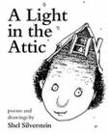 | A Light in the ... | Â£51.77
 | Tipping the Velvet | Â£53.74
 | Soumission | Â£50.10
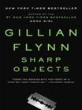 | Sharp Objects | Â£47.82
 | Sapiens: A Brief History ... | Â£54.23
 | The Requiem Red | Â£22.65
 | The Dirty Little Secrets ... | Â£33.34
 | The Coming Woman: A ... | Â£17.93
 | The Boys in the ... | Â£22.60
 | The Black Maria | Â£52.15
 | Starving Hearts (Triangular Trade ... | Â£13.99
 | Shakespeare's Sonnets | Â£20.66
 | Set Me Free | Â£17.46
 | Scott Pilgrim's Precious Little ... | Â£52.29
 | Rip it Up and ... | Â£35.02
 | Our Band Could Be ... | Â£57.25
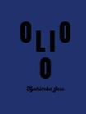 | Olio | Â£23.88
 | Mesaerion: The Best Science ... | Â£37.59
 | Libertarianism for Beginners | Â£51.33
 | It's Only the Himalayas | Â£45.17

