Average Analysis
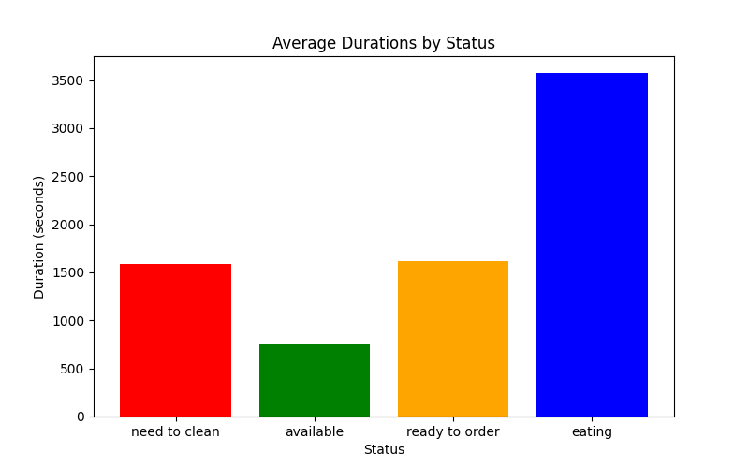
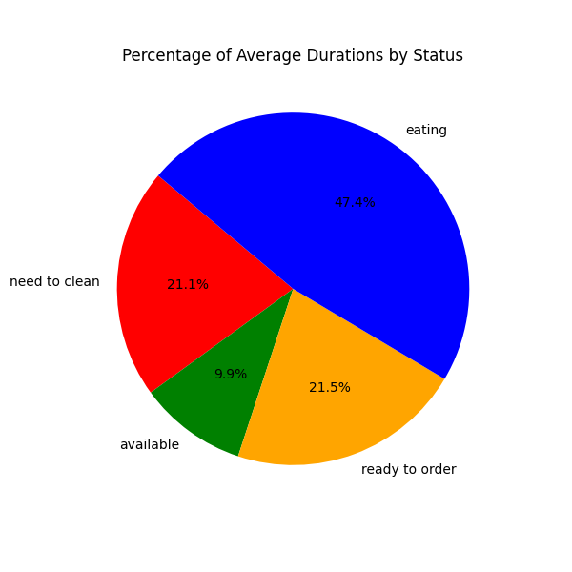

Histogram
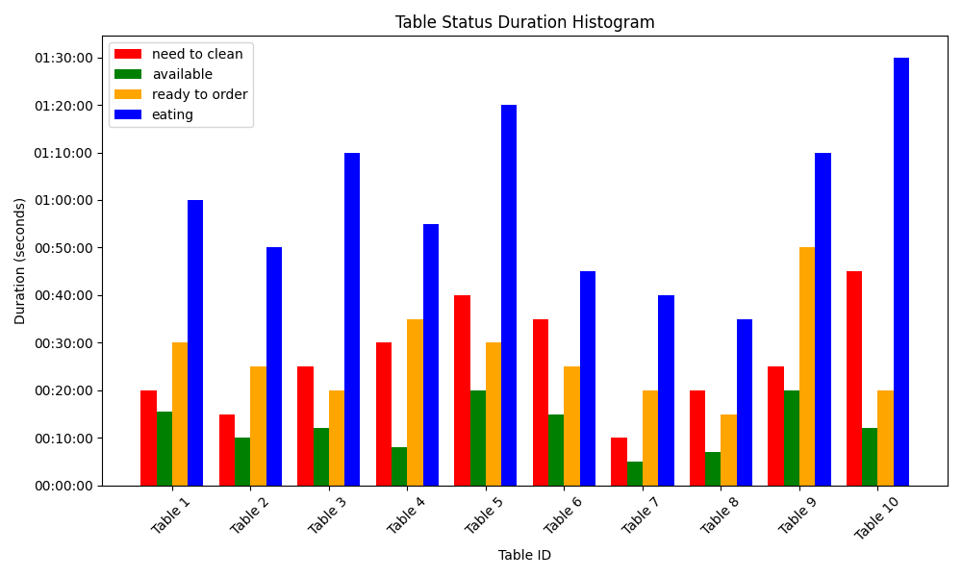

Status Analysis
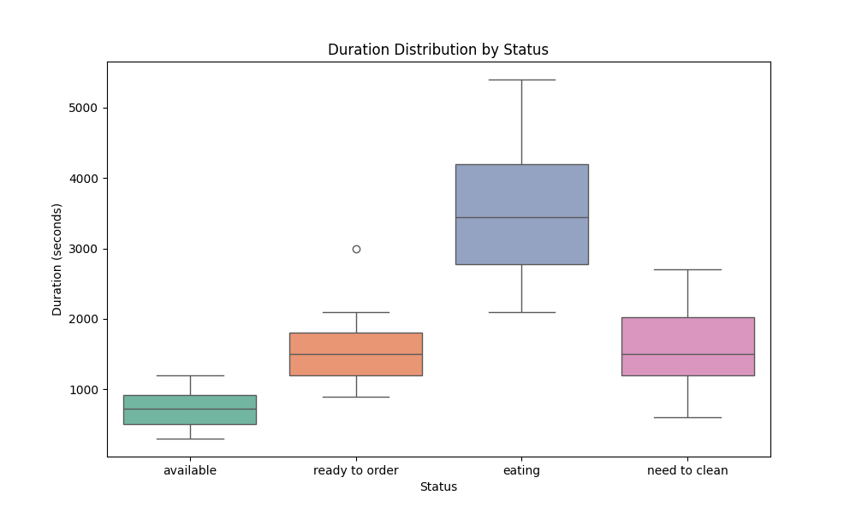
Status | Max Duration | Min Duration
available | 00:20:00 | 00:05:00
ready to order | 00:50:00 | 00:15:00
eating | 01:30:00 | 00:35:00
need to clean | 00:45:00 | 00:10:00

cycle_duration_histograms
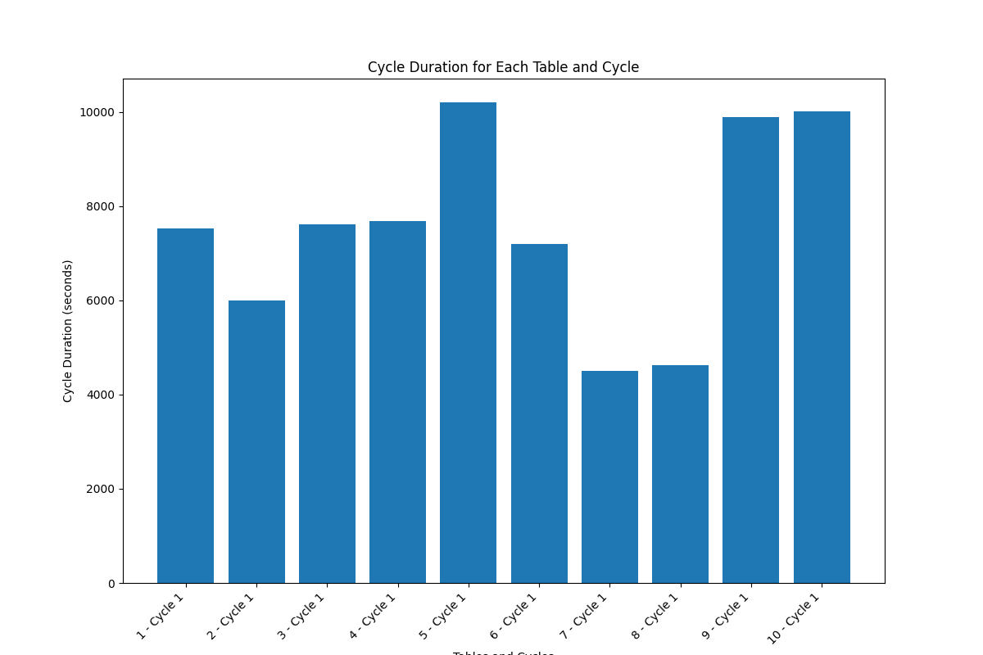

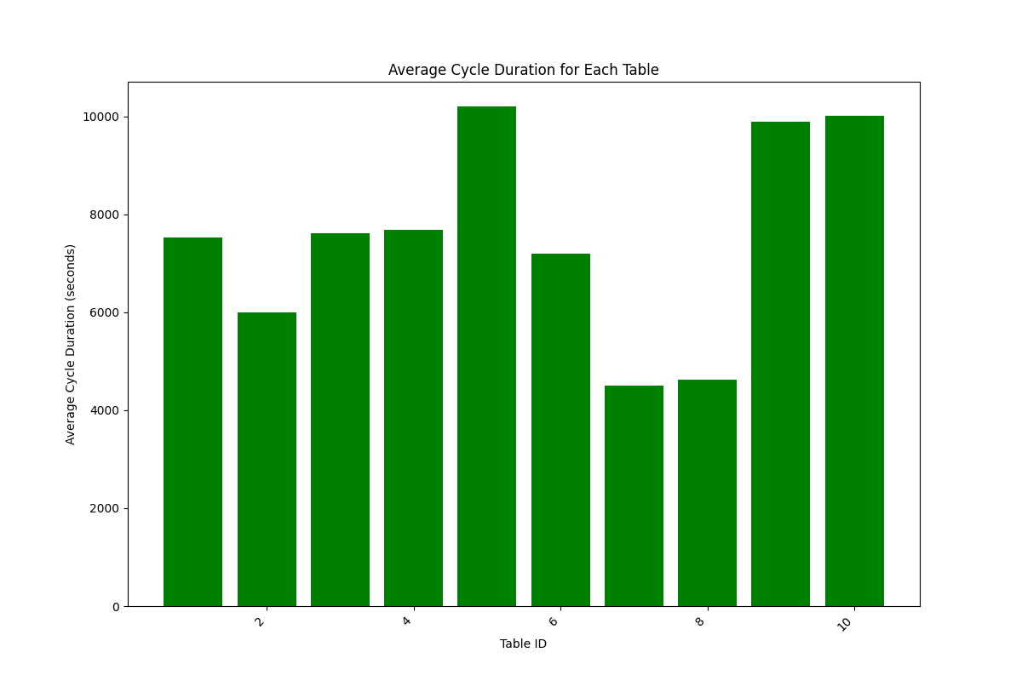

People Statistics
