Average Analysis
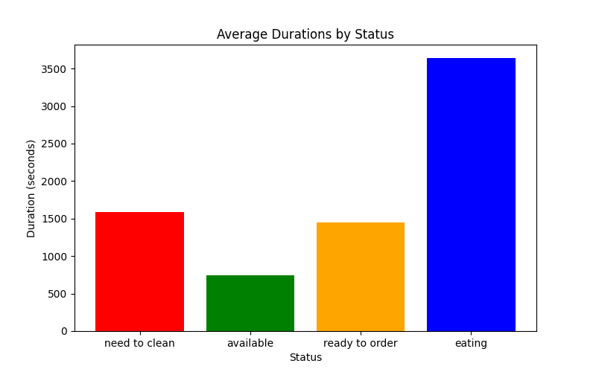
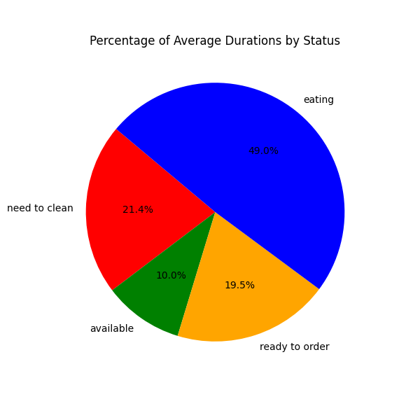

Histogram
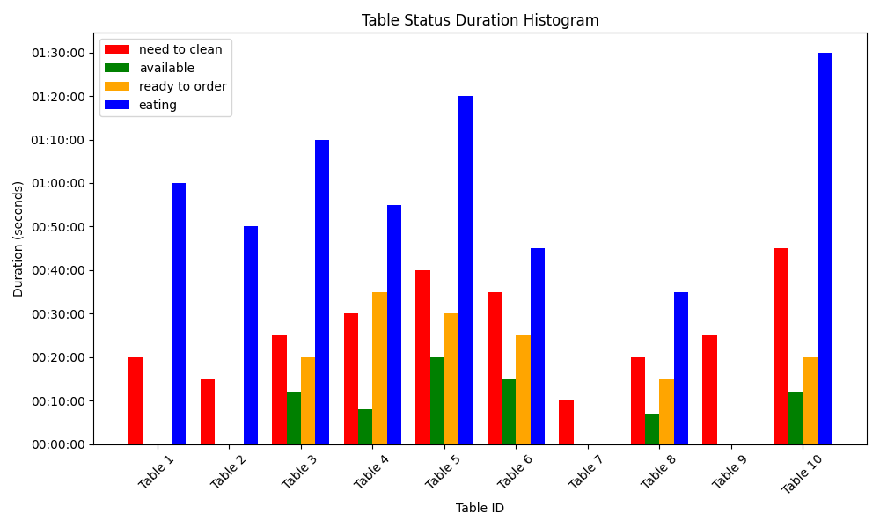

Status Analysis
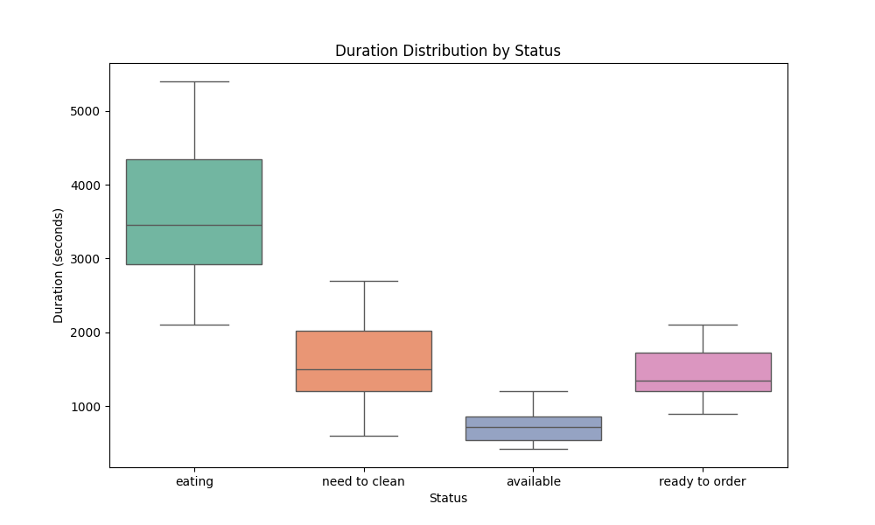
Status | Max Duration | Min Duration
eating | 01:30:00 | 00:35:00
need to clean | 00:45:00 | 00:10:00
available | 00:20:00 | 00:07:00
ready to order | 00:35:00 | 00:15:00

cycle_duration_histograms
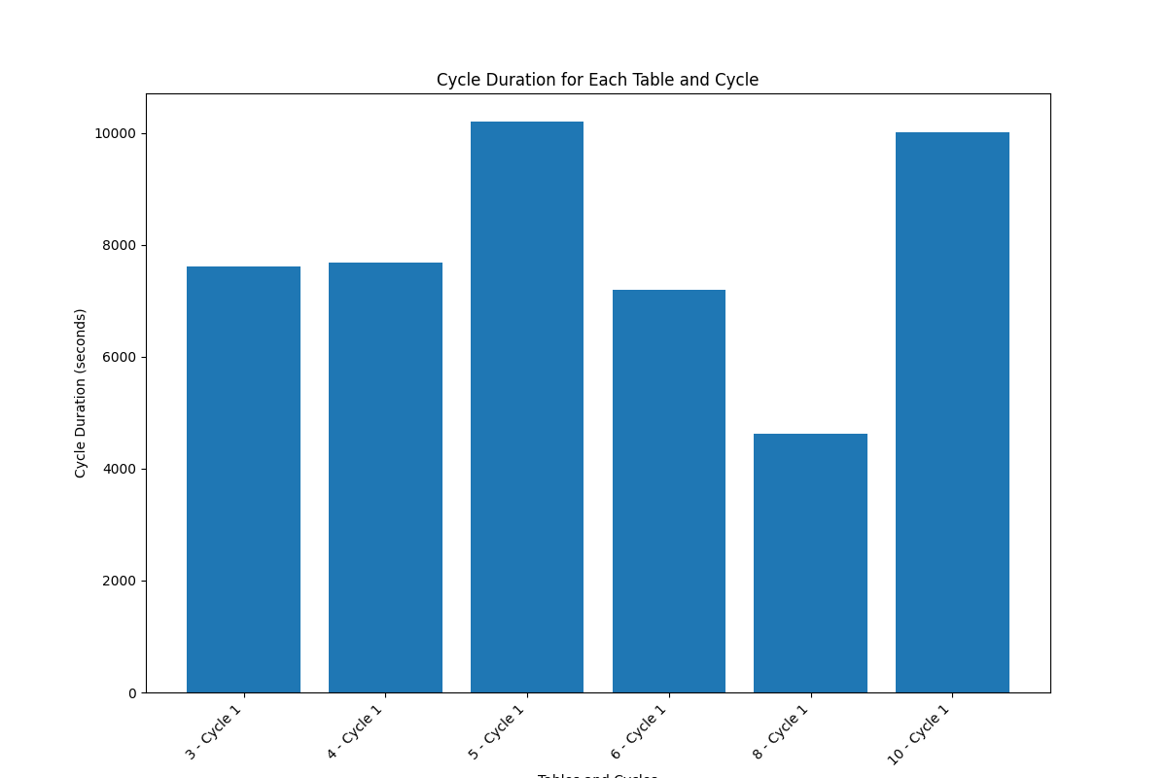

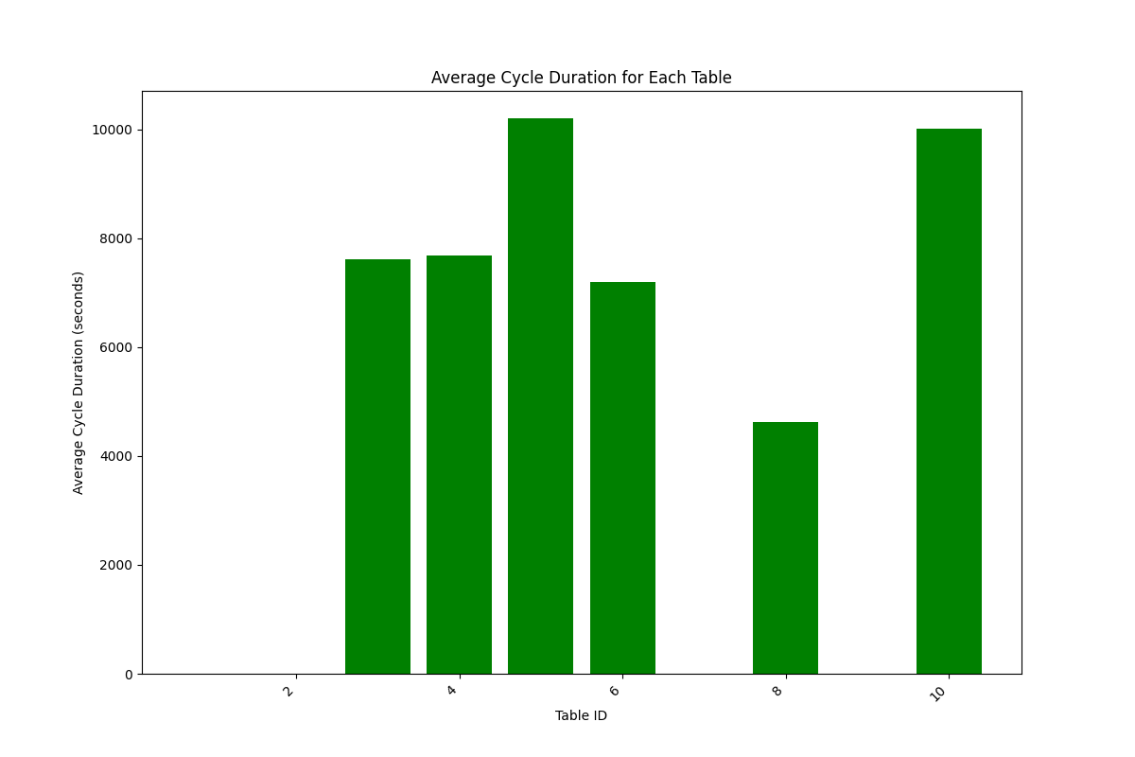

People Statistics
