Start
Sample inventory list accessible template

Inventory list
Lookup
Conditional formatting
Inventory pickup list
Navigation links
Icon sets
Learn more
Navigation links below
 | 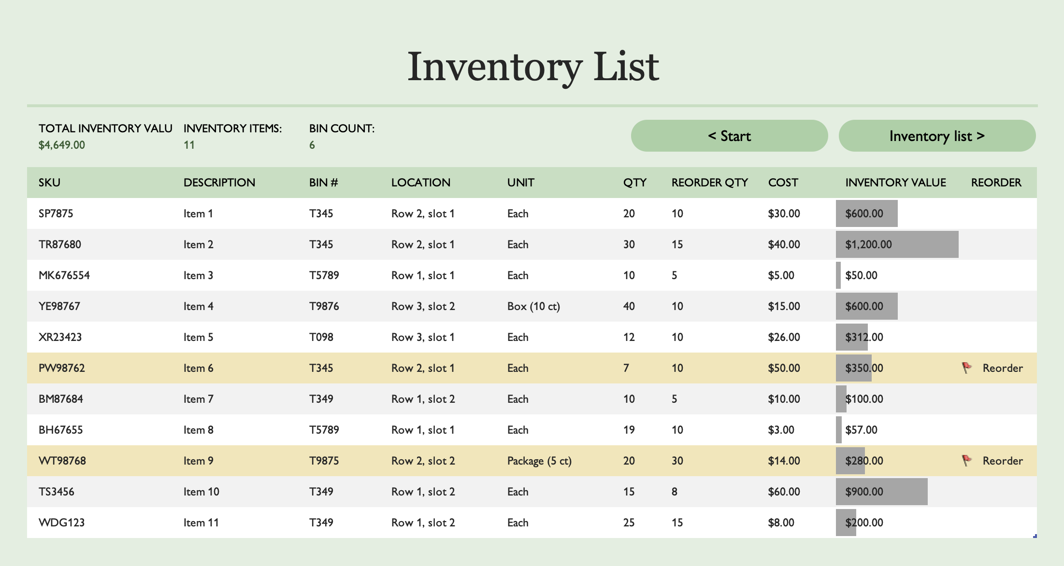

Inventory list
< Start
Inventory pick list >
Inventory List
TOTAL INVENTORY VALUE: | INVENTORY ITEMS: | BIN COUNT:
$4,649.00 | 11 | 6
SKU | DESCRIPTION | BIN # | LOCATION | UNIT | QTY | REORDER QTY | COST | INVENTORY VALUE | REORDER
SP7875 | Item 1 | T345 | Row 2, slot 1 | Each | 20 | 10 | $30.00 | $600.00
TR87680 | Item 2 | T345 | Row 2, slot 1 | Each | 30 | 15 | $40.00 | $1,200.00
MK676554 | Item 3 | T5789 | Row 1, slot 1 | Each | 10 | 5 | $5.00 | $50.00
YE98767 | Item 4 | T9876 | Row 3, slot 2 | Box (10 ct) | 40 | 10 | $15.00 | $600.00
XR23423 | Item 5 | T098 | Row 3, slot 1 | Each | 12 | 10 | $26.00 | $312.00
PW98762 | Item 6 | T345 | Row 2, slot 1 | Each | 7 | 10 | $50.00 | $350.00 | Reorder
BM87684 | Item 7 | T349 | Row 1, slot 2 | Each | 10 | 5 | $10.00 | $100.00
BH67655 | Item 8 | T5789 | Row 1, slot 1 | Each | 19 | 10 | $3.00 | $57.00
WT98768 | Item 9 | T9875 | Row 2, slot 2 | Package (5 ct) | 20 | 30 | $14.00 | $280.00 | Reorder
TS3456 | Item 10 | T349 | Row 1, slot 2 | Each | 15 | 8 | $60.00 | $900.00
WDG123 | Item 11 | T349 | Row 1, slot 2 | Each | 25 | 15 | $8.00 | $200.00

Inventory pick list
Inventory pick list
< Inventory list
Lookup >

ORDER # | SKU | PICK QTY | QTY AVAILABLE | ITEM DESCRIPTION | UNIT | BIN # | LOCATION
TP001-1 | SP7875 | 3 | 20 | Item 1 | Each | T345 | Row 2, slot 1
TP001-1 | YE98767 | 1 | 40 | Item 4 | Box (10 ct) | T9876 | Row 3, slot 2
TP001-1 | BM87684 | 2 | 10 | Item 7 | Each | T349 | Row 1, slot 2
TP001-1 | TS3456 | 6 | 15 | Item 10 | Each | T349 | Row 1, slot 2
TP001-1 | MK676554 | 3 | 10 | Item 3 | Each | T5789 | Row 1, slot 1

Lookup
Bin lookup
< Inventory pick list
Navigation links >

BIN # | DESCRIPTION | LOCATION | WIDTH | HEIGHT | LENGTH
T345 | Large bin | Row 2, slot 1 | 50 | 10 | 10
T5789 | Small bin | Row 1, slot 1 | 25 | 5 | 5
T9876 | Large bin | Row 3, slot 2 | 50 | 10 | 10
T098 | Medium bin | Row 3, slot 1 | 30 | 7 | 10
T349 | Small bin | Row 1, slot 2 | 25 | 5 | 5
T5789 | Large bin | Row 4, slot 5 | 50 | 10 | 10
T9875 | Large bin | Row 2, slot 2 | 50 | 10 | 10

Conditional formatting
Conditional Formatting
 | Conditional formatting is useful to highlight data that matches a defined set of criteria.
 | 1 | Conditional formatting is not an accessible feature but is highly leveraged when developing visually appealing templates. To help accessible users understand when conditional formats have been used, more annotations must be made.
 | 3 | Cell C8 adds more context for the highlighting done within the table image.
 | 4 | To help accessible users understand when conditional formats have been used, use annotations.
 | 5 | Do not refer to colors when indicating items that are highlighted. If you must mention a color, include the RGB values with the color reference.
 |  | 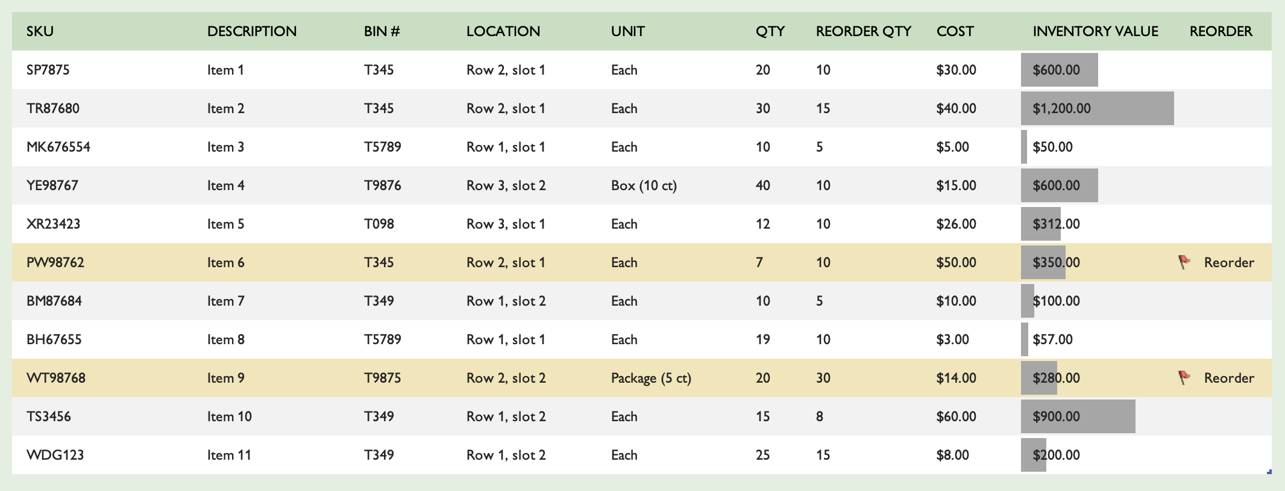 Items for reordering are highlighted using conditional format in the image below. Two arrows indicate the rows highlighted in the image

Learn more
More questions about acessibility?
How to make Excel spreadsheets accessible
Learn more about how to create accessible spreadsheets by clicking the link above.

