Sales data

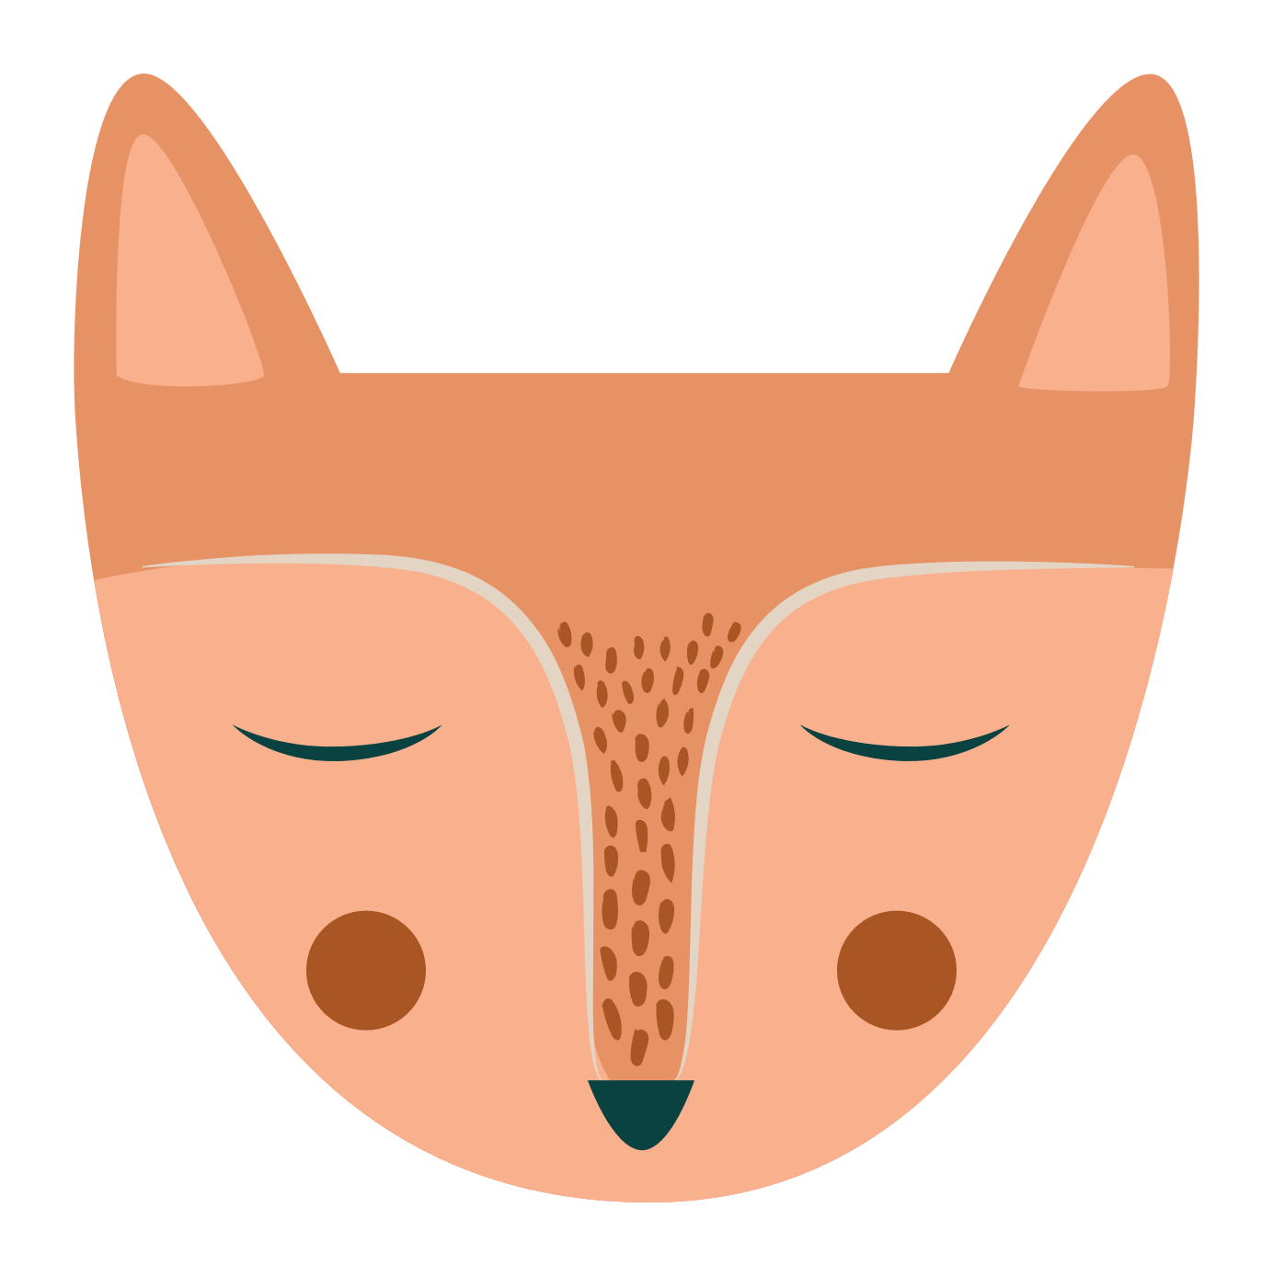
Quarterly Sales Report
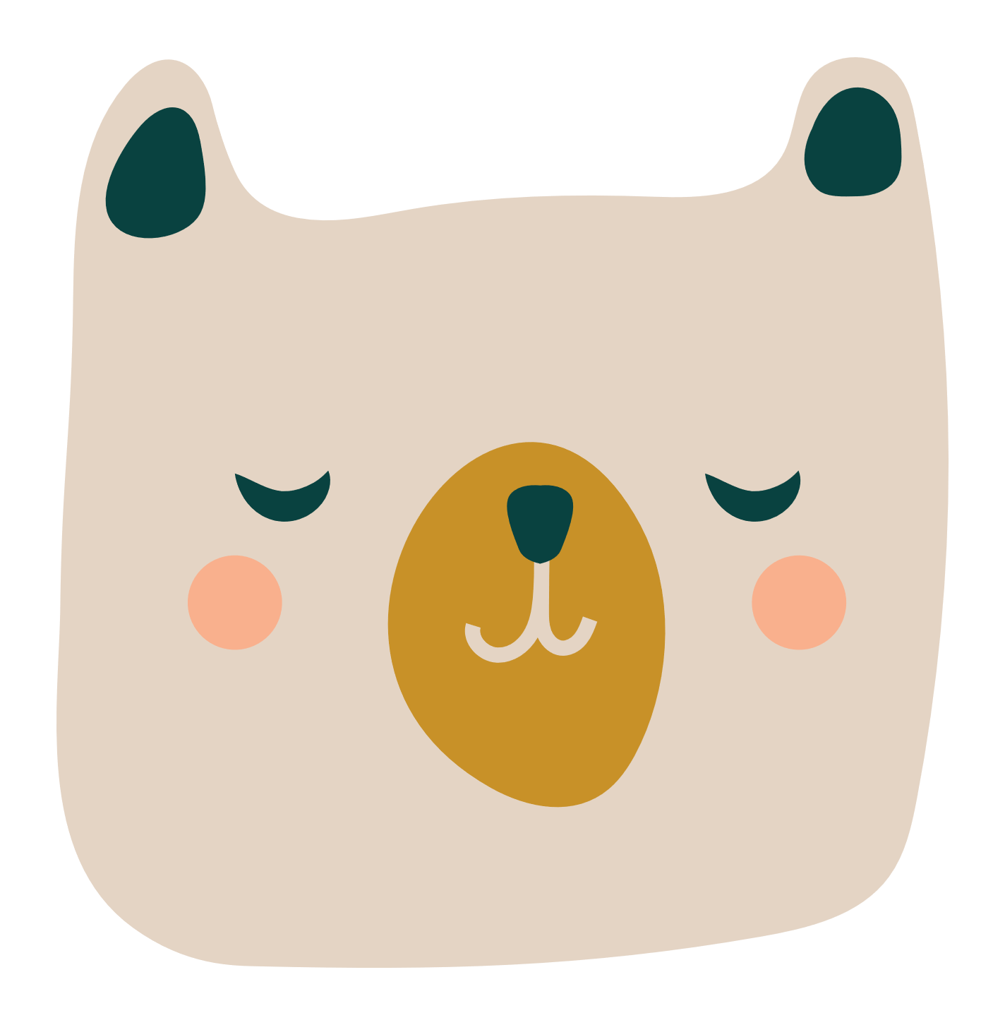

Baby doll | 0 | $3,500.00
Kite | 0 | $3,200.00
Bouncy ball | 0 | $1,650.00
Model airplane | 0 | $1,200.00
Dollhouse | 0 | $1,150.00
Toy guitar | 0 | $900.00
Plush puppy | 0 | $700.00
Teddy bear | 0 | $600.00
Jr. doctor kit | 0 | $550.00
Playhouse | 0 | $400.00
Wood blocks | 0 | $294.00
Butterfly net | 0 | $290.00
Mini racetrack | 0 | $300.00
Finger puppets | 0 | $294.00
Robot | 0 | $200.00
TAILSPIN TOYS
PRODUCT NAME | QTR 1 | QTR 2 | QTR 3 | QTR 4 | TOTAL | SALES CHART FOR | Qtr 1
Baby doll | $3,500.00 | $147.00 | $- | $- | $3,647.00
Kite | $3,200.00 | $- | $- | $- | $3,200.00
Bouncy ball | $1,650.00 | $- | $23.75 | $- | $1,673.75
Model airplane | $1,200.00 | $36.80 | $- | $- | $1,236.80
Dollhouse | $1,150.00 | $- | $- | $- | $1,150.00
Toy guitar | $900.00 | $- | $- | $200.00 | $1,100.00
Plush puppy | $700.00 | $- | $- | $- | $700.00
Teddy bear | $600.00 | $- | $- | $- | $600.00
Jr. doctor kit | $550.00 | $- | $- | $- | $550.00
Playhouse | $400.00 | $323.00 | $- | $- | $723.00
Wood blocks | $294.00 | $346.80 | $- | $- | $640.80
Butterfly net | $290.00 | $- | $- | $- | $290.00
Mini racetrack | $300.00 | $- | $- | $- | $300.00
Finger puppets | $294.00 | $- | $- | $- | $294.00
Robot | $200.00 | $892.50 | $- | $- | $1,092.50

