Start
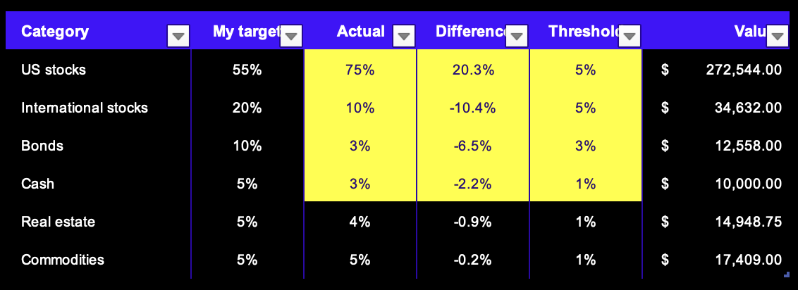
INVESTMENT TRACKER

The investment tracker template will allow you to track your investments and asset allocation. The Excel stocks data type will keep your portfolio up to date with current prices and details of your assets. There are two worksheets, portfolio and asset allocation, described below. Note: The Excel stocks data type is an Office 365 subscription-only feature.

Portfolio

Add your investments, ticker symbols, company names, or fund names over the examples or add more on additional rows. Select an asset category and enter the number of shares. |  | Click the add column button to add additional columns like ticker symbol or exchange.

To refresh the data, click any of the stocks. On the data tab, in the queries & connections group, click refresh all or press Ctrl+Alt+F5.

Asset allocation

Change categories and my target to customize to your portfolio goals. | When an asset category exceeds the threshold, the amounts will be highlighted in yellow.

Asset allocation
INVESTMENT TRACKER

Asset allocation

Category | My target | Actual | Difference | Threshold | Value
US stocks | 55% | 76% | 20.5% | 5% | $282,972.00
International stocks | 20% | 10% | -10.5% | 5% | $35,688.00
Bonds | 10% | 3% | -6.6% | 3% | $12,766.00
Cash | 5% | 3% | -2.3% | 1% | $10,000.00
Real estate | 5% | 4% | -0.9% | 1% | $15,435.00
Commodities | 5% | 5% | -0.3% | 1% | $17,708.00

