Start
Sample Invoice
accessible template
Contents
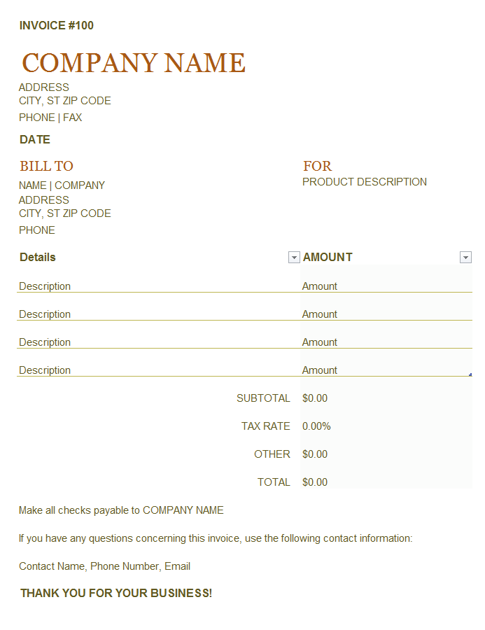
Learn how to create an accessible template in this worksheet using an Invoice template as an example. Each worksheet has accessible descriptions in column A, except Invoice worksheet. These accessible instructions help users navigate the tutorial, but are not commonly used when creating templates. Columns B, C, and D contain non-accessible descriptions. Column F contains images or data relevant to the worksheet topic. This worksheet has a title, subtitle and table of contents for all tabs in this workbook. Cell B12 has the Excel logo, cells C3 through C12 has an image of the accessible Invoice template and cell C12 has a navigation button that links to the Invoice worksheet to get started. Press UP or DOWN ARROW in column A to read through the document. Press CTRL+PG DOWN to go to the next worksheet.
Title: Sample accessible Invoice template is in this workbook. Descriptions for how this invoice was made accessible are outlined beneath the Contents, in this column.
Contents. Navigate through each item listed below to learn how this sample Invoice was made accessible, starting with the accessible Invoice in the Invoice worksheet.
Sample Invoice
Sample Invoice worksheet
Styling
Styling
Input Messages
Input Messages
Alt Text (aka alternative text)
Alternative Text (aka Alt Text)
Merged Cells & Whitespace
Merged Cells
Tables
Tables
Named Definitions
Named Definitions
Learn More
Learn More
Let's go >
Excel logo in cell B12, Accessible Invoice image and Navigation button to Invoice worksheet in C12. | 

Input messages
Learn how to use input messages to create an accessible template. Accessible instructions continue in column A. Press UP or DOWN ARROW in column A to read through the document. Press CTRL+PG DOWN to go to the next worksheet.
Title: Input Messages | Input messages
Overview: Screen readers are used while navigating content in a workbook. Screen readers can read input messages to inform users about actions, content or further direction that aids in their successful use and navigation of the template. | Screen readers are used while navigating content in a workbook. Screen readers can read input messages to inform users about actions, content or further direction that aids in their successful use and navigation of the template.
1. Limit input messages to 180 characters. Use a character counter from the web to verify text is less than or equal to 180 characters. Sample image is in cell F4. | 1 | Limit input messages to 180 characters. Use a character counter from the web to verify text is less than or equal to 180 characters. Sample image is in cell F4. | Sample Image, below
2. Use Column A to describe features of the template specifically for accessibility, as in this template. | 2 | Use Column A to describe features of the template specifically for accessibility, as in this template.
3. Do not use abbreviations in input messages. For example, if a cell has the text "Qty", type "quantity" in the input message. Similarly for City, ST Zip. Type City, State, and Zip code. It is ok to use "&" when trying to keep the number of characters within 180. | 3 | Do not use abbreviations in input messages. For example, if a cell has the text "Qty", type "quantity" in the input message. Similarly for City, ST Zip. Type City, State, and Zip code. It is ok to use "&" when trying to keep the number of characters within 180. | 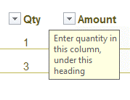

Merged cells & whitespace
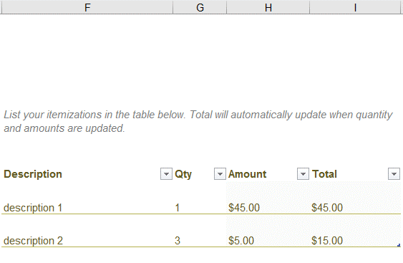
Learn how to manage merged cells in an accessible template. Accessible instructions continue in column A. Press UP or DOWN ARROW in column A to read through the document. Press CTRL+PG DOWN to go to the next worksheet.
Title: Merged Cells & Whitespace | Merged cells & whitespace
Overview: Limit the use of merged cells - it can be difficult for users of screen readers to interpret them. Avoid whitespace to make it easier to navigate the template. | Limit the use of merged cells - it can be difficult for users of screen readers to interpret them. Avoid whitespace to make it easier to navigate the template. |  | Sample image, below
1. Merged cells should be limited but can be used to make data appear contiguous to a keyboard navigator, without altering the visual appeal. Merged content, such as cells within a cell should be avoided. | 1 | Limit merged cells in most cases. You can use them to make data appear contiguous to a keyboard navigator, without altering the visual appeal. Avoid merged content, such as cells within a cell.
Image in cell F3 through F8 illustrates the use of merged cells. The table in the image is from the Alt Text worksheet, cells F3 to I6. |  | Image in cell F3 through F8 illustrates the use of merged cells. The table in the image is from the Alt Text worksheet, cells F3 to I6.
Note: Accessibility Checker will call out merged cells as Warnings. Verify that all merged cells are absolutely necessary. |  | Note: Accessibility Checker will call out merged cells as Warnings. Verify that all merged cells are absolutely necessary.
2. Use only 1 blank row, column, or cell between content. Accessible users think content has concluded when successive blank cells are encountered. | 2 | Use only 1 blank row, column, or cell between content. Accessible users think content has concluded when successive blank cells are encountered.
Tip: Use cell padding and spacing to achieve desired visual effect. |  | Tip: Use cell padding and spacing to achieve desired visual effect.

Named definitions
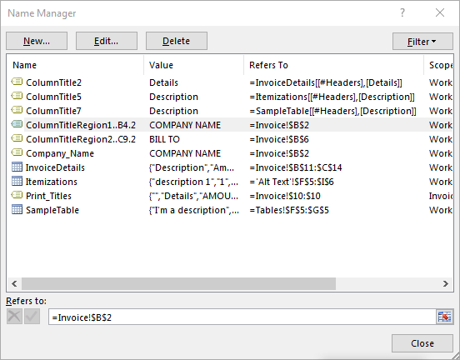
Learn how to use named definitions to create an accessible template. Accessible instructions continue in column A. Press UP or DOWN ARROW in column A to read through the document. Press CTRL+PG DOWN to go to the next worksheet.
Title: Named Definitions | Named definitions
Overview: Screen readers have the ability to read table headings along with the corresponding cell contents. You need to know the following 3 key items: if this is the only table in the worksheet, the start and end cell for the table, and the worksheet number (the second worksheet in the workbook, for example). | Screen readers have the ability to read table headings along with the corresponding cell contents. You need to know the following 3 key items: if this is the only table in the worksheet, the start and end cell for the table, and the worksheet number (the second worksheet in the workbook, for example). |  | Image of Name Manager, below
1. Select Formulas > Name Manager to view the definitions created for the Invoice worksheet. | 1 | Select Formulas > Name Manager to view the definitions created for the Invoice worksheet.
2. ColumnTitle tells the Reader to read the column headers from the table it references. The number 2 indicates the worksheet number that contains the table. When you assign it the first cell of a table, Jaws knows to read only the table headings for that table in the specified worksheet. | 2 | ColumnTitle tells the Reader to read the column headers from the table it references. The number 2 indicates the worksheet number that contains the table. When you assign it the first cell of a table, Jaws knows to read only the table headings for that table in the specified worksheet.
3. ColumnTitle reads Column headings and cell contents. RowTitle reads Row headings and cell contents. Title reads both Row headings, Column headings and cell contents. | 3 | ColumnTitle reads Column headings and cell contents. RowTitle reads Row headings and cell contents. Title reads both Row headings, Column headings and cell contents.
Tip: If you use ColumnTitle for one table in a worksheet, you can use RowTitle or Title for another table in the same worksheet. However, you can only use each of these definitions once within a worksheet. |  | Tip: If you use ColumnTitle for one table in a worksheet, you can use RowTitle or Title for another table in the same worksheet. However, you can only use each of these definitions once within a worksheet.
4. It is possible to designate a region as having headings as in the Invoice worksheet cell B2. | 4 | It is possible to designate a region as having headings as in the Invoice worksheet cell B2.
ColumnTitleRegion was created as a named definition. |  | ColumnTitleRegion was created as a named definition.
You can append a 1, 2, 3, 4, etc. depending on the number of RowTitleRegions you want to define. However, regions don't expand as content grows. For instance, in the table example above, a Region could not be created because the Region is bound. When new rows are added to the table, the Region will stop narrating as it's bound. Only RowTitle, ColumnTitle and Title expand as tables grow because the table is defined within the named definition when you created it. |  | You can append a 1, 2, 3, 4, etc. depending on the number of RowTitleRegions you want to define. However, regions don't expand as content grows. For instance, in the table example above, a Region could not be created because the Region is bound. When new rows are added to the table, the Region will stop narrating as it's bound. Only RowTitle, ColumnTitle and Title expand as tables grow because the table is defined within the named definition when you created it.
5. Create a named definition to read the row heading and the corresponding data cell for cells B2 through B4 of the Invoice worksheet by doing the following steps, below: | 5 | Create a named definition to read the row heading and the corresponding data cell for cells B2 through B4 of the Invoice worksheet by doing the following steps, below:
ColumnTitleRegion for cells B2 through B4: ColumnTitleRegion1..B4.2, then select cell B2 within Refers To or type: ='Named Definitions'!$B$2 and select OK to save. |  | ColumnTitleRegion for cells B2 through B4: ColumnTitleRegion1..B4.2, then select cell B2 within Refers To or type: ='Named Definitions'!$B$2 and select OK to save.

Learn More
More questions about accessibility?
How to make Excel spreadsheets accessible
Learn more about how to create an accessible template through the links on this worksheet. Accessible instructions continue in column A. Press UP or DOWN ARROW in column A to read through the document.
Title: More questions about accessibility?
How to make Excel spreadsheets accessible

