How to use recipe tracker
MEAL PLANNER
RECIPE INDEX
Meal planner toolkit | Meal Planner | Recipe Index
About the weekly meal planner | How do I use the weekly meal planner?
Go paperless and store your favorite recipes in this digital recipe tracker! Along with adding recipe ingredients and instructions, this template enables you to create a shopping list, share with friends, and create meals for a given week. Add tags for finding your recipe by searching for keywords. Use the instructions on the right to help you get started. | The Recipe Index sheet is your central hub for viewing your recipes at-a-glance. To view a specific recipe, select the Recipe Link and quickly jump to the recipe details. To return to the Recipe Index, on each recipe worksheet, select navigation cell G1 to view Recipe Index.
 | How do I add my own recipes?
 | To get started, you can type over the Spinach Feta Pizza recipe we added as an example. Or, if you want to keep the scrumptious sample recipe and try it sometime. Copy the Empty Recipe worksheet, rename the tab to your recipe name, and add your new recipe information.
 | Add the new recipe to the end of Recipe Index list by typing the recipe name used in the tab. A link and recipe details get added automatically. Then on the Recipe Card, select the name of new recipe from the list to add the title to the card.
 | If you are using Excel online, create a new worksheet, copy and paste the Empty Recipe contents to that worksheet and rename the tab to the exact same name as the name you put in the Recipe Index.
 | Warning: The shopping list won't work if the Recipe Index Recipe Name and your recipe worksheet name are mismatched.
 | Tip: Use Recipe Categories worksheet to add categories such as "Main Course". This will help when searching for meals that are of a certain type. On that same worksheet, modify Measurement Types to make adding ingredients in the recipe worksheets easier.
 | Data entry tips
 | If you copy the ingredients and directions from a web page you can easily retain the template formatting when you paste. To do so, on the Home tab, in the Clipboard group, expand the Paste options then select Match Destination Formatting.
 | What's next?
 | Use the Meal Planner worksheet to select the recipes from the Recipe Index that you want for any given week. A shopping list is automatically created from the ingredients in the recipes you selected. View the list in the Shopping List worksheet.
 | After you have built your list of recipes, the Recipe Index page helps you easily find what you're looking for using the Filter options. For example, if you’re searching for a main course, select the arrow next to Category, clear the (Select All) check box, select Main Course, then select OK. You can narrow your results further by filtering on another field, such as Tags. To use the Tags filter, select the arrow next to Tags and in the Search text box enter your search string, such as cheese, and select OK.

Meal planner
RECIPE INDEX
Select your recipe for each weekday. The weekdays are automatically adjusted based on the starting day of the week entered in cell C2.
 | Meal Planner | Recipe Index
Week starting | 2022-11-11
Day of the week | Recipe | Select your recipe for each weekday. The weekdays are automatically adjusted based on the starting day of the week entered in cell C2.
Friday | Spinach feta pizza
Saturday | My new recipe
Sunday
Monday
Tuesday
Wednesday
Thursday

Recipe index
Track your recipes in this worksheet. Add your new recipes by entering the recipe card tab name at the end of the Recipe Index. Use the Meal Planner to plan meals for your week. A Shopping List is automatically generated based on recipe selection.
MEAL PLANNER
RECIPE CATEGORIES
 |  |  | Track your recipes in this worksheet. Add your new recipes by entering the recipe card tab name at the end of the Recipe Index. Use the Meal Planner to plan meals for your week. A Shopping List is automatically generated based on recipe selection.
Recipe Index | Meal Planner | Recipe Categories
Recipe Name | Recipe Link | Category | Tags | Calories | Comments
Empty recipe | Select to view | Course Type | Tag 1, Tag 2, etc. |  | Do not delete this recipe worksheet
Spinach feta pizza | Select to view | Main Course | pizza, spinach, feta, cheese | 287 | Family enjoyed this recipe. Must make it again!
My new recipe | Select to view | Appetizer | salmon, crackers, cream cheese | 60 | A recipe in progress

Shopping list
RECIPE INDEX
Your shopping list is generated by the recipes selected on the Meal Planner worksheet. The amounts for repeated ingredients are aggregated in the amounts column of the table.
The list is sorted for your convenience but filter buttons on the table headings help you search for specific entries. Mark the items you need to buy in the Need to Buy? column.
Your shopping list is generated by the recipes selected on the Meal Planner worksheet. The amounts for repeated ingredients are aggregated in the amounts column of the table.
The list is sorted for your convenience but filter buttons on the table headings help you search for specific entries. Mark the items you need to buy in the Need to Buy? column.
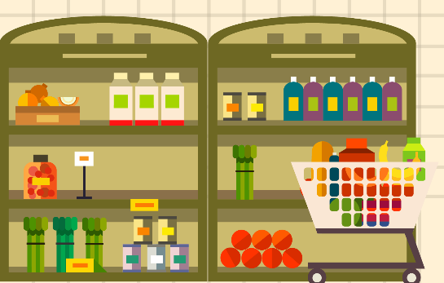 | Shopping List | Recipe Index |  | Your shopping list is generated by the recipes selected on the Meal Planner worksheet. The amounts for repeated ingredients are aggregated in the amounts column of the table. The list is sorted for your convenience but filter buttons on the table headings help you search for specific entries. Mark the items you need to buy in the Need to Buy? column.
Item | Amount | Need to Buy? | Your shopping list is generated by the recipes selected on the Meal Planner worksheet. The amounts for repeated ingredients are aggregated in the amounts column of the table. The list is sorted for your convenience but filter buttons on the table headings help you search for specific entries. Mark the items you need to buy in the Need to Buy? column | Your shopping list is generated by the recipes selected on the Meal Planner worksheet. The amounts for repeated ingredients are aggregated in the amounts column of the table. The list is sorted for your convenience but filter buttons on the table headings help you search for specific entries. Mark the items you need to buy in the Need to Buy? column.
Active dry yeast | 2 Teaspoons | Yes
Bread flour | 2 Cups
Chopped fresh spinach | 2 Cups
Crackers | 1 Box
Cream cheese | 1 Package
Crumbled feta cheese | 1/4 Cup
Dried basil | 1/2 Teaspoon
Fresh dill | 5 Sprig (s)
Garlic salt | 1/8 Teaspoon
Honey mustard-dill sauce | 1 Tablespoon
Minced garlic | 1 Clove
Olive or canola oil | 2 Tablespoons
Red onion | 1 Small
Salt | 1/2 Teaspoon
Shredded mozzarella cheese | 1 Cup
Sliced fresh mushrooms | 1 Cup
Smoked salmon | 1 Package
Warm water | 3/4 Cup

Recipe categories
RECIPE INDEX
Recipe categories | Recipe Index
Category type | Measurement type
Appetizer | Box
Beverage | Bunch
Bread | Clove
Casserole | Cup
Dessert | Cups
Kid's kitchen | Large
Main course | Medium
Salad | Ounce
Sandwich | Package
Side dish | Pinch
 | Small
 | Sprig (s)
 | Tablespoon
 | Tablespoons
 | Teaspoon
 | Teaspoons

Share list
RECIPE INDEX
Share this list with others so they can RSVP. Select Share in the upper right or press ALT and then press “Z” followed by “S”. Save the file to OneDrive and send the link to your friends.
Share list |  | Recipe Index | Share this list with others so they can contribute. Select Share in the upper right or press ALT then YU. Save the file to OneDrive and send the link to your friends.
Name | Email | Shared? | Share this list with others so they can contribute. Select Share in the upper right or press ALT then YU. Save the file to OneDrive and send the link to your friends.
Kai Carter | kai@example.com | Yes
Nazar Neill | nazar@example.com | No
Avery Howard | avery@example.com

Empty recipe
RECIPE INDEX
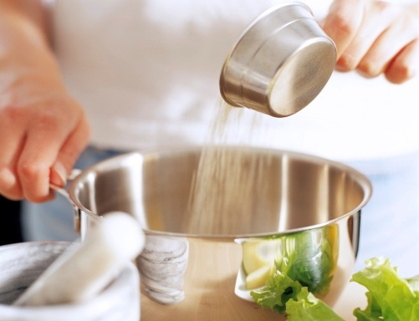 | Empty recipe |  |  | Course Type | Recipe Index
 | Amount | Measurement | Ingredient | Directions | Preparation time
 |  |  |  | Copy this worksheet to enter a new recipe. Rename the tab, the same name from the Recipe Index worksheet. Enter recipe directions in this cell. Enter Ingredients, measurements and amounts in cells at left. Press ALT+Enter to add new paragraphs in this cell. Enter Preparation Time, Cook Times and Yield (Servings) in cells at right. Change the stock photo in column B to a photo of your recipe, then enter Calories, Recipe Tags and Comments in cells underneath. Recipe tags help you search for a recipe with a specific quality in the Recipe Index worksheet. Select a recipe on the Grocery List worksheet to view the ingredients you may need to buy. | Enter preparation time in this cell

Calories
Enter calories for the recipe in this cell |  |  |  |  | Cook time
 |  |  |  |  | Enter cook time in this cell
Recipe tags
Tag 1, Tag 2, etc.
 |  |  |  |  | Yield (servings)
Comments |  |  |  |  | Enter yield (servings) in this cell
Do not delete this recipe worksheet

Spinach feta pizza
RECIPE INDEX
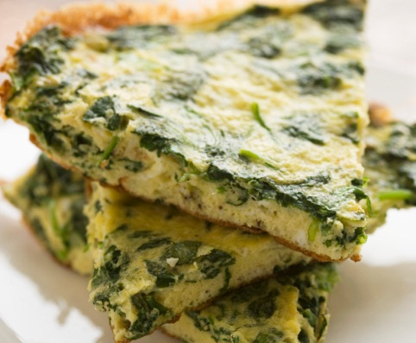 | Spinach feta pizza |  |  | Main Course | Recipe Index
 | Amount | Measurement | Ingredient | Directions | Preparation time
 | 2 | Tablespoons | Olive or canola oil | In bread machine, place the first five ingredients on order suggested by manufacturer. Select dough setting. Check dough after 5 minutes of mixing: add 1 to 2 tablespoons of water or flour if needed. When cycle is complete, turn dough onto a lightly flowered surface. Knead for 1 minute. Cover and let rest for 15 minutes. Roll into a 12-in. pizza pan. Cover and let rise in a warm place until puffed, about 20 minutes. Sprinkle with garlic and garlic salt. Top with spinach, onion, mushrooms, cheeses, and basil. Bake at 400 degrees F for 35-40 minutes or until crust is golden and cheese is melted. Let stand for 5 minutes before slicing. | 45 Minutes
 | 1/2 | Teaspoon | Salt
Calories | 2 | Cups | Bread flour
287 | 2 | Teaspoons | Active dry yeast |  | Cook time
 | 3/4 | Cup | Warm water |  | 15 Minutes
Recipe tags | 1 | Clove | Minced garlic
pizza, spinach, feta, cheese | 1/8 | Teaspoon | Garlic salt
 | 2 | Cups | Chopped fresh spinach |  | Yield (servings)
Comments | 1 | Small | Red onion |  | 6 servings
Family enjoyed this recipe. Must make it again! | 1 | Cup | Sliced fresh mushrooms
 | 1 | Cup | Shredded mozzarella cheese
 | 1/4 | Cup | Crumbled feta cheese
 | 1/2 | Teaspoon | Dried basil

My new recipe
RECIPE INDEX
 | My New Recipe |  |  | Appetizer | Recipe Index
 | Amount | Measurement | Ingredient | Directions | Preparation Time
 | 1 | Box | Crackers | Using a knife, smear desired amount of cream cheese onto one side of a cracker. Place a small slice of smoked salmon on top of the cream cheese. Add several drops of honey mustard-dill sauce on top of the salmon. Top with a small amount of dill. | 5 Minutes
 | 1 | Package | Cream cheese
Calories | 1 | Package | Smoked salmon
60 | 1 | Tablespoon | Honey mustard-dill sauce |  | Cook Time
 | 5 | Sprig (s) | Fresh dill |  | 0 Minutes
Recipe tags
salmon, crackers, cream cheese
 |  |  |  |  | Yield (Servings)
Comments |  |  |  |  | 12 Servings
A recipe in progress

