Tabelle1
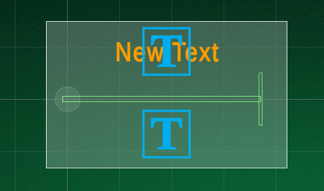
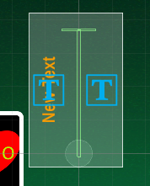
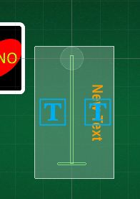
 | w | 4.6 |  | pw | 7.75
 | h | 2.8 |  | ph | 3
 | p | 0.5 |  |  |  |  |  |  |  | yCorr=2

 |  | mw | mh | player
 | Layout 1 | 16.3 | 4.6 | 4
 | Layout 2 | 9.7 | 2.8 | 2
 | Layout 3 | 19.9 | 6.1 | 6
 | Layout 4 | 7.75 | 12.9 | 3
 | Layout 5 | 7.75 | 9.6 | 2

 |  |  |  |  |  |  |  | yCorr=-2
 |  |  |  |  |  | xCorr=-2 | Layout 4 |  | Layout 5
Layout 1

Layout 2

Layout 3

