Summary
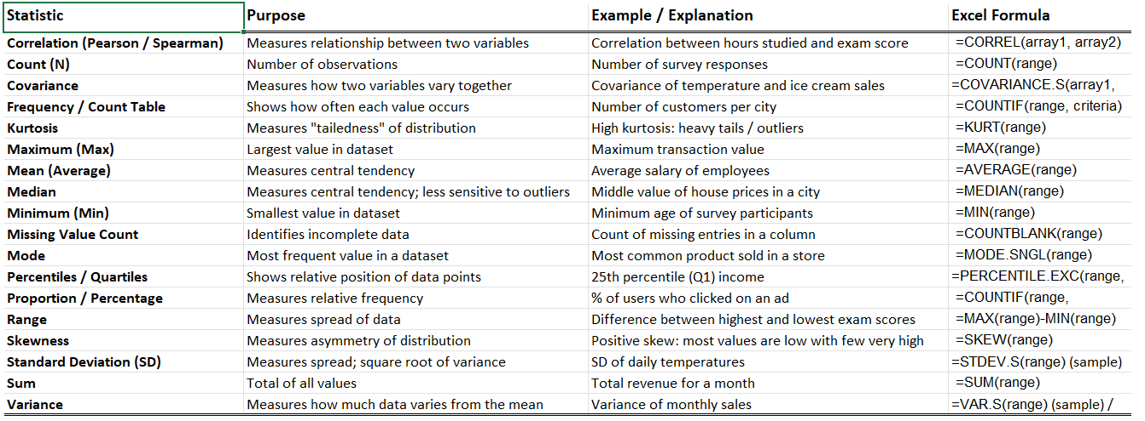
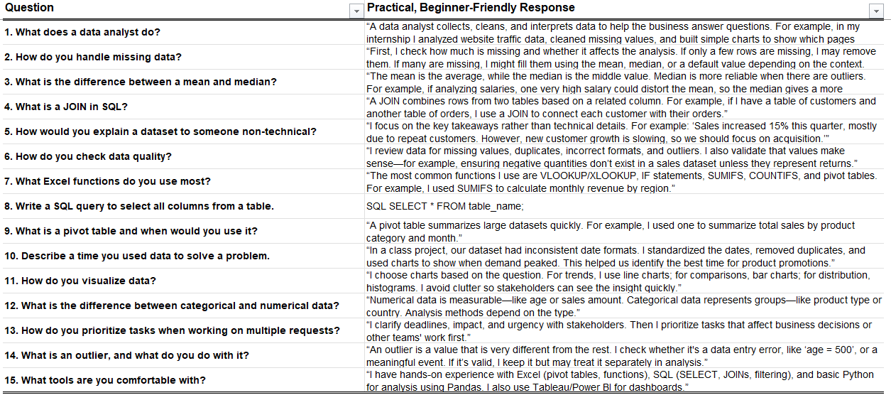
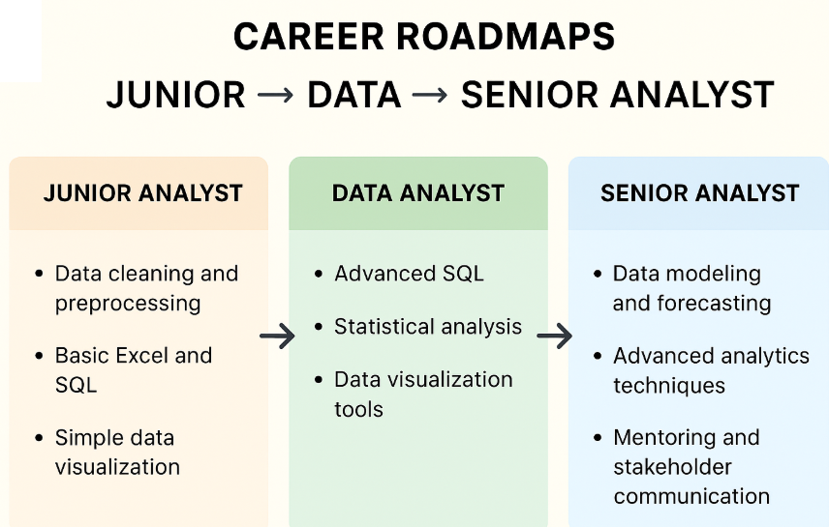
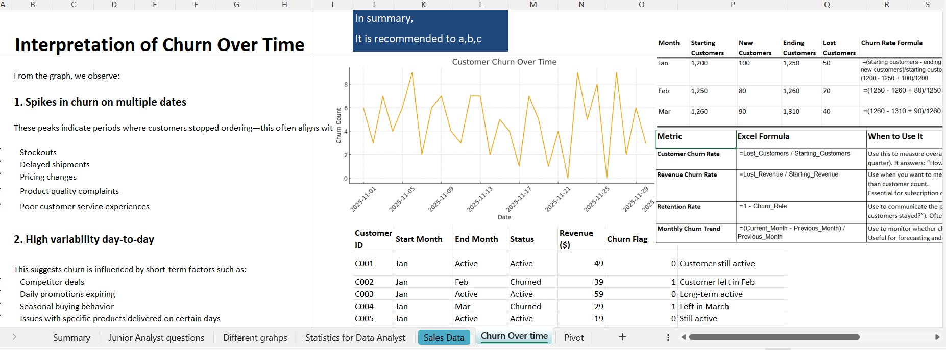
In order to prepare for a junior data interview you need to be able to respond to the below "key words" with examples.

Key words: |  | Example
✓ | different graph type
✓ | usual statistics used | Generic interview questions:
✓ | ETL (extrat, transform, load)
✓ | missing data, structured/unstructured
✓ | outlier : what is and how you handle it
✓ | explain data set to a non-technical
✓ | what is data quality and how do you check it?
✓ | Excel formulas example
✓ | SQL example
✓ | Python example
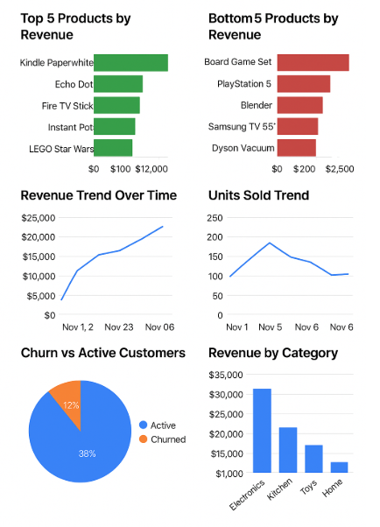
✓ | give example when you solved a problem
✓ | how to do deal with multiple deadlines
✓ | what does a data analyst do
✓ | how do you present a recommandation
✓ | what is churn rate/ how do you keep the client happy based upon data?

Churn Over time
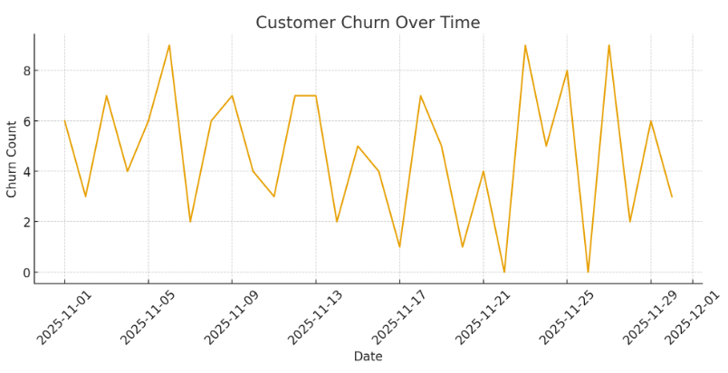
 |  | In summary,
 | Interpretation of Churn Over Time | It is recommended to a,b,c

 | From the graph, we observe:

 | 1. Spikes in churn on multiple dates

 | These peaks indicate periods where customers stopped ordering—this often aligns with:

✓ | Stockouts
✓ | Delayed shipments
✓ | Pricing changes
✓ | Product quality complaints
✓ | Poor customer service experiences

 | 2. High variability day-to-day | Customer ID | Start Month | End Month | Status | Revenue ($) | Churn Flag | Explanation
 | This suggests churn is influenced by short-term factors such as: | C001 | Jan | Active | Active | 49 | 0 | Customer still active
✓ | Competitor deals | C002 | Jan | Feb | Churned | 39 | 1 | Customer left in Feb
✓ | Daily promotions expiring | C003 | Jan | Active | Active | 59 | 0 | Long-term active
✓ | Seasonal buying behavior | C004 | Jan | Mar | Churned | 29 | 1 | Left in March
✓ | Issues with specific products delivered on certain days | C005 | Jan | Active | Active | 19 | 0 | Still active
 |  | C006 | Feb | Active | Active | 55 | 0 | Still active
 | 3. Low-churn days also exist | C007 | Feb | Feb | Churned | 65 | 1 | Churned same month
 |  | C008 | Feb | Active | Active | 40 | 0 | Active
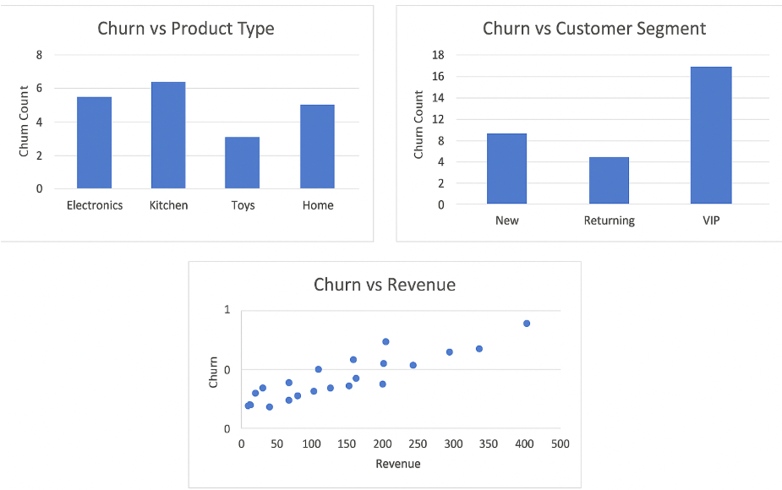
 | These may align with: | C009 | Feb | Active | Active | 33 | 0 | Active
✓ | Strong promotions | C010 | Feb | Mar | Churned | 45 | 1 | Churned after 1 month
✓ | Fast delivery windows | C011 | Jan | Active | Active | 70 | 0 | Active
✓ | Positive customer support outcomes | C012 | Jan | Mar | Churned | 26 | 1 | Churned in March
 |  | C013 | Mar | Active | Active | 22 | 0 | New active customer
 |  | C014 | Mar | Active | Active | 55 | 0 | Active
 |  | C015 | Mar | Active | Active | 37 | 0 | Active
 |  | C016 | Jan | Jan | Churned | 48 | 1 | Churned in the same month
 |  | C017 | Jan | Active | Active | 52 | 0 | Active
 |  | C018 | Feb | Active | Active | 44 | 0 | Active
 |  | C019 | Feb | Mar | Churned | 28 | 1 | Churned after 1 month
 |  | C020 | Mar | Active | Active | 63 | 0 | Active

 |  | Month | Starting Customers | New Customers | Ending Customers | Lost Customers | Churn Rate Formula | Churn Rate Result
 |  | Jan | 1,200 | 100 | 1,250 | 50 | =(starting customers - ending customers + new customers)/starting customers→ actual: (1200 - 1250 + 100)/1200 | 4.17%
 |  | Feb | 1,250 | 80 | 1,260 | 70 | =(1250 - 1260 + 80)/1250 | 5.60%
 |  | Mar | 1,260 | 90 | 1,310 | 40 | =(1260 - 1310 + 90)/1260 | 3.17%
 | Reasons Customers Likely Did Not Re-Order

 | Based on typical Amazon-like ecommerce analytics:

 | 1. Product Expectations Not Met

✓ | Poor product quality
✓ | Inaccurate descriptions
✓ | Wrong sizes/colors

 | 2. Shipping & Fulfillment Problems

✓ | Late deliveries
✓ | Damaged packaging
✓ | Missing items

 | 3. Pricing Competitiveness

✓ | Customer finds better prices elsewhere
✓ | Competitor flash sales
✓ | High shipping fees vs free options

 | 4. Poor Post-Purchase Experience

✓ | No follow-up emails
✓ | Low customer service responsiveness
✓ | Complicated return process

 | 5. Limited Product Variety or Stockouts

✓ | Favorite item suddenly unavailable
✓ | Long restock times

 | 6. User Experience Issues

✓ | Checkout friction
✓ | Payment method failures
✓ | Overly frequent promotional emails leading to disengagement

 | ✅ Recommendations to Reduce Churn

 | 1. Improve Product Quality & Transparency

✓ | Add verified photos & videos

✓ | Include accurate sizing/technical specs

✓ | Monitor return reasons and fix top issues

 | 2. Optimize Shipping Performance

✓ | Reduce last-mile delays

✓ | Offer predictable delivery windows

✓ | Improve packaging quality

 | 3. Strengthen Retention Marketing

✓ | Send reorder reminders (“You may be running low…”)

✓ | Personalized coupon codes

✓ | Loyalty rewards system

 | 4. Fix UX Friction Points

✓ | Simplify checkout

✓ | Auto-save payment & address preferences

✓ | Reduce pop-ups and email clutter

 | 5. Monitor Competitor Pricing

✓ | Auto-adjust based on category trends

✓ | Offer bundled discounts

 | 6. Follow Up After Purchase

✓ | Email asking about the experience

✓ | Invite reviews

✓ | Provide quick access to help/returns

Pivot
Sum of Revenue ($) | Column Labels
Row Labels | 0 | 1 | Grand Total
Electronics | $1,010,888 | $256,207 | $1,267,094
Gaming | $210,511 | $49,117 | $259,628
Home | $615,338 | $161,837 | $777,175
Kitchen | $571,272 | $236,305 | $807,577
Toys | $201,296 | $254,210 | $455,506
Grand Total | $2,609,305 | $957,675 | $3,566,980

