Rack_Layout
REAR VIEW |  |  |  |  |  |  |  |  |  |  | REAR VIEW
 | RACK#01 |  |  |  |  |  | RACK#01
 | CS-R42U-600-1200-AR3300 |  |  |  |  |  | CS-R42U-600-1200-AR3300
42 |  |  |  | 42 | ^^^^ Physical ^^^^ | 42 |  |  |  | 42
41 |  |  |  | 41 |  | 41 |  |  |  | 41
40 |  |  |  | 40 |  | 40 |  |  |  | 40
39 |  |  |  | 39 |  | 39 |  |  |  | 39
38 |  |  |  | 38 |  | 38 |  |  |  | 38
37 |  |  |  | 37 |  | 37 |  |  |  | 37
36 |  |  |  | 36 |  | 36 |  |  |  | 36
35 |  |  |  | 35 |  | 35 |  |  |  | 35
34 |  |  |  | 34 |  | 34 |  |  |  | 34
33 |  |  |  | 33 |  | 33 |  |  |  | 33
32 |  |  |  | 32 |  | 32 |  |  |  | 32
31 |  |  |  | 31 |  | 31 |  |  |  | 31
30 |  |  |  | 30 |  | 30 |  |  |  | 30
29 |  |  |  | 29 |  | 29 |  |  |  | 29
28 |  |  |  | 28 |  | 28 |  |  |  | 28
27 | PN 102261800 x3000u26 |  |  | 27 |  | 27 | PN 102261800 UAN |  |  | 27
26 |  |  |  | 26 |  | 26 |  |  |  | 26
25 |  |  |  | 25 |  | 25 |  |  |  | 25
24 | (SH-XSS-200G-64P) x3000u24 |  |  | 24 |  | 24 | (SH-XSS-200G-64P) sw-hsn01 |  |  | 24
23 | CS-XGE40-MLNX-2100-16 sw-smn02 | CS-XGE40-MLNX-2100-16 sw-smn03 |  | 23 |  | 23 | CS-XGE40-MLNX-2100-16 sw-smn02 | CS-XGE40-MLNX-2100-16 sw-smn03 |  | 23
22 | (XC-XGT-48P-DL2) x3000u22 |  |  | 22 |  | 22 | (XC-XGT-48P-DL2) sw-smn01 |  |  | 22
21 |  |  |  | 21 |  | 21 |  |  |  | 21
Gigiabyte Compute
20 | x3000u20L | x3000u20R |  | 20 | ^^^^ Logical ^^^^ | 20 | nid000003 | nid000001 |  | 20
19 | x3000u19L | x3000u19R |  | 19 |  | 19 | nid000004 | nid000002 |  | 19
18 | PN 102261803 x3000u17 |  |  | 18 |  | 18 | PN 102261803 sn03 |  |  | 18
17 |  |  |  | 17 |  | 17 |  |  |  | 17
16 | PN 102261803 x3000u15 |  |  | 16 |  | 16 | PN 102261803 sn02 |  |  | 16
15 |  |  |  | 15 |  | 15 |  |  |  | 15
14 | PN 102261803 x3000u13 |  |  | 14 |  | 14 | PN 102261803 sn01 |  |  | 14
13 |  |  |  | 13 |  | 13 |  |  |  | 13
12 | PN 102261800 x3000u11 |  |  | 12 |  | 12 | PN 102261800 wn03 |  |  | 12
11 |  |  |  | 11 |  | 11 |  |  |  | 11
10 | PN 102261800 x3000u09 |  |  | 10 |  | 10 | PN 102261800 wn02 |  |  | 10
09 |  |  |  | 09 |  | 09 |  |  |  | 09
08 | PN 102261800 x3000u07 |  |  | 08 |  | 08 | PN 102261800 wn01 |  |  | 08
07 |  |  |  | 07 |  | 07 |  |  |  | 07
06 | PN 102261700 x3000u05 |  |  | 06 |  | 06 | PN 102261700 mn03 |  |  | 06
05 |  |  |  | 05 |  | 05 |  |  |  | 05
04 | PN 102261700 x3000u03 |  |  | 04 |  | 04 | PN 102261700 mn02 |  |  | 04
03 |  |  |  | 03 |  | 03 |  |  |  | 03
02 | PN 102261700 x3000u01 |  |  | 02 |  | 02 | PN 102261700 mn01 |  |  | 02
01 |  |  |  | 01 |  | 01 |  |  |  | 01
 | pdu1-0 |  | pdu1-1 |  |  |  | pdu1-0 |  | pdu1-1
 | CS-ST-PDU-208V-3PD-60A-36 |  |  |  |  |  | CS-ST-PDU-208V-3PD-60A-36

Device Diagrams

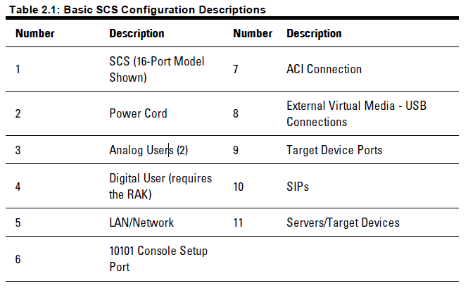
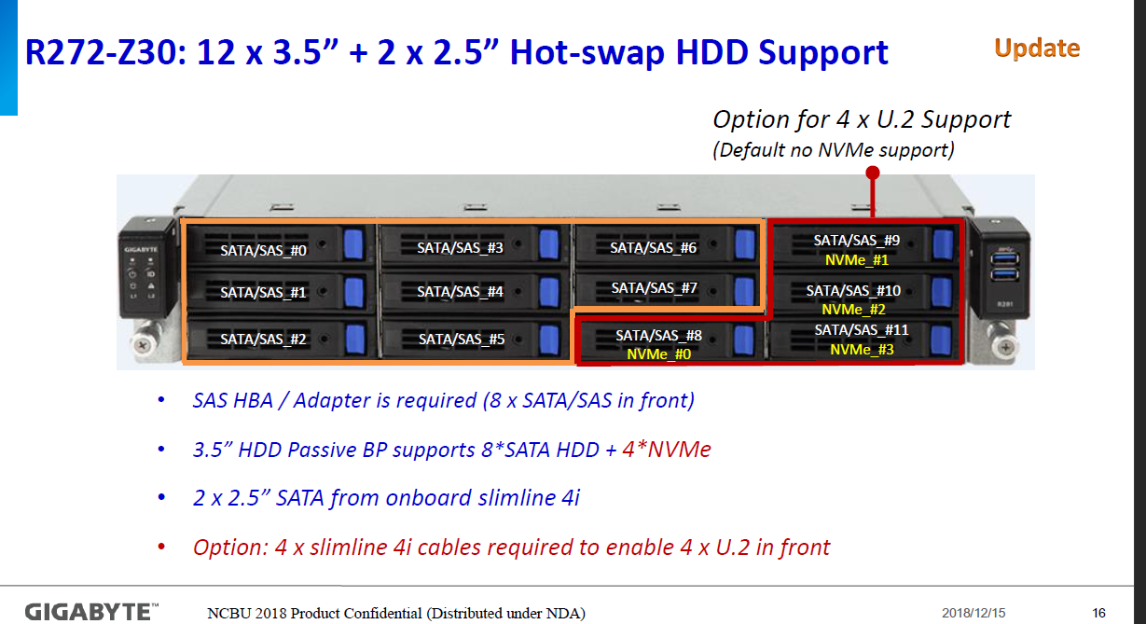
Kubernetes Master Node (MN) SH-SVR-1264-UP (Gigabit R272-Z30) PN 102261700
 |  |  |  |  |  |  |  |  |  |  |  |  |  |  |  |  |  |  |  |  |  |  |  |  |  |  |  |  |  |  |  |  |  |  |  | SATA/NVME DRIVE POPULATION
 | PS2 |  |  |  |  |  | Rear Drive Slot 0 |  | Rear Drive Slot 1 |  |  |  |  |  |  |  |  |  |  | Need Kit to Enable See Jira (RVRROME-20)
 |  |  |  |  |  |  |  |  |  |  |  |  |  |  |  |  |  |  |  |  |  |  |  |  |  |  |  |  |  |  |  |  | 40g01 j1 |  |  | PHYSICAL DRIVE SLOT#
 |  |  |  |  |  |  |  |  |  |  |  |  |  |  |  |  |  |  |  |  |  |  |  |  |  |  |  |  |  |  |  |  |  |  |  | 0 |  | 1 |  | 2 | 3 | 4 | 5 | 6 | 7 | 8 | 9 | 10 | 11

 |  |  |  |  |  |  |  |  |  |  |  |  |  |  |  |  |  |  |  |  |  |  |  |  |  |  |  |  |  |  |  |  | 40g02 j2 |  |  |  |  |  |  |  |  |  |  |  |  | SATA SSD 480GB | SATA SSD 480GB | SATA SSD 480GB

 | PS1
 |  |  |  |  |  |  |  |  |  |  |  |  |  |  |  |  |  |  |  |  |  |  |  |  |  |  |  |  |  |  |  |  | 40G
 |  |  |  |  |  |  |  |  |  |  | COM |  |  |  | MGT J3 |  | lan01 j1
 |  |  |  |  |  |  |  |  |  |  |  |  |  |  |  |  |  |  | PCI | 7 |  | 6 |  |  | 5 |  | 4 |  | 3 |  | 2 |  | 1
 |  |  |  |  |  |  |  |  |  |  | Video |  | OCP2.0 Slot G3x16 |  | USB3 |  | lan02 j2 | USB2 |  | Gen4x16 (MESA Riser Slot) |  | Gen4x16 |  |  | Gen4x8 |  | Gen4x16 |  | Gen4x16 |  | Gen3x8 shares b/w slot 1 |  | Gen3x16 runs x8 w/slot 2 in
 |  |  |  |  |  |  |  |  |  |  |  |  |  |  | USB3

Kubernetes Worker Node (WN) SH-SVR-1264-UP (Gigabit R272-Z30) PN 102261800
 |  |  |  |  |  |  |  |  |  |  |  |  |  |  |  |  |  |  |  |  |  |  |  |  |  |  |  |  |  |  |  |  |  |  |  | SATA/NVME DRIVE POPULATION
 | PS2 |  |  |  |  |  | Rear Drive Slot 0 |  | Rear Drive Slot 1 |  |  |  |  |  |  |  |  |  |  | Need Kit to Enable See Jira (RVRROME-20)
 |  |  |  |  |  |  |  |  |  |  |  |  |  |  |  |  |  |  |  |  |  |  |  |  |  |  | 100g01 j1 |  | 100g01 j1 |  |  |  | 40g01 j1 |  |  | PHYSICAL DRIVE SLOT#
 |  |  |  |  |  |  |  |  |  |  |  |  |  |  |  |  |  |  |  |  |  |  |  |  |  |  |  |  |  |  |  |  |  |  |  | 0 |  | 1 |  | 2 | 3 | 4 | 5 | 6 | 7 | 8 | 9 | 10 | 11

 |  |  |  |  |  |  |  |  |  |  |  |  |  |  |  |  |  |  |  |  |  |  |  |  |  |  |  |  |  |  |  |  | 40g02 j2 |  |  |  |  |  |  |  |  |  |  |  |  | SATA SSD 480GB | SATA SSD 480GB | SATA SSD 1.92TB

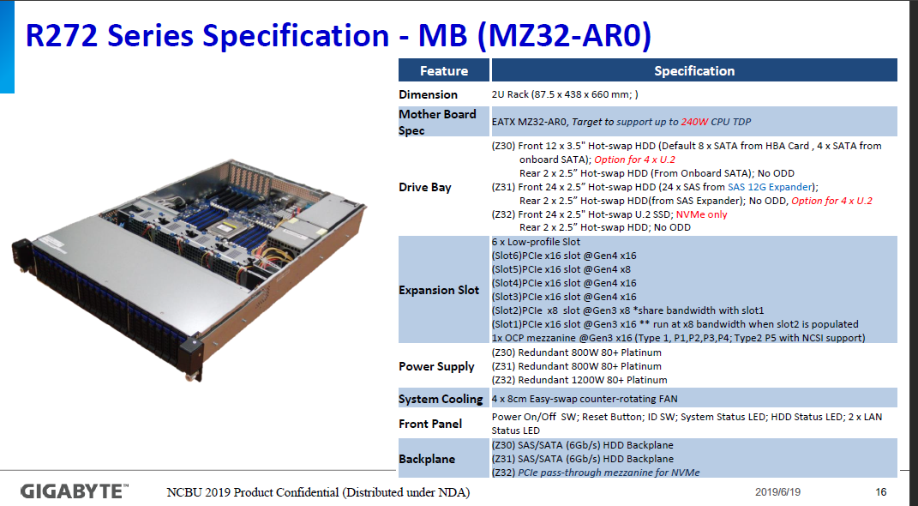
 | PS1
 |  |  |  |  |  |  |  |  |  |  |  |  |  |  |  |  |  |  |  |  |  |  |  |  |  |  | 100G |  | 100G |  |  |  | 40G
 |  |  |  |  |  |  |  |  |  |  | COM |  |  |  | MGT J3 |  | lan01 j1
 |  |  |  |  |  |  |  |  |  |  |  |  |  |  |  |  |  |  | PCI | 7 |  | 6 |  |  | 5 |  | 4 |  | 3 |  | 2 |  | 1
 |  |  |  |  |  |  |  |  |  |  | Video |  | OCP2.0 Slot G3x16 |  | USB3 |  | lan02 j2 | USB2 |  | Gen4x16 (MESA Riser Slot) |  | Gen4x16 |  |  | Gen4x8 |  | Gen4x16 |  | Gen4x16 |  | Gen3x8 shares b/w slot 1 |  | Gen3x16 runs x8 w/slot 2 in
 |  |  |  |  |  |  |  |  |  |  |  |  |  |  | USB3

Kubernetes Storage Node (SN) SH-SVR-1264-UP (Gigabit R272-Z30) PN 102261803
 |  |  |  |  |  |  |  |  |  |  |  |  |  |  |  |  |  |  |  |  |  |  |  |  |  |  |  |  |  |  |  |  |  |  |  | SATA/NVME DRIVE POPULATION
 | PS2 |  |  |  |  |  | Rear Drive Slot 0 |  | Rear Drive Slot 1 |  |  |  |  |  |  |  |  |  |  | Need Kit to Enable See Jira (RVRROME-20) |  |  |  |  | CS-TB-RAID-PCIE-CRA3338
 |  |  |  |  |  |  |  |  |  |  |  |  |  |  |  |  |  |  |  |  |  |  |  |  |  |  |  |  |  |  |  |  | 40g01 j1 |  |  | PHYSICAL DRIVE SLOT#
 |  |  |  |  |  |  |  |  |  |  |  |  |  |  |  |  |  |  |  |  |  |  |  |  |  |  |  |  |  |  |  |  |  |  |  | 0 |  | 1 |  | 2 | 3 | 4 | 5 | 6 | 7 | 8 | 9 | 10 | 11

 |  |  |  |  |  |  |  |  |  |  |  |  |  |  |  |  |  |  |  |  |  |  |  |  |  |  |  |  |  |  |  |  | 40g02 i2 |  |  | SATA SSD 1.92TB |  | SATA SSD 1.92TB |  | SATA SSD 1.92TB | SATA SSD 1.92TB | SATA SSD 1.92TB | SATA SSD 1.92TB | SATA SSD 1.92TB | SATA SSD 1.92TB | SATA SSD 1.92TB | SATA SSD 1.92TB | SATA SSD 1.92TB | SATA SSD 1.92TB

 | PS1 |  |  |  |  |  |  |  |  |  |  |  |  |  |  |  |  |  |  |  |  |  |  |  |  |  |  |  |  |  |  |  |  |  |  | Two Rear DRIVE SLOT#
 |  |  |  |  |  |  |  |  |  |  |  |  |  |  |  |  |  |  |  |  |  |  |  |  |  |  |  |  |  |  |  |  | 40G |  |  | 0 |  | 1
 |  |  |  |  |  |  |  |  |  |  | COM |  |  |  | MGT J3 |  | lan01 j1
 |  |  |  |  |  |  |  |  |  |  |  |  |  |  |  |  |  |  | PCI | 7 |  | 6 |  |  | 5 |  | 4 |  | 3 |  | 2 |  | 1 |  |  | SATA SSD 480GB |  | SATA SSD 480GB
 |  |  |  |  |  |  |  |  |  |  | Video |  | OCP2.0 Slot G3x16 |  | USB3 |  | lan02 j2 | USB2 |  | Gen4x16 (MESA Riser Slot) |  | Gen4x16 |  |  | Gen4x8 |  | Gen4x16 |  | Gen4x16 |  | Gen3x8 shares b/w slot 1 |  | Gen3x16 runs x8 w/slot 2 in
 |  |  |  |  |  |  |  |  |  |  |  |  |  |  | USB3

Gateway Node (GN) SH-SVR-1264-UP (Gigabit R272-Z30) PN 102261802
 |  |  |  |  |  |  |  |  |  |  |  |  |  |  |  |  |  |  |  |  |  |  |  |  |  |  |  |  |  |  |  |  |  |  |  | SATA/NVME DRIVE POPULATION
 | PS2 |  |  |  |  |  | Rear Drive Slot 0 |  | Rear Drive Slot 1 |  |  |  |  |  |  |  |  |  |  | Need Kit to Enable See Jira (RVRROME-20)
 |  |  |  |  |  |  |  |  |  |  |  |  |  |  |  |  |  |  |  |  |  |  |  |  |  |  | 100g01 j1 |  | 100g01 j1 |  |  |  | 40g01 j1 |  |  | PHYSICAL DRIVE SLOT#
 |  |  |  |  |  |  |  |  |  |  |  |  |  |  |  |  |  |  |  |  |  |  |  |  |  |  |  |  |  |  |  |  |  |  |  | 0 |  | 1 |  | 2 | 3 | 4 | 5 | 6 | 7 | 8 | 9 | 10 | 11

 |  |  |  |  |  |  |  |  |  |  |  |  |  |  |  |  |  |  |  |  |  |  |  |  |  |  |  |  |  |  |  |  | 40g02 j2 |  |  |  |  |  |  |  |  |  |  |  |  | SATA SSD 480GB | SATA SSD 480GB

 | PS1
 |  |  |  |  |  |  |  |  |  |  |  |  |  |  |  |  |  |  |  |  |  |  |  |  |  |  | 100G |  | 100G |  |  |  | 40G
 |  |  |  |  |  |  |  |  |  |  | COM |  |  |  | MGT J3 |  | lan01 j1
 |  |  |  |  |  |  |  |  |  |  |  |  |  |  |  |  |  |  | PCI | 7 |  | 6 |  |  | 5 |  | 4 |  | 3 |  | 2 |  | 1
 |  |  |  |  |  |  |  |  |  |  | Video |  | OCP2.0 Slot G3x16 |  | USB3 |  | lan02 j2 | USB2 |  | Gen4x16 (MESA Riser Slot) |  | Gen4x16 |  |  | Gen4x8 |  | Gen4x16 |  | Gen4x16 |  | Gen3x8 shares b/w slot 1 |  | Gen3x16 runs x8 w/slot 2 in
 |  |  |  |  |  |  |  |  |  |  |  |  |  |  | USB3

Login Node (LN) SH-SVR-1264-UP (Gigabit R272-Z30) PN 102261801
 |  |  |  |  |  |  |  |  |  |  |  |  |  |  |  |  |  |  |  |  |  |  |  |  |  |  |  |  |  |  |  |  |  |  |  | SATA/NVME DRIVE POPULATION
 | PS2 |  |  |  |  |  | Rear Drive Slot 0 |  | Rear Drive Slot 1 |  |  |  |  |  |  |  |  |  |  | Need Kit to Enable See Jira (RVRROME-20)
 |  |  |  |  |  |  |  |  |  |  |  |  |  |  |  |  |  |  |  |  |  |  |  |  |  |  | 100g01 j1 |  | 100g01 j1 |  |  |  | 40g01 j1 |  |  | PHYSICAL DRIVE SLOT#
 |  |  |  |  |  |  |  |  |  |  |  |  |  |  |  |  |  |  |  |  |  |  |  |  |  |  |  |  |  |  |  |  |  |  |  | 0 |  | 1 |  | 2 | 3 | 4 | 5 | 6 | 7 | 8 | 9 | 10 | 11

 |  |  |  |  |  |  |  |  |  |  |  |  |  |  |  |  |  |  |  |  |  |  |  |  |  |  |  |  |  |  |  |  | 40g02 j2 |  |  |  |  |  |  |  |  |  |  |  |  | SATA SSD 480GB | SATA SSD 480GB

 | PS1
 |  |  |  |  |  |  |  |  |  |  |  |  |  |  |  |  |  |  |  |  |  |  |  |  |  |  | 100G |  | 100G |  |  |  | 40G
 |  |  |  |  |  |  |  |  |  |  | COM |  |  |  | MGT J3 |  | lan01 j1
 |  |  |  |  |  |  |  |  |  |  |  |  |  |  |  |  |  |  | PCI | 7 |  | 6 |  |  | 5 |  | 4 |  | 3 |  | 2 |  | 1
 |  |  |  |  |  |  |  |  |  |  | Video |  | OCP2.0 Slot G3x16 |  | USB3 |  | lan02 j2 | USB2 |  | Gen4x16 (MESA Riser Slot) |  | Gen4x16 |  |  | Gen4x8 |  | Gen4x16 |  | Gen4x16 |  | Gen3x8 shares b/w slot 1 |  | Gen3x16 runs x8 w/slot 2 in
 |  |  |  |  |  |  |  |  |  |  |  |  |  |  | USB3

CN (SH-SVR-3264) ( Gigabyte H262-Z61) PN
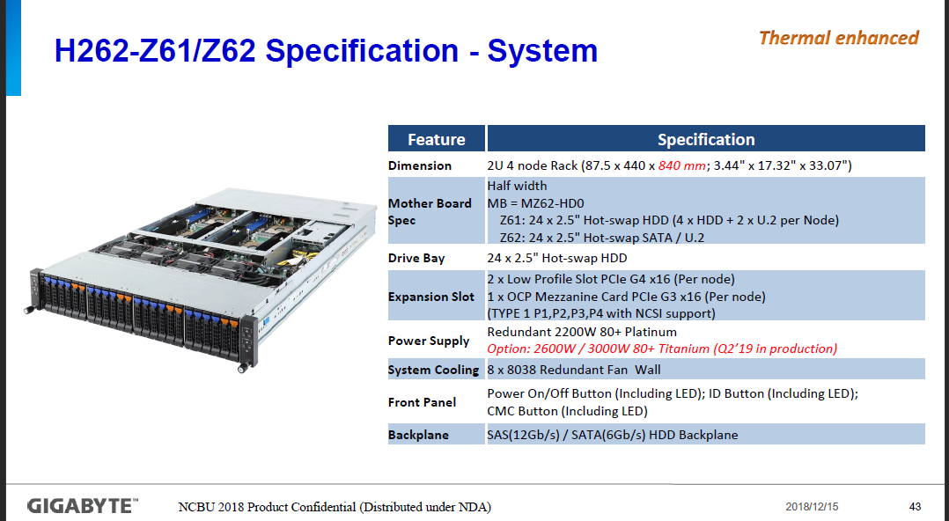
 | Compute Nodes - cn-xxxx
 | CS-MLNX-N3GE100-C5-1P
 | Riser Slot 01 (Gen4-x16) |  |  |  | 100g01 j1 |  |  |  |  |  | Empty

 |  | USB 3.0 x2 |  | OCP Mezzanine Card Slot |  |  |  |  |  | VGA |  |  | lan02 j2 | lan01 j1 |  | MGMT j3

 | Front View
 |  |  |  | Node 1 - Drive Slot 00 |  | Node 1 - Drive Slot 01 | Node 1 - Drive Slot 02 |  | Node 1 - Drive Slot 03 |  | Node 1 - Drive Slot 04 |  | Node 1 - Drive Slot 05 | Node 2 - Drive Slot 00 | Node 2 - Drive Slot 01 |  | Node 2 - Drive Slot 02 | Node 2 - Drive Slot 03 | Node 2 - Drive Slot 04 | Node 2 - Drive Slot 05 | Node 3 - Drive Slot 00 |  | Node 3 - Drive Slot 01 |  | Node 3 - Drive Slot 02 | Node 3 - Drive Slot 03 |  | Node 3 - Drive Slot 04 | Node 3 - Drive Slot 05 | Node 4 - Drive Slot 00 |  | Node 4 - Drive Slot 01 | Node 4 - Drive Slot 02 | Node 4 - Drive Slot 03 | Node 4 - Drive Slot 04 |  | Node 4 - Drive Slot 05
 | Node 1 |  |  |  |  |  |  |  |  |  |  |  |  |  |  |  |  |  |  |  |  |  |  |  |  |  |  |  |  |  |  |  |  |  |  |  |  |  | Node 3

 | Node 2 |  |  |  |  |  |  |  |  |  |  |  |  |  |  |  |  |  |  |  |  |  |  |  |  |  |  |  |  |  |  |  |  |  |  |  |  |  | Node 4

 |  |  |  | Node 1 Drive Bays |  |  |  |  |  |  |  |  |  | Node 2 Drive Bays |  |  |  |  |  |  | Node 3 Drive Bays |  |  |  |  |  |  |  |  | Node 4 Drive Bays

 |  |  |  | Rear View |  |  |  | SH-SVR-3264
 |  |  | Node Layout Diagram |  | PSU 02 (C19 Plug Required) |  |  |  | Node 3 |  |  |  |  |  |  |  |  |  |  |  |  |  |  | Node 1

 |  |  | CMC LAN Ports |  | PSU 01 (C19 Plug Required) |  |  |  | Node 4 |  |  |  |  |  |  |  |  |  |  |  |  |  |  | Node 2

 |  |  |  |  |  |  |  |  |  | XC-XGT-48P-DL2 Ethernet switch (Dell S4048-ON)

 |  |  |  |  |  |  |  |  |  |  |  | XC-XGE-48P-DL2 Ethernet switch (Dell S3048-ON)

 |  |  |  |  |  |  |  |  | CS-XGE40-MLNX-2100-16

 |  | Cray Slingshot Switches

 |  | SH-XSS-200G-64P |  |  |  |  |  |  |  | SLINGSHOT 200G 64 PORTS SWITCH, POWER-SIDE TO PORT-SIDE AIRFLOW
 |  | SH-XSS-200G-64P-R |  |  |  |  |  |  |  | SLINGSHOT 200G 64 PORTS SWITCH, PORT-SIDE TO POWER-SIDE AIRFLOW

 |  | Columbia TOR (Frontside View)

 |  |  |  |  |  |  |  |  |  |  |  |  | CS-KVM-8P
 |  |  |  |  |  |  |  |  |  |  |  |  | Note this KVM requires the following parts be added: 1) A 1G cable to the Management network to access it. (Number 5 below) 2) A Dell Interface Module/Dongle (PN 101980100 )to connect to the USB/VGA port on the server.(Number 10 below) 3) A 1G cable from above dongle to KVM switch. (Number 9 below) 4) A C13-C14 Power cord ( Number 2 below)

Colorado v1
Logical Port | Port Designator | Connector RefDes | Jack Notation | Legacy Notation | HSN Connector Port | HSN Link | Algorithmic MAC | Sbus Lane 0 | Sbus Lane 1 | Sbus Lane 2 | Sbus Lane 3
0 | PF00A | ExaMax.J16 | J105X |  |  | xXcCrRaAl0 | 02:fe:00:00:00:00 | :0:0x05 | :0:0x06 | :0:0x07 | :0:0x08
1 | PF00B | ExaMax.J16 | J105Y |  |  | xXcCrRaAl1 | 02:fe:00:00:00:01 | :0:0x09 | :0:0x0a | :0:0x0b | :0:0x0c
2 | PF01A | ExaMax.J18 | J107X |  |  | xXcCrRaAl2 | 02:fe:00:00:00:02 | :0:0x0d | :0:0x0e | :0:0x0f | :0:0x10
3 | PF01B | ExaMax.J18 | J107Y |  |  | xXcCrRaAl3 | 02:fe:00:00:00:03 | :0:0x11 | :0:0x12 | :0:0x13 | :0:0x14
4 | PF02A | J2601 | J1A | T0-C | xXcCrRj1p1 | xXcCrRaAl4 | 02:fe:00:00:00:04 | :0:0x17 | :0:0x18 | :0:0x19 | :0:0x1a
5 | PF02B | J2601 | J1B | T0-B | xXcCrRj1p0 | xXcCrRaAl5 | 02:fe:00:00:00:05 | :0:0x1b | :0:0x1c | :0:0x1d | :0:0x1e
6 | PF03A | J2602 | J4A | B1-C | xXcCrRj4p1 | xXcCrRaAl6 | 02:fe:00:00:00:06 | :0:0x1f | :0:0x20 | :0:0x21 | :0:0x22
7 | PF03B | J2602 | J4B | B1-B | xXcCrRj4p0 | xXcCrRaAl7 | 02:fe:00:00:00:07 | :0:0x23 | :0:0x24 | :0:0x25 | :0:0x26
8 | PF04A | J2501 | J6A | B2-C | xXcCrRj6p1 | xXcCrRaAl8 | 02:fe:00:00:00:08 | :0:0x60 | :0:0x61 | :0:0x62 | :0:0x63
9 | PF04B | J2501 | J6B | B2-B | xXcCrRj6p0 | xXcCrRaAl9 | 02:fe:00:00:00:09 | :0:0x64 | :0:0x65 | :0:0x66 | :0:0x67
10 | PF05A | J2502 | J7A | T3-C | xXcCrRj7p1 | xXcCrRaAl10 | 02:fe:00:00:00:0A | :0:0x58 | :0:0x59 | :0:0x5a | :0:0x5b
11 | PF05B | J2502 | J7B | T3-B | xXcCrRj7p0 | xXcCrRaAl11 | 02:fe:00:00:00:0B | :0:0x5c | :0:0x5d | :0:0x5e | :0:0x5f
12 | PF06A | J2401 | J10A | B4-C | xXcCrRj10p1 | xXcCrRaAl12 | 02:fe:00:00:00:0C | :0:0x4f | :0:0x50 | :0:0x51 | :0:0x52
13 | PF06B | J2401 | J10B | B4-B | xXcCrRj10p0 | xXcCrRaAl13 | 02:fe:00:00:00:0D | :0:0x53 | :0:0x54 | :0:0x55 | :0:0x56
14 | PF07A | J2402 | J11A | T5-C | xXcCrRj11p1 | xXcCrRaAl14 | 02:fe:00:00:00:0E | :0:0x47 | :0:0x48 | :0:0x49 | :0:0x4a
15 | PF07B | J2402 | J11B | T5-B | xXcCrRj11p0 | xXcCrRaAl15 | 02:fe:00:00:00:0F | :0:0x4b | :0:0x4c | :0:0x4d | :0:0x4e
16 | PF08A | ExaMax.J15 | J104X |  |  | xXcCrRaAl16 | 02:fe:00:00:00:10 | :0:0x80 | :0:0x81 | :0:0x82 | :0:0x83
17 | PF08B | ExaMax.J15 | J104Y |  |  | xXcCrRaAl17 | 02:fe:00:00:00:11 | :0:0x84 | :0:0x85 | :0:0x86 | :0:0x87
18 | PF09A | ExaMax.J17 | J106X |  |  | xXcCrRaAl18 | 02:fe:00:00:00:12 | :0:0x78 | :0:0x79 | :0:0x7a | :0:0x7b
19 | PF09B | ExaMax.J17 | J106Y |  |  | xXcCrRaAl19 | 02:fe:00:00:00:13 | :0:0x7c | :0:0x7d | :0:0x7e | :0:0x7f
20 | PF10A | J2601 | J2A | B0-C | xXcCrRj2p1 | xXcCrRaAl20 | 02:fe:00:00:00:14 | :0:0x70 | :0:0x71 | :0:0x72 | :0:0x73
21 | PF10B | J2601 | J2B | B0-B | xXcCrRj2p0 | xXcCrRaAl21 | 02:fe:00:00:00:15 | :0:0x74 | :0:0x75 | :0:0x76 | :0:0x77
22 | PF11A | J2602 | J3A | T1-C | xXcCrRj3p1 | xXcCrRaAl22 | 02:fe:00:00:00:16 | :0:0x68 | :0:0x69 | :0:0x70 | :0:0x71
23 | PF11B | J2602 | J3B | T1-B | xXcCrRj3p0 | xXcCrRaAl23 | 02:fe:00:00:00:17 | :0:0x6c | :0:0x6d | :0:0x6e | :0:0x6f
24 | PF12A | J2501 | J5A | T2-C | xXcCrRj5p1 | xXcCrRaAl24 | 02:fe:00:00:00:18 | :0:0x27 | :0:0x28 | :0:0x29 | :0:0x2a
25 | PF12B | J2501 | J5B | T2-B | xXcCrRj5p0 | xXcCrRaAl25 | 02:fe:00:00:00:19 | :0:0x2b | :0:0x2c | :0:0x2d | :0:0x2e
26 | PF13A | J2502 | J8A | B3-C | xXcCrRj8p1 | xXcCrRaAl26 | 02:fe:00:00:00:1A | :0:0x2f | :0:0x30 | :0:0x31 | :0:0x32
27 | PF13B | J2502 | J8B | B3-B | xXcCrRj8p0 | xXcCrRaAl27 | 02:fe:00:00:00:1B | :0:0x33 | :0:0x34 | :0:0x35 | :0:0x36
QSFP-DD (Double-Density) Interconnect System’s 8-lane electrical interface transmits up to 28 Gbps NRZ or 56 Gbps PAM-4, up to 200 or 400 Gbps aggregate, with the same module form factor as QSFP Interconnects, making them backward compatible
28 | PF14A | J2401 | J9A | T4-C | xXcCrRj9p1 | xXcCrRaAl28 | 02:fe:00:00:00:1C | :0:0x37 | :0:0x38 | :0:0x39 | :0:0x3a
29 | PF14B | J2401 | J9B | T4-B | xXcCrRj9p0 | xXcCrRaAl29 | 02:fe:00:00:00:1D | :0:0x3b | :0:0x3c | :0:0x3d | :0:0x3e
30 | PF15A | J2402 | J12A | B5-C | xXcCrRj12p1 | xXcCrRaAl30 | 02:fe:00:00:00:1E | :0:0x3f | :0:0x40 | :0:0x41 | :0:0x42
31 | PF15B | J2402 | J12B | B5-B | xXcCrRj12p0 | xXcCrRaAl31 | 02:fe:00:00:00:1F | :0:0x43 | :0:0x44 | :0:0x45 | :0:0x46
32 | PF16A | ExaMax.J14 | J103Y |  |  | xXcCrRaAl32 | 02:fe:00:00:00:20 | :1:0x7b | :1:0x7c | :1:0x7d | :1:0x7e
33 | PF16B | ExaMax.J14 | J103X |  |  | xXcCrRaAl33 | 02:fe:00:00:00:21 | :1:0x7f | :1:0x80 | :1:0x81 | :1:0x82
34 | PF17A | ExaMax.J12 | J101Y |  |  | xXcCrRaAl34 | 02:fe:00:00:00:22 | :1:0x73 | :1:0x74 | :1:0x75 | :1:0x76
35 | PF17B | ExaMax.J12 | J101X |  |  | xXcCrRaAl35 | 02:fe:00:00:00:23 | :1:0x77 | :1:0x88 | :1:0x89 | :1:0x8a
36 | PF18A | J2102 | J24A | B11-C | xXcCrRj24p1 | xXcCrRaAl36 | 02:fe:00:00:00:24 | :1:0x6b | :1:0x6c | :1:0x6d | :1:0x6e
37 | PF18B | J2102 | J24B | B11-B | xXcCrRj24p0 | xXcCrRaAl37 | 02:fe:00:00:00:25 | :1:0x6f | :1:0x70 | :1:0x71 | :1:0x72
38 | PF19A | J2101 | J21A | T10-C | xXcCrRj21p1 | xXcCrRaAl38 | 02:fe:00:00:00:26 | :1:0x63 | :1:0x64 | :1:0x65 | :1:0x66
39 | PF19B | J2101 | J21B | T10-B | xXcCrRj21p0 | xXcCrRaAl39 | 02:fe:00:00:00:27 | :1:0x67 | :1:0x78 | :1:0x79 | :1:0x7a
40 | PF20A | J2202 | J19A | T9-C | xXcCrRj19p1 | xXcCrRaAl40 | 02:fe:00:00:00:28 | :1:0x22 | :1:0x23 | :1:0x24 | :1:0x25
41 | PF20B | J2202 | J19B | T9-B | xXcCrRj19p0 | xXcCrRaAl41 | 02:fe:00:00:00:29 | :1:0x26 | :1:0x27 | :1:0x28 | :1:0x29
42 | PF21A | J2201 | J18A | B8-C | xXcCrRj18p1 | xXcCrRaAl42 | 02:fe:00:00:00:2A | :1:0x2a | :1:0x2b | :1:0x2c | :1:0x2d
43 | PF21B | J2201 | J18B | B8-B | xXcCrRj18p0 | xXcCrRaAl43 | 02:fe:00:00:00:2B | :1:0x2e | :1:0x2f | :1:0x30 | :1:0x31
44 | PF22A | J2302 | J15A | T7-C | xXcCrRj15p1 | xXcCrRaAl44 | 02:fe:00:00:00:2C | :1:0x32 | :1:0x33 | :1:0x34 | :1:0x35
45 | PF22B | J2302 | J15B | T7-B | xXcCrRj15p0 | xXcCrRaAl45 | 02:fe:00:00:00:2D | :1:0x36 | :1:0x37 | :1:0x38 | :1:0x39
46 | PF23A | J2301 | J14A | B6-C | xXcCrRj14p1 | xXcCrRaAl46 | 02:fe:00:00:00:2E | :1:0x3a | :1:0x3b | :1:0x3c | :1:0x3d
47 | PF23B | J2301 | J14B | B6-B | xXcCrRj14p0 | xXcCrRaAl47 | 02:fe:00:00:00:2F | :1:0x3e | :1:0x3f | :1:0x40 | :1:0x41
48 | PF24A | ExaMax.J13 | J102Y |  |  | xXcCrRaAl48 | 02:fe:00:00:00:30 | :1:0x01 | :1:0x02 | :1:0x03 | :1:0x04
49 | PF24B | ExaMax.J13 | J102X |  |  | xXcCrRaAl49 | 02:fe:00:00:00:31 | :1:0x05 | :1:0x06 | :1:0x07 | :1:0x08
50 | PF25A | ExaMax.J11 | J100Y |  |  | xXcCrRaAl50 | 02:fe:00:00:00:32 | :1:0x09 | :1:0x0a | :1:0x0b | :1:0x0c
51 | PF25B | ExaMax.J11 | J100X |  |  | xXcCrRaAl51 | 02:fe:00:00:00:33 | :1:0x0d | :1:0x0e | :1:0x0f | :1:0x10
52 | PF26A | J2102 | J23A | T11-C | xXcCrRj23p1 | xXcCrRaAl52 | 02:fe:00:00:00:34 | :1:0x12 | :1:0x13 | :1:0x14 | :1:0x15
53 | PF26B | J2102 | J23B | T11-B | xXcCrRj23p0 | xXcCrRaAl53 | 02:fe:00:00:00:35 | :1:0x16 | :1:0x17 | :1:0x18 | :1:0x19
54 | PF27A | J2101 | J22B | B10-B | xXcCrRj22p0 | xXcCrRaAl54 | 02:fe:00:00:00:36 | :1:0x1a | :1:0x1b | :1:0x1c | :1:0x1d
55 | PF27B | J2101 | J22A | B10-C | xXcCrRj22p1 | xXcCrRaAl55 | 02:fe:00:00:00:37 | :1:0x1e | :1:0x1f | :1:0x20 | :1:0x21
56 | PF28A | J2202 | J20A | B9-C | xXcCrRj20p1 | xXcCrRaAl56 | 02:fe:00:00:00:38 | :1:0x5b | :1:0x5c | :1:0x5d | :1:0x5e
57 | PF28B | J2202 | J20B | B9-B | xXcCrRj20p0 | xXcCrRaAl57 | 02:fe:00:00:00:39 | :1:0x5f | :1:0x60 | :1:0x61 | :1:0x62
58 | PF29A | J2201 | J17B | T8-B | xXcCrRj17p0 | xXcCrRaAl58 | 02:fe:00:00:00:3A | :1:0x53 | :1:0x54 | :1:0x55 | :1:0x56
59 | PF29B | J2201 | J17A | T8-C | xXcCrRj17p1 | xXcCrRaAl59 | 02:fe:00:00:00:3B | :1:0x57 | :1:0x58 | :1:0x59 | :1:0x5a
60 | PF30A | J2302 | J16A | B7-C | xXcCrRj16p1 | xXcCrRaAl60 | 02:fe:00:00:00:3C | :1:0x4a | :1:0x4b | :1:0x4c | :1:0x4d
61 | PF30B | J2302 | J16B | B7-B | xXcCrRj16p0 | xXcCrRaAl61 | 02:fe:00:00:00:3D | :1:0x4e | :1:0x4f | :1:0x50 | :1:0x51
62 | PF31A | J2301 | J13A | T6-C | xXcCrRj13p1 | xXcCrRaAl62 | 02:fe:00:00:00:3E | :1:0x42 | :1:0x43 | :1:0x44 | :1:0x45
63 | PF31B | J2301 | J13B | T6-B | xXcCrRj13p0 | xXcCrRaAl63 | 02:fe:00:00:00:3F | :1:0x46 | :1:0x47 | :1:0x48 | :1:0x49

NMN
VLAN 2
VLAN 3
VLAN 4
Production style connections
in the future
MTN 0
MTN 1
MTN 2
MTN 3
MTN 3
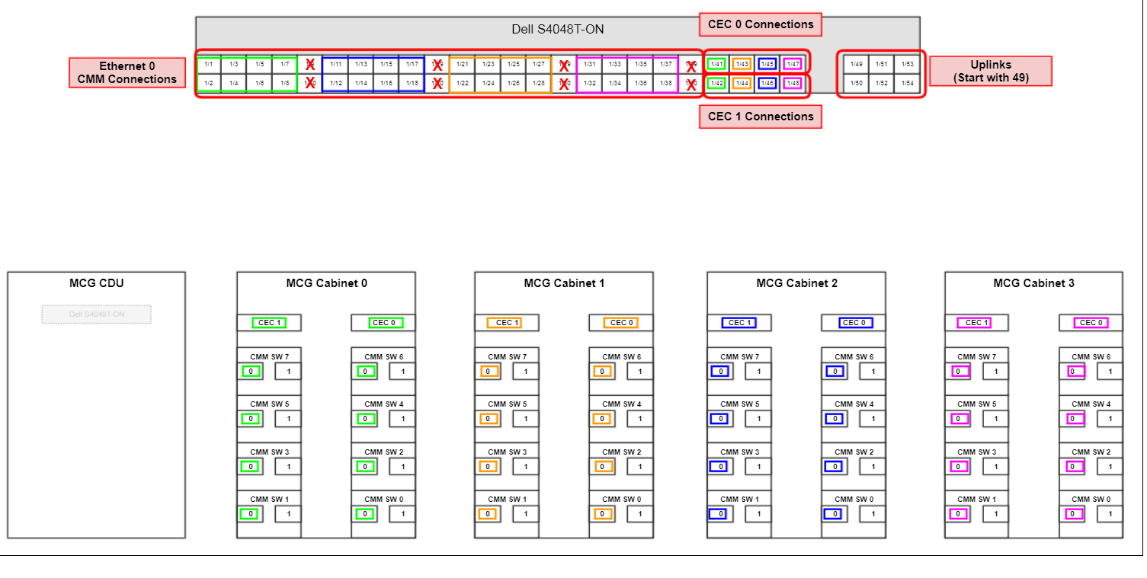
Ethernet Operational Network

Cable Requirement
 | Desc. | Mkt Code |  | Part No. | Qty
1 | ETH-7FT-BLUE | CS-KGE-PAND-STP-PL-002M1 |  | 100982102 | 14
 | ETH-7FT-WHITE | NA |  | 080-00127J | 0
2 | ETH-10FT-BLUE | NA |  | 080-00095H | 0
3 | ETH-3FT-BLUE | NA |  | 100982100 | 0
 |  |  |  | Total= | 14

Ethernet Routing Table
 |  | Label Info (2 lines)
 | Source | Source | Destination | Destination | Description | Part Number
 | mn01 | x3000u01-j1 | x3000u22-p02 | sw-smn01 | ETH-7FT-BLUE | 100982102
 | mn02 | x3000u03-j1 | x3000u22-p03 | sw-smn01 | ETH-7FT-BLUE | 100982102
 | mn03 | x3000u05-j1 | x3000u22-p04 | sw-smn01 | ETH-7FT-BLUE | 100982102
 | wn01 | x3000u07-j1 |  | Cray Site Connect
 | wn02 | x3000u09-j1 | x3000u22-p05 | sw-smn01 | ETH-7FT-BLUE | 100982102
 | wn03 | x3000u11-j1 | x3000u22-p06 | sw-smn01 | ETH-7FT-BLUE | 100982102
 | sn01 | x3000u13-j1 | x3000u22-p07 | sw-smn01 | ETH-7FT-BLUE | 100982102
 | sn02 | x3000u15-j1 | x3000u22-p08 | sw-smn01 | ETH-7FT-BLUE | 100982102
 | sn03 | x3000u17-j1 | x3000u22-p09 | sw-smn01 | ETH-7FT-BLUE | 100982102
 | nid000001 | x3000u20R-j1 | x3000u22-p10 | sw-smn01 | ETH-7FT-BLUE | 100982102
 | nid000002 | x3000u19R-j1 | x3000u22-p11 | sw-smn01 | ETH-7FT-BLUE | 100982102
 | nid000003 | x3000u20L-j1 | x3000u22-p12 | sw-smn01 | ETH-7FT-BLUE | 100982102
 | nid000004 | x3000u19L-j1 | x3000u22-p13 | sw-smn01 | ETH-7FT-BLUE | 100982102
 | wn01 | x3000u07-j2 | x3000u22-p14 | sw-smn01 | ETH-7FT-BLUE | 100982102
 | UAN | x3000u26-j1 | x3000u22-p15 | sw-smn01 | ETH-7FT-BLUE | 100982102
 | sw-smn01 |  | x3000u22-p01 | N/A

PDU
PDU Power Cabling |  |  | Temperature and Humidity Probes get installed two on front side and two on back side. Installed middle top and middle bottom of rack.

Cable Requirement
 | Desc. | Mkt Code |  | Part No. | Qty
1 | C14-C13-1M2 | CS-APC-KPWR-C14-13-1M2 |  | 085-00251A | 4
2 | C14-C13-1M5 | CS-APC-KPWR-C14-13-1M5 |  | 085-00218A | 10
3 | C19-C20-1M0 | N/A |  | 100894300 | 0
 |  |  |  | Total= | 14
PDU Routing Table
 |  | Label Info (2 lines)
 | Source | Source | Destination | Destination | Description | Part Number | ServerTech
Rack1 |  |  |  |  |  |  | CS-ST-PDU-208V-3PD-60A-36
1 | opsw02 | r01u41-p01 | pdu1-0-xy01 | pdu1-0 | C14-C13-1M2 | 085-00251A | CS36CA-DQME2766/Z1 Water Tight 3Phase 50/60A
2 | opsw02 | r01u41-p02 | pdu1-1-xy01 | pdu1-1 | C14-C13-1M2 | 085-00251A
3 | rc02 | r01u40-p01 | pdu1-0-yz01 | pdu1-0 | C14-C13-1M2 | 085-00251A |  | Port Naming
4 | rc02 | r01u40-p02 | pdu1-1-yz01 | pdu1-1 | C14-C13-1M2 | 085-00251A |  | Port | Type
Not Updated
5 | r01u39 | r01u39 | pdu1-0-zx01 | pdu1-0 | C14-C13-1M5 | 085-00218A |  | xy01 | C13
6 | r01u38 | r01u38 | pdu1-1-zx01 | pdu1-1 | C14-C13-1M5 | 085-00218A |  | yz01 | C13
7 | sms01 | r01u36-p01 | pdu1-0-xy02 | pdu1-0 | C14-C13-1M5 | 085-00218A |  | zx01 | C13
8 | sms01 | r01u36-p02 | pdu1-1-xy02 | pdu1-1 | C14-C13-1M5 | 085-00218A |  | xy02 | C13
9 | ssn01 | r01u34-p01 | pdu1-0-yz02 | pdu1-0 | C14-C13-1M5 | 085-00218A |  | yz02 | C13
10 | ssn01 | r01u34-p02 | pdu1-1-yz02 | pdu1-1 | C14-C13-1M5 | 085-00218A |  | zx02 | C13
11 | uan01 | r01u32-p01 | pdu1-0-zx02 | pdu1-0 | C14-C13-1M5 | 085-00218A |  | xy03 | C13
12 | uan01 | r01u32-p02 | pdu1-1-zx02 | pdu1-1 | C14-C13-1M5 | 085-00218A |  | yz03 | C13
13 | gwn01 | r01u30-p01 | pdu1-0-xy03 | pdu1-0 | C14-C13-1M5 | 085-00218A |  | zx03 | C13
14 | gwn01 | r01u30-p02 | pdu1-1-xy03 | pdu1-1 | C14-C13-1M5 | 085-00218A |  | xy04 | C13
 |  |  |  |  |  |  |  | yz04 | C13
 |  |  |  |  |  |  |  | zx04 | C13
 |  |  |  |  |  |  |  | xy05 | C19
 |  |  |  |  |  |  |  | yz05 | C19
 |  |  |  |  |  |  |  | zx05 | C19
 |  |  |  |  |  |  |  | xy06 | C19
 |  |  |  |  |  |  |  | yz06 | C19
 |  |  |  |  |  |  |  | zx06 | C19

 |  |  |  |  |  |  |  | xy07 | C13
 |  |  |  |  |  |  |  | yz07 | C13
 |  |  |  |  |  |  |  | zx07 | C13
 |  |  |  |  |  |  |  | xy08 | C13
 |  |  |  |  |  |  |  | yz08 | C13
 |  |  |  |  |  |  |  | zx08 | C13
 |  |  |  |  |  |  |  | xy09 | C13
 |  |  |  |  |  |  |  | yz09 | C13
 |  |  |  |  |  |  |  | zx09 | C13
 |  |  |  |  |  |  |  | xy10 | C13
 |  |  |  |  |  |  |  | yz10 | C13
 |  |  |  |  |  |  |  | zx10 | C13
 |  |  |  |  |  |  |  | xy11 | C19
 |  |  |  |  |  |  |  | yz11 | C19
 |  |  |  |  |  |  |  | zx11 | C19
 |  |  |  |  |  |  |  | xy12 | C19
 |  |  |  |  |  |  |  | yz12 | C19
 |  |  |  |  |  |  |  | zx12 | C19
 |  |  |  |  |  |  |  | Pigtail

