Config. Summary
Cray Inc – Mug
Cluster | Asset #
Agile ID# | PO#

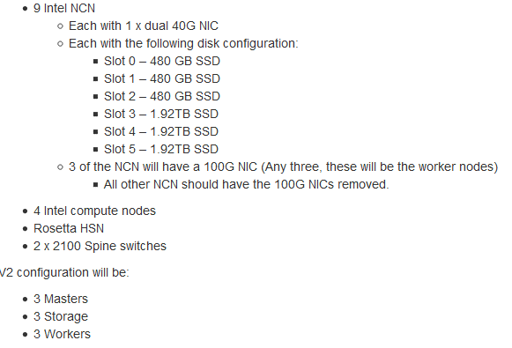

Project Description- This is two systems. To be used as two Partitions based only on POs. listed above .
Date | Description | Modifier | Revision | ECO#
2019-09-19 | Initial Mug Configuration to 9 Intel NCN's | Scott Alne | A1
2019-11-27 | Showing CAN connection to Dell switch in NMN tab | Scott Alne | A2
2020-04-23 | Adding UAN to system | Scott Alne | A3
2020-05-20 | Added 4 dense Intel Compute nodes | Scott Alne | A4
2020-05-26 | Renamed nid05-08 to wn04-07 | Scott Alne | A5
2020-05-26 | typo in NMN tab | Scott Alne | A6

Device Diagrams
Master Node (CS-WFMB-R2308WFTZS )

 |  |  |  |  |  |  | Blank |  |  |  |  |  |  | Riser Slot#2 (A2UL16RISER2) | 40G | 40g02 |  | 40g01 | #101966800 |  |  | Riser Slot#1 (A2UL16RISER2) | BLANK

 |  |  |  |  |  |  |  |  |  |  |  |  |  |  |  |  |  |  |  |  |  |  |  |  |  |  |  | i1
 |  |  |  |  |  |  | Blank |  |  |  |  |  |  |  | BLANK |  |  |  |  |  |  |  | N/A

 | PSU1 j1 |  |  |  |  |  | PSU2 j2 |  |  |  |  |  |  |  | BLANK |  |  |  |  |  |  |  | BLANK

 |  |  |  |  |  |  |  |  |  |  |  |  |  |  |  |  |  |  |  |  |  | USB |  | 3
 |  |  |  |  |  |  |  |  |  |  |  |  |  | lan01 |  |  | lan02 |  |  | Video | Serial (RJ45) | USB |  | 2 | MGMT (NIC) |  |  | I/O Module (opt)
 |  |  |  |  |  |  |  |  |  |  |  |  |  |  |  |  |  |  |  |  |  | USB |  | 1
 |  |  |  |  |  |  |  |  |  |  |  |  |  |  | j1 |  |  |  |  |  |  |  |  |  |  | b0

Worker Node (CS-WFMB-R2308WFTZS )

 |  |  |  |  |  |  | Blank |  |  |  |  |  |  | Riser Slot#2 (A2UL16RISER2) | 40G | 40g02 |  | 40g01 | #101966800 |  |  | Riser Slot#1 (A2UL16RISER2) | 100G |  |  |  | 100g01 |  | 101868500

 |  |  |  |  |  |  |  |  |  |  |  |  |  |  |  |  |  |  |  |  |  |  |  |  |  |  |  | i1
 |  |  |  |  |  |  | Blank |  |  |  |  |  |  |  | BLANK |  |  |  |  |  |  |  | BLANK

 | PSU1 j1 |  |  |  |  |  | PSU2 j2 |  |  |  |  |  |  |  | BLANK |  |  |  |  |  |  |  | BLANK

 |  |  |  |  |  |  |  |  |  |  |  |  |  |  |  |  |  |  |  |  |  | USB |  | 3
 |  |  |  |  |  |  |  |  |  |  |  |  |  | lan01 |  |  | lan02 |  |  | Video | Serial (RJ45) | USB |  | 2 | MGMT (NIC) |  |  | I/O Module (opt)
 |  |  |  |  |  |  |  |  |  |  |  |  |  |  |  |  |  |  |  |  |  | USB |  | 1
 |  |  |  |  |  |  |  |  |  |  |  |  |  |  | j1 |  |  |  |  |  |  |  |  |  |  | b0

Storage Node (CS-WFMB-R2308WFTZS )

 |  |  |  |  |  |  | Blank |  |  |  |  |  |  | Riser Slot#2 (A2UL16RISER2) | 40G | 40g02 |  | 40g01 | #101966800 |  |  | Riser Slot#1 (A2UL16RISER2) | BLANK

 |  |  |  |  |  |  |  |  |  |  |  |  |  |  |  |  |  |  |  |  |  |  |  |  |  |  |  | i1
 |  |  |  |  |  |  | Blank |  |  |  |  |  |  |  | BLANK |  |  |  |  |  |  |  | N/A

 | PSU1 j1 |  |  |  |  |  | PSU2 j2 |  |  |  |  |  |  |  | BLANK |  |  |  |  |  |  |  | BLANK

 |  |  |  |  |  |  |  |  |  |  |  |  |  |  |  |  |  |  |  |  |  | USB |  | 3
 |  |  |  |  |  |  |  |  |  |  |  |  |  | lan01 |  |  | lan02 |  |  | Video | Serial (RJ45) | USB |  | 2 | MGMT (NIC) |  |  | I/O Module (opt)
 |  |  |  |  |  |  |  |  |  |  |  |  |  |  |  |  |  |  |  |  |  | USB |  | 1
 |  |  |  |  |  |  |  |  |  |  |  |  |  |  | j1 |  |  |  |  |  |  |  |  |  |  | b0

UAN (CS-WFMB-R2308WFTZS )

 |  |  |  |  |  |  | Blank |  |  |  |  |  |  | Riser Slot#2 (A2UL16RISER2) | 40G | 40g02 |  | 40g01 | #101966800 |  |  | Riser Slot#1 (A2UL16RISER2) | 100G |  |  |  | 100g01 |  | 101868500

 |  |  |  |  |  |  |  |  |  |  |  |  |  |  |  |  |  |  |  |  |  |  |  |  |  |  |  | i1
 |  |  |  |  |  |  | Blank |  |  |  |  |  |  |  | BLANK |  |  |  |  |  |  |  | BLANK

 | PSU1 j1 |  |  |  |  |  | PSU2 j2 |  |  |  |  |  |  |  | BLANK |  |  |  |  |  |  |  | BLANK

 |  |  |  |  |  |  |  |  |  |  |  |  |  |  |  |  |  |  |  |  |  | USB |  | 3
 |  |  |  |  |  |  |  |  |  |  |  |  |  | lan01 |  |  | lan02 |  |  | Video | Serial (RJ45) | USB |  | 2 | MGMT (NIC) |  |  | I/O Module (opt)
 |  |  |  |  |  |  |  |  |  |  |  |  |  |  |  |  |  |  |  |  |  | USB |  | 1
 |  |  |  |  |  |  |  |  |  |  |  |  |  |  | j1 |  |  |  |  |  |  |  |  |  |  | b0

 | Compute Nodes (CN)(CS-INTL-HNS26BPB)
 |  |  |  |  |  |  |  |  |  |  | 100G |  | 100G01
 |  |  | Video |  |  |  |  |  |  |  |  |  |  |  | i1

 |  |  |  | mgmt (NIC) |  | USB |  |  | lan01 |  |  | lan02
 |  |  |  |  |  | USB
 |  |  |  |  | b0 |  |  |  |  | j1

 |  | SubRack (CS-INTL-H2312XXLR3)
 |  |  |  |  |  |  |  | CS-INTL-H2312XXLR3 2U / 4 Node Chassis

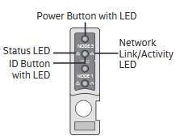

 |  |  |  |  |  |  |  |  | (CEEDGE-XGE100-7712-CRAYY) EdgeCore PN 7712-32x-o-ac-b-us

 |  |  |  |  |  |  |  |  |  |  | XC-XGE-48P-DL2 Ethernet switch (Dell S3048-ON)

 |  | Cray Slingshot Switches

 |  | SH-XSS-200G-64P |  |  |  |  |  |  | SLINGSHOT 200G 64 PORTS SWITCH, POWER-SIDE TO PORT-SIDE AIRFLOW
 |  | SH-XSS-200G-64P-R |  |  |  |  |  |  | SLINGSHOT 200G 64 PORTS SWITCH, PORT-SIDE TO POWER-SIDE AIRFLOW

 |  | Columbia TOR (Frontside View)

NMN
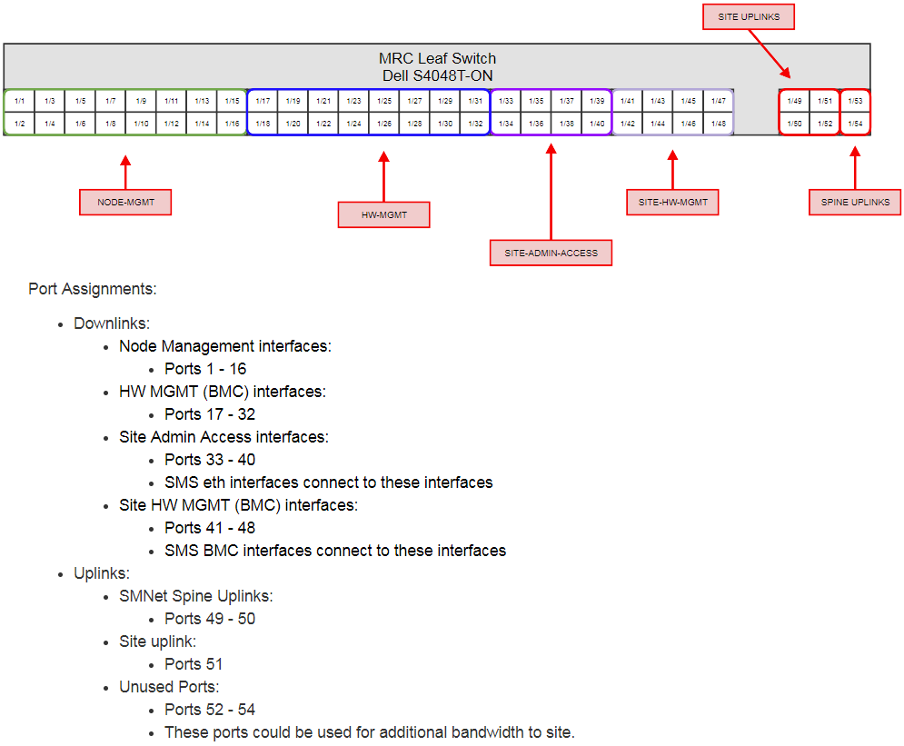
Ethernet Operational Network (Node Management )
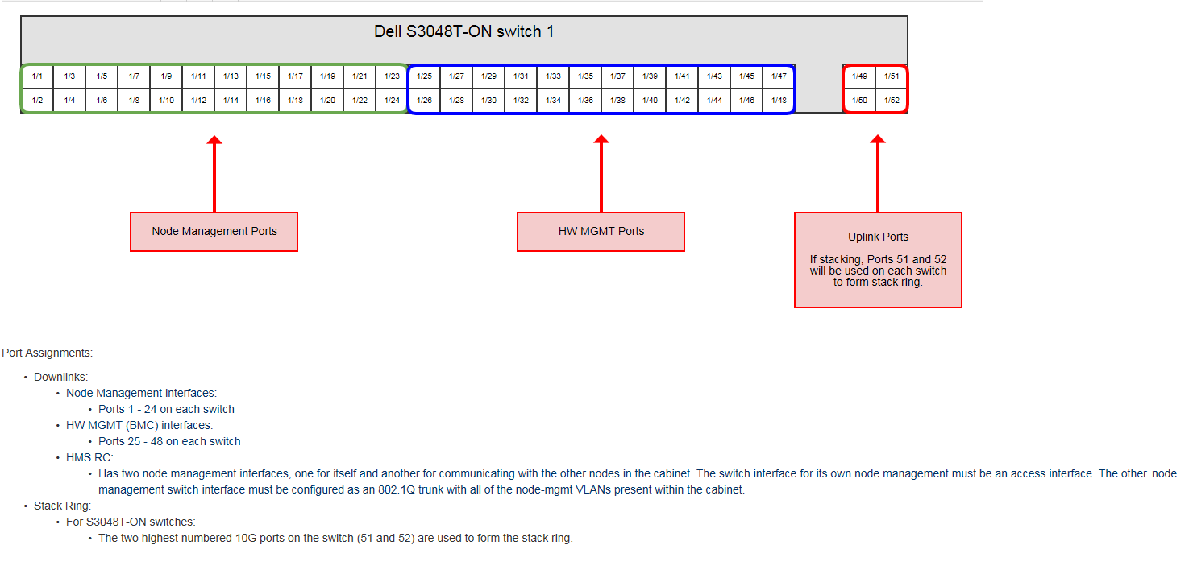
Cable Requirement
 | Desc. | Mkt Code |  | Part No. | Qty
1 | ETH-7FT-BLUE | CS-KGE-PAND-STP-PL-002M1 |  | 100982102 | 17
 |  |  |  | Total= | 17
Ethernet Routing Table
 |  | Label Info (2 lines)
 | Source | Source | Destination | Destination | Description | Part Number
 | mn01 | x3000u01-j1 | x3000u22-p02 | sw-smn01 | ETH-7FT-BLUE | 100982102
 | mn02 | x3000u03-j1 | x3000u22-p03 | sw-smn01 | ETH-7FT-BLUE | 100982102
 | mn03 | x3000u05-j1 | x3000u22-p04 | sw-smn01 | ETH-7FT-BLUE | 100982102
 | wn01 | x3000u07-j1 |  | Cray Site Connect
 | wn02 | x3000u09-j1 | x3000u22-p05 | sw-smn01 | ETH-7FT-BLUE | 100982102
 | wn03 | x3000u11-j1 | x3000u22-p06 | sw-smn01 | ETH-7FT-BLUE | 100982102
 | sn01 | x3000u13-j1 | x3000u22-p07 | sw-smn01 | ETH-7FT-BLUE | 100982102
 | sn02 | x3000u15-j1 | x3000u22-p08 | sw-smn01 | ETH-7FT-BLUE | 100982102
 | sn03 | x3000u17-j1 | x3000u22-p09 | sw-smn01 | ETH-7FT-BLUE | 100982102
 | nid000001 | x3000u19R-j1 | x3000u22-p10 | sw-smn01 | ETH-7FT-BLUE | 100982102
 | nid000002 | x3000u19L-j1 | x3000u22-p11 | sw-smn01 | ETH-7FT-BLUE | 100982102
 | nid000003 | x3000u20R-j1 | x3000u22-p12 | sw-smn01 | ETH-7FT-BLUE | 100982102
VLAN 100
 | nid000004 | x3000u20L-j1 | x3000u22-p13 | sw-smn01 | ETH-7FT-BLUE | 100982102
 | UAN | x3000u26-j1 | x3000u22-p14 | sw-smn01 | ETH-7FT-BLUE | 100982102
 | wn04 | x3000u29R-j1 | x3000u22-p15 | sw-smn01 | ETH-7FT-BLUE | 100982102
 | wn05 | x3000u29L-j1 | x3000u22-p16 | sw-smn01 | ETH-7FT-BLUE | 100982102
 | wn06 | x3000u30R-j1 | x3000u22-p17 | sw-smn01 | ETH-7FT-BLUE | 100982102
 | wn07 | x3000u30L-j1 | x3000u22-p18 | sw-smn01 | ETH-7FT-BLUE | 100982102
 | sw-smn01 |  | x3000u22-p01 | Cray Site Connect

