料號條碼數
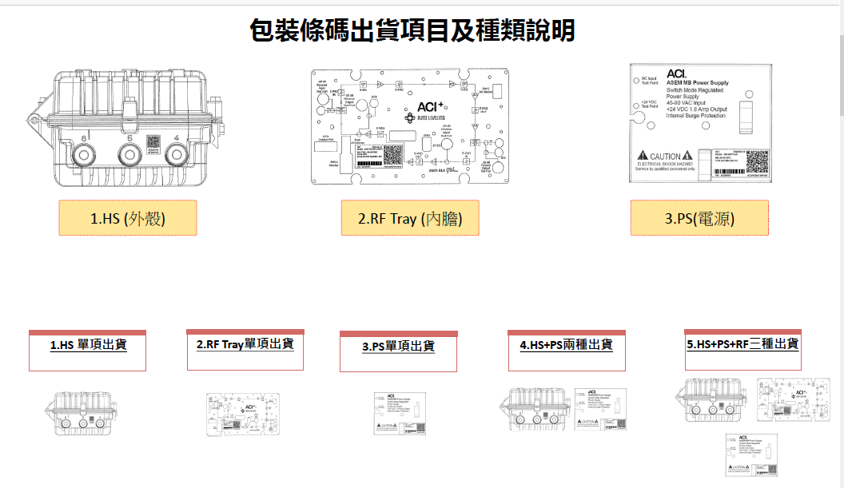

說明_2
1. 料號條碼設定 |  |  |  |  |  |  |  | 2. 欄位說明
料號 | 條碼_HS | 條碼_PS | 條碼_RF | 每棧板機台數 | 摘要 | 備註 |  | (1) 條碼_HS /條碼_PS/條碼_RF: 刷條碼作業時條碼勾選欄位全輸入後 , 自動跳至下一列
P1A00G0-003G | Ｖ | Ｖ | Ｖ | 104 | AMT-MB851TC2RN0/ASEM/Moto MB/1794MHz/ 204/258 /51dB FWD/32dB RTN/23.0dB Slope/Plug-in Sidactor/ASEM Housing/With Power Supply/GaN Forward Hybrids/RoHS/For ACI |  | 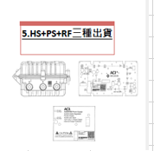 | (2) 每棧板機台數: 查詢後每張工單依此設定數量 , 列印每個棧板的序號表
K1A0000-036G | Ｖ | Ｖ |  | 48 | HSG01-MB-PS/ASEM/Moto MB Housing/Port 1 to 4 W/45-90 VPS W/Internal Ground Strap/Without Seizure Screw/With Dust Cover/Individually Boxed/RoHS/For |  | 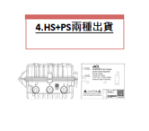 | (3)摘要:說明料號機種與型式 | 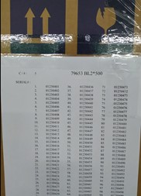
K1A0000-032G |  | Ｖ |  | 20 | MB-MPPS-II/ASEM/Moto MB Cable Power/45-90V AC Input/ 24V/1.8A DC Output /Triac & Sidactor Type/Input Control/With Pillar Screws/Heat Sinks x 2/For |  | 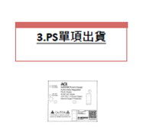 | (4)備註:
K1A00G0-013G |  |  | Ｖ | 104 | AMT-MB851TM2RN0/ASEM/Moto MB/1794MHz/ 204/258 /51dB FWD/32dB RTN/20.0dB Slope/Plug-in Sidactor/Module Only/GaN Forward Hybrids/RoHS/For |  | 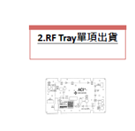
K1A0000-037G | Ｖ |  |  | 48 | HSG01-MB-00/ASEM/Moto MB Housing/Port 1 to 4 W/O PWS W/internal Ground strap/ W/O Seizure Screw /With Dust Cover/Individually Boxed/RoHS/For ACI |  | 