year的解释
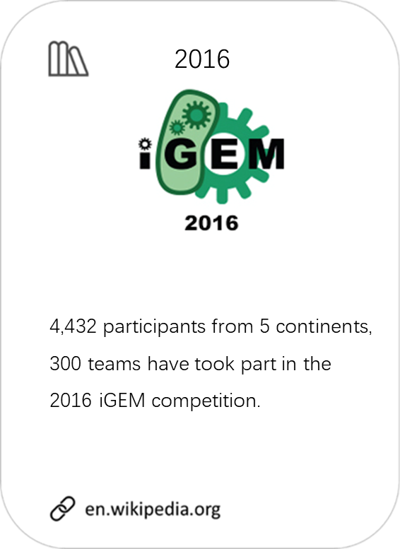
year | description | link | picture
2016 | 4,432 participants from 5 continents, 300 teams have took part in the 2016 iGEM competition. | 2016.igem.org/Main_Page | 2016.jpg
2015 | 5,018 participants from 5 continents, 280 teams have took part in the 2015 iGEM competition. | 2015.igem.org/Main_Page | 2015.jpg
2014 | 4,515 participants from 4 continents, 245 teams have took part in the 2014 iGEM competition. | 2014.igem.org/Main_Page | 2014.png
2013 | 4,027 participants from 4 continents, 215 teams have took part in the 2013 iGEM competition. 1,708 parts were submitted to the Registery of Standard Biological Parts. | 2013.igem.org/Main_Page | 2013.png
2012 | 3,696 participants from 5 continents, 190 teams have took part in the 2012 iGEM competition. 1,708 parts were submitted to the Registery of Standard Biological Parts. | 2012.igem.org/Main_Page | 2012.jpg
2011 | 2,586 participants from 3 continents, 165 teams have took part in the 2011 iGEM competition. 1,355 parts were submitted to the Registery of Standard Biological Parts. | 2011.igem.org/Main_Page | 2011.jpg
2010 | 2,327 participants from 128 teams have took part in the 2010 iGEM competition. 1,863 parts were submitted to the Registery of Standard Biological Parts. | 2010.igem.org/Main_Page | 2010.jpg
2009 | 1,840 participants from 113 teams have took part in the 2009 iGEM competition. 1,348 parts were submitted to the Registery of Standard Biological Parts. | 2009.igem.org/Main_Page | 2009.jpg

year的网络分析
medal | 2009 | 2010 | 2011 | 2012 | 2013 | 2014 | 2015 | 2016
网络分析用词 | infancy | interleukin | EHEC | bacteriophage lambda | duodenum | meningitis | Amplifier | CRISPR-Cas9
 | poison | Bacillus anthracis | magnetotactic bacteria | artemisinin | vanillin | erythromycin | ammonium | pigments
 | Plac promoter | araC promoter | antifreeze | RNA scaffold | DDT | banana | hardware | Amplifier
 | hemolysin | Vibrio cholerae | naphthenic acids | λ phage | gastric cancer | textile | 3D printing | gRNA
 | biliverdin | scFv | enterohemorrhagic | virus-like particles | Rhodococcus | android | Ebola | Inverters
 | lipoprotein | channelrhodopsin | LasR | black box | dynamic programming algorithm | lemon | epithelial cells | lung cancer
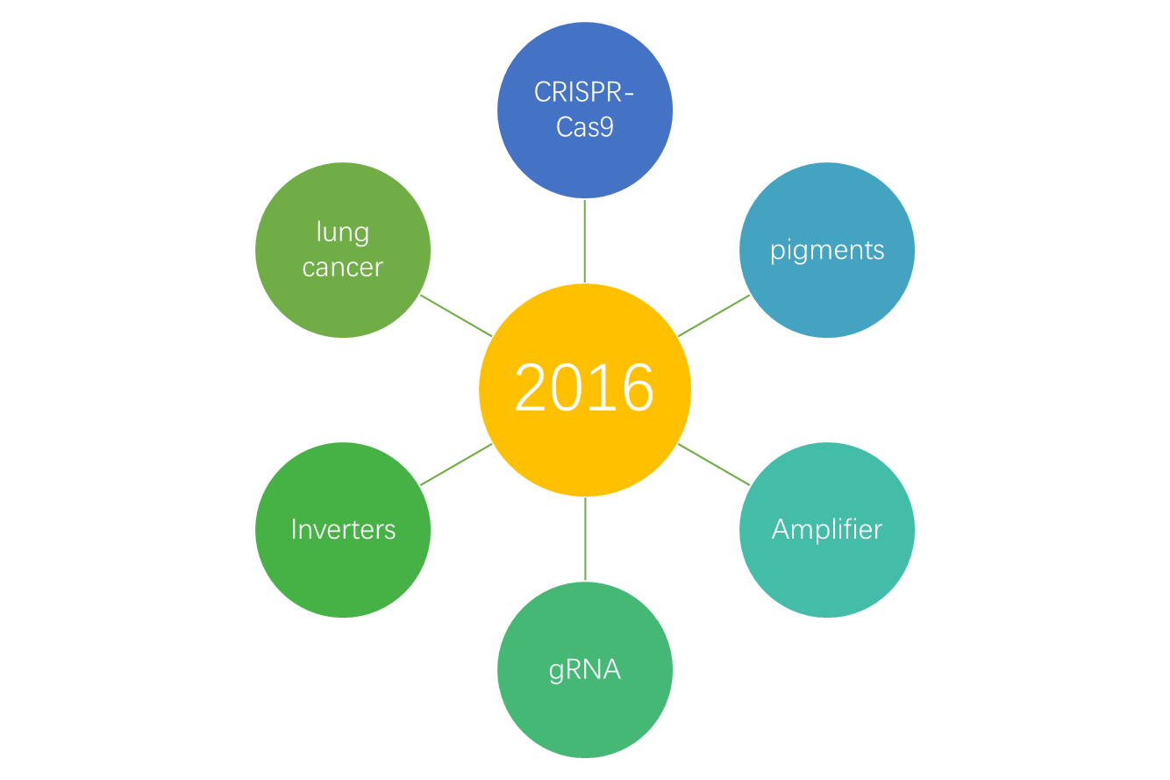
 | EGF | Gillespie algorithm | phototaxis | DNA scaffold | β-oxidation | Leu | cement | 3D printing
 | aTc | hepatocytes | Michaelis-Menten equation | holin | symbiosis | sponge | CRISPR-Cas9 | sgRNA
 | streptavidin | helper phage | glycogen | acyl-ACP reductase | senescence | metallothionein | Inverters | Receivers
 | dimethylallyl pyrophosphate | vaccines | ordinary differential equations | lux operon | styrene | cysteine | riboflavin | generator
 | LVA tag | biotin | cell differentiation | golden rice | embryonic stem cells | cadmium | dCas9 | dCas9
 | leukocytes | viral vectors | gene silencing | auxotroph | beer | cotton | food crops | lung
 | manure | hemolysin | luminometer | steroids | beverages | carcinogenesis | gRNA | Cas9
 | leucine zippers | antibody library | herbicide | FMN | stomach | citrate | Receivers | meat
 | mercury | bistability | DNA ligase | arsenic | ADH | chromoprotein | generator | smartphone
 | growth factor | TNF | channelrhodopsin | aldehydes | plasmid library | pancreas | battery | freeze-drying
 | sponge | glycerol | dairy | Gibson assembly | food industry | lentivirus | bioreactor | biomarkers
 | metallothionein | mosquitoes | thiamine | acetate | peptide hormone | bioethics | lactate dehydrogenase | alanine
 | macrophage | bioethics | carotenoids | tumor cells | dimethyl sulfoxide | resin | ribozymes | intein
 | endocytosis | cytotoxicity | carbenicillin | rice | global warming | biofilm | lactic acid | Golden Gate assembly
 | LacI | attractant | invertase | Degradation Device | effluent | fertilizer | fuel cell | fossil fuel
 | cholesterol | photoreceptor | co-transformation | cell differentiation | PAHs | AIDS | polycyclic aromatic hydrocarbons | chromoprotein
 | alkaline phosphatase | leucine | luciferin | estrogen | buds | histidine | aminobutyric acid | ethylene
 | adenovirus | endocytosis | GMP | cobalt | biomineralization | amyloid | ammonia | heme
 | regulon | stress response | trypsin | carotene | glutathione | parasite | formate | microalgae
 | osmolarity | Adeno | autophosphorylation | chemokines | abdomen | blue chromoprotein | poison | TEV protease
 | CopA system | ileum | cell communication | nanotubes | intestine | weak promoter | complications | nickel
 | lactose | Cytolysin | magnetosome | Alzheimer’s disease | contaminated soil | histidine kinase | polypropylene | pollution
 | Synechocystis | vascular system | bacteriorhodopsin | chromosome | embryonic development | isoamyl acetate | ompC promoter | liver
 | cell communication | lactose intolerance | seawater | sigma factor | gene circuit | sodium citrate | butyric acid | insecticides

year额外分析
（year对medal） | 2009 | 2010 | 2011 | 2012 | 2013 | 2014 | 2015 | 2016
gold medal | 47 | 62 | 67 | 85 | 92 | 99 | 115 | 112
silver medal | 19 | 16 | 21 | 29 | 43 | 36 | 57 | 74
bronze medal | 24 | 27 | 32 | 30 | 33 | 56 | 55 | 79
no model | 12 | 12 | 22 | 27 | 17 | 29 | 33 | 34

（year对track） | 2009 | 2010 | 2011 | 2012 | 2013 | 2014 | 2015 | 2016
Art and Design | 0 | 0 | 0 | 0 | 0 | 5 | 3 | 0
Diagnostics | 0 | 0 | 0 | 0 | 0 | 0 | 0 | 27
Energy | 0 | 0 | 0 | 0 | 0 | 11 | 13 | 12
Environment | 16 | 16 | 25 | 30 | 37 | 45 | 33 | 45
Food & Energy | 8 | 12 | 15 | 22 | 25 | 0 | 0 | 0
Food and Nutrition | 0 | 0 | 0 | 0 | 0 | 9 | 13 | 13
Foundational Advance | 21 | 20 | 26 | 33 | 29 | 26 | 21 | 31
Hardware | 0 | 0 | 0 | 0 | 0 | 0 | 7 | 4
Health & Medicine | 15 | 20 | 13 | 26 | 40 | 43 | 55 | 0
High School | 0 | 0 | 0 | 0 | 0 | 0 | 35 | 36
Information Processing | 8 | 6 | 10 | 13 | 12 | 13 | 11 | 10
Manufacturing | 14 | 17 | 15 | 11 | 14 | 14 | 18 | 24
Measurement | 0 | 0 | 0 | 0 | 0 | 11 | 7 | 4
New Application | 13 | 20 | 31 | 28 | 24 | 26 | 31 | 28
Software | 7 | 6 | 7 | 10 | 10 | 10 | 8 | 6
Therapeutics | 0 | 0 | 0 | 0 | 0 | 0 | 0 | 32

