medal的解释
medal | description | link | picture
gold medal | Gold is highest level of three medals. Teams are only competing with themselves to achieve the medal criteria. Besides the criteria for the silver medal, teams who want to win the gold medal must meet at least two criteria as follow: 1.- Integrated Human Practices 2.- Improve a previous part or project 3.- Model your project 4.- Demonstrate your work | 2017.igem.org/Judging/Medals | picture/medal/gold medal
silver medal | Silver is medium level of three medals. Teams are only competing with themselves to achieve the medal criteria. Besides the criteria for the bronze medal, teams who want to win the silver medal must meet the following requirements: 1.- Validated Part / Validated Contribution 2.- Collaboration 3.- Human Practices | 2017.igem.org/Judging/Medals | picture/medal/silver medal
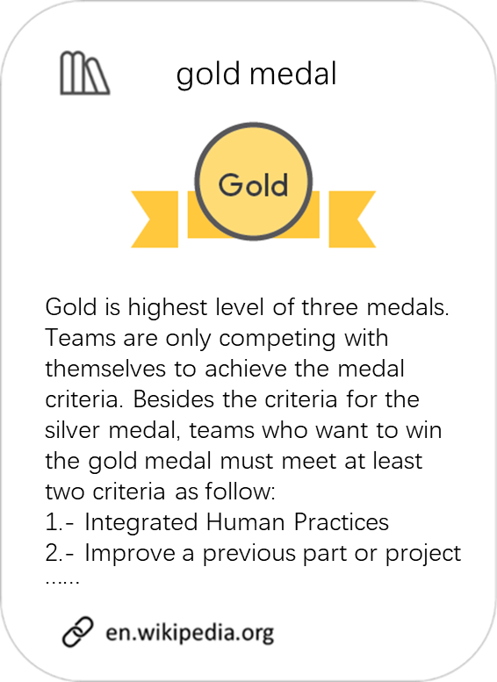
bronze medal | The three levels of medals, from lowest to highest are Bronze, Silver, and Gold. Teams are only competing with themselves to achieve the medal criteria. Teams who want to win the bronze medal must meet the following requirements: 1.- Register and attend 2.- Deliverables 3.- Attribution 4.- Characterization / Contribution | 2017.igem.org/Judging/Medals | picture/medal/bronze medal

medal的网络分析
medal | gold medal | silver medal | bronze medal
网络分析用词 | silver medal | gold medal | gold medal
 | bronze medal | bronze medal | silver medal
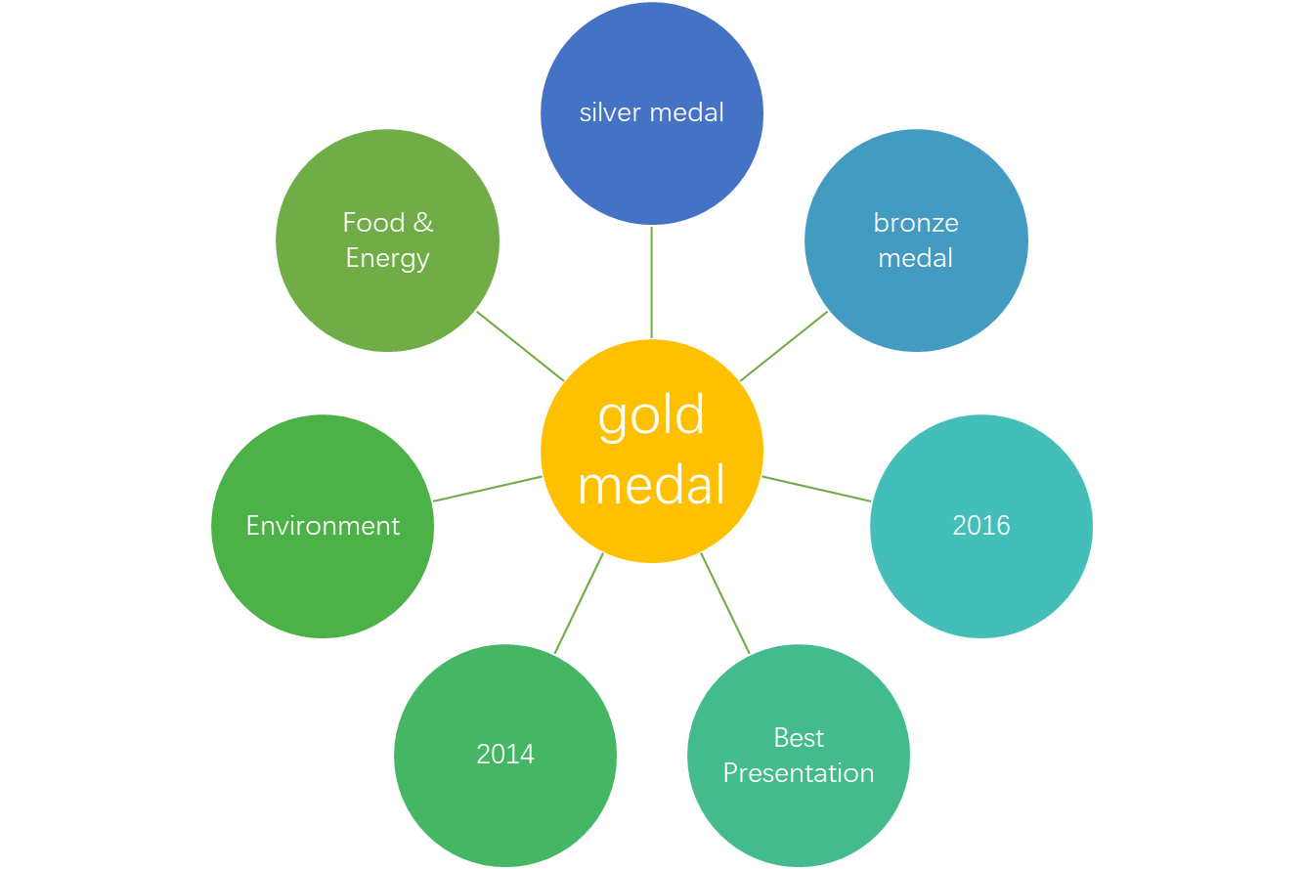
 | 2016 | Best Model | 2016
 | Best Presentation | 2015 | Therapeutics
 | 2014 | Best Wiki | 2015
 | Environment | 2014 | Best Part Collection
 | Food & Energy | Energy | Diagnostics
 | 2015 | Foundational Advance | Food & Nutrition
 | Health & Medicine | 2016 | 2014
 | High School | Information Processing | Hardware
 | 2013 | New Application | Manufacturing
 | Best Poster | Measurement | Software
 | Art & Design | 2012 | Best New Composite Part

medal额外分析
gold medal
（medal对year） | 2009 | 2010 | 2011 | 2012 | 2013 | 2014 | 2015 | 2016
gold medal | 47 | 62 | 67 | 85 | 92 | 99 | 115 | 112
silver medal | 19 | 16 | 21 | 29 | 43 | 36 | 57 | 74
bronze medal | 24 | 27 | 32 | 30 | 33 | 56 | 55 | 79
no model | 12 | 12 | 22 | 27 | 17 | 29 | 33 | 34

（medal对track） |  | total | gold medal | silver medal | bronze medal | no medal
Art and Design | (data from 2015 and 2016 results) | 8 | 3 | 2 | 1 | 2
Diagnostics | (data from 2016 results) | 27 | 11 | 11 | 2 | 3
Energy | (data from 2014~2016 results) | 36 | 17 | 4 | 10 | 5
Environment | (data from 2009~2016 results) | 246 | 104 | 45 | 60 | 37
Food & Energy | (data from 2009~2013 results) | 82 | 37 | 9 | 19 | 17
Food and Nutrition | (data from 2014~2016 results) | 35 | 17 | 8 | 5 | 5
Foundational Advance | (data from 2009~2016 results) | 208 | 107 | 35 | 48 | 18
gold medal (data from 2009~2016)
Hardware | (data from 2015 and 2016 results) | 11 | 8 | 0 | 2 | 1
Health & Medicine | (data from 2009~2015 results) | 212 | 94 | 44 | 49 | 25
High School | (data from 2015 and 2016 results) | 74 | 16 | 16 | 22 | 20
Information Processing | (data from 2009~2016 results) | 83 | 42 | 21 | 13 | 7
Manufacturing | (data from 2009~2016 results) | 126 | 55 | 28 | 32 | 11
Measurement | (data from 2014~2016 results) | 21 | 11 | 7 | 2 | 1
New Application | (data from 2009~2016 results) | 202 | 99 | 42 | 40 | 21
Software | (data from 2009~2016 results) | 62 | 38 | 12 | 8 | 4
Therapeutics | (data from 2016 results) | 32 | 15 | 5 | 11 | 1

